Approach
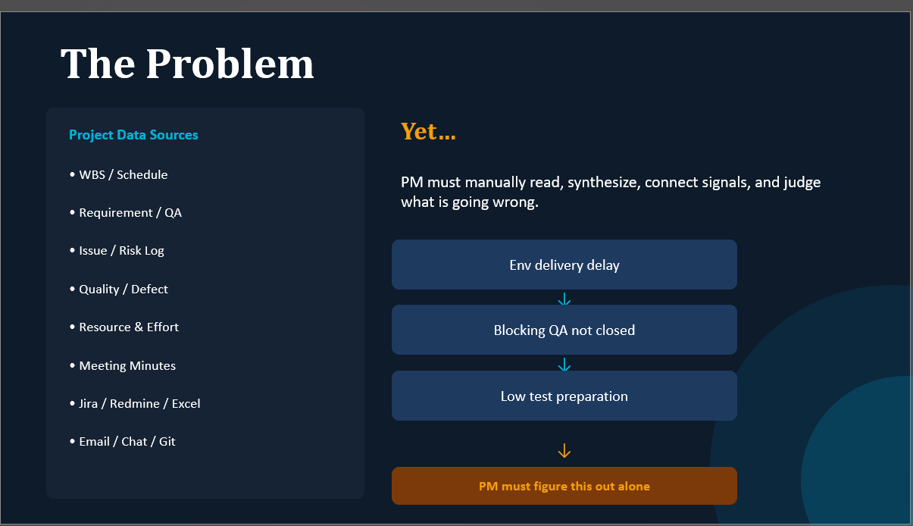

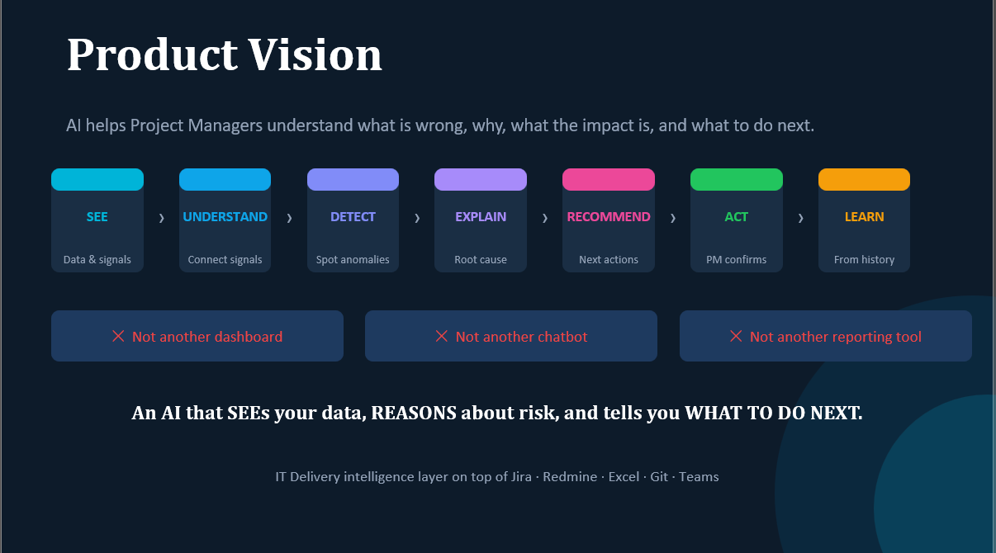

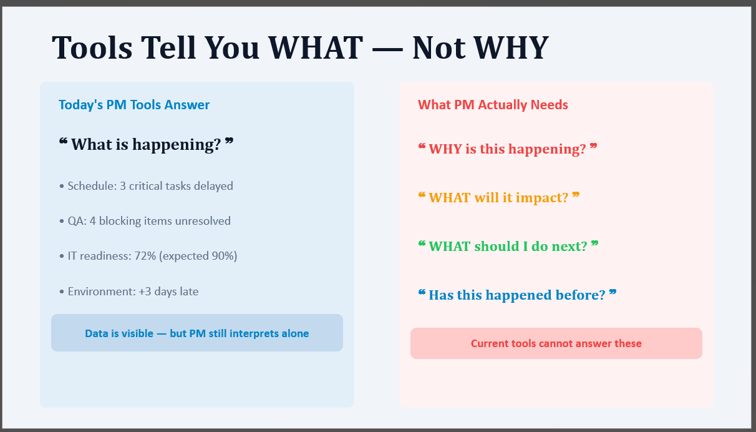

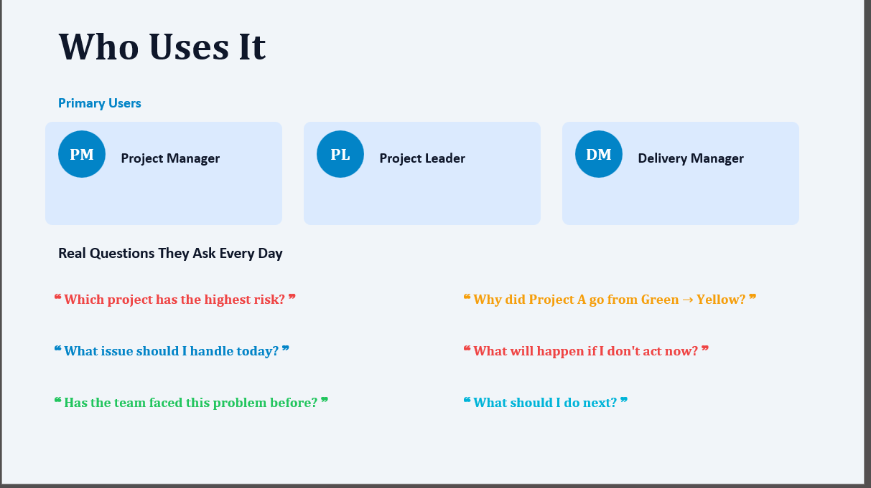

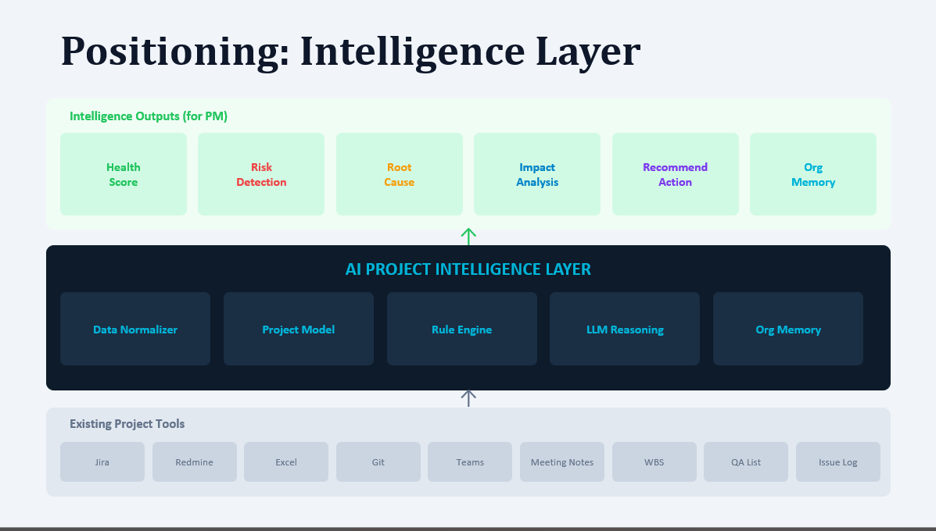

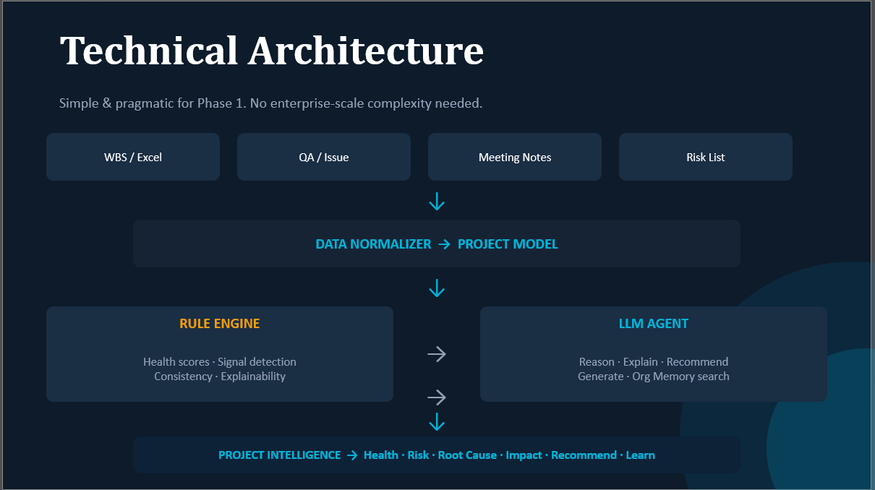

Layout_Home
HOME
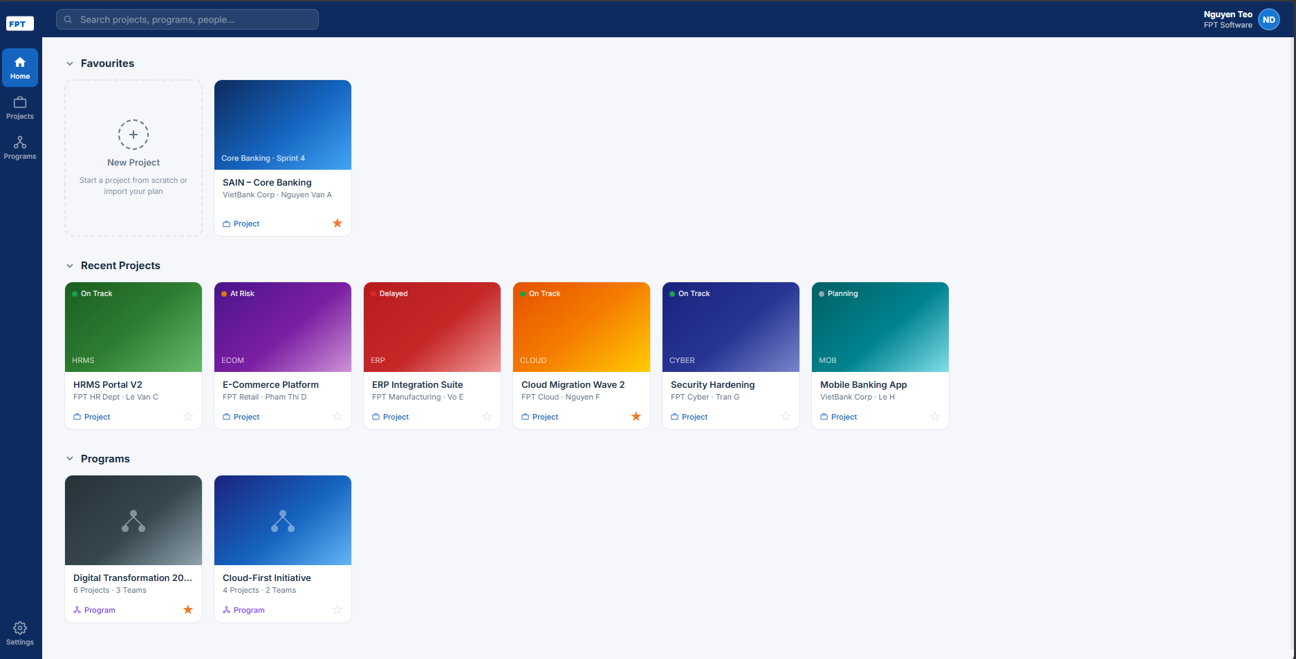

Mục này gồm
1.Add New Project
2.Favorite Project

Các dự án đã xem.
Display overview các thông tin
1.Status Dự án
On Track, At risk,...
2.Tên
3.Phòng ban đảm nhận, PM, DM,...

Hiển thị Program
1 program có nhiều dự án bên trong
(mục Add new project phải chọn Program, tiền đề program tạo trước)

 | ・Project đã tạo
Click vào ・・・ của project có sẵn sẽ hiển thị ra menu như dưới

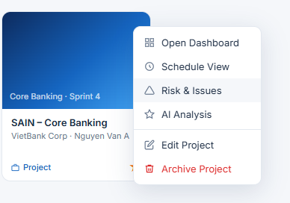

4 mục trên click vào đi đến page tương ứng
Edit project(chỉ edit thông tin -> giống phần bên dưới Prject tạo mỡi)

 | ・Project tạo mới

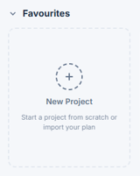

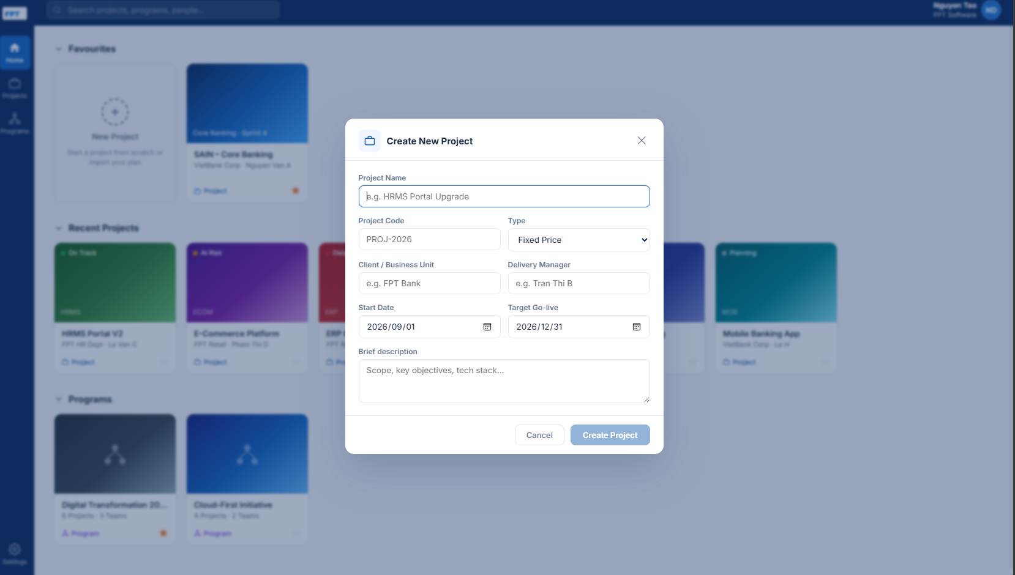

Sau khi tạo project xong đi tới trang dashboard cho Project đó

Layout_Program
Program
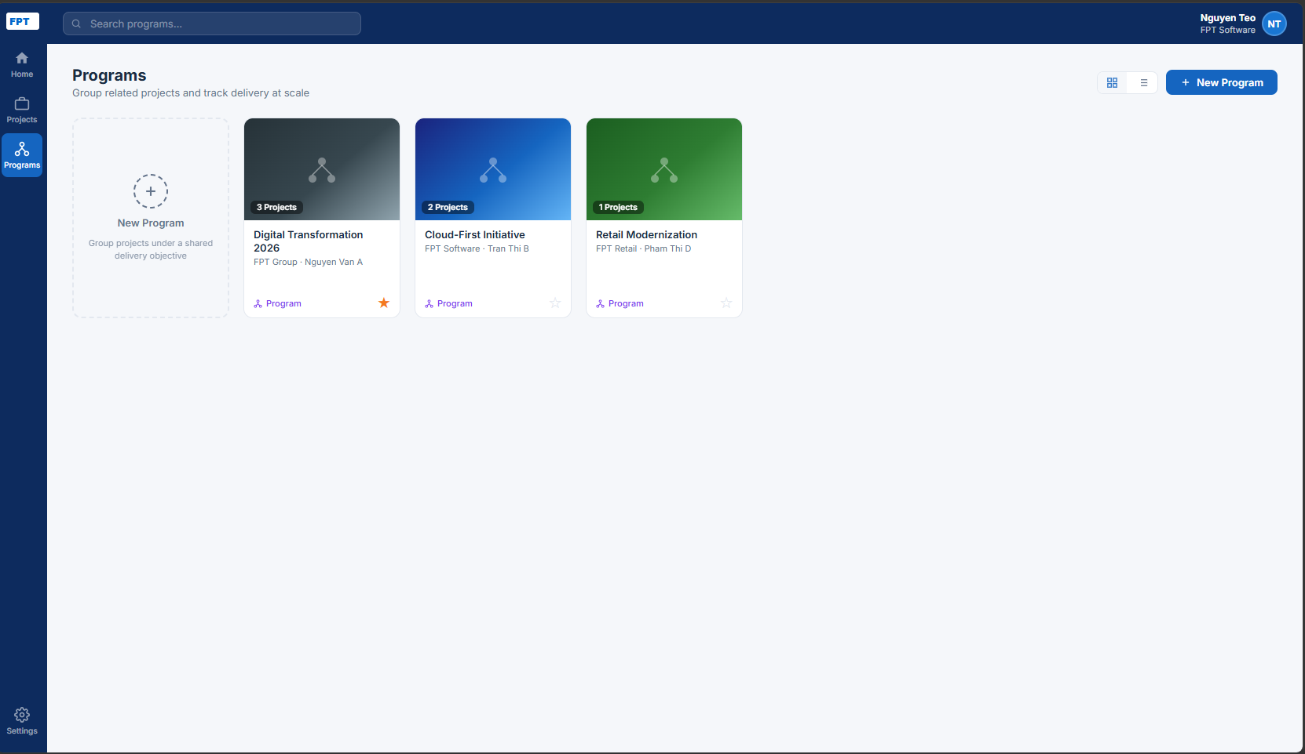

Mục này gồm
1.Add New Program
2.Program đã tạo (overview thông tin tên, phòng ban, PM, DM,...)

Click vào ・・・ của program có sẵn sẽ hiển thị ra menu như dưới
 | ・Program đã tạo

4 mục trên click vào đi đến page tương ứng

 |  |  |  | Program Settings
 |  |  |  |  | Program information
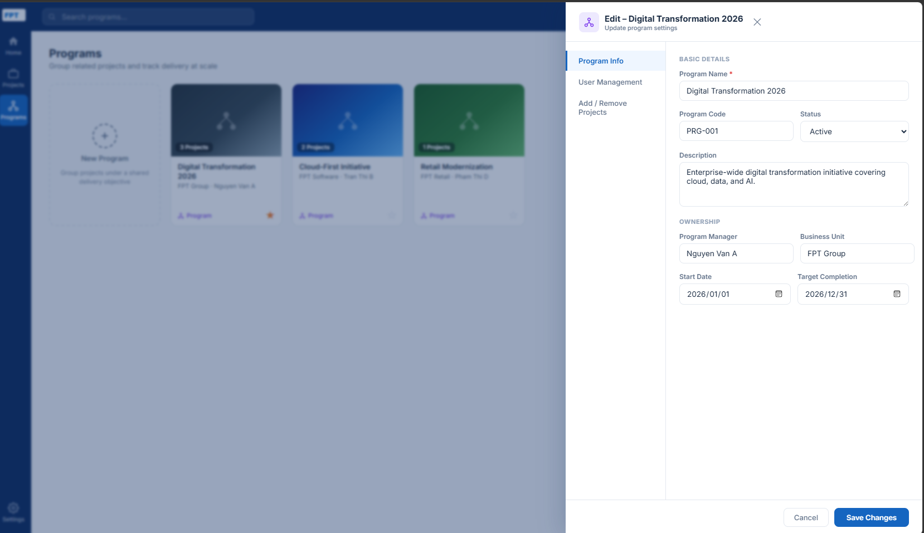

 |  |  |  |  | User Management
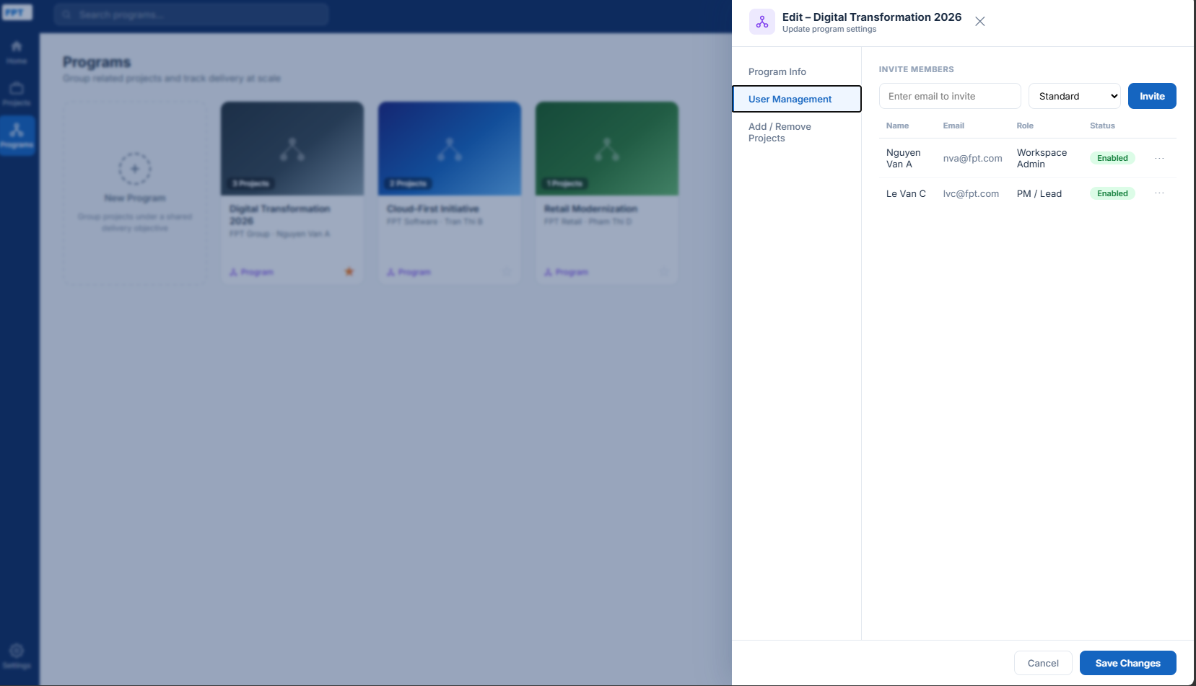

 |  |  |  |  | Add/Remove project
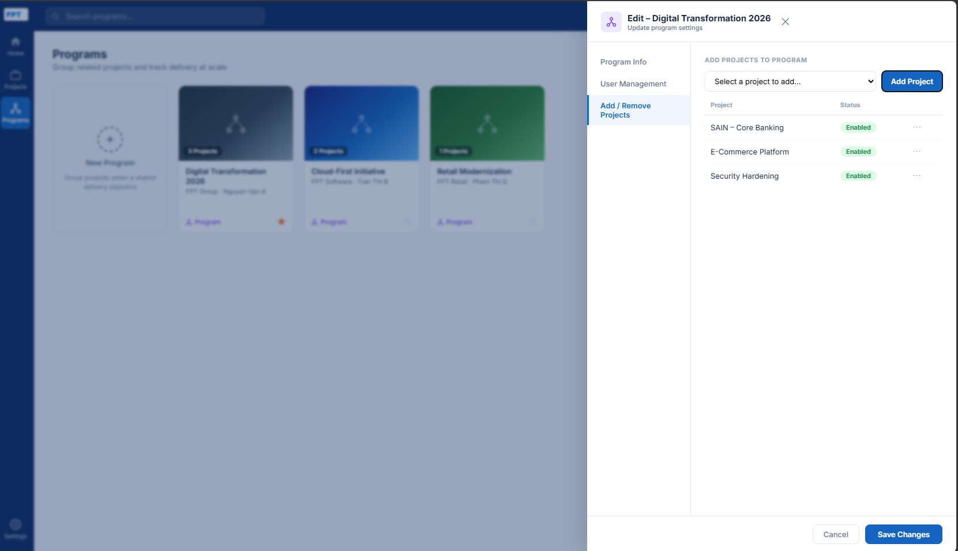
Chọn project từ combobox -> add

icon remove

 | ・Program tạo mới
 |  | Vè cơ bản form, UI/UX giống hệ phần trên ・Program đã tạo
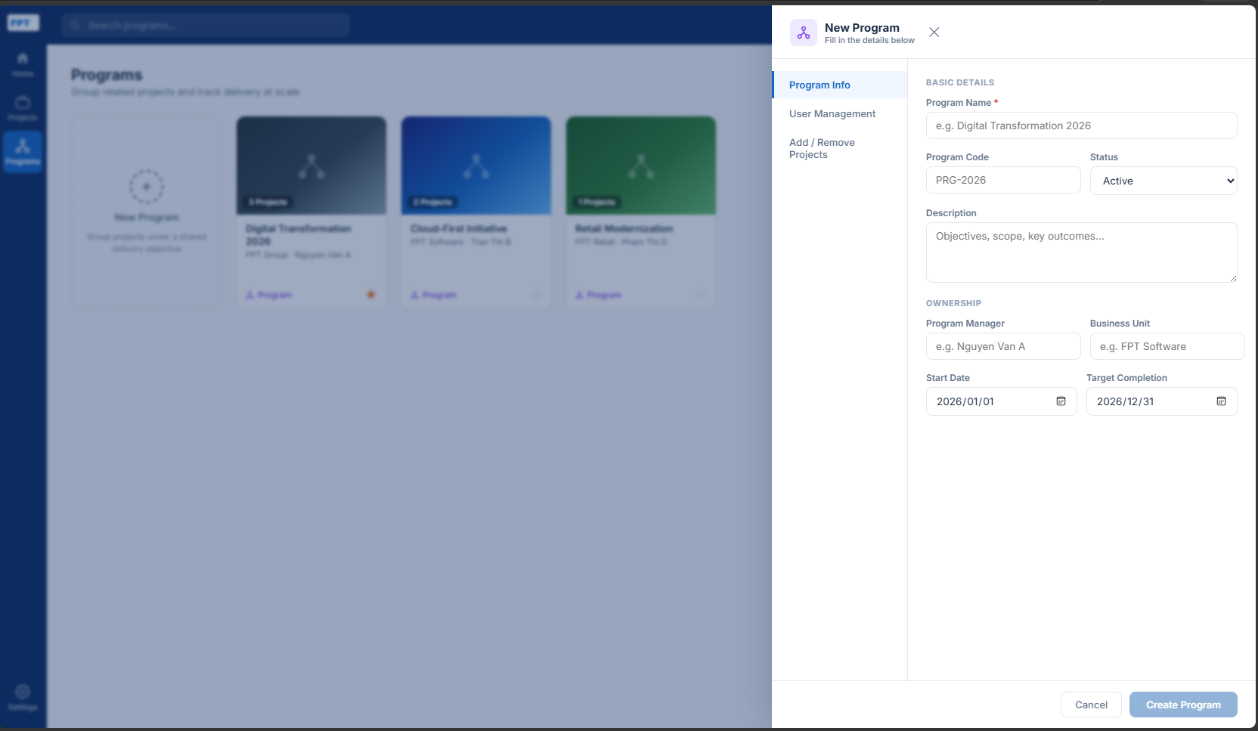

1.Program Dashboard
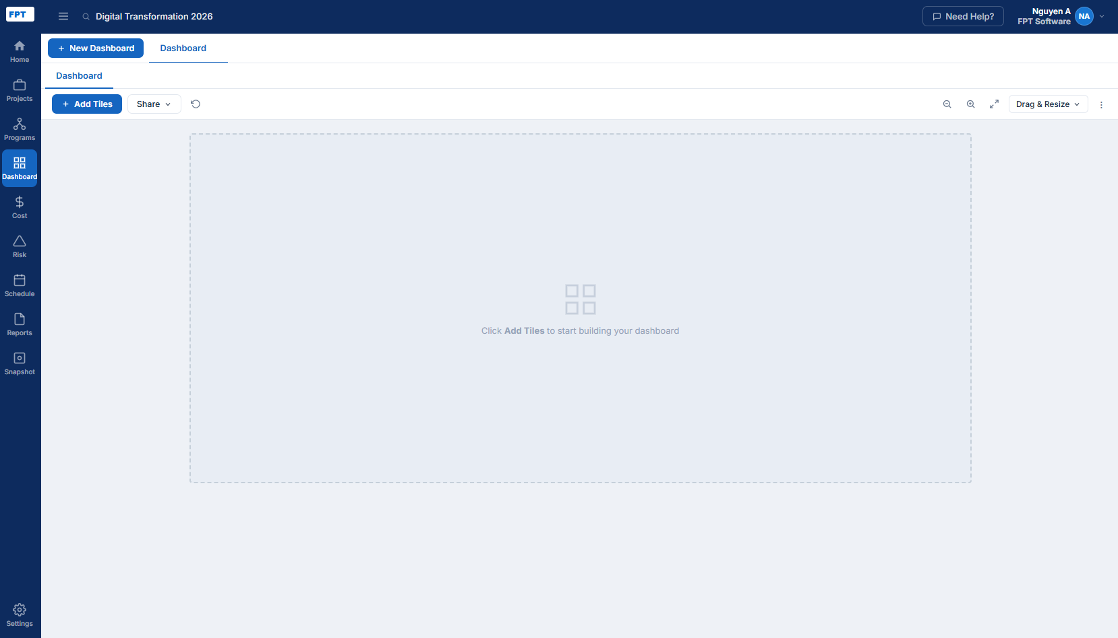

 | Click new dashboard
 | ①AI tạo dashboard từ Promt (có thể reuse sample promt cung cấp sẵn như hình)
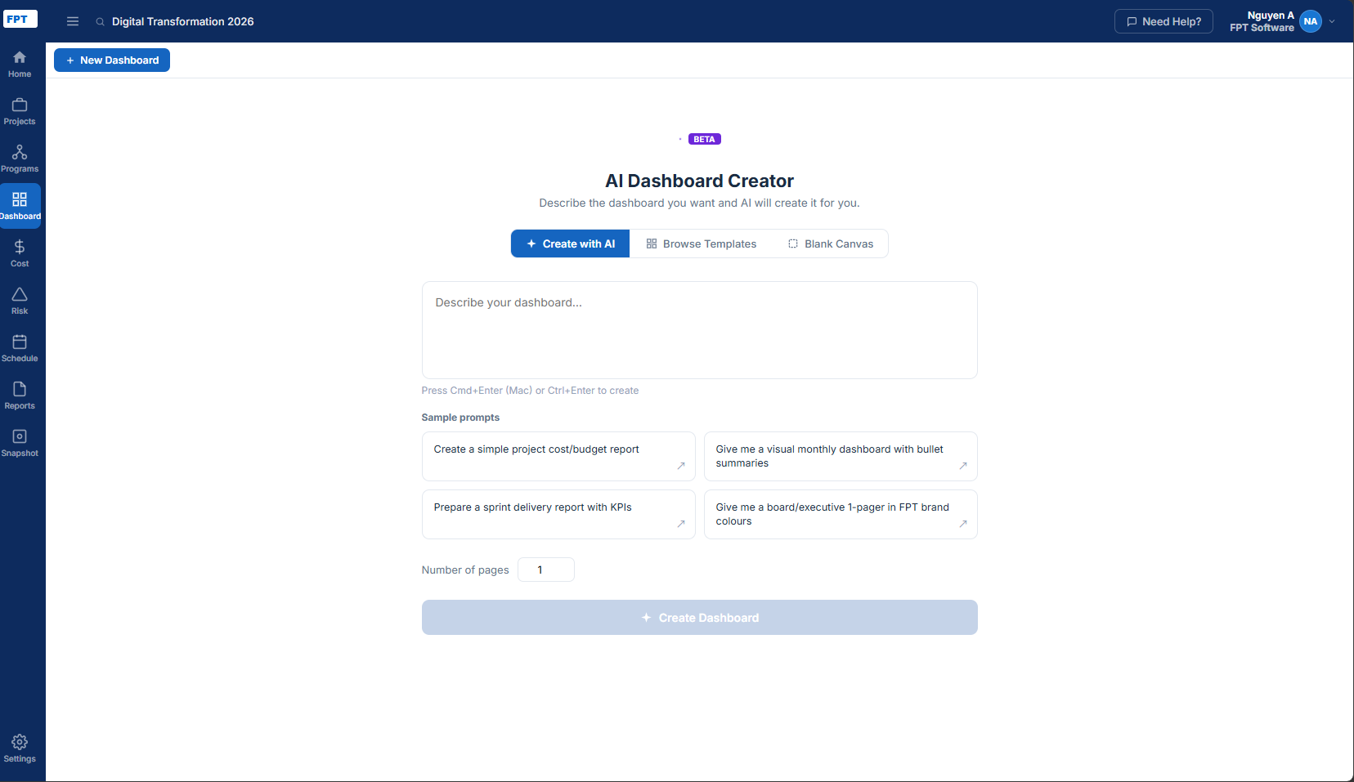

 | ②Tạo từ template Library
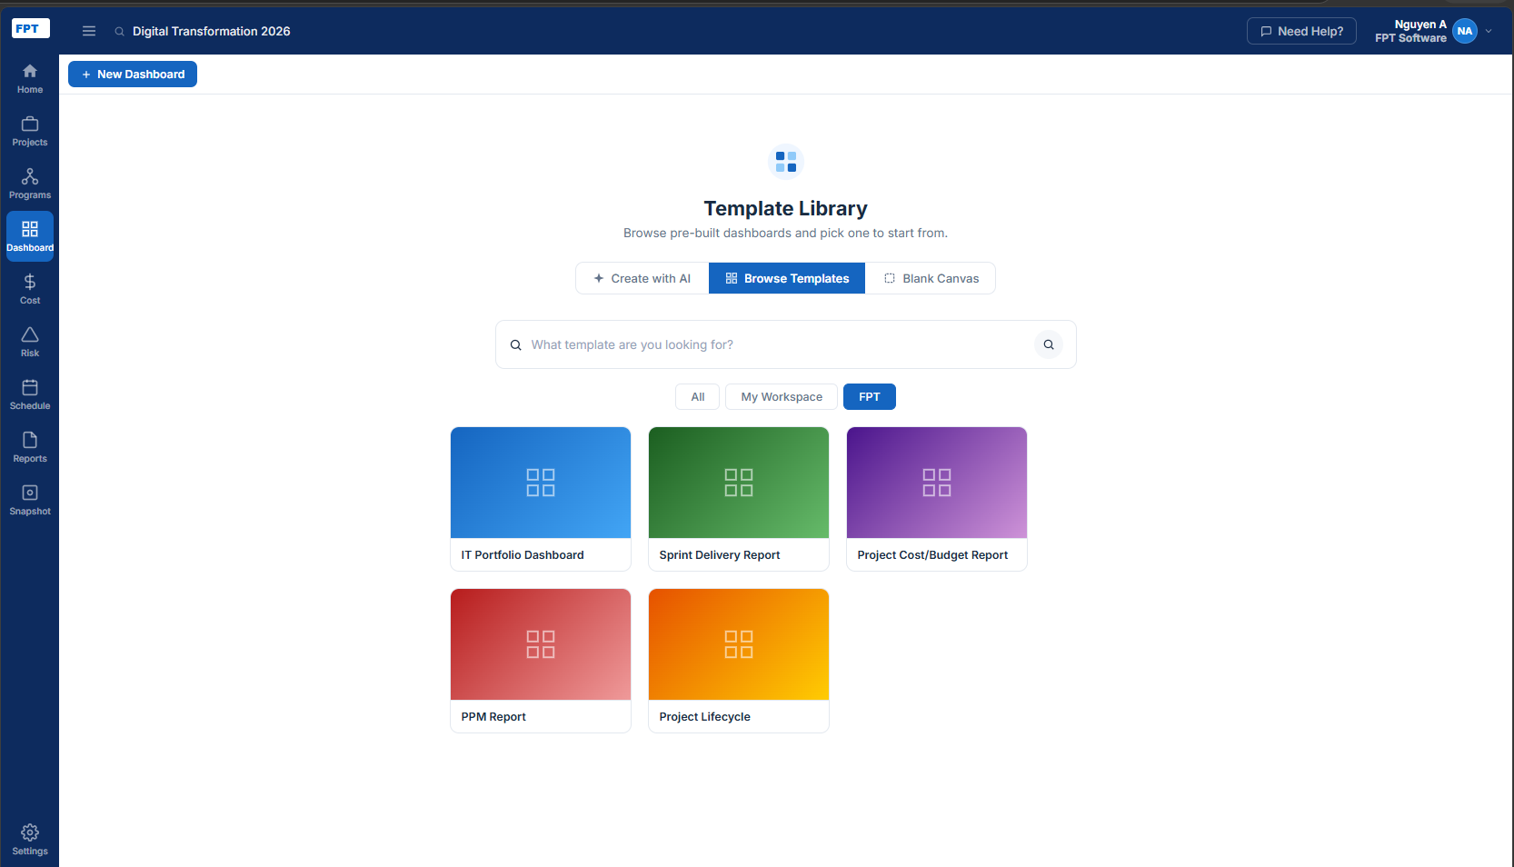

 | ③Blank Canvas
 | Quay lại đúng trang lúc đầu blank

 |  | Click Add Tiles

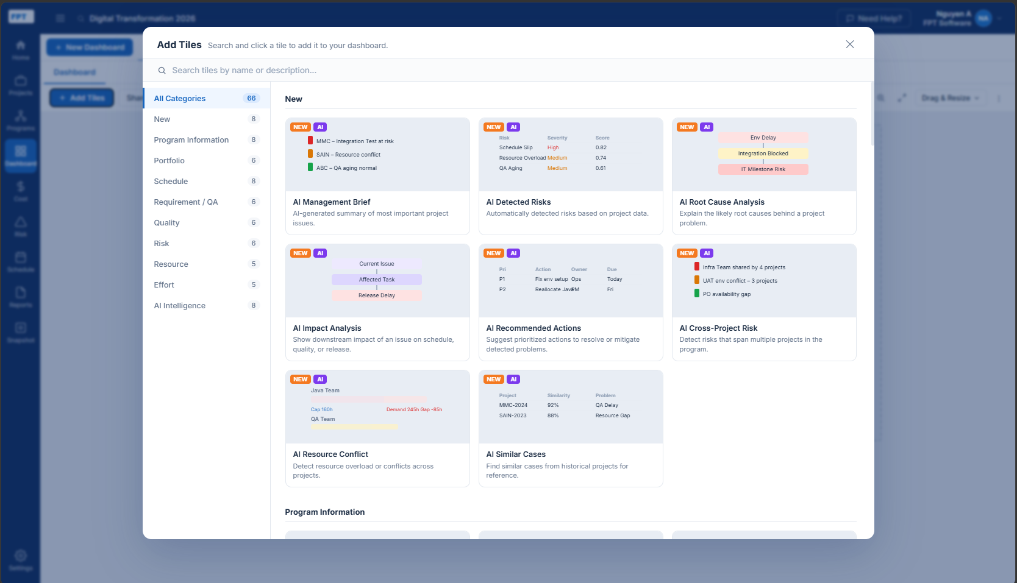

 |  |  | Đây là Capture All các tiles

 |  |  | Mouse hover vào tiles hiển thị Add -> click -> phản ánh vào dashboard
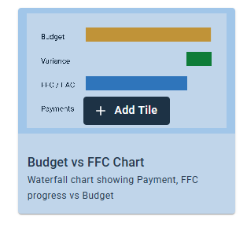

 |  |  | Sau khi add tiles xong, click ・・・ từ menu phải hiện ra

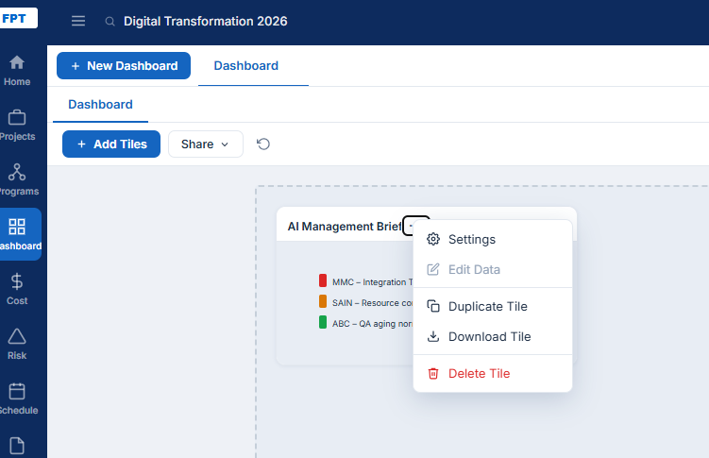

 |  |  | Setting -> tùy vào Tiles là RISK, Shcedule, Cost,... mà hiển thị các Items khác nhau (ví dụ như hình)
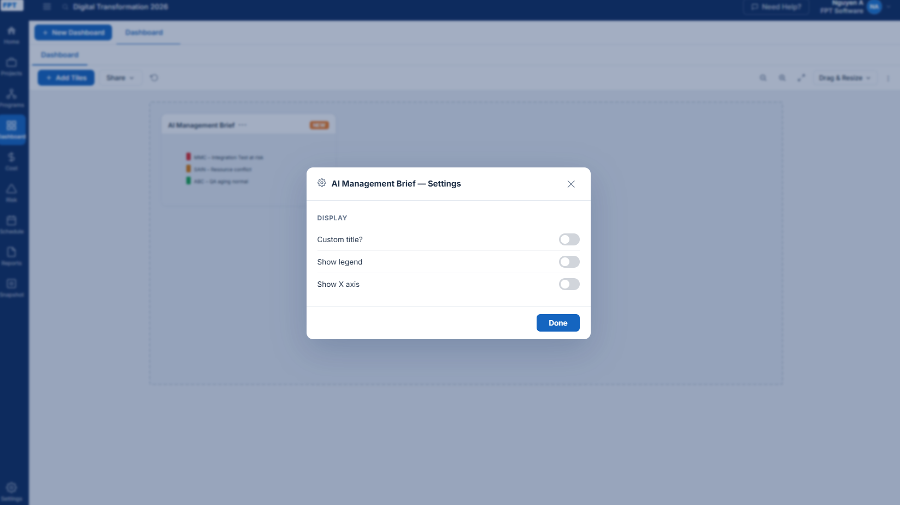

2.Program Risk
 |  | ①TH có sẵn
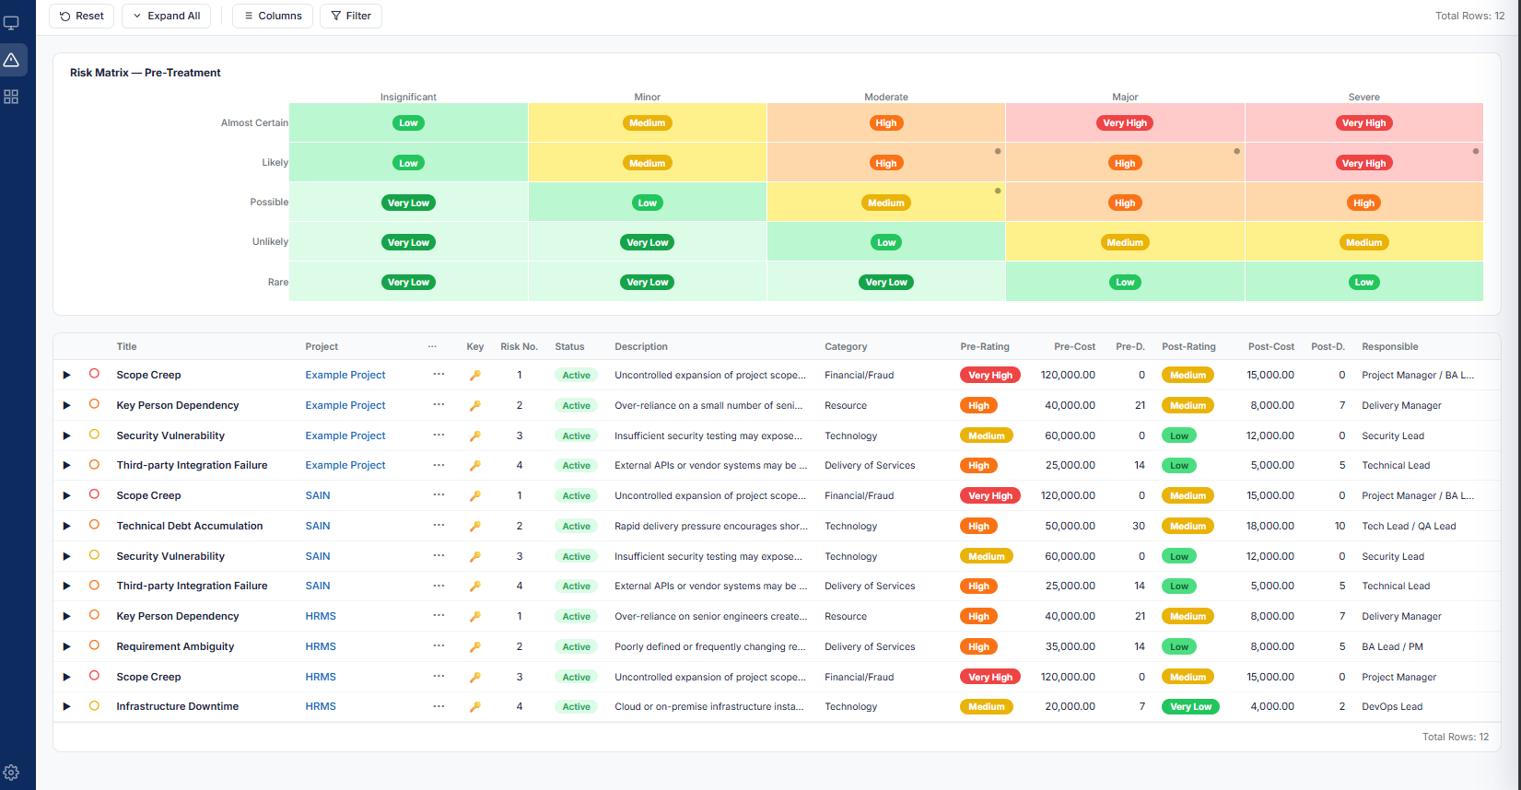

 |  |  | Edit Risk

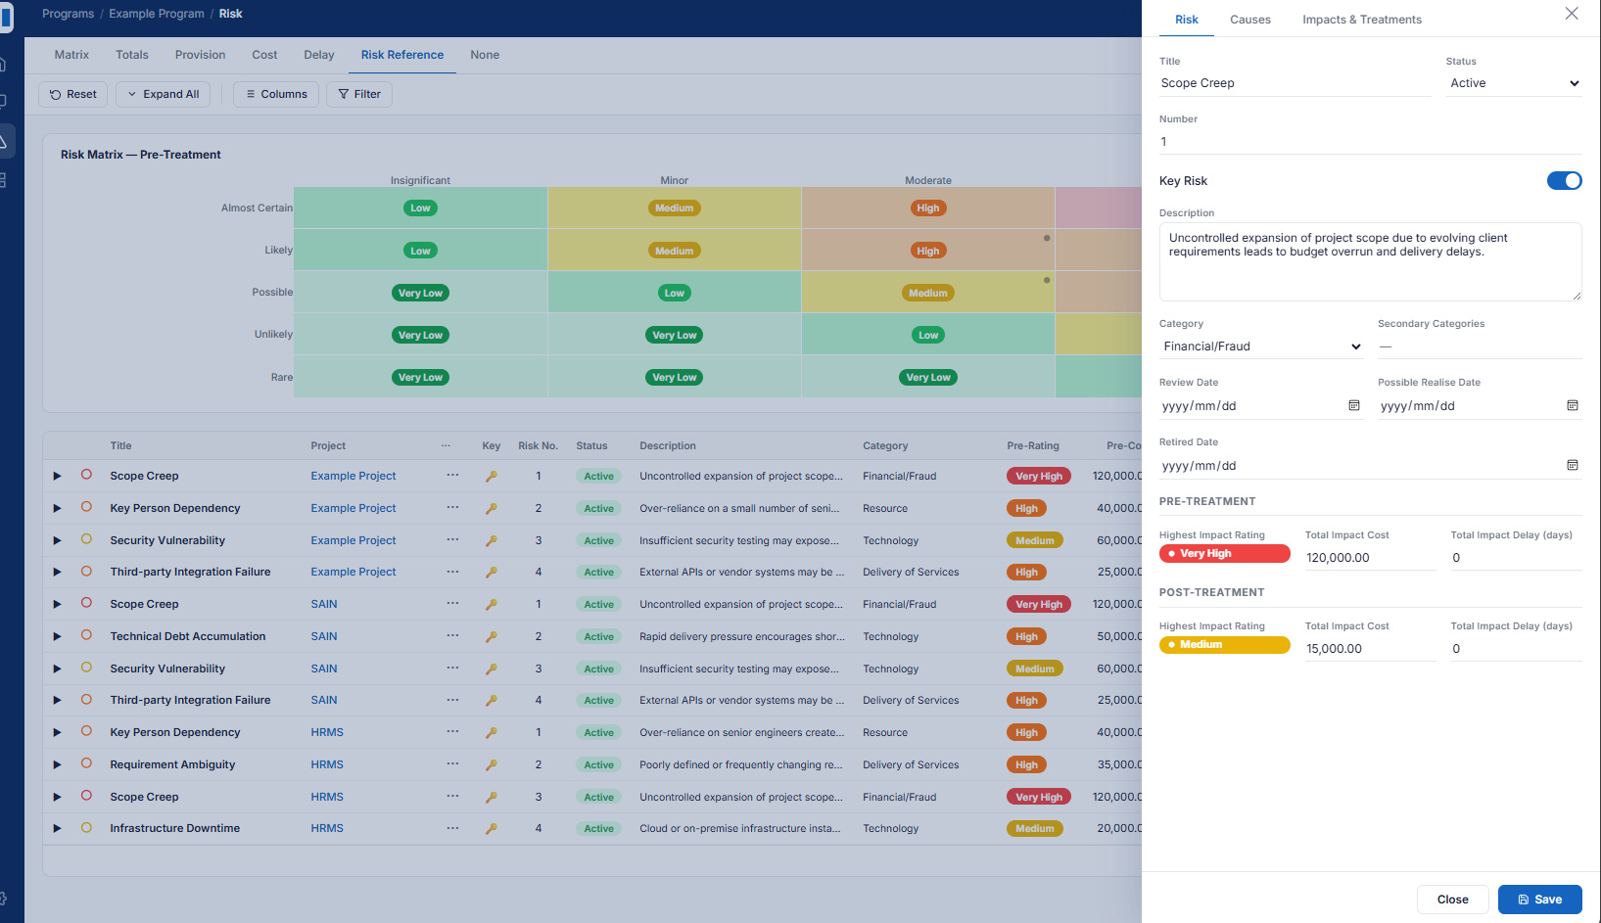

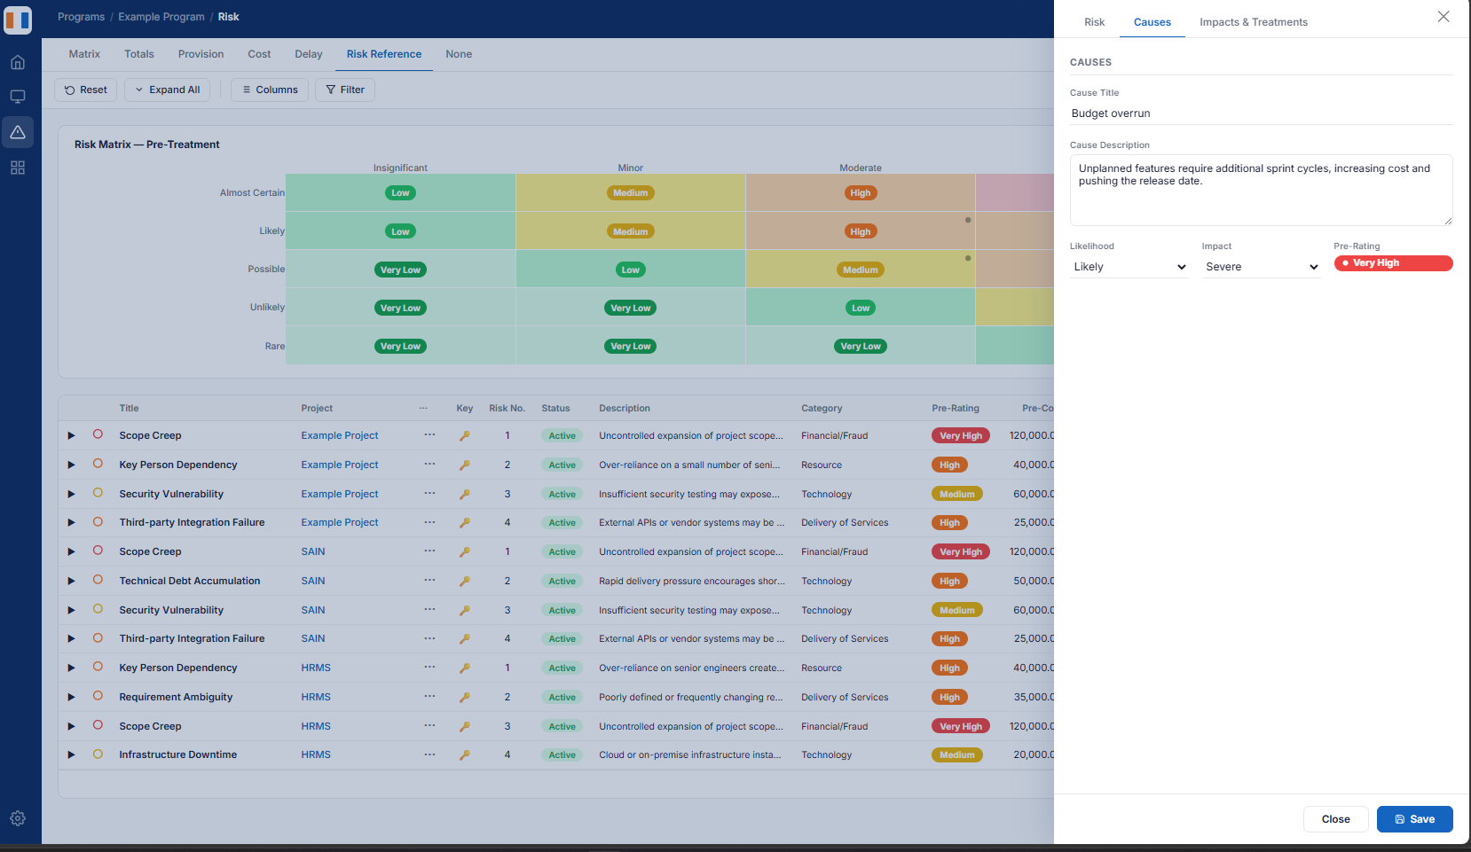

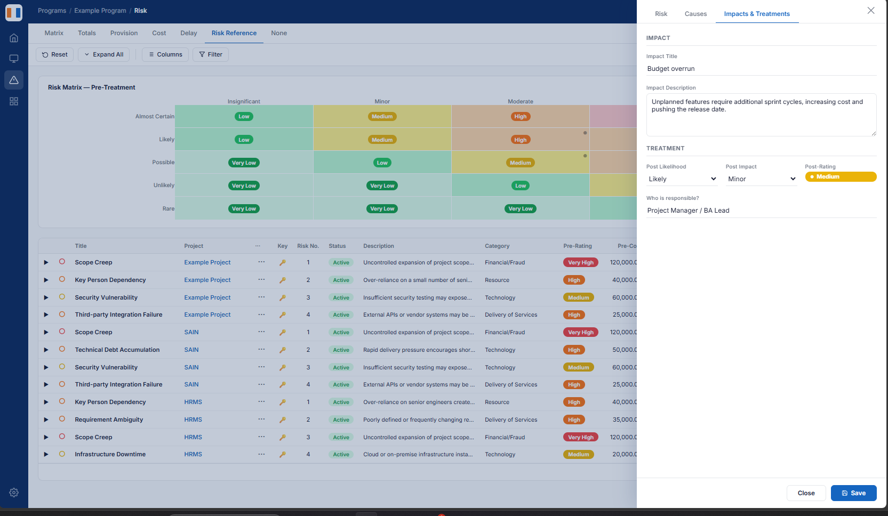

 |  | ②TH add mới
 |  |  | Form,UI/UX tương tự phần edit (3 tabs)

3.Program Schedule

Layout_Project
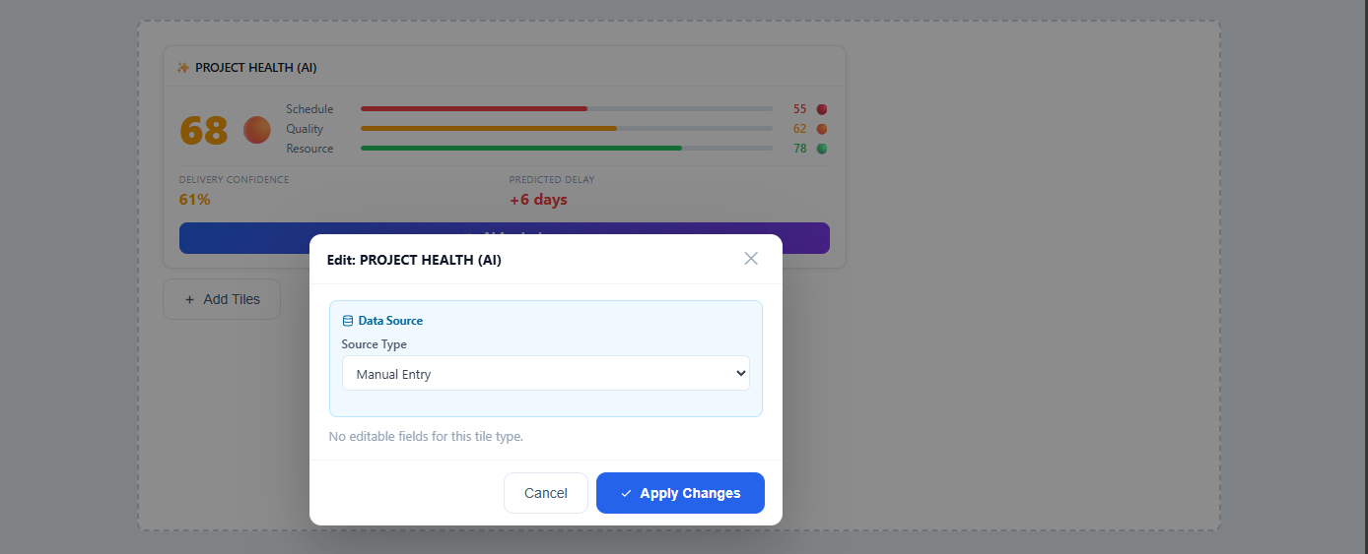
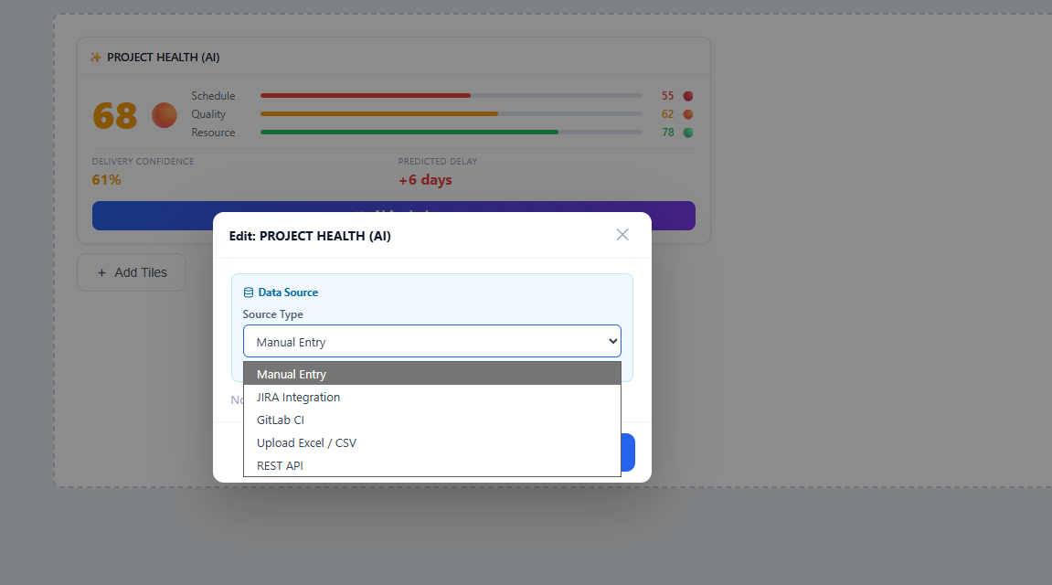
SCHEDULE
 | 1.Add new
 |  | Template
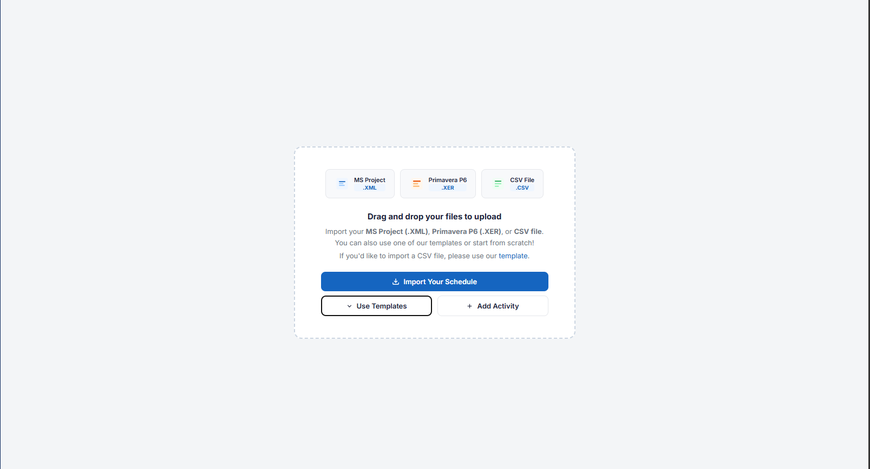

 |  | 2.Show

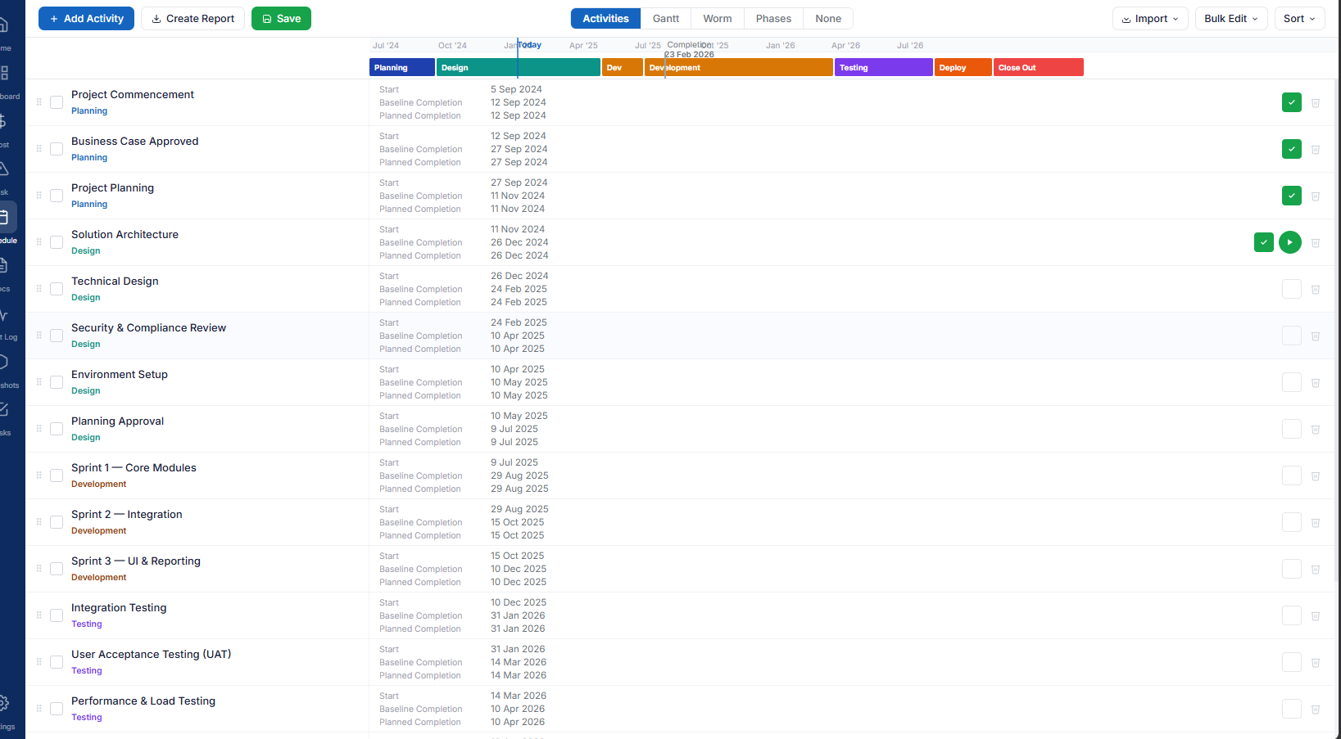

Tiles Import Data

Demo AI Sample
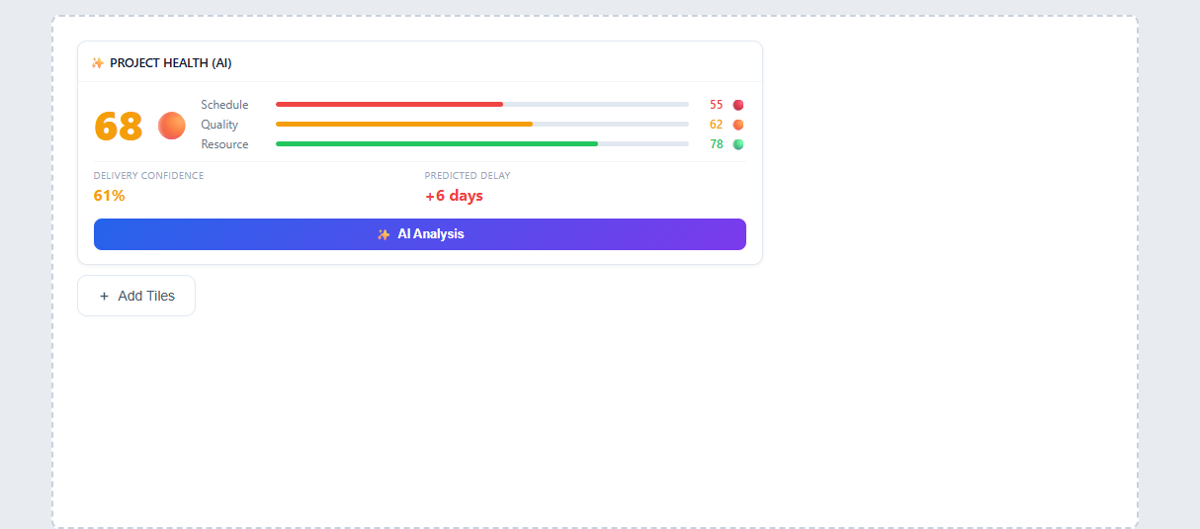

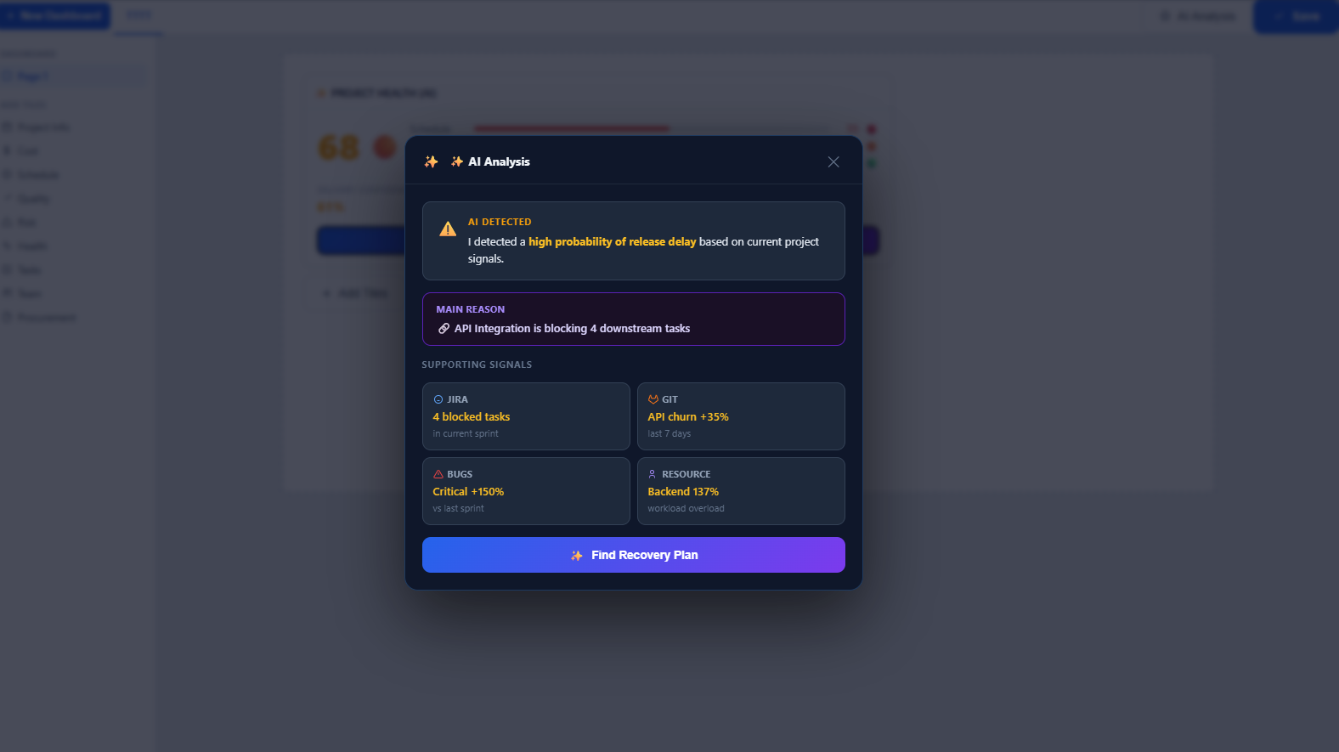

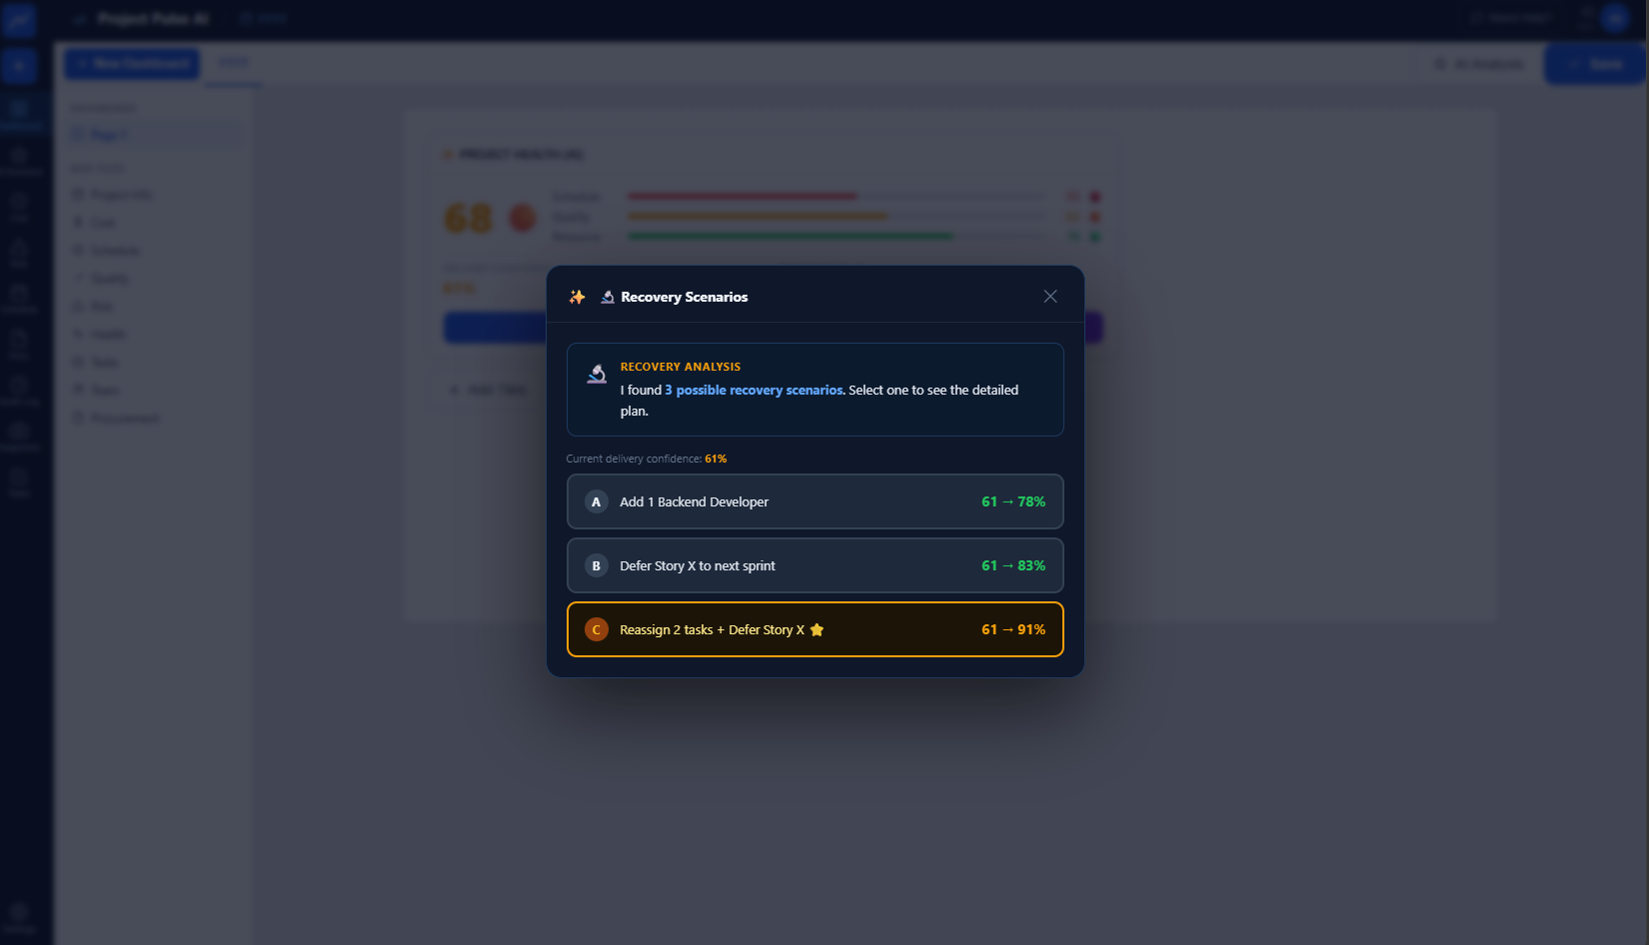

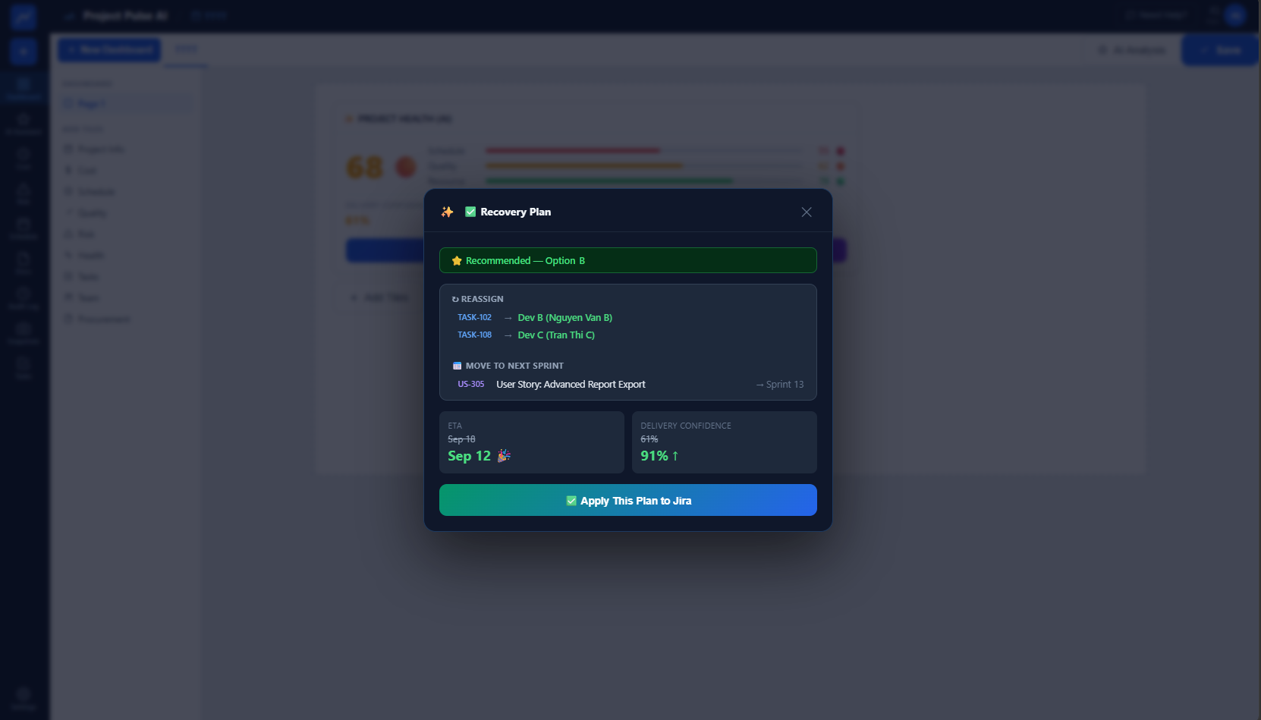

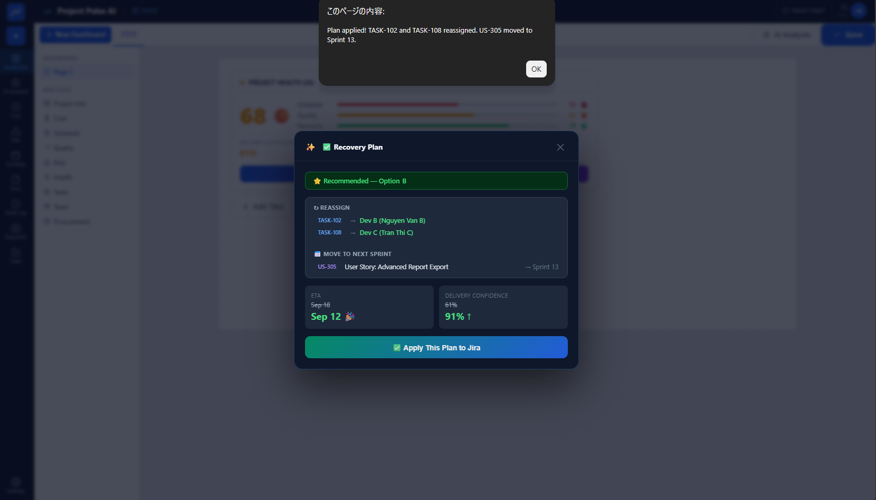

Risk List
Phase 1 chứng minh:
Detect → Explain → Impact → Recommend
Còn Phase 2 phải cho thấy:
Learn from history → Compare scenarios → Optimize across projects → Forecast
Risk List
 | Risk | Content
 | RISK-001 | View Risk Register
 | RISK-002 | Add Risk
 | RISK-005 | View Risk Detail
 | RISK-009 | Set Likelihood
 | RISK-010 | Set Impact
 | RISK-011 | Calculate Risk Rating
AI Risk Sample
Sample 1 – Delivery Risk
Input: Planned progress=80%, Actual progress=65%, Critical task delay=4 days, Next milestone in 6 days, Schedule buffer=2 days.
Rule Signal: actual_progress < planned_progress - 10% AND critical_delay >= 3d AND milestone_within <= 7d.
AI Output: Risk Title="Milestone Delay Risk"; Category="Delivery"; Likelihood="Likely"; Impact="Major"; Rating="High"; Evidence="Progress gap -15%, critical task +4d, milestone in 6d"; Root Cause="Critical task delay → downstream task compression → milestone buffer exhausted"; Impact="Milestone estimated +2~4d, release buffer 2d→0d"; Recommended Action="Escalate blocking task, parallelize downstream preparation, review scope/resource allocation".
Sample 2 – Quality Risk
Input: UT pass rate=62%, Target=85%, Critical defects=5, Reopen rate=14%, IT start in 5 days.
Rule Signal: test_pass_rate < 70% AND critical_defects >= 3 AND next_test_phase <= 7d.
AI Output: Risk Title="Integration Test Quality Readiness Risk"; Category="Quality"; Likelihood="Likely"; Impact="Major"; Rating="High"; Evidence="UT pass 62% vs target 85%, 5 critical defects, reopen 14%"; Root Cause="Low defect closure quality → repeated reopen → insufficient stabilization before IT"; Impact="IT start at risk, defect leakage probability increases, test cycle may extend"; Recommended Action="Freeze non-critical changes, prioritize critical defect closure, run focused regression, set daily defect burn-down review".
Sample 3 – Cost / Effort Risk
Input: Project progress=60%, Effort consumed=78%, Planned effort=2000h, Actual effort=1560h, Remaining estimated effort=700h.
Rule Signal: effort_consumed_pct - progress_pct >= 15% OR forecast_total_effort > planned_effort * 1.1.
AI Output: Risk Title="Effort Overrun Risk"; Category="Cost"; Likelihood="Likely"; Impact="Moderate/Major"; Rating="High"; Evidence="78% effort consumed while progress is 60%, forecast effort 2260h vs plan 2000h"; Root Cause="Low productivity / rework / underestimated complexity"; Impact="Estimated +260h overrun, margin erosion, possible resource extension"; Recommended Action="Analyze high-effort modules, stop low-priority work, re-estimate remaining scope, reduce rework and rebalance team".
Sample 4 – Q + D Combined Risk
Input: Development progress=75%, UT pass rate=58%, Critical defects=4, Milestone in 7 days.
Rule Signal: progress appears on-track BUT test_pass_rate < 65% AND critical_defects >= 3.
AI Output: Risk Title="Reported Progress Credibility Risk"; Category="Quality / Delivery"; Likelihood="Likely"; Impact="Major"; Rating="High"; Evidence="Dev progress 75% but UT pass only 58% and 4 critical defects remain"; Root Cause="Completion progress is ahead of actual quality readiness"; Impact="Current schedule may look healthy but IT milestone has hidden delay risk"; Recommended Action="Recalculate progress using quality gates, focus on defect closure, do not treat coding completion as delivery readiness".
Sample 5 – Cost + Delivery Risk
Input: Resource utilization=120%, Overtime trend +25%, Progress gap=-12%, Remaining duration=3 weeks.
Rule Signal: resource_utilization > 110% AND progress_gap < -10%.
AI Output: Risk Title="Resource Burnout and Delivery Risk"; Category="Cost / Delivery"; Likelihood="Likely"; Impact="Major"; Rating="High"; Evidence="120% utilization, overtime +25%, progress still 12% behind"; Root Cause="Additional effort is not converting into equivalent delivery progress"; Impact="Higher labor cost, burnout risk, continued schedule slippage"; Recommended Action="Identify bottleneck, reduce multitasking, reallocate skilled resource, review scope or milestone commitment".
Sample 6 – QCD Overall Risk
Input: Quality score=62, Cost score=68, Delivery score=55, Release in 10 days.
Rule Signal: at least 2 QCD dimensions < 70 AND one dimension < 60.
AI Output: Risk Title="Overall Delivery Health Risk"; Category="QCD"; Likelihood="Almost Certain/Likely"; Impact="Major"; Rating="Critical"; Evidence="Quality 62, Cost 68, Delivery 55"; Root Cause="Schedule slippage + high defect backlog + effort over-consumption"; Impact="Release date and delivery margin both at risk"; Recommended Action="Create recovery plan covering defect closure, critical path recovery and effort control; management escalation required".
 | RISK-012 | View Risk Matrix
 | RISK-015 | View Top Risks
 | RISK-022 | Filter Risks
 | RISK-028 | Register Mitigation Action
 | RISK-033 | Set Pre-Mitigation Rating
 | RISK-034 | Set Post-Mitigation Rating
 | RISK-035 | Compare Before / After Mitigation
 | RISK-037 | Set Schedule Impact
 | RISK-041 | Set Release Impact
 | AI-RISK-001 | AI Detect Risk
 | AI-RISK-002 | AI Risk Confidence
 | AI-RISK-003 | AI Risk Evidence
 | AI-RISK-004 | AI Root Cause Analysis
 | AI-RISK-005 | AI Impact Analysis
 | AI-RISK-006 | AI Recommended Mitigation
 | AI-RISK-007 | Accept AI Recommendation
 | AI-RISK-010 | Convert AI Risk to Risk Register
 | AI-RISK-011 | AI Risk Prioritization

 | RISK-017 | View Risk Trend
 | RISK-019 | View Risk Exposure
 | RISK-021 | View Closed Risks
 | RISK-024 | Configure Risk Columns
 | RISK-025 | Expand / Collapse Risk Groups
 | RISK-026 | Export Risk List
 | RISK-027 | Download Risk Excel
 | RISK-036 | View Mitigation Effectiveness
 | RISK-044 | Mitigation Progress Tracking
 | RISK-045 | Mitigation Overdue Alert
 | RISK-046 | Mitigation Outcome Evaluation
 | RISK-047 | Recommended Mitigation Revision
 | AI-RISK-012 | AI Cross-Project Risk Detection
 | AI-RISK-013 | AI Resource Conflict Detection
 | AI-RISK-014 | AI Similar Risk Cases
 | AI-RISK-015 | AI Lessons Learned Recommendation
 | AI-RISK-016 | AI What-if Risk Simulation
 | AI-RISK-017 | AI Risk Forecast
 | AI-RISK-018 | AI Risk Trend Analysis
 | AI-RISK-019 | AI Risk Correlation
 | AI-RISK-020 | AI Risk Clustering
 | AI-RISK-021 | AI Systemic Risk Detection
 | MEM-001 | Search Historical Risk Cases
 | MEM-002 | View Similar Case Detail
 | MEM-003 | Similarity Score
 | MEM-004 | View Historical Mitigation
 | MEM-005 | View Historical Outcome
 | MEM-006 | Recommend Historical Mitigation
 | MEM-007 | Lessons Learned Search
 | MEM-008 | Apply Lesson to Current Risk
 | MEM-009 | Knowledge Source Trace
 | MEM-010 | Register New Lesson Learned
 | SIM-001 | Create What-if Scenario
 | SIM-002 | Simulate Schedule Delay
 | SIM-003 | Simulate Resource Change
 | SIM-004 | Simulate Scope Change
 | SIM-005 | Simulate QA Delay
 | SIM-006 | Simulate Defect Increase
 | SIM-007 | Compare Scenarios
 | SIM-008 | Recommend Best Scenario
 | SIM-009 | Show Scenario Assumptions
 | SIM-010 | Apply Scenario as Action Plan
 | XPR-001 | View Cross-Project Risk Map
 | XPR-002 | Detect Shared Resource Risk
 | XPR-003 | Detect Shared Environment Risk
 | XPR-004 | Detect Shared Vendor Risk
 | XPR-005 | Detect Milestone Collision
 | XPR-006 | Cross-Project Risk Prioritization
 | XPR-007 | Recommend Resource Reallocation
 | XPR-008 | View Program Risk Heatmap
 | XPR-009 | View Program Risk Trend
 | XPR-010 | AI Program Risk Brief
 | PRED-001 | Milestone Delay Forecast
 | PRED-002 | Release Risk Forecast
 | PRED-003 | Quality Risk Forecast
 | PRED-004 | Resource Shortage Forecast
 | PRED-005 | Risk Escalation Forecast
 | PRED-006 | Show Forecast Drivers
 | PRED-007 | Show Forecast Confidence
 | EXEC-RISK-001 | AI Executive Risk Brief
 | EXEC-RISK-002 | Top Management Risks
 | EXEC-RISK-003 | Delivery Exposure
 | EXEC-RISK-004 | Customer Exposure
 | EXEC-RISK-005 | Financial Exposure
 | EXEC-RISK-006 | AI Executive Recommended Actions

Đánh giá mức độ cần thiết Risk
 | Risk | Phase
 | View Risk Register | P1
 | Add Risk | P1
 | View Risk Detail | P1
 | Set Likelihood | P1
 | Set Impact | P1
 | Calculate Risk Rating | P1
 | View Risk Matrix | P1
 | View Top Risks | P1
 | Filter Risks | P1
 | Register Mitigation Action | P1
 | Set Pre-Mitigation Rating | P1
 | Set Post-Mitigation Rating | P1
 | Compare Before / After Mitigation | P1
 | Set Schedule Impact | P1
 | Set Release Impact | P1
 | AI Detect Risk | P1
 | AI Risk Confidence | P1
 | AI Risk Evidence | P1
 | AI Root Cause Analysis | P1
 | AI Impact Analysis | P1
 | AI Recommended Mitigation | P1
 | Accept AI Recommendation | P1
 | Convert AI Risk to Risk Register | P1
 | AI Risk Prioritization | P1

 | View Risk Trend | P2
 | View Risk Exposure | P2
 | View Closed Risks | P2
 | Configure Risk Columns | P2
 | Expand / Collapse Risk Groups | P2
 | Export Risk List | P2
 | Download Risk Excel | P2
 | View Mitigation Effectiveness | P2
 | Mitigation Progress Tracking | P2
 | Mitigation Overdue Alert | P2
 | Mitigation Outcome Evaluation | P2
 | Recommended Mitigation Revision | P2
 | AI Cross-Project Risk Detection | P2
 | AI Resource Conflict Detection | P2
 | AI Similar Risk Cases | P2
 | AI Lessons Learned Recommendation | P2
 | AI What-if Risk Simulation | P2
 | AI Risk Forecast | P2
 | AI Risk Trend Analysis | P2
 | AI Risk Correlation | P2
 | AI Risk Clustering | P2
 | AI Systemic Risk Detection | P2
 | Search Historical Risk Cases | P2
 | View Similar Case Detail | P2
 | Similarity Score | P2
 | View Historical Mitigation | P2
 | View Historical Outcome | P2
 | Recommend Historical Mitigation | P2
 | Lessons Learned Search | P2
 | Apply Lesson to Current Risk | P2
 | Knowledge Source Trace | P2
 | Register New Lesson Learned | P2
 | Create What-if Scenario | P2
 | Simulate Schedule Delay | P2
 | Simulate Resource Change | P2
 | Simulate Scope Change | P2
 | Simulate QA Delay | P2
 | Simulate Defect Increase | P2
 | Compare Scenarios | P2
 | Recommend Best Scenario | P2
 | Show Scenario Assumptions | P2
 | Apply Scenario as Action Plan | P2
 | View Cross-Project Risk Map | P2
 | Detect Shared Resource Risk | P2
 | Detect Shared Environment Risk | P2
 | Detect Shared Vendor Risk | P2
 | Detect Milestone Collision | P2
 | Cross-Project Risk Prioritization | P2
 | Recommend Resource Reallocation | P2
 | View Program Risk Heatmap | P2
 | View Program Risk Trend | P2
 | AI Program Risk Brief | P2
 | Milestone Delay Forecast | P2
 | Release Risk Forecast | P2
 | Quality Risk Forecast | P2
 | Resource Shortage Forecast | P2
 | Risk Escalation Forecast | P2
 | Show Forecast Drivers | P2
 | Show Forecast Confidence | P2
 | AI Executive Risk Brief | P2
 | Top Management Risks | P2
 | Delivery Exposure | P2
 | Customer Exposure | P2
 | Financial Exposure | P2
 | AI Executive Recommended Actions | P2

