Sheet1
 | 5

 | 5

 | 5

 | 5

 | 5

 | 5

 | 5

 | 5

 | 6

 | 3

 | 5
 | 5
 | 5

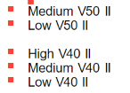
 | 5
 | 5
 | 5

 | 5
 | 5
 | 5
45 models
 | 94 | models

