Index
Stage - II Audit Report
Auditor Name |  | Uma bharathi.k
Application Name |  | UPAG
URL |  | https://stg.upag.gov.in/
Assessment Date |  | 17-10-2023 to 18-10-2023

APPLICATION INFORMATION

 | S. No. | Information | Details
 | 1 | OS | Ubantu
 | 2 | IP Address | 34.93.80.98
 | 3 | Language | unknown
 | 4 | Server | Nginix 1.18.0
 | 5 | Port | 443

SUMMARY OF VULNERABILITY

 | S. No. | Risk Level | Count
 | 1 | HIGH | 0
 | 2 | MEDIUM | 2
 | 3 | LOW | 0
 | 4 | INFO | 1
 | Total |  | 3

Vulnerability Count

Evidence
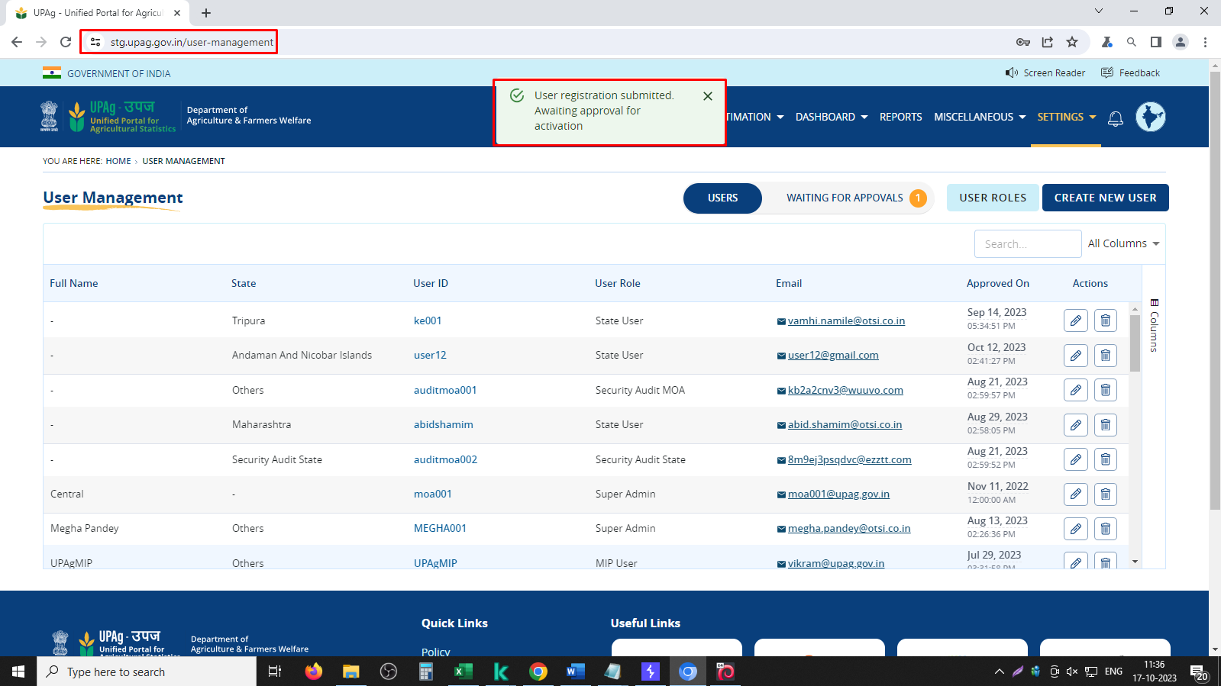
Missing Session Expiration
Step-1: Accessed the application and Logged in with Admin credentials, observed the logged-in time.
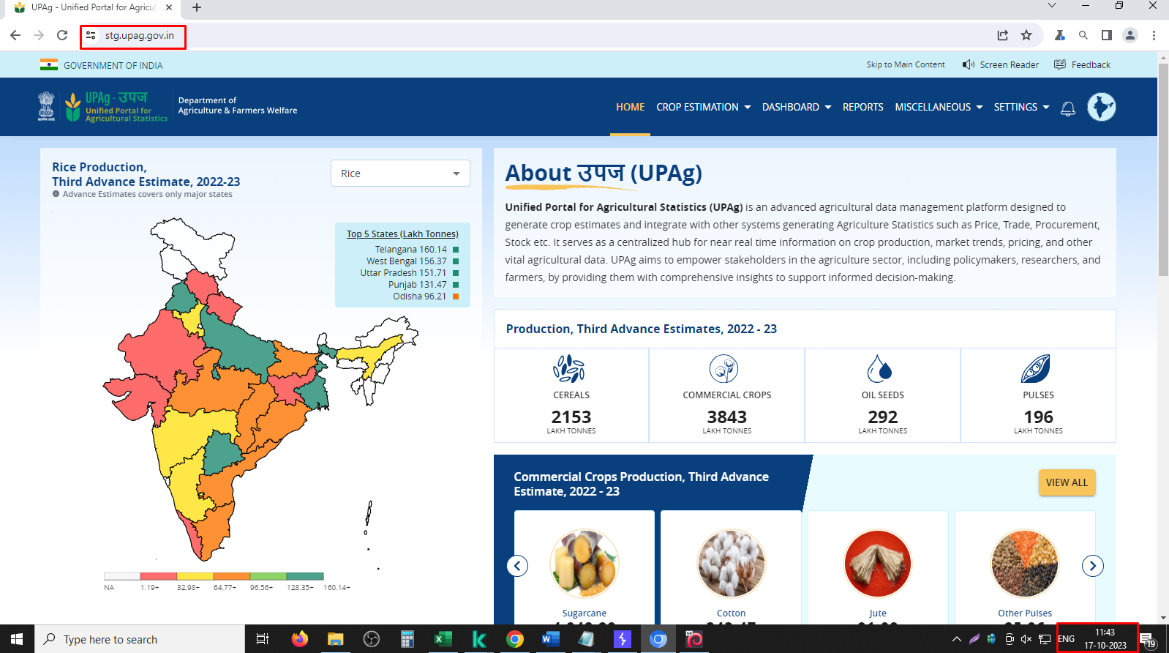

Step 2: It was observed that the session did not get expired even after 1 hours of inactivity

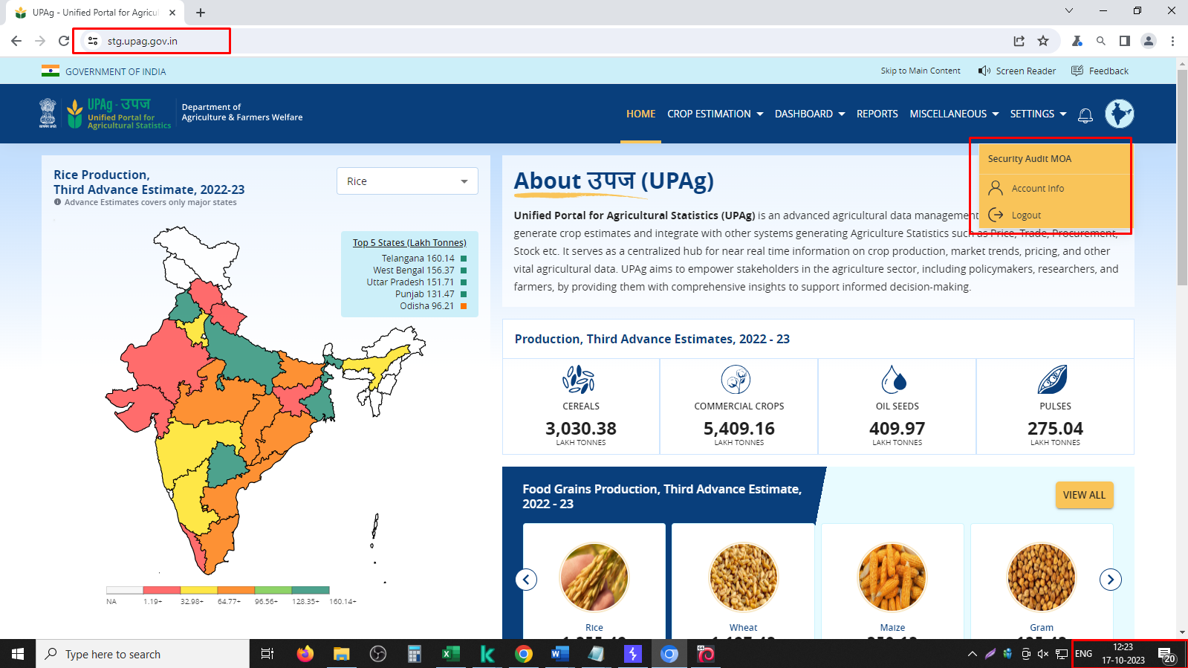

Improper Input Validation
Step 1: accessed the url by using admin credentials and created new user as shown below.

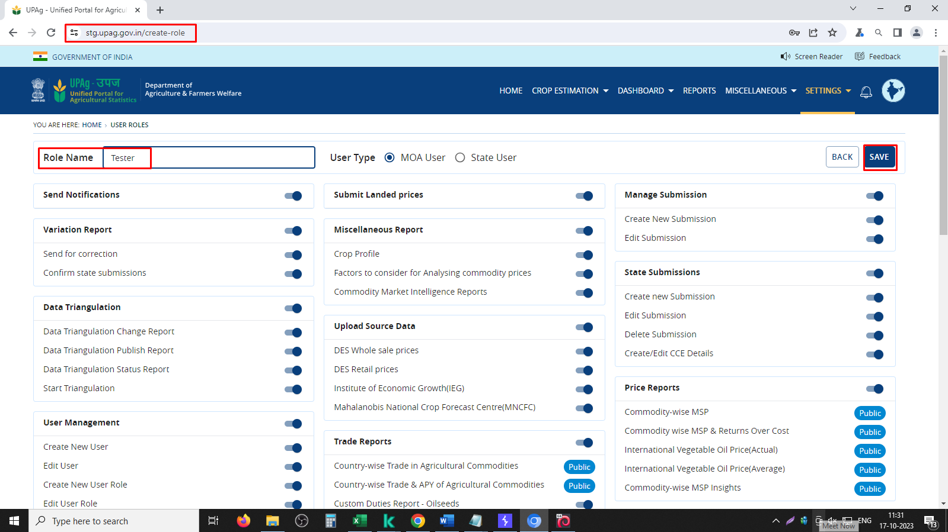

Step 2: New user has been added successfully without validating the input as shown below.

Step 2: Intercepted the request and changed role name as shown below.

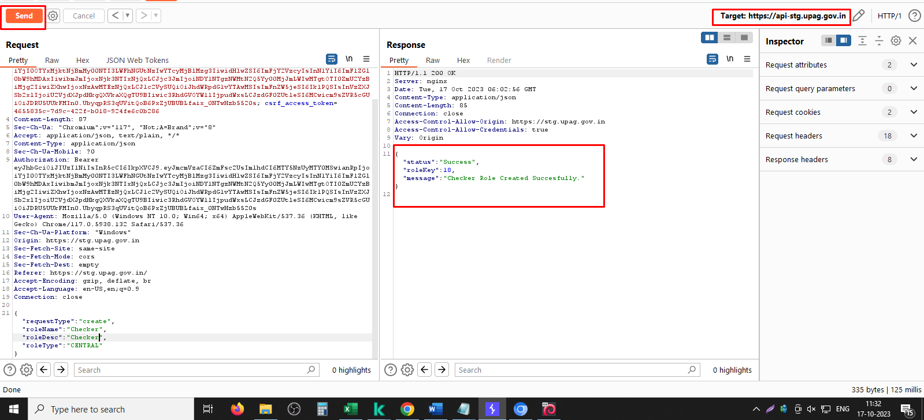

Step 3: Inplace of role name and role desc added xss tags and set request.

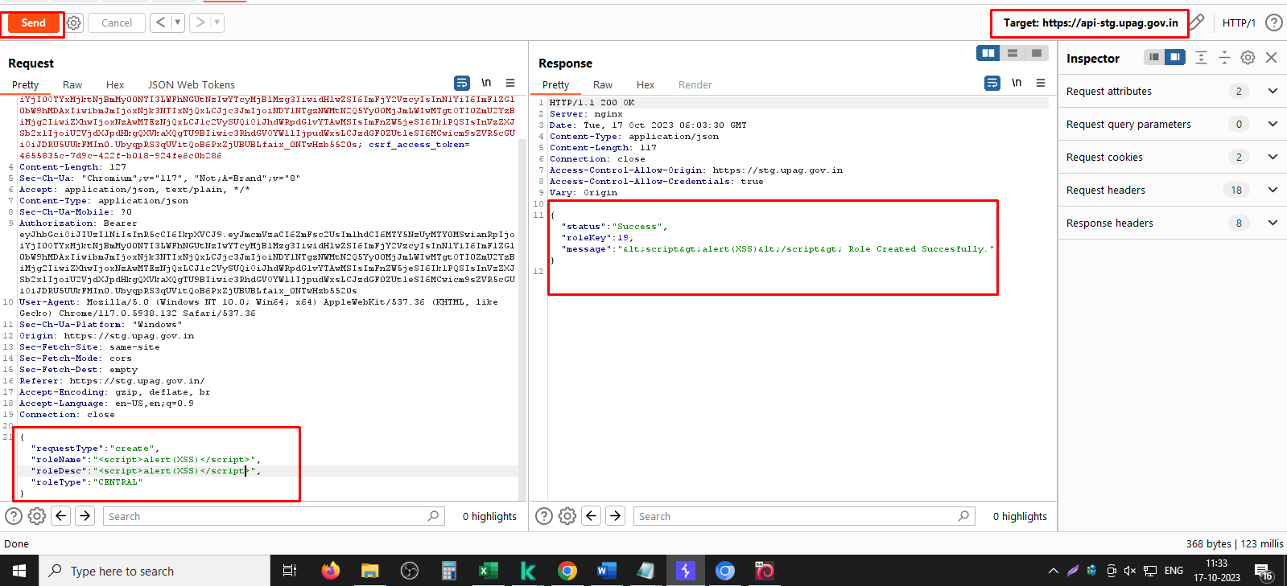

Step 4: Without validating the input fileds new user role has been successfully created and displayed as shown below.

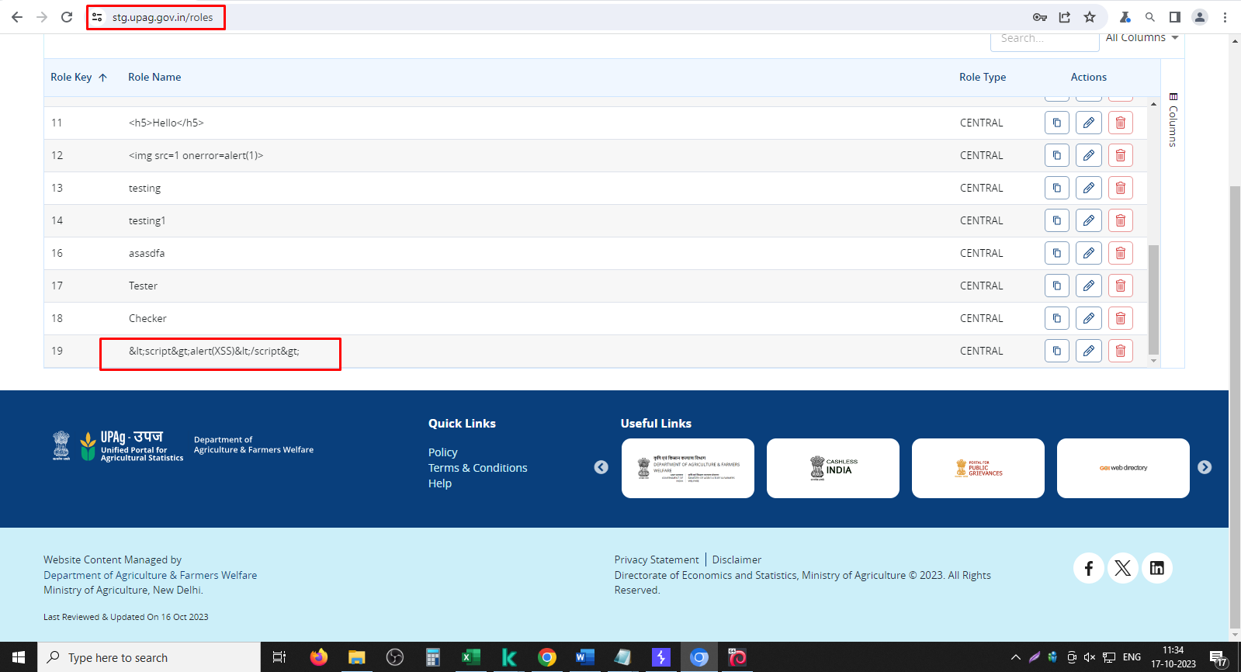

Step 5: New user canbe created by using xss tag as shown below.

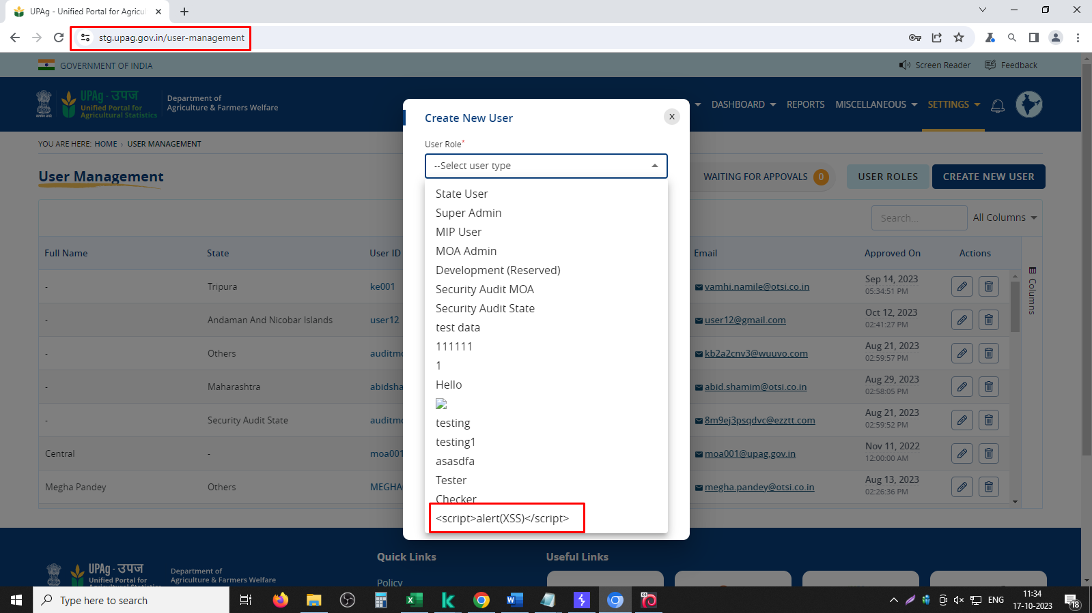

Step 6: Without validating input new user has been created successfully.

