Defect Report
Defect_ID | Defect Description | Steps to Reproduce | Priority | Severity | Status | Created By | Assigned To | Screenshots Attached
1 | Invalid Request error displayed after entering right credentials. (The user should be successfully authenticated and redirected to the account/dashboard page) | 1. Open Common floor website in browser | High | Critical | NEW | Indroji Sai Sushank | Raghavendra BN
 |  | 2. Click on Log In to your Account
 |  | 3. Enter valid registered email ID/Phone no and password
 |  | 4. Click on the “I’m not a robot” reCAPTCHA checkbox.
 |  | 5. Click on Log In button
 |  | 6. Observe that “Invalid Request” message is displayed instead of account page
2 | Property images fail to load on the Property Listing page (Some property images do not load and are displayed as blank areas, broken images, or placeholders) | 1. Open the Commonfloor website. | Medium | Major | NEW | Indroji Sai Sushank | Raghavendra BN
 |  | 2. Search for properties in Hyderabad.
 |  | 3. Scroll through the property listing results.
 |  | 4. Observe the property thumbnail images.
 |  | 5. Note broken/placeholder images for several listings.
3 | A generic error message ("Some error occurred while posting your ad. Please try after sometime") is displayed at the bottom of the screen when attempting to post an ad, preventing successful submission. | 1. Log in with a valid account | High | Critical | NEW | Indroji Sai Sushank | Raghavendra BN
 |  | 2. Navigate to the property posting page and fill in the required property details and contact information
 |  | 3. Click on the Post Ad Now button
 |  | 4. Observe the error message displayed at the bottom left
 |  | 5. "Some error occurred while posting your ad. Please try after sometime"
4 | Malformed/duplicated URL path is generated or exposed for Hyderabad property pages. | 1. Log in with a valid account | Medium | Major | NEW | Indroji Sai Sushank | Raghavendra BN
 |  | 2. Search for Hyderabad property CommonFloor
 |  | 3. Open or inspect search results related to Hyderabad properties
 |  | 4. Observe some result URLs and titles
 |  | 5. Notice that certain URLs contain duplicated/malformed text
5 | Property-result count differs between the page heading and the actual number of displayed property cards. | 1. Open the Hyderabad properties page | Medium | Major | NEW | Indroji Sai Sushank | Raghavendra BN | 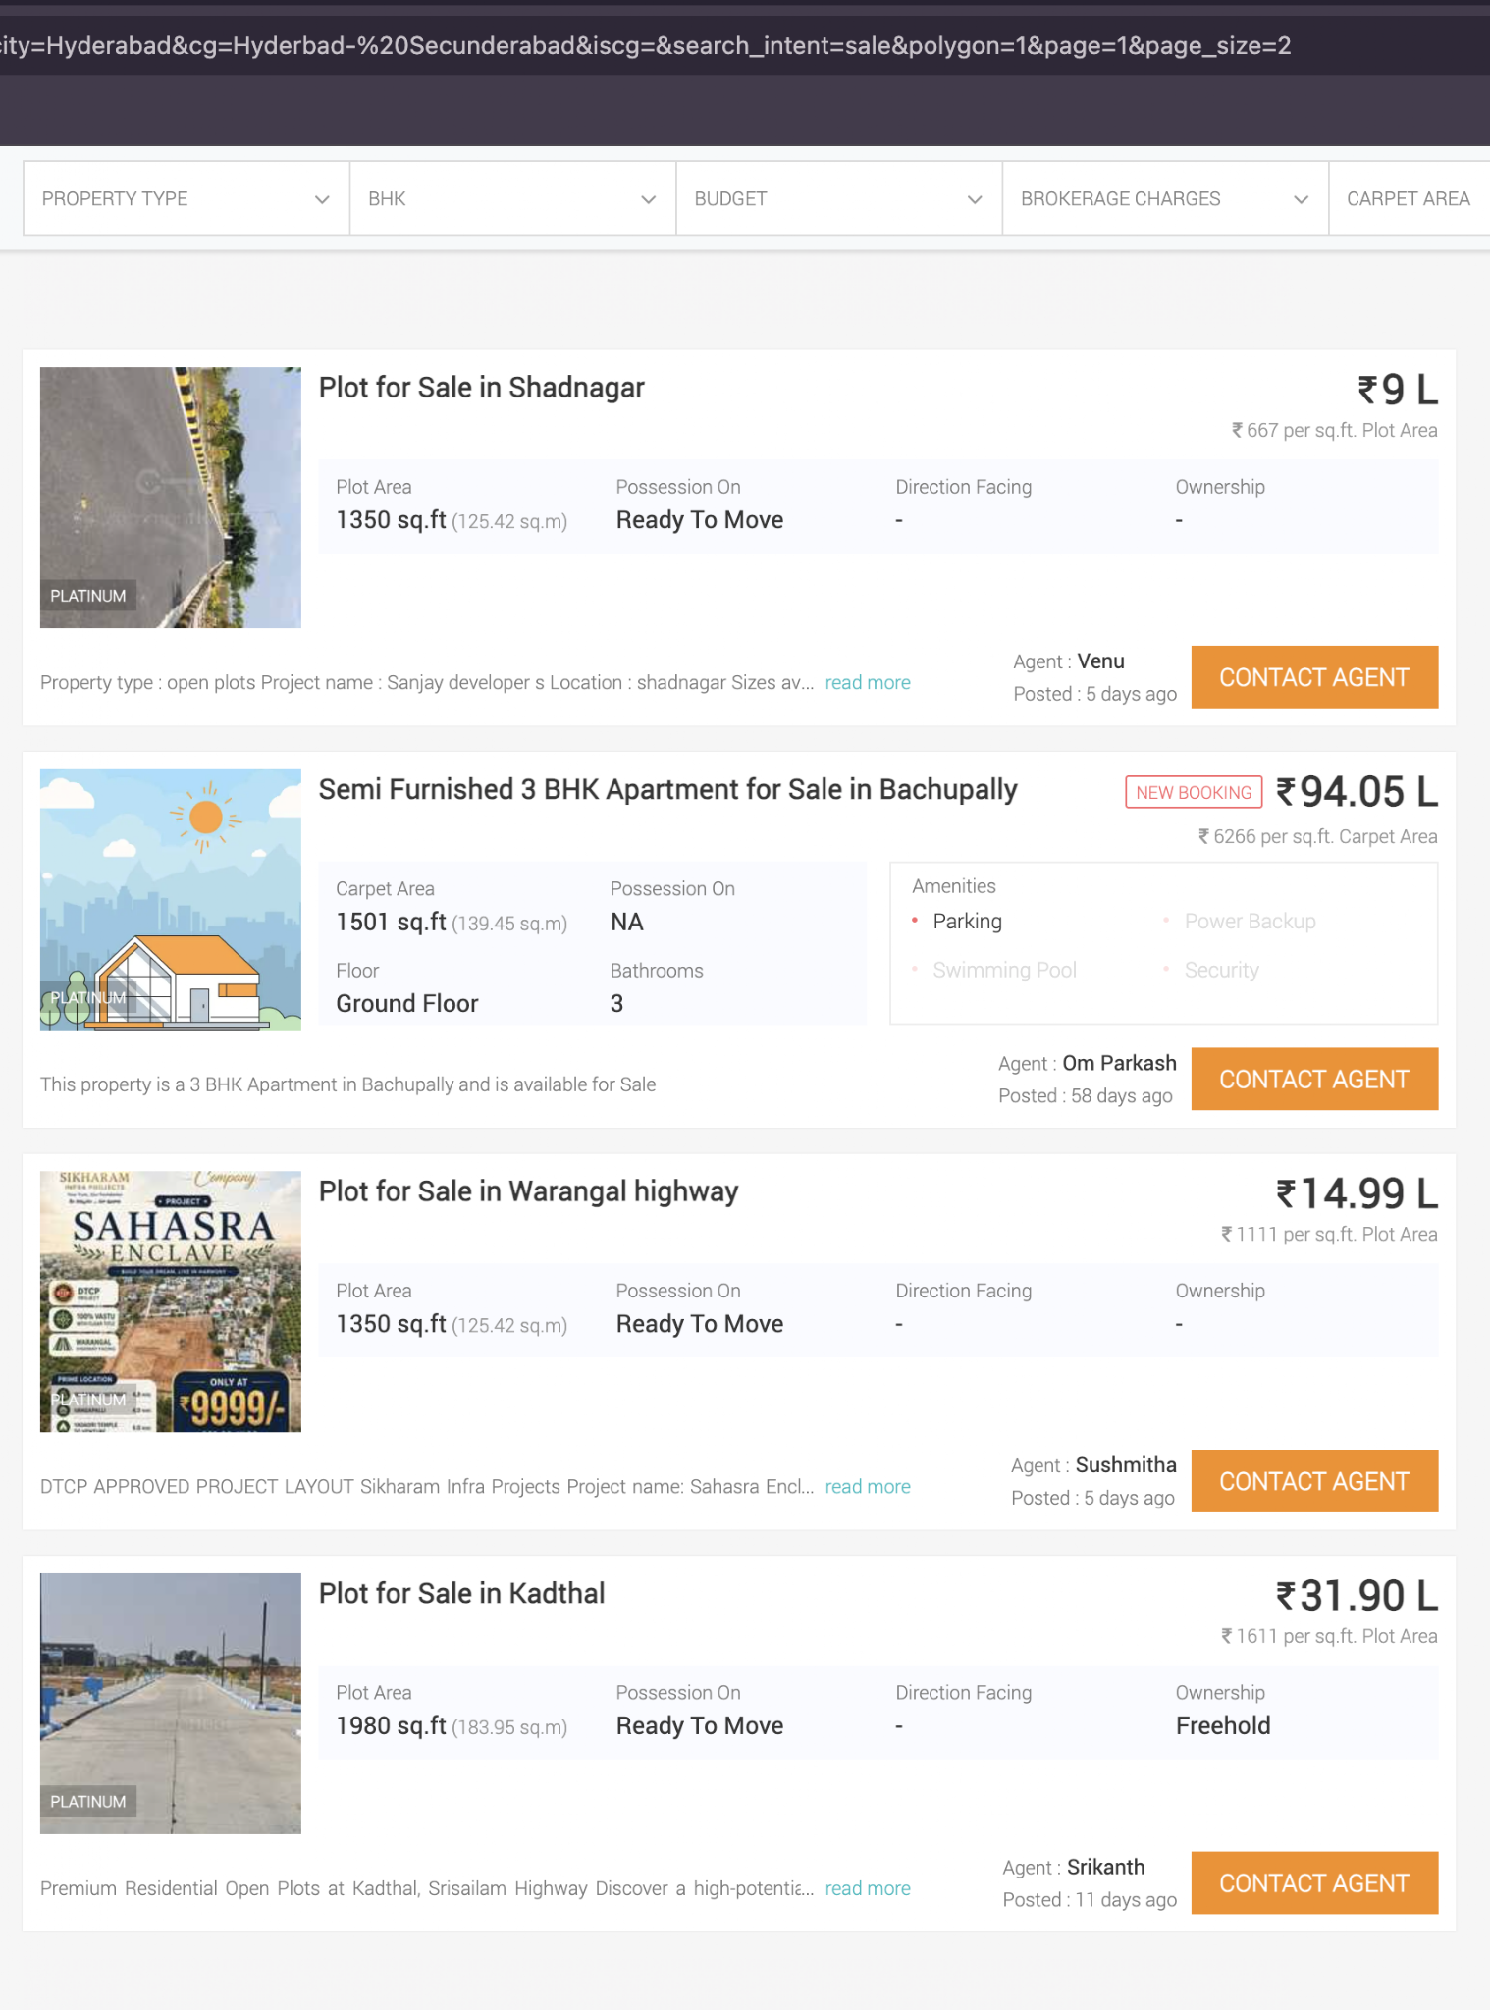
 |  | 2. Note the total count displayed in the page heading
 |  | 3. Apply a filter such as For Sale, Apartment, or 3 BHK
 |  | 4. Note the new result count displayed.Scroll through the results or use pagination
 |  | 5. Compare the number of accessible property cards/pages with the displayed count
6 | Property results from a different city appear after searching or filtering for Hyderabad. | 1. Open CommonFloor | High | Major | NEW | Indroji Sai Sushank | Raghavendra BN
 |  | 2. Select Hyderabad as the location
 |  | 3. Search for properties for sale or rent
 |  | 4. Apply filters such as apartment, budget, locality, or BHK
 |  | 5. Inspect each displayed property card and detail page. Check the property location/address

