MMHostels
Step 1 | Create a TestNG/Cucumber Framework maintaining below structure
 |  | Sushil | TestNG
 |  |  | Cucumber

Step 2 | The Framework Should Have Below Features -

 | 1. All locators should be present following POM 2. Use Action Class. 3 Read URL using properties file. 4. All Test data should be driven from FF - Table 5. If testNG then data should be driven as Parameterized from testng.xml 6. All test should run using Maven command. 7. Push the code into GIT 8. Set up the code in Jenkins through GIT.

Step 3

 | 2. Validate Logo. 3. Read the mobile , email from application then compare with properties file. 4. Hover on PG Location , then click on Manmandir Boys Hostel - Navrangpura 5. Validate URL contains string , 'manmandir-boys-and-girls-hostel'. 6. Validate PG Locations option is now highlighted.
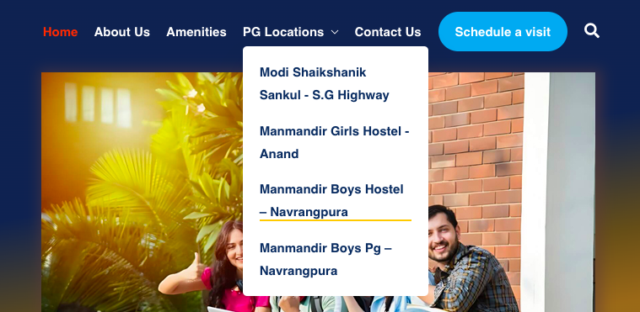

 | 7. Fill Schedule a Visit form , but don't submit it as it is Production Environment.

 | 8. Validate all Amenities name as reference with XML/FF file.

 | 9. Click on Logo , user should be navigated to Home Page. 10. At right top of home screen click on Instagram link , it will open in new TAB , validate Instagram logo , then close the TAB. Switch back to Manmandir Parent tab.

 | 11. Click on 'Visit a Schedule' button , a pop up with form detail will come. Validate the form header then close it.

