fair_name
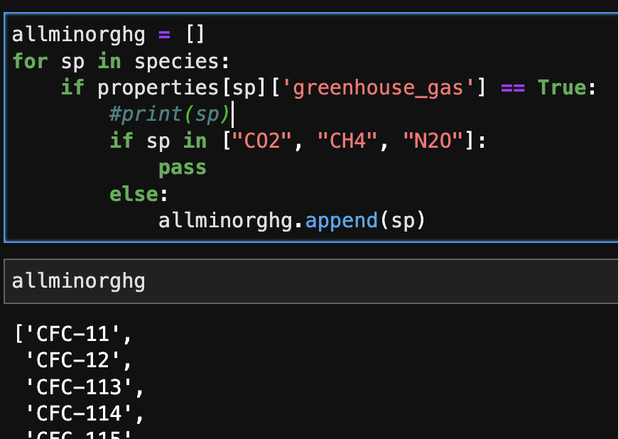
'CFC-11', | these 41 minorGHG get from FaIR by, did I miss anything?
'CFC-12',
'CFC-113',
'CFC-114',
'CFC-115',
'HCFC-22',
'HCFC-141b',
'HCFC-142b',
'CCl4',
'CHCl3',
'CH2Cl2',
'CH3Cl',
'CH3CCl3',
'CH3Br',
'Halon-1202',
'Halon-1211',
'Halon-1301',
'Halon-2402',
'CF4',
'C2F6',
'C3F8',
'c-C4F8',
'C4F10',
'C5F12',
'C6F14',
'C7F16',
'C8F18',
'NF3',
'SF6',
'SO2F2',
'HFC-125',
'HFC-134a',
'HFC-143a',
'HFC-152a',
'HFC-227ea',
'HFC-23',
'HFC-236fa',
'HFC-245fa',
'HFC-32',
'HFC-365mfc',
'HFC-4310mee'

