Key
SR | Susan Reed | susan22.reed@gmail.com | 219-577-6901
AJ | Alex Jahn | alexjahn@iu.edu | 954-998-8233 | chol | 100 is lowest read, and if it has 100 in cell, it is really <100
KJ | Katherine Johnson | kaajohn@iu.edu | 612-406-7960 |  | 400 is highest read, and if it has 400, it is really >400
SA | Saty Arya | sarya@iu.edu | 219-276-0859
SD | Samantha Diedrich | sam.s.diedrich@gmail.com | 756-660-3585 | HDL_chol | 20 is lowest read, and if it has 20 in cell, it is really <20
EL | Emily Levy | el37@iu.edu |  |  | 120 is highest read, and if it has 120, it is really >120
important note
dead |  |  |  | trig | 50 is lowest read, and if it has 50 in cell, it is really <50
look at pics for age |  | changed value bc kit sensitivity is 14 pg/mL, |  |  | 500 is highest read, and if it has 500, it is really >500
info from previous capture |  | and these had initial raw values below 14
suspicious
repeated bird |  |  |  | "Time" column is anchored by Egg 1
Susan's Alaska season starts |  |  |  | IN | 2024-04-09
. = nothing for band…excel doesn't like dashes |  |  |  | AK | 2024-05-12
new tag
Susan's IN field season starts
use in analysis
BP | 0-4
fat | 0-5
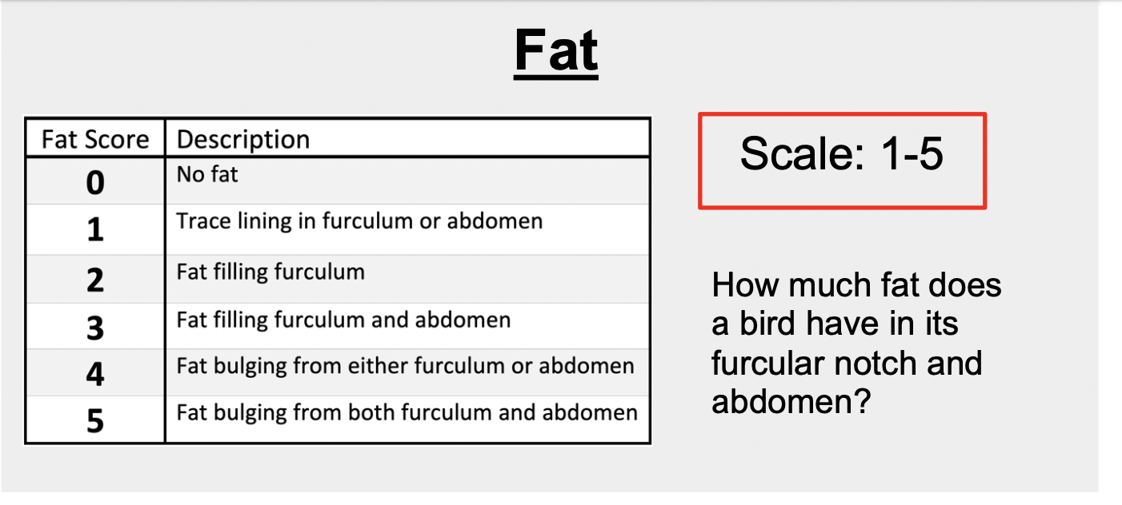
body condition | 0-3 +/-
juv plum | 0-3
ketones | mmol/L

body cond | cond_code
0 | 0
1 | 1
2- | 2
2 | 3
2+ | 4
3 | 5

Age | Age_Code
AHY | 0
SY | 1
ASY | 2

SR | Susan Reed
SD | Samantha Diedrich
DS | Devraj Singh
AG | Allisyn Gillette
AT | Ariel Tysver
LP | Lisa Pajot

