Instructions
INSTRUCTIONS
1. Press the CLEAR button to clear all content from each sheet to ensure there are no spaces in cells (spaces mess up the code)
2. Paste the doc numbers into the INPUT worksheets from TICMS Requisitions, Slides Requisitions, TICMS Outbounds, and SLIDES Outbounds in their respective Sheets
3. Press the EXECUTE button to the right
4. View statistics for the weekly slides in the Output Sheet
5. To reset the A columns, press the reset button below
Press the CLEAR button below to ensure doc number entry cells (column A in each sheet) have no content (including spaces!) before inputting new doc numbers. Pressing CLEAR will also clear the OUTPUT slide

INPUT_TICMS_Requisitions
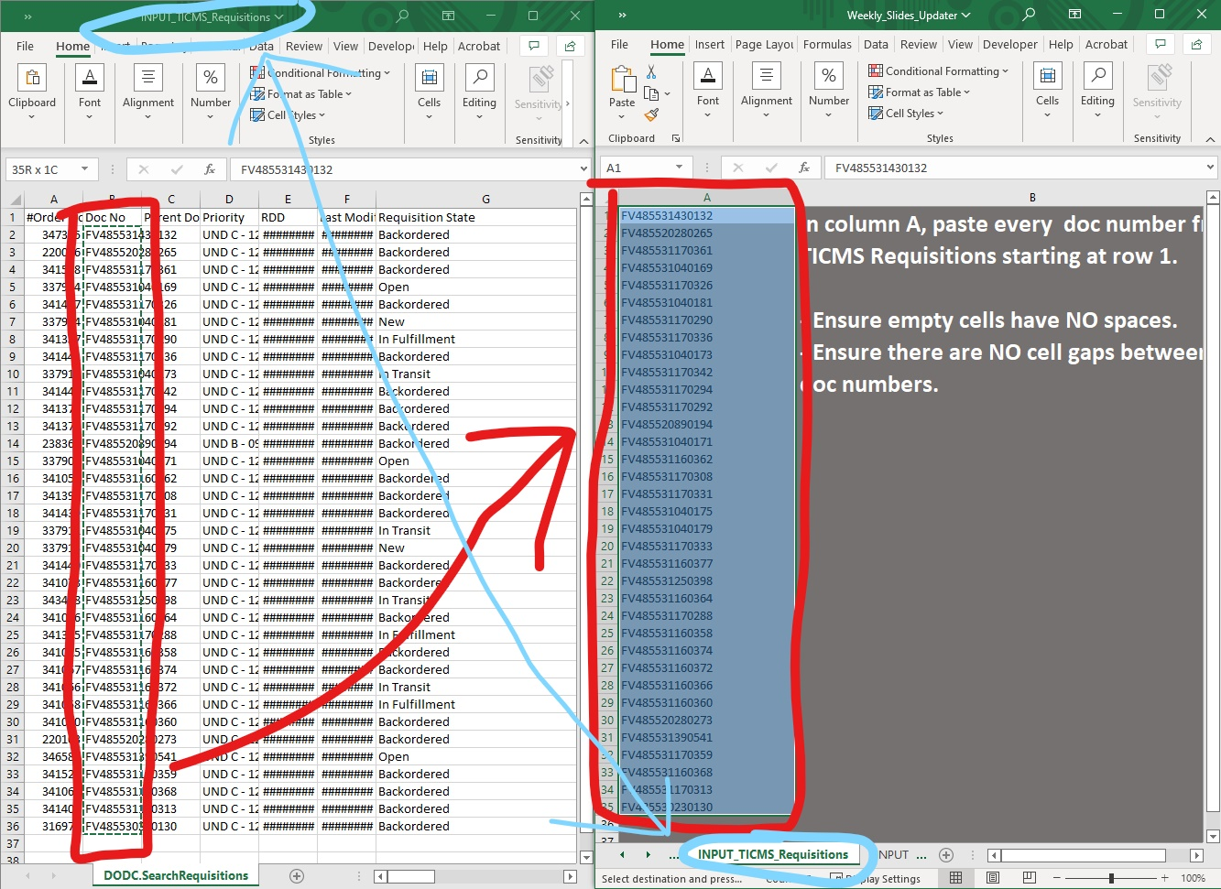 In column A, paste every doc number from TICMS Requisitions starting at row 1. - Ensure empty cells have NO spaces. - Ensure there are NO cell gaps between two doc numbers.

INPUT_SLIDES_Requisitions
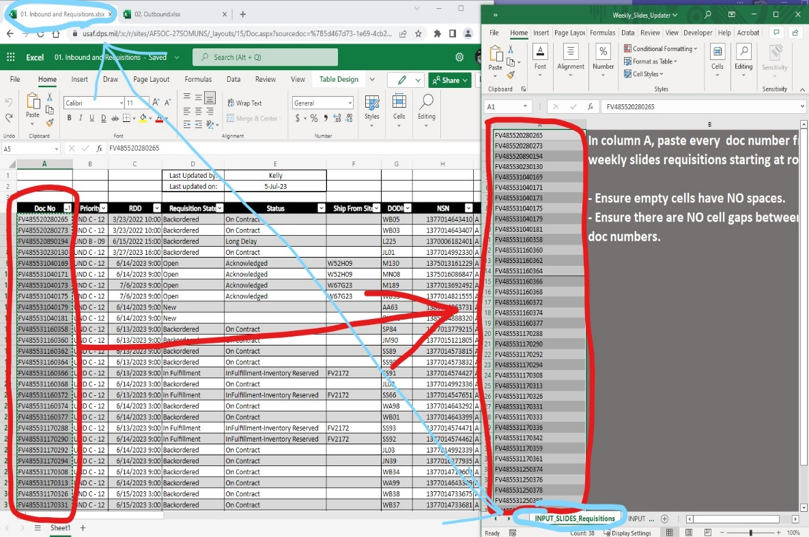 In column A, paste every doc number from weekly slides requisitions starting at row 1. - Ensure empty cells have NO spaces. - Ensure there are NO cell gaps between two doc numbers.

INPUT_TICMS_Outbounds
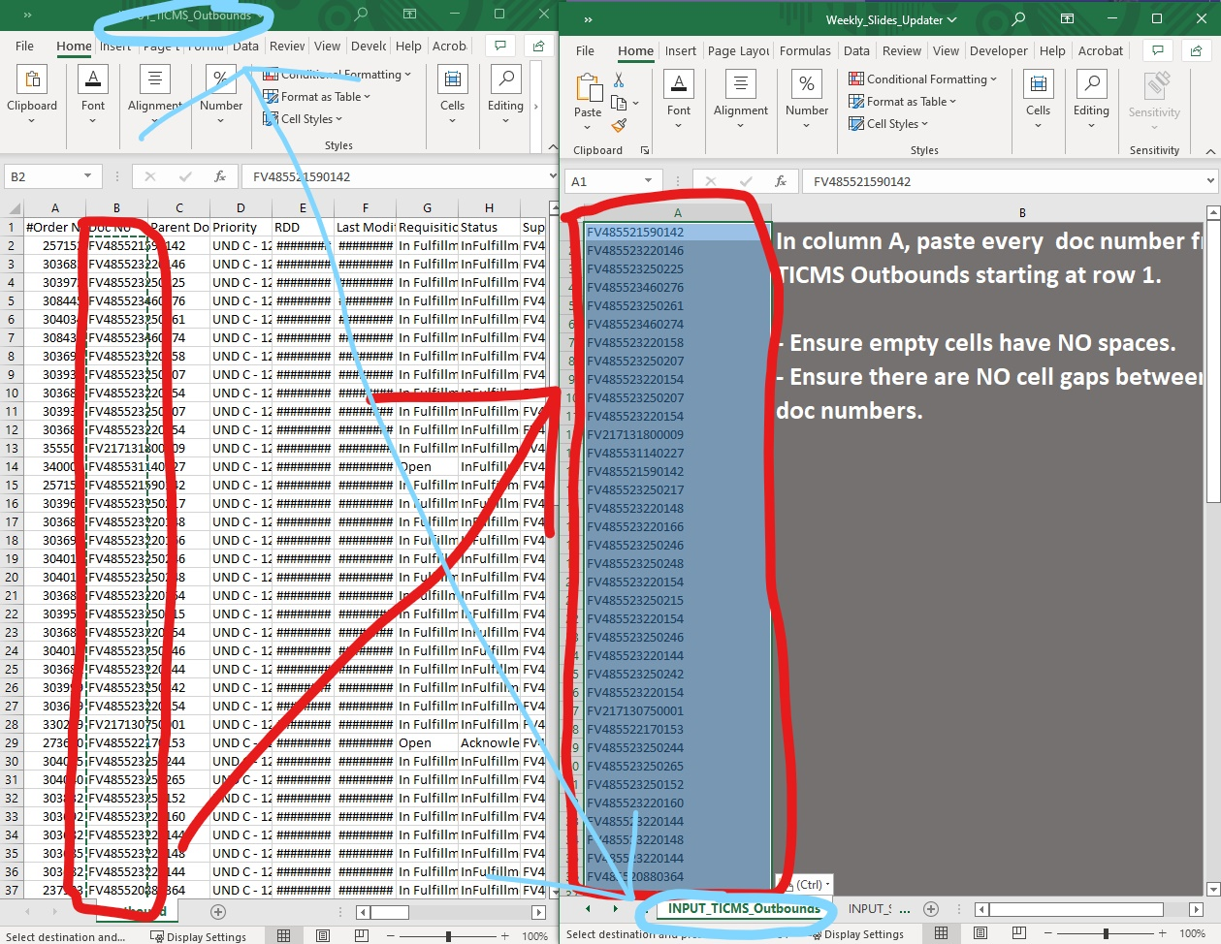 In column A, paste every doc number from TICMS Outbounds starting at row 1. - Ensure empty cells have NO spaces. - Ensure there are NO cell gaps between two doc numbers.

INPUT_SLIDES_Outbounds
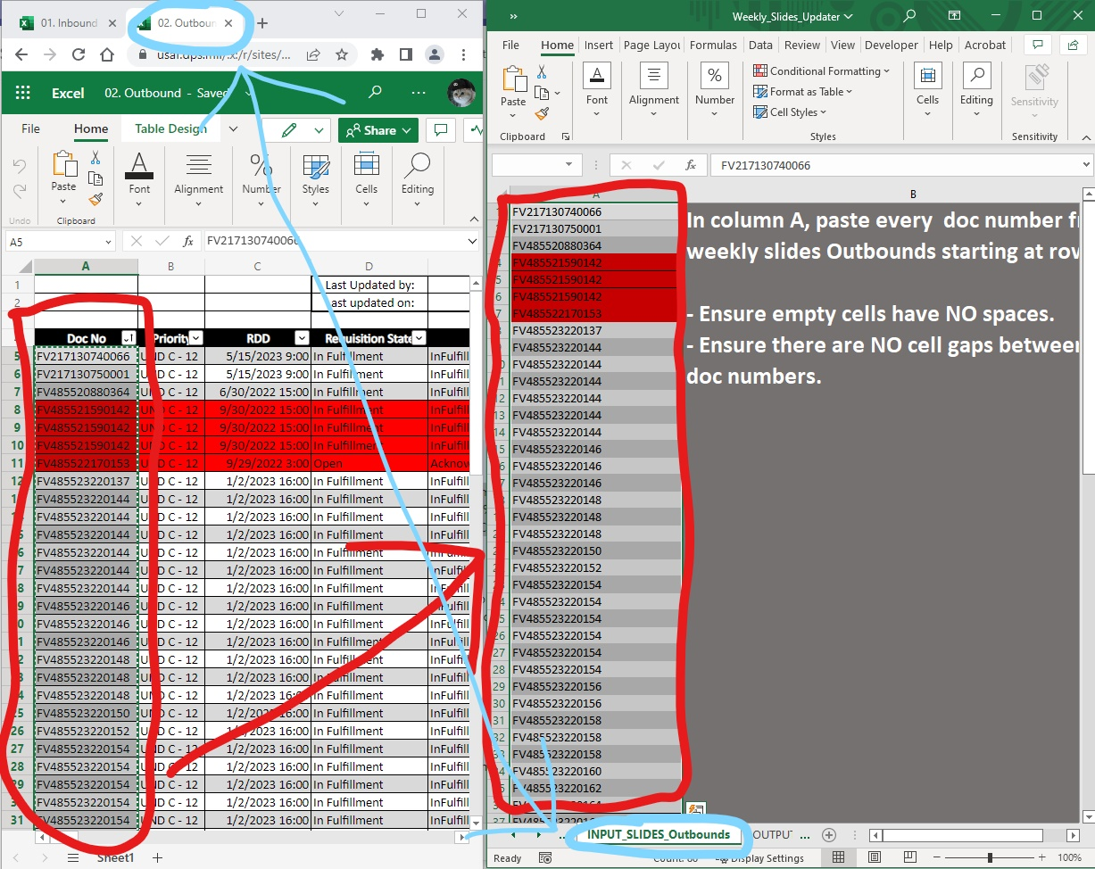 In column A, paste every doc number from weekly slides Outbounds starting at row 1. - Ensure empty cells have NO spaces. - Ensure there are NO cell gaps between two doc numbers.

