Sheet1
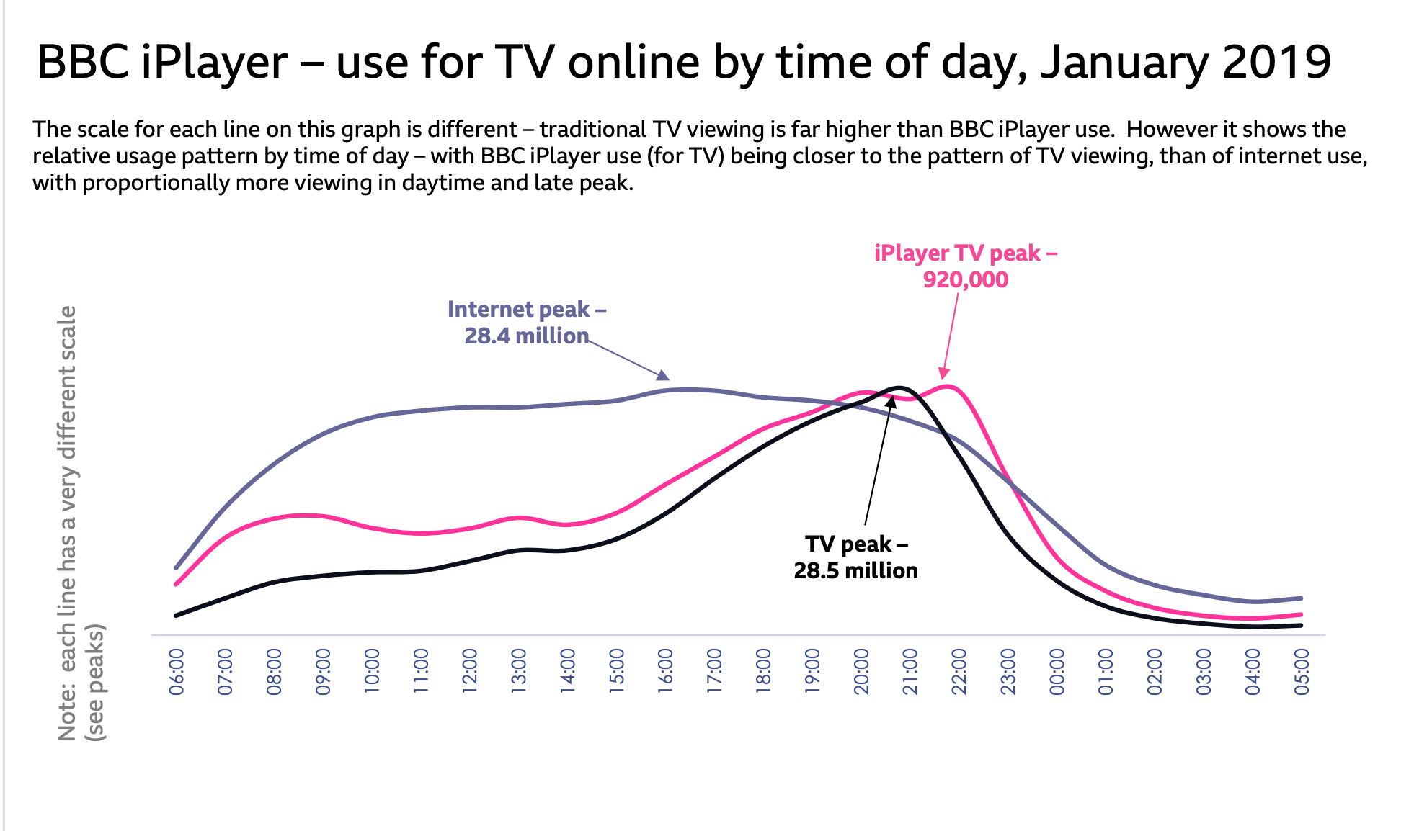
0 | 1.6667709673
0.46462815647 | 2.3596680718 | source | https://downloads.bbc.co.uk/mediacentre/iplayer/iplayer-performance-jan19.pdf
1.0183500341 | 3.1838512823
1.4436820607 | 3.5503300534
1.9953169776 | 3.8184636756
2.4127757884 | 3.9521989138
2.9963407523 | 3.9521989138
3.3077307697 | 3.9521989138
3.7098319852 | 3.7584251694
4.2346301996 | 3.5414039837
5.1019780064 | 3.3642050184
6.1463389287 | 3.5101975067
6.9721655977 | 3.8117948765
7.3403652218 | 3.9700793818
8.1069365242 | 3.701168012
8.8669580944 | 3.701168012
9.6165868304 | 4.1885517619
12.349677562 | 6.7414720753
13.492265539 | 7.4063870072
14.475714528 | 8.0488644371
15.080613852 | 8.0488644371
15.599412877 | 7.8526550808
16.174423236 | 8.1547430497
16.508847177 | 8.2969568953
16.736398319 | 8.1205923346
17.128710734 | 7.1685971288
18.101463226 | 4.2099874633
18.916217318 | 2.3730211218
19.815779701 | 1.4817687731
20.915385832 | 0.86894618811
22.10825508 | 0.61415145166
22.29948685 | 0.61415145166
22.86057481 | 0.61415145166
23.434149972 | 0.61415145166
23.999574795 | 0.77395926045

