aux
cutoff
annual improvement device efficiency lower | 20 |  |  |  |  |  |  |  |  | openreach annual PB
annual improvement device efficiency upper |  |  | https://getpocket.com/read/3785052087 |  | connected nations 2022 and 2021 |  |  |  |  | https://getpocket.com/read/3780770609
monthly improvement | 1.6666666667 |  | DE-NIX |  | ofcom - UK HH |  |  |  | 2022 | 64,364
 | 5 | 2022 | 48 | 2022 | 482 | 6.4017660044 |  |  | 2021 | 62,700
 |  | 2021 | 38 | 2021 | 453 | 5.5944055944 |  |  |  | 2.653907496
 |  | change | 26.315789474 | 2020 | 429 | 36.19047619 |  |  | 2021 | 62,700
 |  |  |  | 2019 | 315 | 30.705394191 |  |  | 2020 | 50000
 |  |  |  | 2018 | 241 | 26 |  | 191.26984127 |  | 25.4
 |  |  |  | 2017 | 191.26984127 | 44.901394901 |  |  | 2020 | 50000
 |  |  |  | 2016 | 132 | 36.082474227 |  |  | 2019 | 22000
 |  |  |  | 2015 | 97 | 67.24137931 |  |  |  | 127.27272727
 |  |  |  | 2014 | 58 | 93.333333333 |  |  | 2019 | 22000
 |  |  |  | 2013 | 30 | 30.434782609 |  |  | 2018 | 15714.285714 | openreach annual report 2019
 |  |  |  | 2012 | 23 |  |  |  |  | 40 |  | Year | YoY Change [%] | Per HH DV [GB/m]
 |  |  |  |  |  |  |  |  |  |  |  | 2013 | 30.434782609 | 30
 |  |  |  |  |  |  |  |  |  |  |  | 2014 | 93.333333333 | 58
 |  |  |  |  |  |  |  |  |  |  |  | 2015 | 67.24137931 | 97
 |  |  |  |  |  |  |  |  |  |  |  | 2016 | 36.082474227 | 132
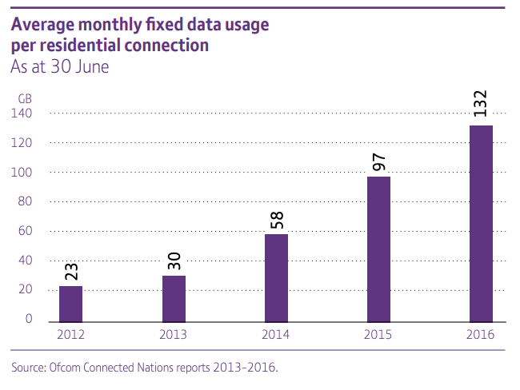
 | per HH | OpenReach
2022 | 6.4017660044 | 2.653907496
2021 | 5.5944055944 | 25.4
2020 | 58 | 127.27272727
2019 | 30
2018 | 26
 |  |  |  |  | per HH | OpenReach |  |  |  |  |  | 2017 | 44.901394901 | 191.26984127
 |  |  |  | 2022 | 6.4017660044 | 2.653907496 |  |  |  |  |  | 2018 | 26 | 241
 |  |  |  | 2021 | 5.5944055944 | 25.4 |  |  |  |  |  | 2019 | 30.705394191 | 315
 |  |  |  | 2020 | 58 | 127.27272727 |  |  |  |  |  | 2020 | 36.19047619 | 429
 |  |  |  | 2019 | 30 |  |  |  |  |  |  | 2021 | 5.5944055944 | 453
 |  |  |  | 2018 | 26 |  |  |  |  |  |  | 2022 | 6.4017660044 | 482

 |  |  |  |  | OfCom per HH | OpenReach
 |  |  |  | 2018 | 26
 |  |  |  | 2019 | 30 | 40 | openreach annual review 2019
 |  |  |  | 2020 | 36.19047619 | 127.27272727
 |  |  |  | 2021 | 5.5944055944 | 25.4
 |  |  |  | 2022 | 6.4017660044 | 2.653907496
UK YoY Change Data Volume
 | OfCom per HH | OpenReach
2018 | 26
2019 | 30 | 40
2020 | 36.19047619 | 127.27272727
2021 | 5.5944055944 | 25.4
2022 | 6.4017660044 | 2.653907496

