example1
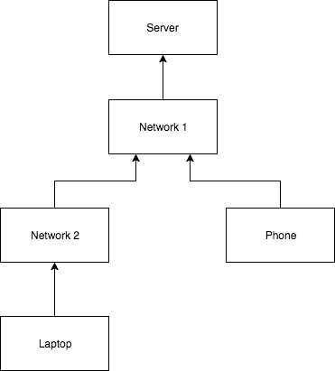
variable | scenario | module | distribution | param 1 | param 2 | param 3 | unit | CAGR | ref date | label | comment | source | tags | Use Phase Energy per month | Value | Unit | Embodied Carbon per month | Value | Unit
Server |  |  |  |  |  |  |  |  |  |  |  |  |  | Laptop Data Vol | 1.10E+18 | b | Laptop | 2.50E+09 | gCO2e
server_energy_efficiency |  | numpy.random | choice | 2.00E-05 |  |  | J/b |  |  |  |  |  |  | Phone Data Vol | 1.64E+18 | b | Phone | 1.25E+10 | gCO2e
embodied_carbon_intensity_per_dv |  | numpy.random | choice | 2.90E-11 |  |  | gCO2e/b |  |  |  |  |  |  | Network2 Data Vol | 1.095E+18 | b | Network2 | 3.18E+07 | gCO2e
 |  | numpy.random |  |  |  |  |  |  |  |  |  |  |  | Network1 Data Vol | 2.7375E+18 | b | Network1 | 7.94E+07 | gCO2e
Networks |  | numpy.random |  |  |  |  |  |  |  |  |  |  |  | Server Data Vol | 2.7375E+18 | b | Server | 7.94E+07 | gCO2e
network1_energy_efficiency |  | numpy.random | choice | 2.00E-06 |  |  | J/b |  |  |  |  |  |  |  |  |  | Total | 15190530000 | gCO2e
network2_energy_efficiency |  | numpy.random | choice | 2.00E-06 |  |  | J/b |  |  |  |  |  |  | Laptop Energy | 2.74E+12 | J
 |  | numpy.random |  |  |  |  |  |  |  |  |  |  |  | Phone Energy | 1.64E+12 | J
Laptop |  | numpy.random |  |  |  |  |  |  |  |  |  |  |  | Network2 Energy | 2.19E+12 | J
laptop_power |  | numpy.random | choice | 5 |  |  | W |  |  |  |  |  |  | Network1 Energy | 5.48E+12 | J
laptop_bitrate |  | numpy.random | choice | 2.00E+06 |  |  | b/s |  |  |  |  |  |  | Server Energy | 5.48E+13 | J
laptop_num_devices |  | numpy.random | choice | 1.00E+06 |  |  |  |  |  |  |  |  |  | Total Energy | 6.68E+13 | J
laptop_duration_s |  | numpy.random | choice | 18000 |  |  | s
laptop_days_per_month |  | numpy.random | choice | 30.416666667 |  |  | d
Use Phase Energy per month
Embodied Carbon per month
laptop_allocated_share |  | numpy.random | choice | 0.3
laptop_lifetime_months |  | numpy.random | choice | 48
laptop_embodied_impact |  | numpy.random | choice | 400000 |  |  | gCO2e
laptop_impact per month |  | numpy.random | choice | 8333.3333333 |  |  | gCO2e
 |  | numpy.random
Phone |  | numpy.random
phone_power |  | numpy.random | choice | 1 |  |  | W
phone_bitrate |  | numpy.random | choice | 1.00E+06 |  |  | b/s
phone_num_devices |  | numpy.random | choice | 1.00E+07
phone_duration_s |  | numpy.random | choice | 5400 |  |  | s
phone_days_per_month |  | numpy.random | choice | 30.416666667 |  |  | d
phone_allocated_share |  | numpy.random | choice | 0.3
phone_lifetime_months |  | numpy.random | choice | 12
phone_embodied_impact |  | numpy.random | choice | 50000 |  |  | gCO2e
phone_impact per month |  | numpy.random | choice | 4166.6666667 |  |  | gCO2e

example2
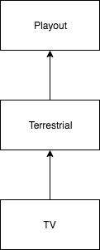
variable | scenario | module | distribution | param 1 | param 2 | param 3 | unit | CAGR | ref date | label | comment | source | tags
Playout
playout_monthly_energy |  | numpy.random | choice | 5.48E+13 |  |  | J
playout_annual_embodied_carbon |  | numpy.random | choice | 9.53E+08 |  |  | gCO2e

Terrestrial
terr_monthly_energy |  | numpy.random | choice | 5.48E+12 |  |  | J
terr_bbc_proportion |  | numpy.random | choice | 0.3
terr_annual_embodied_carbon |  | numpy.random | choice | 9.53E+08 |  |  | gCO2e

User Device
ud_power |  | numpy.random | choice | 5 |  |  | W
ud_bitrate |  | numpy.random | choice | 2.00E+06 |  |  | b/s
ud_num_devices |  | numpy.random | choice | 1.00E+06
ud_duration_s |  | numpy.random | choice | 18000 |  |  | s
ud_days_per_month |  | numpy.random | choice | 30.41666667 |  |  | d
ud_allocated_share |  | numpy.random | choice | 0.3
ud_lifetime_months |  | numpy.random | choice | 48
ud_embodied_impact |  | numpy.random | choice | 400000 |  |  | gCO2e
ud_impact per month |  | numpy.random | choice | 8333.333333 |  |  | gCO2e

