Engine Harness - Fuse Box
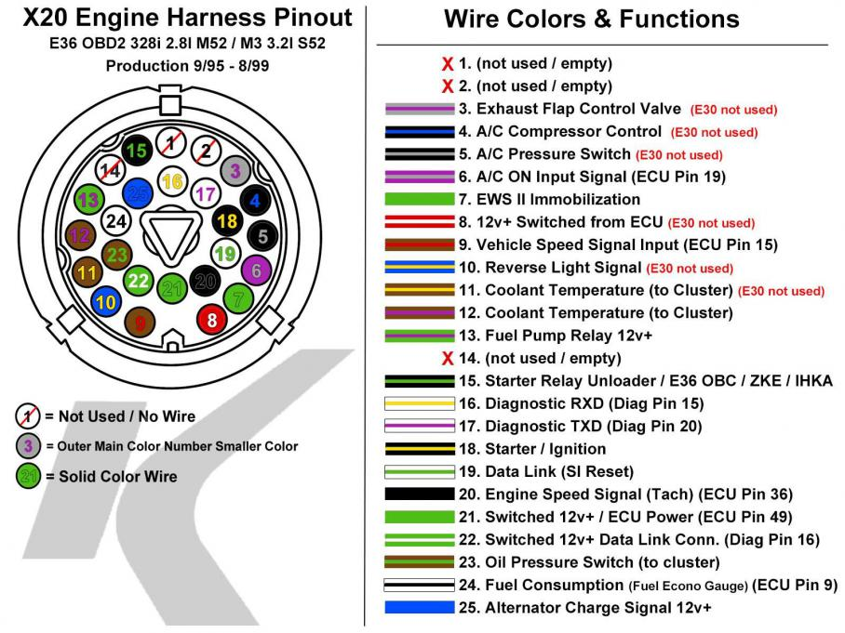
Stock X20 Plug |  | New Pinlist
 |  | X20
 |  | 1 | NC
 |  | 2 | NC
 |  | 3 | NC
 |  | 4 | NC
 |  | 5 | NC
 |  | 6 | NC
 |  | 7 | NC
 |  | 8 | NC
 |  | 9 | NC
 |  | 10 | NC
 |  | 11 | NC
 |  | 12 | NC
 |  | 13 | NC
 |  | 14 | NC
 |  | 15 | NC
 |  | 16 | NC
 |  | 17 | NC
 |  | 18 | START
 |  | 19 | NC
 |  | 20 | TACH
 |  | 21 | IGNITION
 |  | 22 | ???
 |  | 23 | NC
 |  | 24 | NC
 |  | 25 | Alternator Bulb
 |  | X69
 |  | 1
 |  | 2
 |  | 3 | NC
 |  | 4 | NC
 |  | 5 | NC
 |  | 6 | NC
 |  | 7 | NC
 |  | 8 | ???
 |  | 9 | ???
Stock X69 Plug | Stock X6031 Plug | 10 | ???
 |  | 11 | NC
 |  | 12 | NC
 |  | 13 | NC
 |  | 14 | NC
 |  | 15 | NC
 |  | 16 | NC
 |  | 17 | NC
 |  | 18 | NC
 |  | 19 | NC
 |  | 20 | NC
 |  | 21 | NC
 |  | 22 | NC
 |  | 23 | NC
 |  | 24 | NC
 |  | 25 | NC
 |  | X6031
 |  | 1 | NC
 |  | 2 | NC
 |  | 3 | NC
 |  | 4 | Diag -> OBD
 |  | 5 | NC
 |  | 6 | NC
 |  | 7 | NC
 |  | 8 | Diag 12V (OBD) | F46
 |  | 9 | NC
 |  | 10 | ???
 |  | 11 | NC
 |  | 12 | NC

AiM Binder Wiring
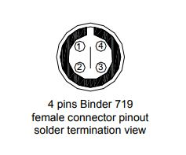
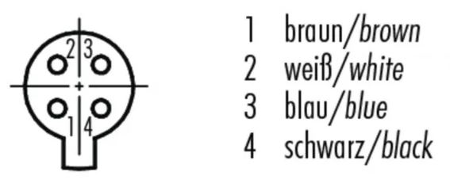
AiM 4-channel wiring:
37-wire harness pin no. | 37-wire harness wire color | Function | Binder 709 pin no. | Binder 709 wire color
1 | White | Signal | 1 | Brown
2 | Black | Ground | 2 | White
3 |  | vbattery | 3 | Blue
4 |  | vreference | 4 | Black

Misc Plug Wiring
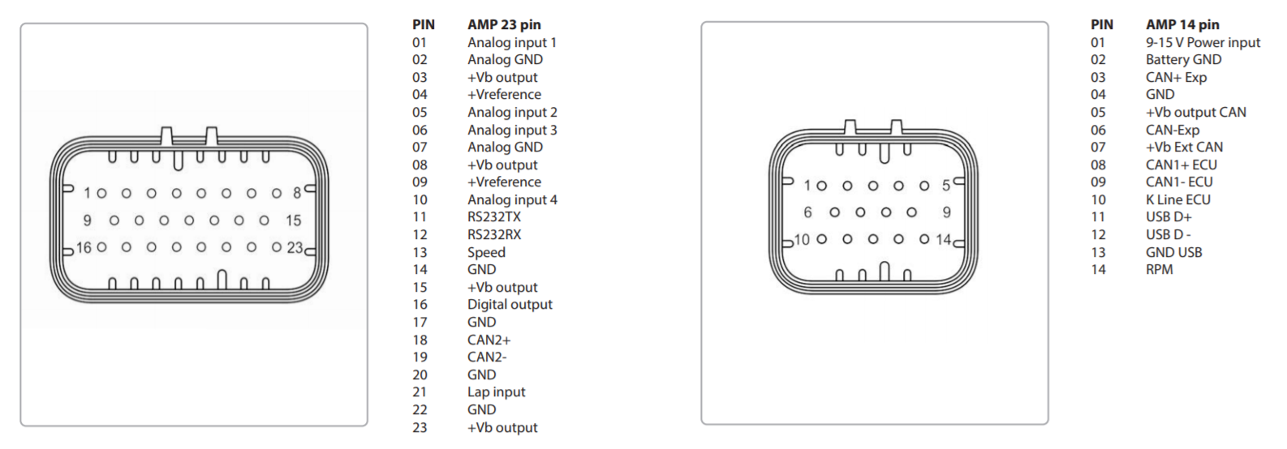
PDM Buttons
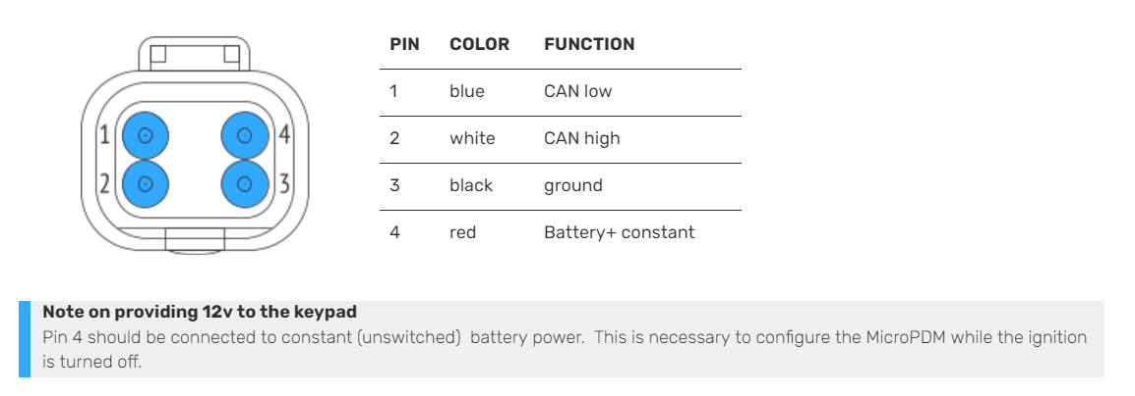

PDM Controller
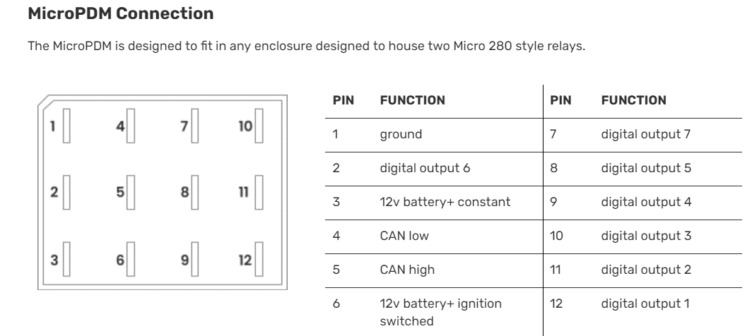

 | AiM Dash Plugs

Bosch Temp and Pressure
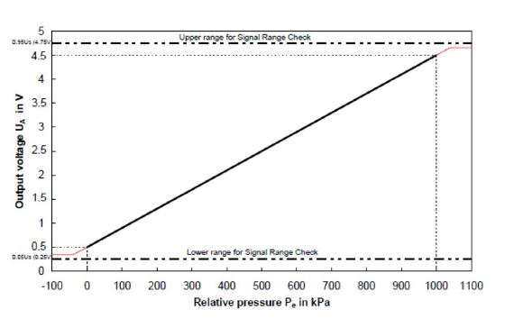
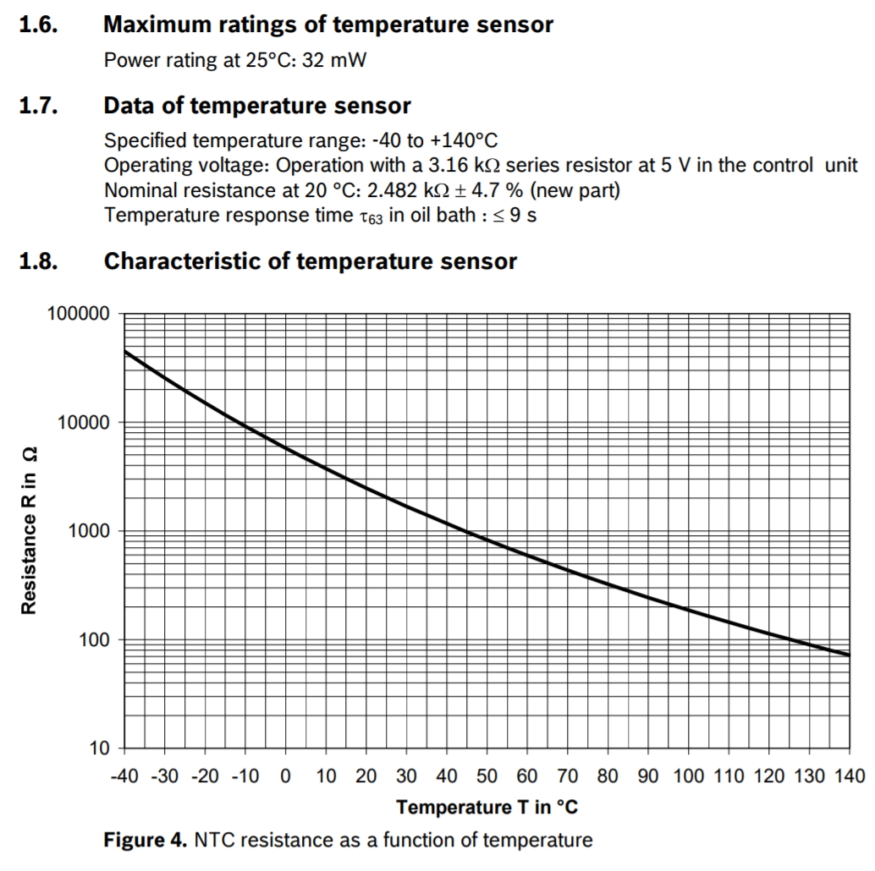
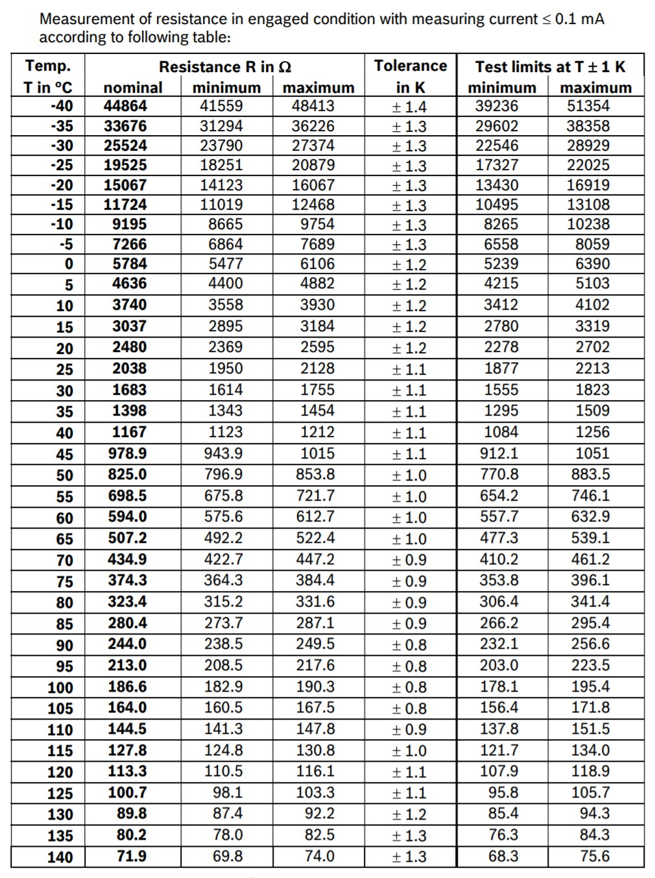
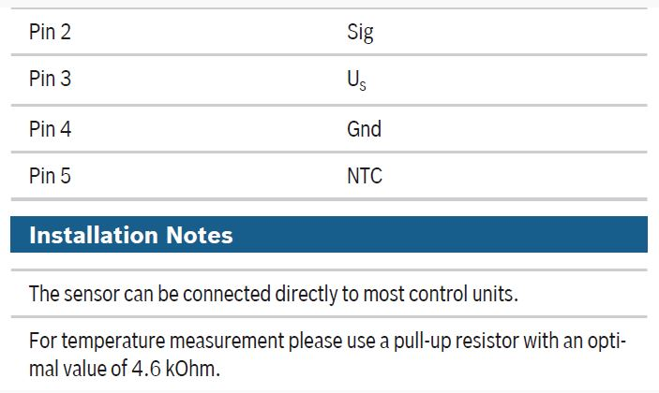
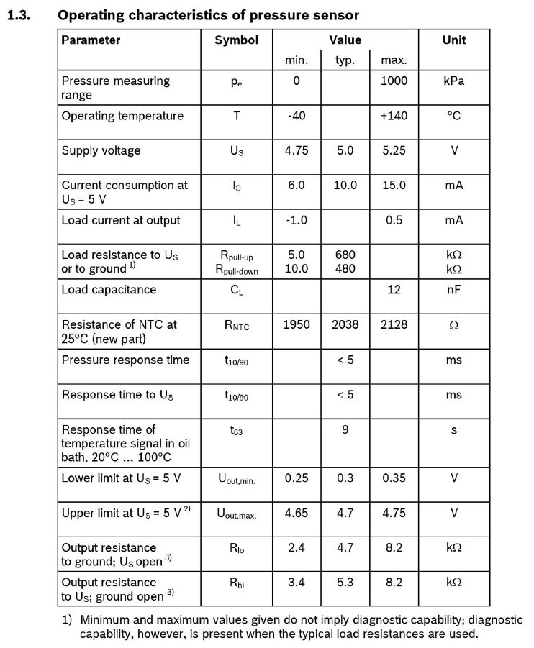
Thread is M10x1

AiM Dash Pinout
New Scheme (post Race Studio 3.13)
Wire Function | Prime Sensor or Connection Name | Secondary Sensor or Connection Name | Tertiary Sensor or Connection Name
AiM MXL2 39-Pin Connector

OUT OF DATE

AiM MXL2 22-Pin Connector

