Engine Harness - Fuse Box
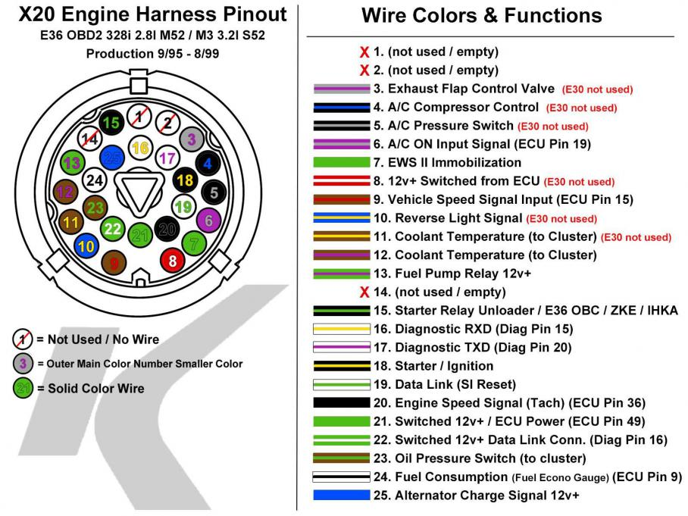
Stock X20 Plug |  | New Pinlist
 |  | X20
 |  | 1 | NC
 |  | 2 | NC
 |  | 3 | NC
 |  | 4 | NC
 |  | 5 | NC
 |  | 6 | NC
 |  | 7 | NC
 |  | 8 | NC
 |  | 9 | NC
 |  | 10 | NC
 |  | 11 | NC
 |  | 12 | NC
 |  | 13 | NC
 |  | 14 | NC
 |  | 15 | NC
 |  | 16 | NC
 |  | 17 | NC
 |  | 18 | START
 |  | 19 | NC
 |  | 20 | TACH
 |  | 21 | IGNITION
 |  | 22 | ???
 |  | 23 | NC
 |  | 24 | NC
 |  | 25 | Alternator Bulb
 |  | X69
 |  | 1
 |  | 2
 |  | 3 | NC
 |  | 4 | NC
 |  | 5 | NC
 |  | 6 | NC
 |  | 7 | NC
 |  | 8 | ???
 |  | 9 | ???
Stock X69 Plug | Stock X6031 Plug | 10 | ???
 |  | 11 | NC
 |  | 12 | NC
 |  | 13 | NC
 |  | 14 | NC
 |  | 15 | NC
 |  | 16 | NC
 |  | 17 | NC
 |  | 18 | NC
 |  | 19 | NC
 |  | 20 | NC
 |  | 21 | NC
 |  | 22 | NC
 |  | 23 | NC
 |  | 24 | NC
 |  | 25 | NC
 |  | X6031
 |  | 1 | NC
 |  | 2 | NC
 |  | 3 | NC
 |  | 4 | Diag -> OBD
 |  | 5 | NC
 |  | 6 | NC
 |  | 7 | NC
 |  | 8 | Diag 12V (OBD) | F46
 |  | 9 | NC
 |  | 10 | ???
 |  | 11 | NC
 |  | 12 | NC

Relay Box Layout
Body PDM - Box 1
 | 1 | 5 | 9 | 13 | 17 | 21 | 25 | 29 | 33 | 37 | 41 | 45 |  | Needed | Mapped
 | Micro PDM |  |  | uPDM Ign |  | Micro PDM Add-On |  |  | uPDM Keypad |  | Coolsuit |  | Total Fuses | 24 | 24
 |  |  |  | uPDM Exp Ign |  |  |  |  | Coolsuit |  |  |  | Big Relay | 4 | 4
 |  |  |  | uPDM Bat |  |  |  |  | Miku |  | Driver Air |  | Small Relay | 10 | 10
 |  |  |  | uPDM Exp Bat |  |  |  |  | Driver Air
 | 4 | 8 | 12 | 16 | 20 | 24 | 28 | 32 | 36 | 40 | 44 | 48 | Spare Fuses | 5 | 2
 |  |  |  |  |  |  |  |  |  |  |  |  | Spare Relays | 5 | 2
 | Body PDM - Box 2
 | 1 | 5 | 9 | 13 | 17 | 21 | 25 | 29 | 33 | 37 | 41 | 45
 | Wipers |  |  | Wipers |  | Unloader |  |  | Radio |  | Fuel Pump
 |  |  |  | Unloader |  |  |  |  | Fuel Pump
 | Blower |  |  | Blower |  | Acc Lighting |  |  | Spare |  | Diff Cooler
 |  |  |  | Acc Lighting |  |  |  |  | Diff Cooler
 | 4 | 8 | 12 | 16 | 20 | 24 | 28 | 32 | 36 | 40 | 44 | 48

 | Engine PDM - Box 3
 | 1 | 7 | 13 | 19 | 25 | 31 | 37 | 43 | 49 | 55 | 61 | 67
 | Fog Lights |  | Fog Lights |  | Headlights |  |  | Fan |  |  | Fan
 |  |  | Headlights |  |  |  |  |  |  |  | ABS Ckt 1
 | Horn |  | Horn |  | Brake Lights |  | Ignition |  | Ignition |  | Miku
 |  |  | Brake Lights |  |  |  |  |  | Spare
 | Coils |  | Trans Oil |  | Trans Oil |  | ABS Ckt 2 |  | ABS Ckt 2 |  | Main Relay
 |  |  | Coils |  |  |  |  |  | Main Relay
 | 6 | 12 | 18 | 24 | 30 | 36 | 42 | 48 | 54 | 60 | 66 | 72

 |  |  |  |  |  | Color Key: |  |  |  | Note:
 | 86 |  | 30 | 86 | 30
 | 87 |  | 85 | 87 | 85
 |  |  |  |  |  | Micro PDM
 | 85 = signal
 | 86=signal
 | 30=work
 | 87=work |  |  |  |  | 35A SPST Relay

 |  |  |  |  |  | 20A SPST Relay

OUT OF DATE
 |  |  |  |  |  | 30A Fuse
 |  |  |  |  |  | 20A Fuse
 |  |  |  |  |  | 10A Fuse
 |  |  |  |  |  | 5A Fuse

AiM Binder Wiring
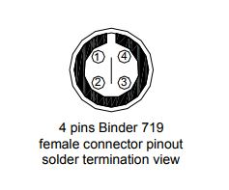
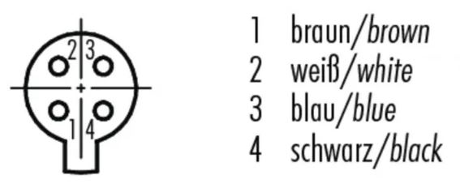
AiM 4-channel wiring:
37-wire harness pin no. | 37-wire harness wire color | Function | Binder 709 pin no. | Binder 709 wire color
1 | White | Signal | 1 | Brown
2 | Black | Ground | 2 | White
3 |  | vbattery | 3 | Blue
4 |  | vreference | 4 | Black

Misc Plug Wiring
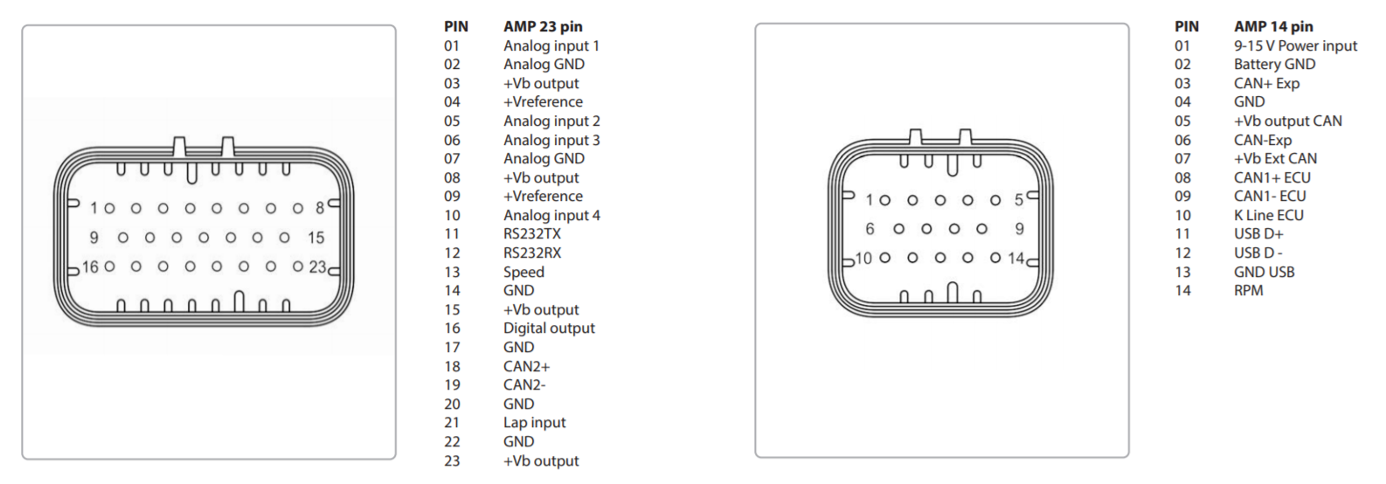
PDM Buttons
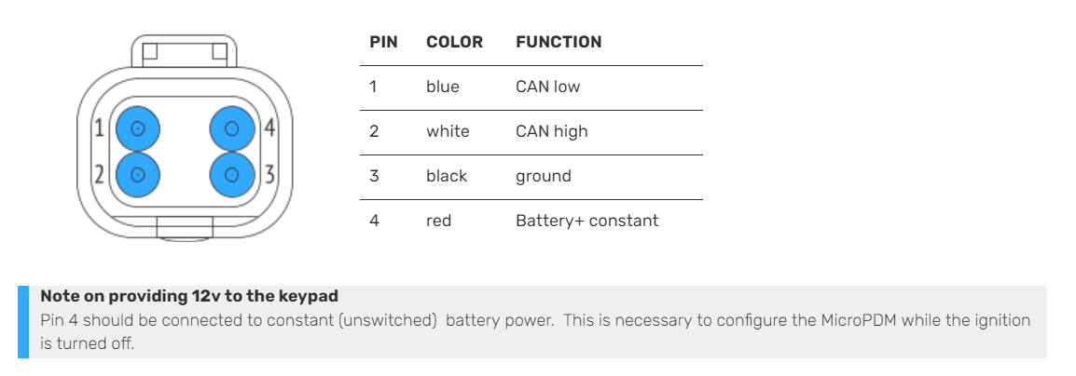

PDM Controller
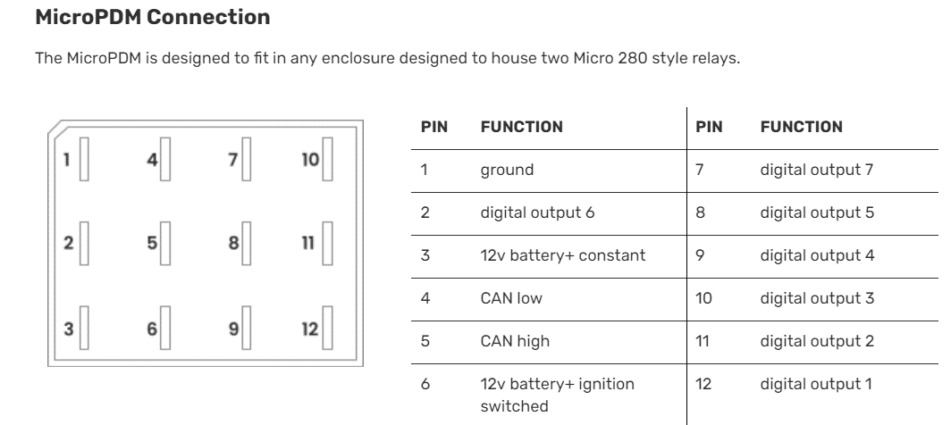

 | AiM Dash Plugs

Bosch Temp and Pressure
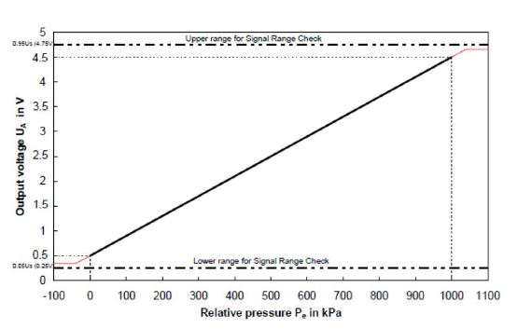
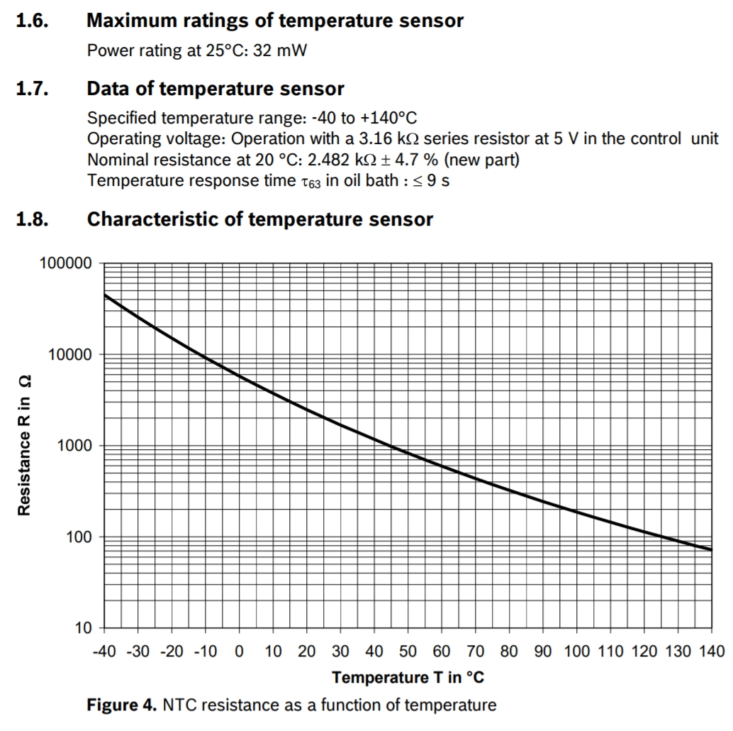
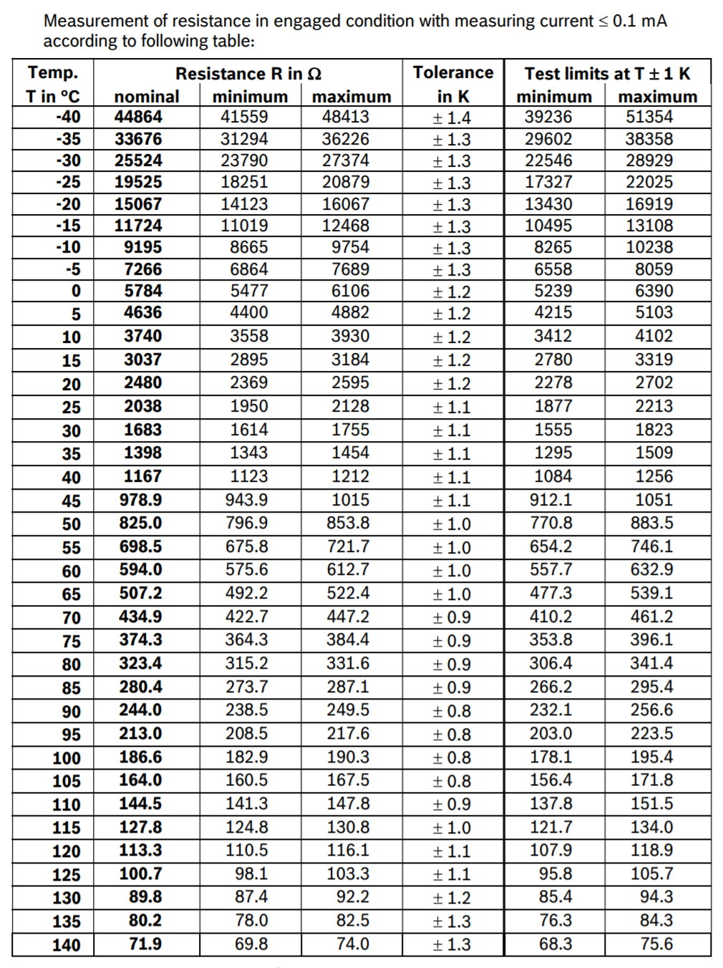
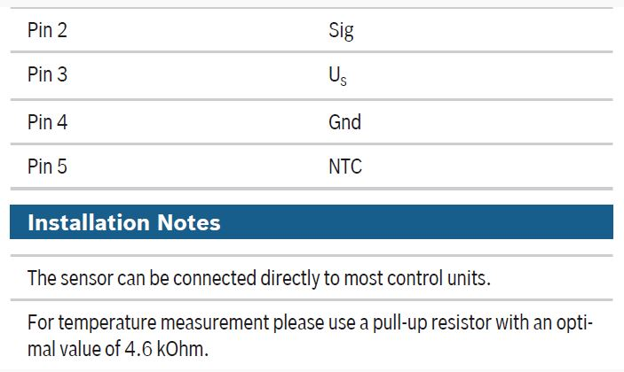
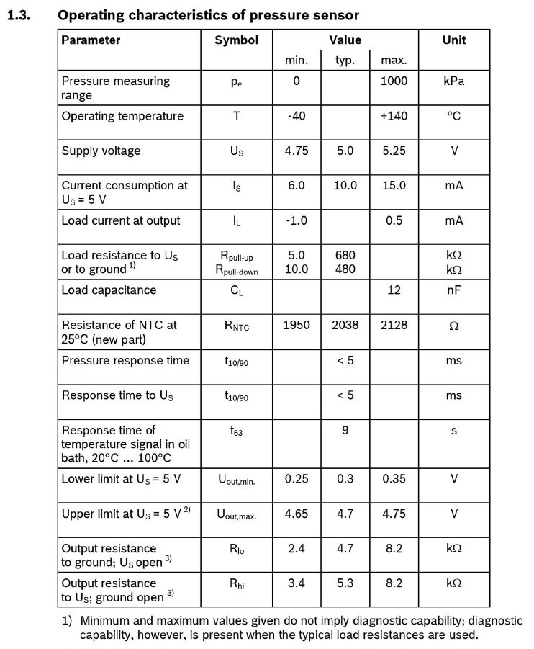
Thread is M10x1

AiM Dash Pinout
New Scheme (post Race Studio 3.13)
Wire Function | Prime Sensor or Connection Name | Secondary Sensor or Connection Name | Tertiary Sensor or Connection Name
AiM MXL2 39-Pin Connector

OUT OF DATE

AiM MXL2 22-Pin Connector

