031059
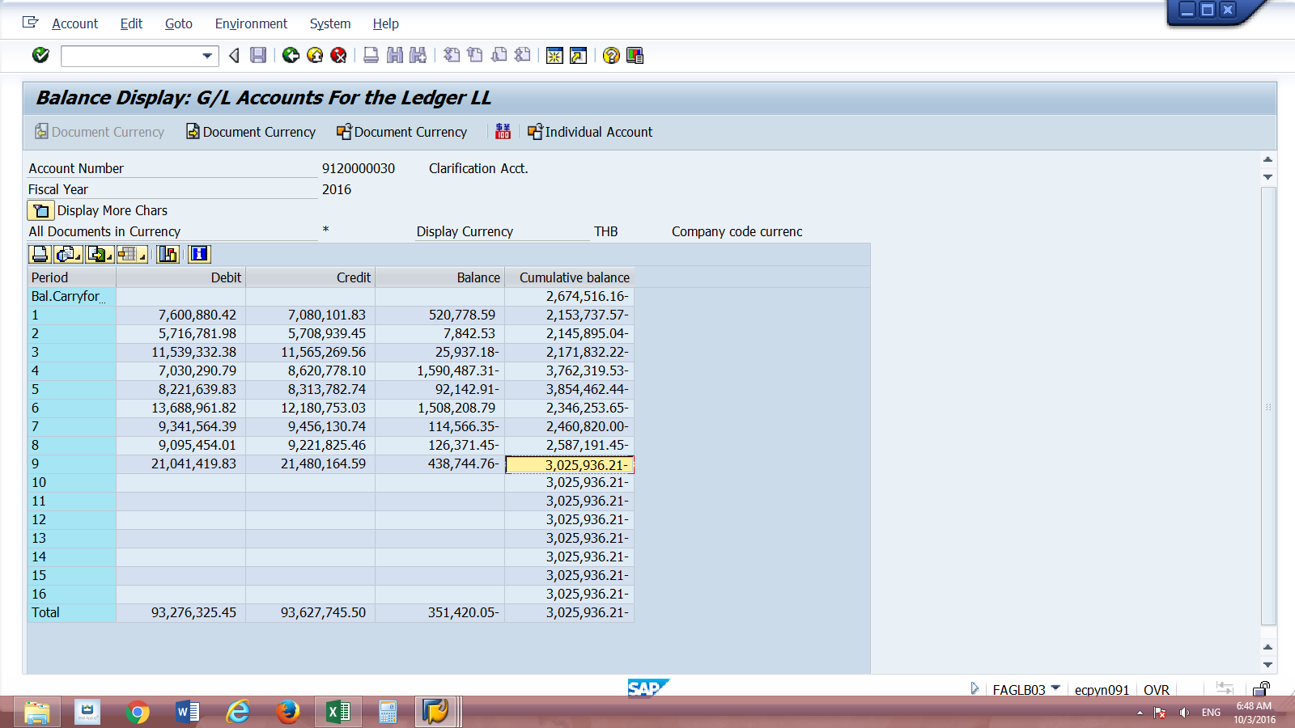
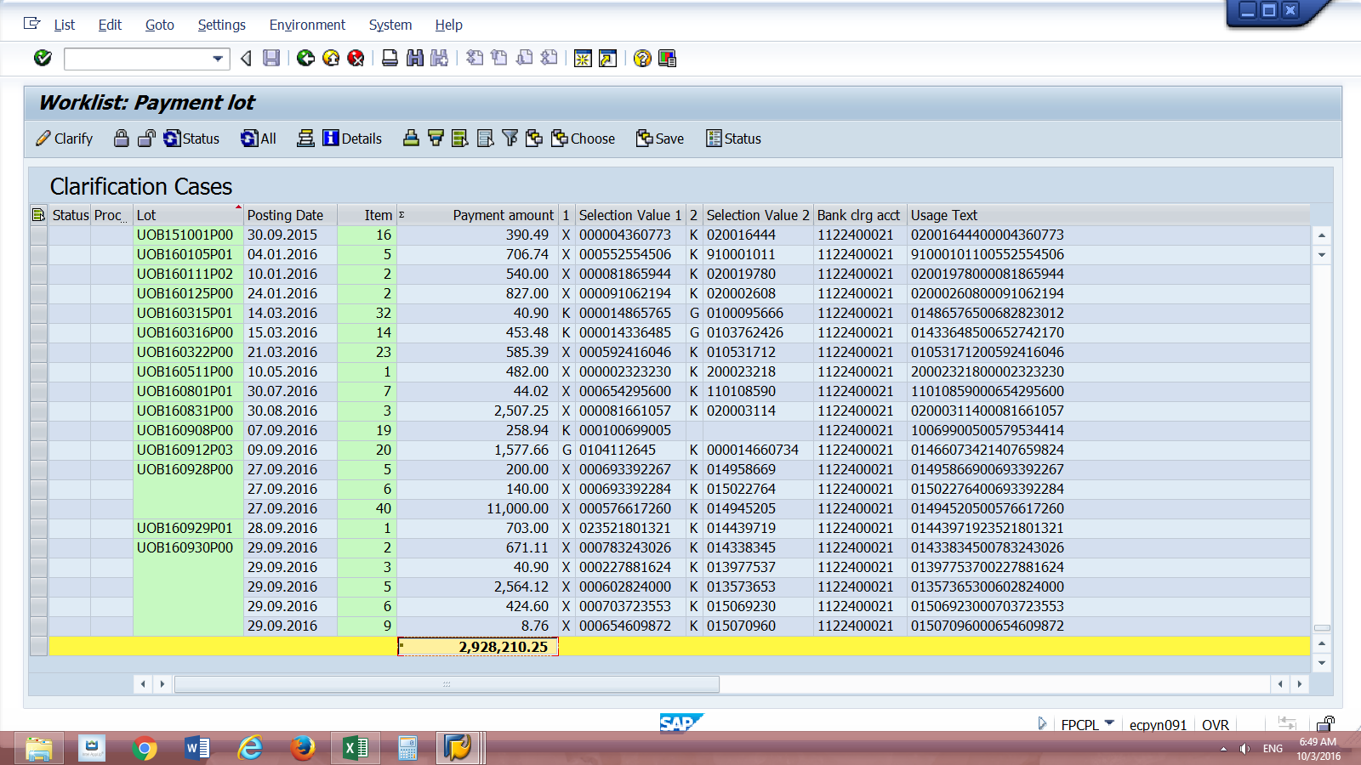
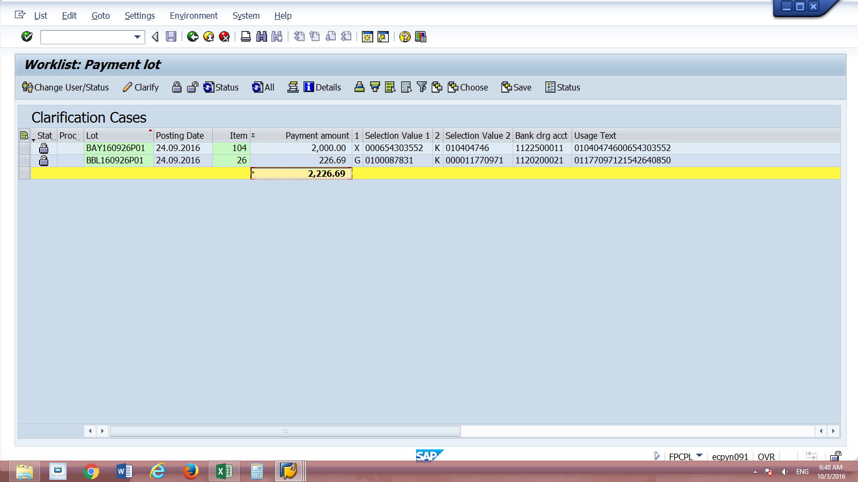
"031059

 | fpcpl | gl

 |  | 3,025,936.21
 | 2,928,210.25
 | 2,226.69 | 2,930,436.94
 |  | 95,499.27

041059

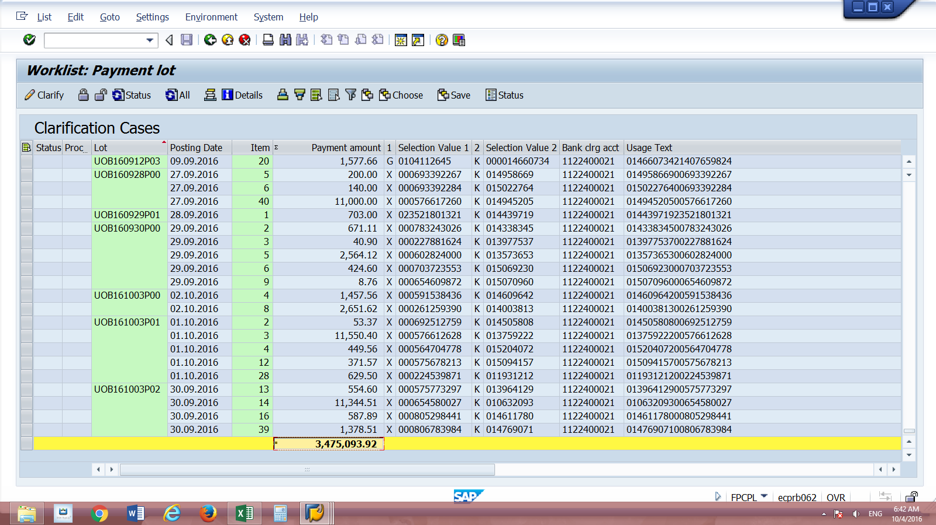
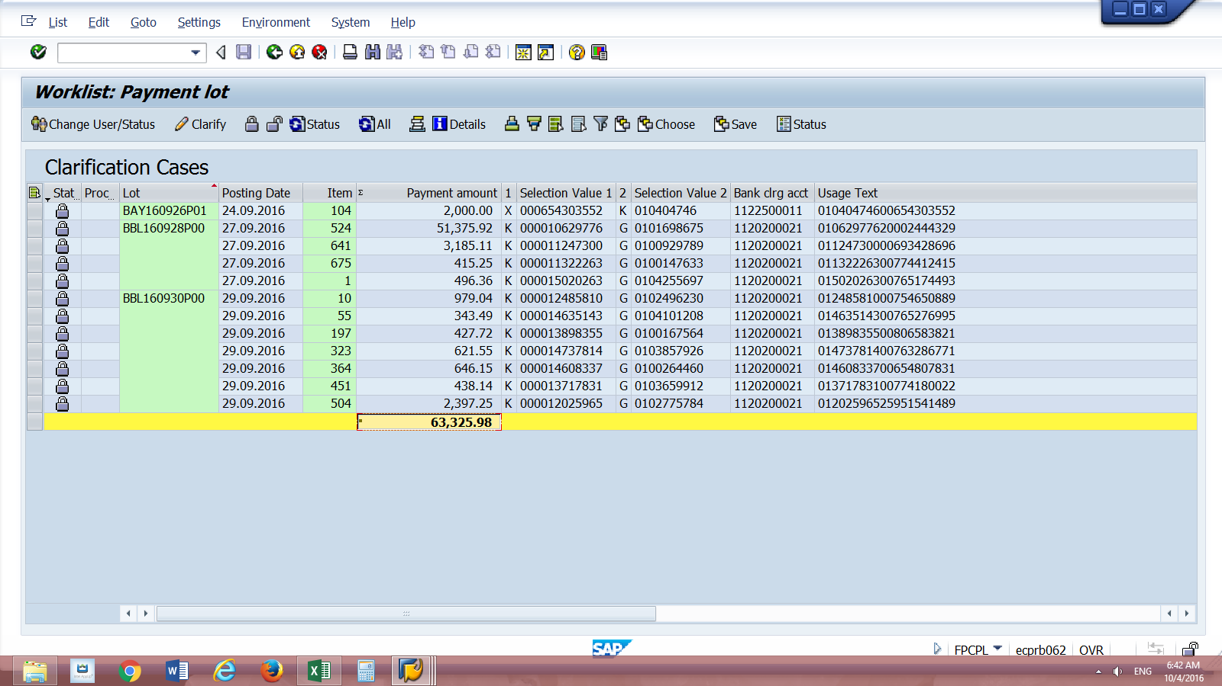
"041059

 | fpcpl | gl

 |  | 3,025,936.21
 | 3,475,093.92
 | 63,325.98 | 3,538,419.90
 |  | (512,483.69)

