Diff Reverse PAPA
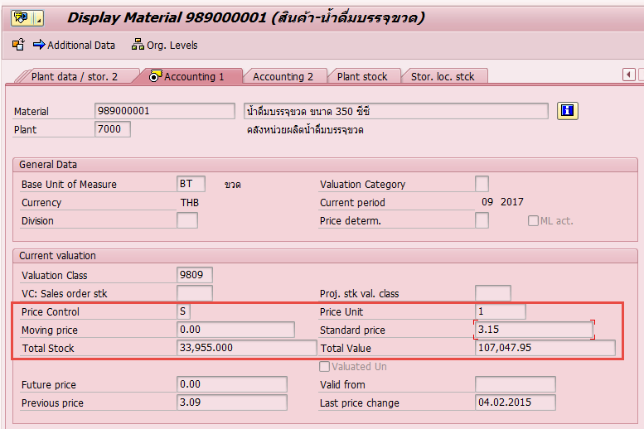
Mat. Doc. | MatYr | Item | ID | Posting Date | Enter On | MvT | Aut | Material | Plnt | SLoc | D/C | Crcy | Amount LC | Quantity | BUn | Quantity | EUn | MatYr | Mat. Doc. | Item | BusA | COAr | TPBA | ClCCd | Cost Ctr
3000065670 | 2017 | 1 | 1 | 09.05.2017 | 09.05.2017 | 925 |  | 989000001 | 7000 | 7001 | H | THB | 4,768.64 | 1,512.00 | BT | 126 | PAC |  |  |  | 2000 | MWA | 2000 |  | 1612095
3000075164 | 2017 | 1 | 1 | 09.05.2017 | 30.05.2017 | 926 |  | 989000001 | 7000 | 7001 | S | THB | 4,762.80 | 1,512.00 | BT | 126 | PAC | 2017 | 3000065670 | 1 | 2000 | MWA | 2000 |  | 1612095
 |  |  |  |  |  |  |  |  |  |  |  | Diff | 5.84
3000072508 | 2017 | 1 | 1 | 22.05.2017 | 24.05.2017 | 925 |  | 989000001 | 7000 | 7001 | H | THB | 3,783.42 | 1,200.00 | BT | 100 | PAC |  |  |  | 2000 | MWA | 2000 |  | 1612096
3000072519 | 2017 | 1 | 1 | 22.05.2017 | 24.05.2017 | 926 |  | 989000001 | 7000 | 7001 | S | THB | 3,780.00 | 1,200.00 | BT | 100 | PAC | 2017 | 3000072508 | 1 | 2000 | MWA | 2000 |  | 1612096
 |  |  |  |  |  |  |  |  |  |  |  | Diff | 3.42
3000072512 | 2017 | 1 | 1 | 22.05.2017 | 24.05.2017 | 925 |  | 989000001 | 7000 | 7001 | H | THB | 1,891.71 | 600 | BT | 50 | PAC |  |  |  | 2000 | MWA | 2000 |  | 1612096
3000072520 | 2017 | 1 | 1 | 22.05.2017 | 24.05.2017 | 926 |  | 989000001 | 7000 | 7001 | S | THB | 1,890.00 | 600 | BT | 50 | PAC | 2017 | 3000072512 | 1 | 2000 | MWA | 2000 |  | 1612096
 |  |  |  |  |  |  |  |  |  |  |  | Diff | 1.71

Master Material 989000001

