ตย.ตั้งรายการค้างรับ บรม.08_C01
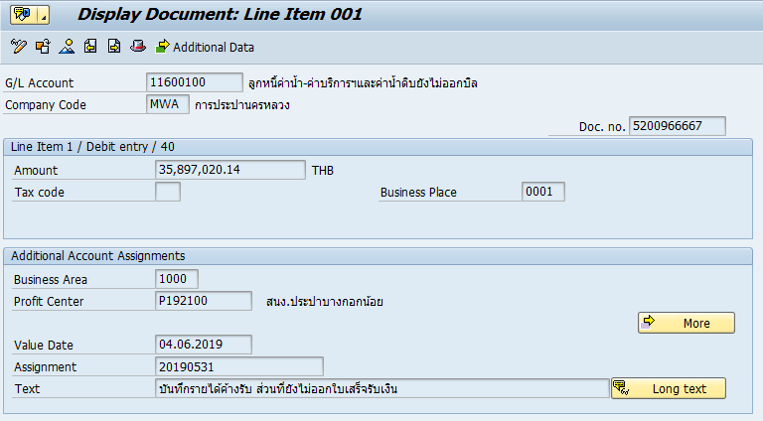
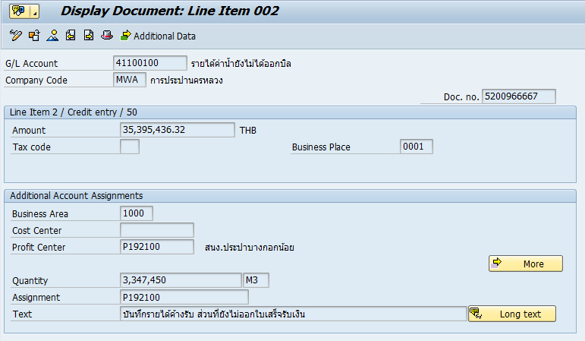
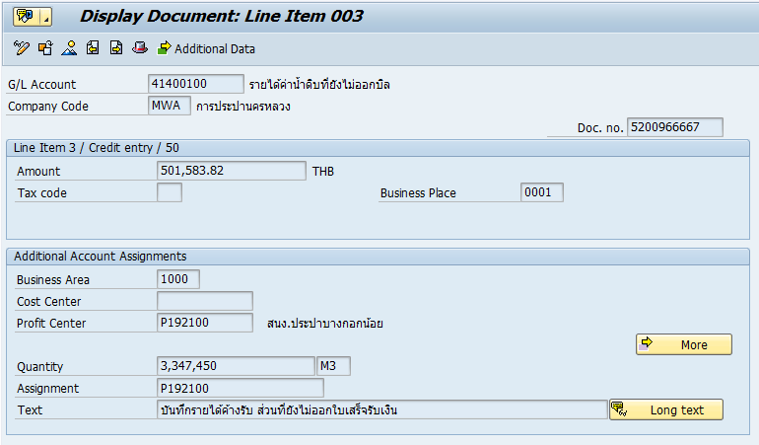
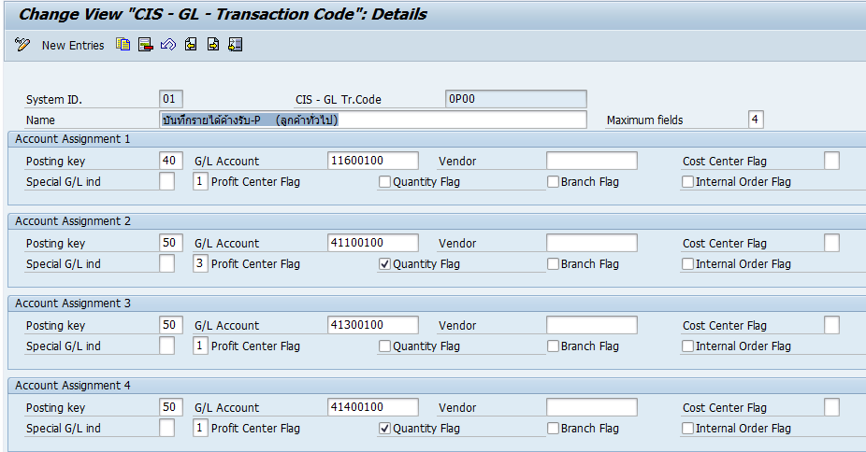

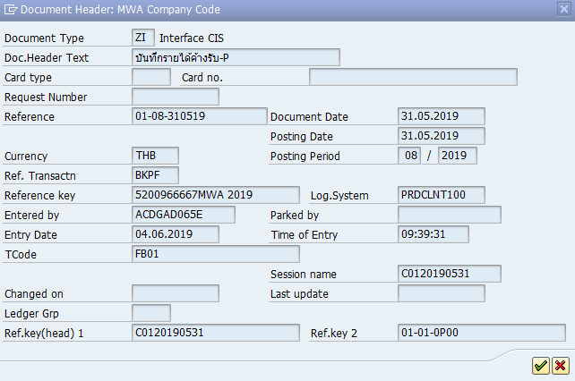
20190531 | 01 | 01 | 0P00 | 3347450.00 | M3 | 01-01-0P00 | 01-08-310519 | 35897020.14 | บันทึกรายได้ค้างรับ ส่วนที่ยังไม่ออกใบเสร็จรับเงิน | 0.00 | 35395436.32 | บันทึกรายได้ค้างรับ ส่วนที่ยังไม่ออกใบเสร็จรับเงิน | 0.00 | 0.00 | บันทึกรายได้ค้างรับ ส่วนที่ยังไม่ออกใบเสร็จรับเงิน | 0.00 | 501583.82 | บันทึกรายได้ค้างรับ ส่วนที่ยังไม่ออกใบเสร็จรับเงิน | 0.00 | 0.00 | 0.00 | 0.00 | 0.00 | 0.00 | 0.00 | 0.00 | 0.00 | 0.00 | 0.00 | 0.00 | 0.00
ผลการทดสอบข้อมูล QAS ตรงกับ PRD

ตย.กลับรายการค้างรับ บรม.07_C02


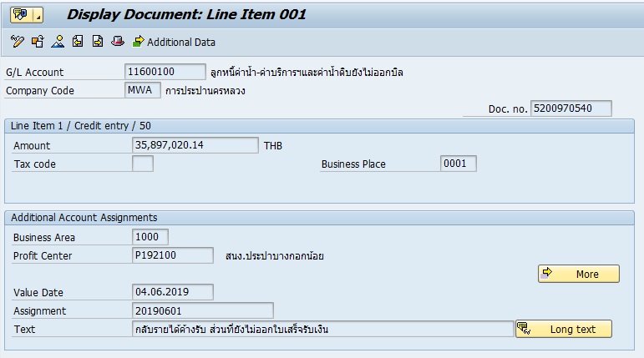
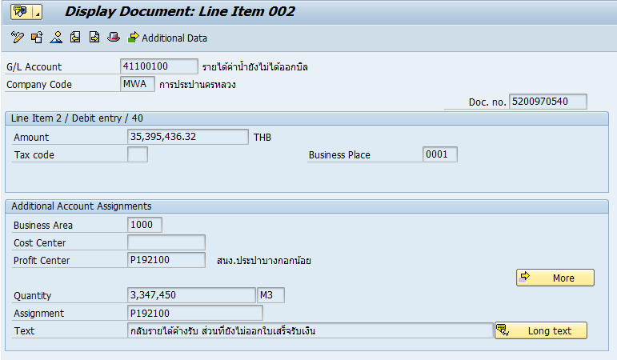

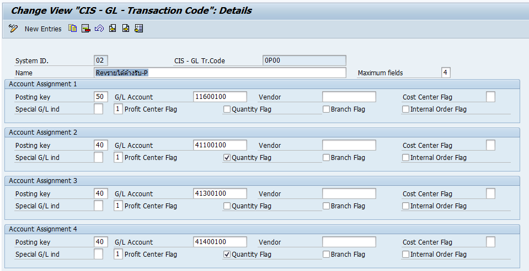

20190601 | 01 | 02 | 0P00 | 3347450.00 | M3 | 01-01-0P00 | 01-07-010619 | 35897020.14 | กลับรายได้ค้างรับ ส่วนที่ยังไม่ออกใบเสร็จรับเงิน | 0.00 | 35395436.32 | กลับรายได้ค้างรับ ส่วนที่ยังไม่ออกใบเสร็จรับเงิน | 0.00 | 0.00 | กลับรายได้ค้างรับ ส่วนที่ยังไม่ออกใบเสร็จรับเงิน | 0.00 | 501583.82 | กลับรายได้ค้างรับ ส่วนที่ยังไม่ออกใบเสร็จรับเงิน | 0.00 | 0.00 | 0.00 | 0.00 | 0.00 | 0.00 | 0.00 | 0.00 | 0.00 | 0.00 | 0.00 | 0.00 | 0.00

ตู้น้ำหยอดเหรียญ_C01
20190531 | 01 | 01 | 0P00 | 10.00 | M3 | 01-01-0P00 | 01-08-310519 | 106.84 |  | บันทึกรายได้ค้างรับP-nobillตู้น้ำหยอดเหรียญ | 0.00 | 106.84 | บันทึกรายได้ค้างรับP-nobillตู้น้ำหยอดเหรียญ | 0.00 | 0.00 | บันทึกรายได้ค้างรับP-nobillตู้น้ำหยอดเหรียญ | 0.00 | 0.00 | บันทึกรายได้ค้างรับP-nobillตู้น้ำหยอดเหรียญ | 0.00 | 0.00 | 0.00 | 0.00 | 0.00 | 0.00 | 0.00 | 0.00 | 0.00 | 0.00 | 0.00 | 0.00 | 0.00

Doc No. | 5200966668 |  |  |  |  |  |  |  | Doc Header
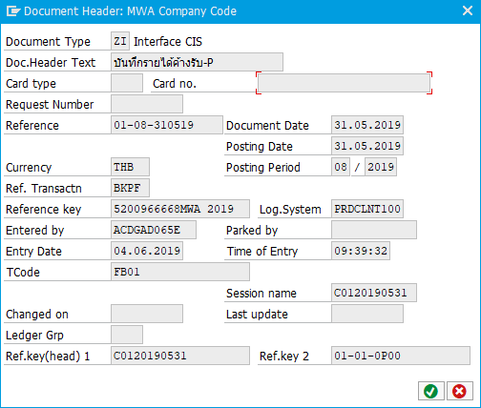

ITEM 1
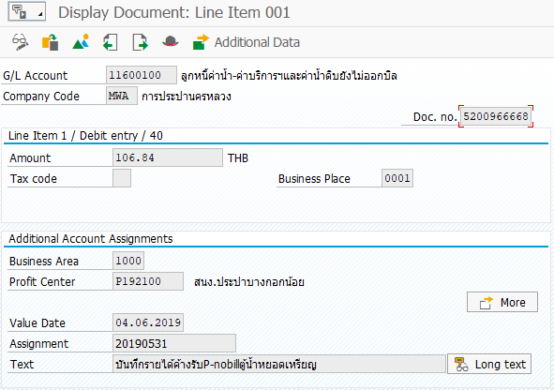
 |  |  |  | Additional Data

 |  |  |  | More

ITEM 2
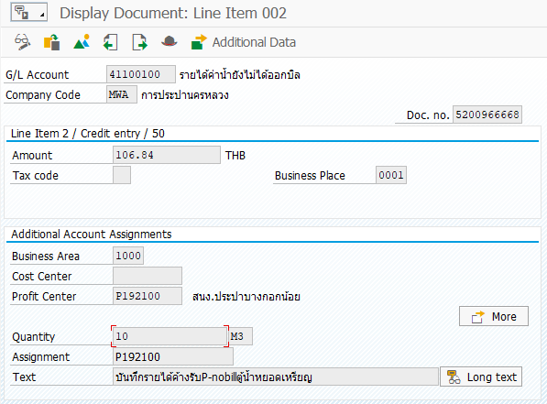
 |  |  |  | Additional Data

 |  |  |  | More

ค่าน้ำกปน_C01
20190531 | 01 | 01 | 1G00 | 0001511201 | 10.00 | M3 | 01-01-1G00 | 01-08-310519-BM | 92.30 | บันทึกค่าน้ำ กปน ค้างรับ, ค้างจ่าย | 0.00 | 92.30 | บันทึกค่าน้ำ กปน ค้างรับ, ค้างจ่าย | 0.00 | 92.30 | บันทึกค่าน้ำ กปน ค้างรับ, ค้างจ่าย | 0.00 | 92.30 | บันทึกค่าน้ำ กปน ค้างรับ, ค้างจ่าย | 0.00 | 0.00 | 0.00 | 0.00 | 0.00 | 0.00 | 0.00 | 0.00 | 0.00 | 0.00 | 0.00 | 0.00 | 0.00

Doc No. | 5200966669 |  |  |  |  |  |  |  |  | Doc Header


ITEM 1
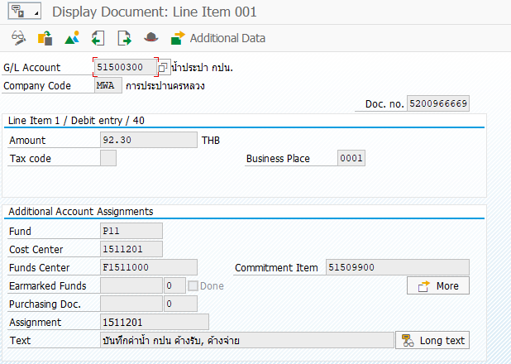
 |  |  |  |  | Additional Data

 |  |  |  |  | More
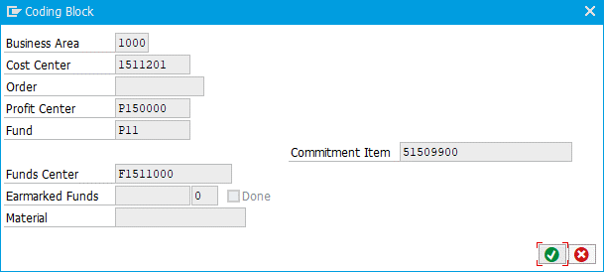

ITEM 2
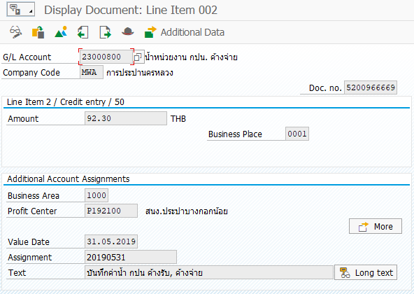
 |  |  |  |  | Additional Data

 |  |  |  |  | More

ITEM 3
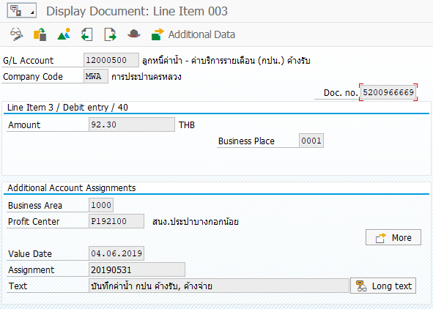
 |  |  |  |  | Additional Data

 |  |  |  |  | More

ITEM 4
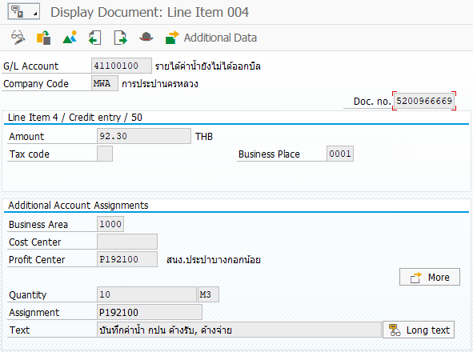
 |  |  |  |  | Additional Data

 |  |  |  |  | More

ตู้น้ำหยอดเหรียญ_C02
20190601 | 01 | 02 | 0P00 | 10.00 | M3 | 01-01-0P00 | 01-07-010619 | 106.84 |  | กลับรายได้ค้างรับP-nobillตู้น้ำหยอดเหรียญ | 0.00 | 106.84 | กลับรายได้ค้างรับP-nobillตู้น้ำหยอดเหรียญ | 0.00 | 0.00 | กลับรายได้ค้างรับP-nobillตู้น้ำหยอดเหรียญ | 0.00 | 0.00 | กลับรายได้ค้างรับP-nobillตู้น้ำหยอดเหรียญ | 0.00 | 0.00 | 0.00 | 0.00 | 0.00 | 0.00 | 0.00 | 0.00 | 0.00 | 0.00 | 0.00 | 0.00 | 0.00

Doc No. | 5200970541 |  |  |  |  |  |  |  | Doc Header
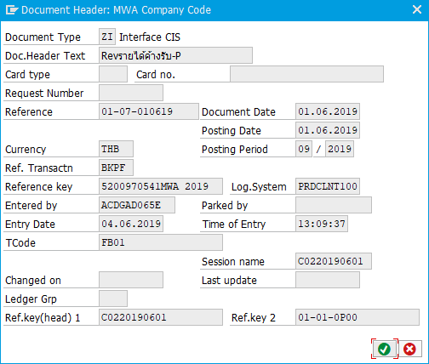

ITEM 1
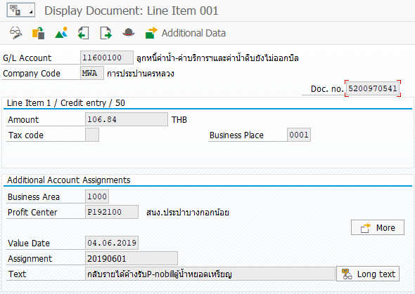
 |  |  |  | Additional Data

 |  |  |  | More

ITEM 2
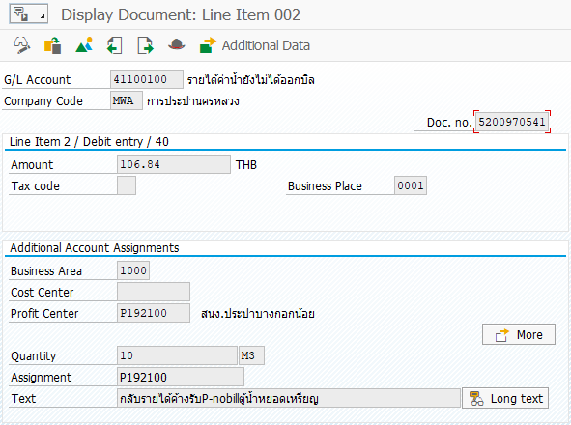
 |  |  |  | Additional Data

 |  |  |  | More

ค่าน้ำกปน_C02
20190601 | 01 | 02 | 1G00 | 0001511201 | 10.00 | M3 | 01-01-1G00 | 01-07-010619-BM | 92.30 |  | กลับค่าน้ำ กปน ค้างรับ, ค้างจ่าย | 0.00 | 92.30 | กลับค่าน้ำ กปน ค้างรับ, ค้างจ่าย | 0.00 | 92.30 | กลับค่าน้ำ กปน ค้างรับ, ค้างจ่าย | 0.00 | 92.30 | กลับค่าน้ำ กปน ค้างรับ, ค้างจ่าย | 0.00 | 0.00 | 0.00 | 0.00 | 0.00 | 0.00 | 0.00 | 0.00 | 0.00 | 0.00 | 0.00 | 0.00 | 0.00

Doc No. | 5200970542 |  |  |  |  |  |  |  |  | Doc Header


ITEM 1
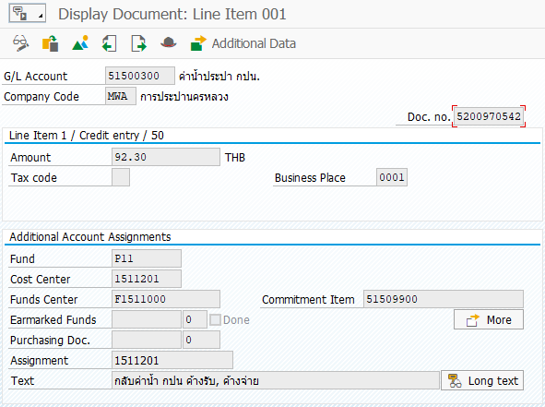
 |  |  |  |  | Additional Data

 |  |  |  |  | More

ITEM 2
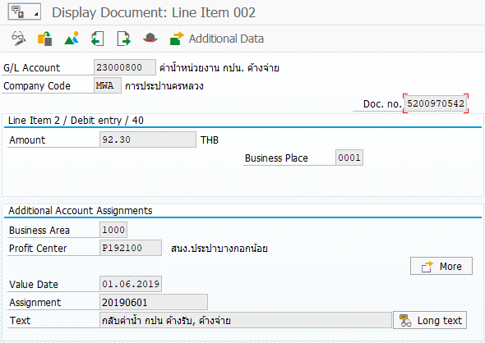
 |  |  |  |  | Additional Data

 |  |  |  |  | More

ITEM 3
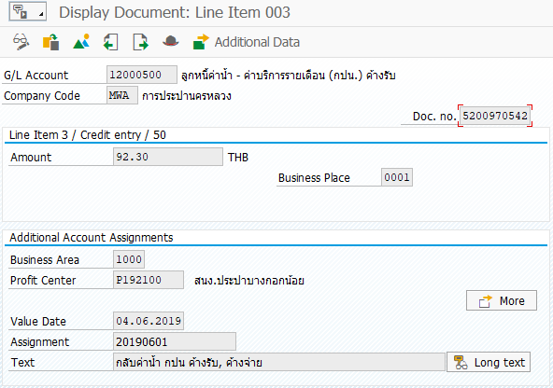
 |  |  |  |  | Additional Data

 |  |  |  |  | More

ITEM 4
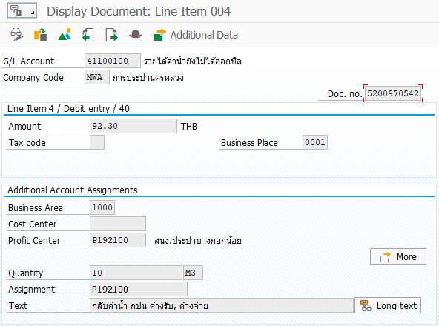
 |  |  |  |  | Additional Data

 |  |  |  |  | More

