Sheet1
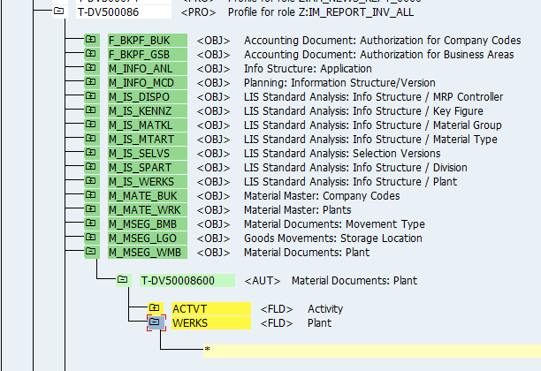
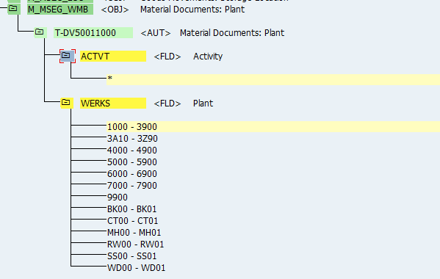
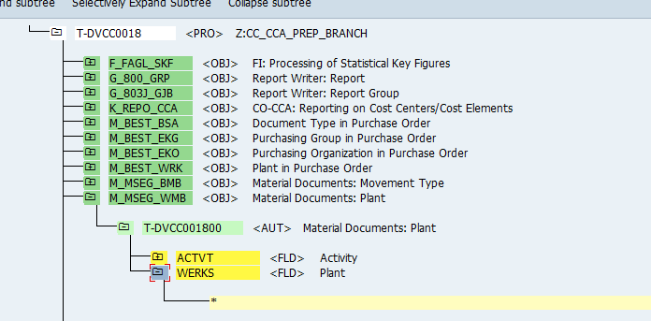
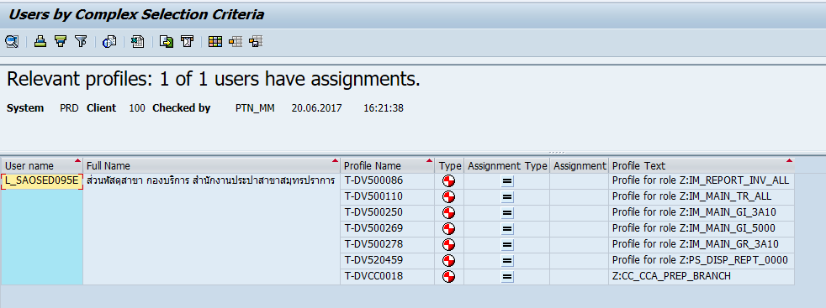

T-DV500086 | Profile for role Z:IM_REPORT_INV_ALL
T-DV500110 | Profile for role Z:IM_MAIN_TR_ALL
T-DV500250 | Profile for role Z:IM_MAIN_GI_3A10
T-DV500269 | Profile for role Z:IM_MAIN_GI_5000
T-DV500278 | Profile for role Z:IM_MAIN_GR_3A10
T-DV520459 | Profile for role Z:PS_DISP_REPT_0000
T-DVCC0018 | Z:CC_CCA_PREP_BRANCH

