Compare HANA-ECC
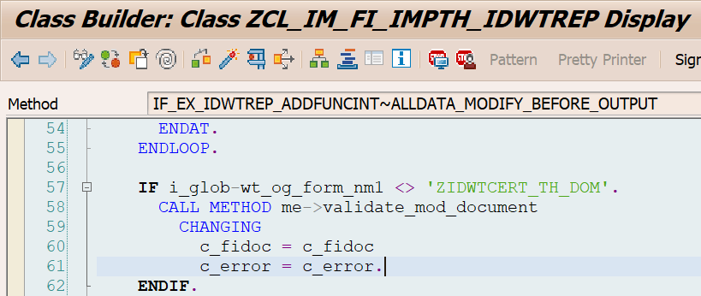
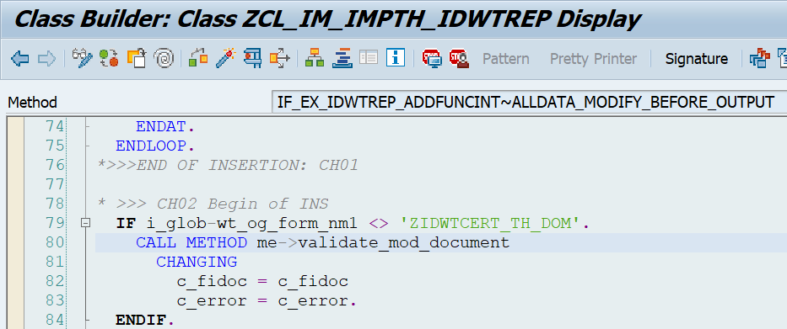
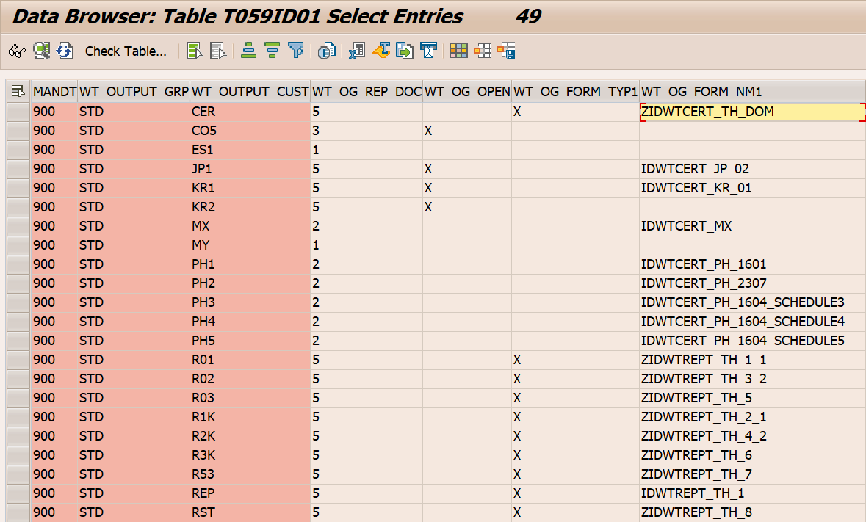
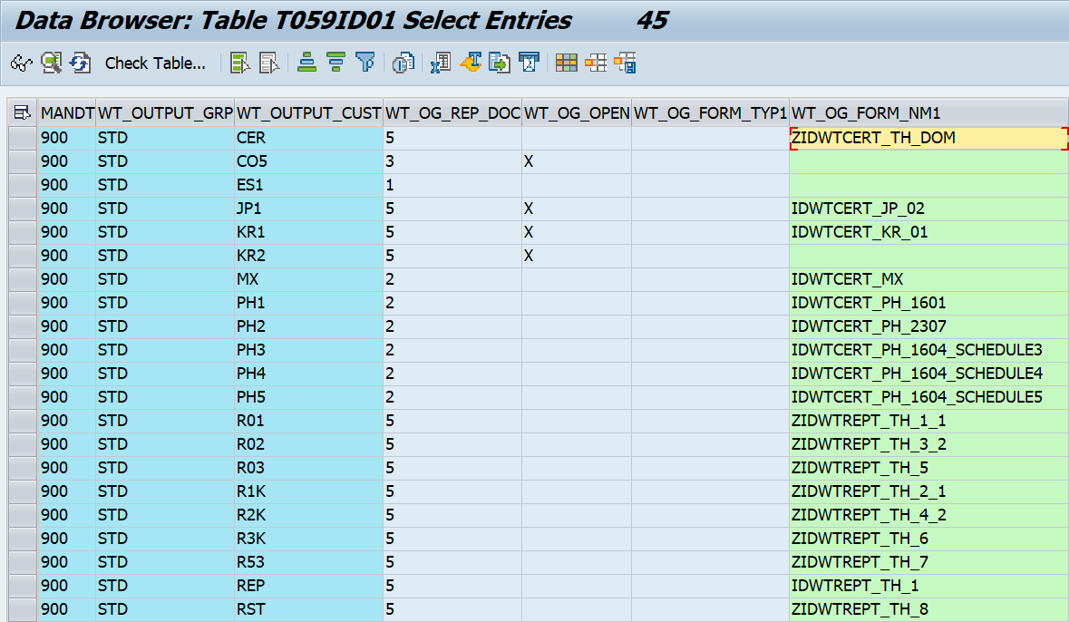
HANA | ECC | Change
METHOD VALIDATE_MOD_DOCUMENT. | METHOD validate_mod_document.
*&---------------------------------------------------------------------*
*& C H A N G E H I S T O R Y *
*&---------------------------------------------------------------------*
*& Developer : Pattra P.
*& Date : 08.04.2022
*& Change ID : CID001
*& Description : Set message
*& Request By : Teerada A.
*& Request No : ERDK912586
*&---------------------------------------------------------------------*
TYPES: | TYPES:
BEGIN OF LTY_BSEG, | BEGIN OF lty_bseg,
BUKRS TYPE BSEG-BUKRS, | bukrs TYPE bseg-bukrs,
BELNR TYPE BSEG-BELNR, | belnr TYPE bseg-belnr,
GJAHR TYPE BSEG-GJAHR, | gjahr TYPE bseg-gjahr,
BUZEI TYPE BSEG-BUZEI, | buzei TYPE bseg-buzei,
BUPLA TYPE BSEG-BUPLA, | bupla TYPE bseg-bupla,
KTOSL TYPE BSEG-KTOSL, | ktosl TYPE bseg-ktosl,
SHKZG TYPE BSEG-SHKZG, | shkzg TYPE bseg-shkzg,
AUGBL TYPE BSEG-AUGBL, | augbl TYPE bseg-augbl,
AUGDT TYPE BSEG-AUGDT, | augdt TYPE bseg-augdt,
LIFNR TYPE BSEG-LIFNR, | lifnr TYPE bseg-lifnr,
CLR_GJAHR TYPE GJAHR, | clr_gjahr TYPE gjahr,
END OF LTY_BSEG. | END OF lty_bseg.

TYPES: LTY_R_LIFNR TYPE RANGE OF LIFNR. | TYPES: lty_r_lifnr TYPE RANGE OF lifnr.

DATA: LT_BSEG TYPE STANDARD TABLE OF LTY_BSEG, | DATA: lt_bseg TYPE STANDARD TABLE OF lty_bseg,
LS_BSEG TYPE LTY_BSEG. | ls_bseg TYPE lty_bseg.
DATA: LT_BSEG_N TYPE STANDARD TABLE OF LTY_BSEG, | DATA: lt_bseg_n TYPE STANDARD TABLE OF lty_bseg,
LS_BSEG_N TYPE LTY_BSEG. | ls_bseg_n TYPE lty_bseg.
DATA: LR_LIFNR TYPE LTY_R_LIFNR, | DATA: lr_lifnr TYPE lty_r_lifnr,
LS_LIFNR TYPE LINE OF LTY_R_LIFNR. | ls_lifnr TYPE LINE OF lty_r_lifnr.
FIELD-SYMBOLS <LFS_BSEG> TYPE LTY_BSEG. | FIELD-SYMBOLS <lfs_bseg> TYPE lty_bseg.
DATA: LS_FIDOC TYPE IDWTFIDOC, | DATA: ls_fidoc TYPE idwtfidoc,
LS_ERROR TYPE IDWTERROR. | ls_error TYPE idwterror.
DATA: LV_DEL TYPE FLAG. | DATA: lv_del TYPE flag.

CONSTANTS: LC_KTOSL TYPE BSEG-KTOSL VALUE 'WIT'. | CONSTANTS: lc_ktosl TYPE bseg-ktosl VALUE 'WIT'.

IF NOT C_FIDOC[] IS INITIAL. | IF NOT c_fidoc[] IS INITIAL.
* Get document line items | * Get document line items
SELECT BUKRS BELNR GJAHR BUZEI BUPLA KTOSL SHKZG AUGBL AUGDT LIFNR | SELECT bukrs belnr gjahr buzei bupla ktosl shkzg augbl augdt lifnr
FROM BSEG INTO TABLE LT_BSEG | FROM bseg INTO TABLE lt_bseg
FOR ALL ENTRIES IN C_FIDOC | FOR ALL ENTRIES IN c_fidoc
WHERE BUKRS = C_FIDOC-BUKRS | WHERE bukrs = c_fidoc-bukrs
AND BELNR = C_FIDOC-BELNR | AND belnr = c_fidoc-belnr
AND GJAHR = C_FIDOC-GJAHR. | AND gjahr = c_fidoc-gjahr.

DELETE LT_BSEG WHERE KTOSL <> LC_KTOSL OR | DELETE lt_bseg WHERE ktosl <> lc_ktosl OR
AUGBL IS INITIAL. | augbl IS INITIAL.
ENDIF. | ENDIF.

* Check data | * Check data
IF LT_BSEG[] IS INITIAL. | IF lt_bseg[] IS INITIAL.
RETURN. | RETURN.
ELSE. | ELSE.

* Set clearing year | * Set clearing year
LOOP AT LT_BSEG ASSIGNING <LFS_BSEG>. | LOOP AT lt_bseg ASSIGNING <lfs_bseg>.
<LFS_BSEG>-CLR_GJAHR = <LFS_BSEG>-AUGDT+0(4). | <lfs_bseg>-clr_gjahr = <lfs_bseg>-augdt+0(4).
ENDLOOP. | ENDLOOP.

* Get clearing document line item | * Get clearing document line item
SELECT BUKRS BELNR GJAHR BUZEI BUPLA KTOSL SHKZG AUGBL AUGDT LIFNR | SELECT bukrs belnr gjahr buzei bupla ktosl shkzg augbl augdt lifnr
FROM BSEG INTO TABLE LT_BSEG_N | FROM bseg INTO TABLE lt_bseg_n
FOR ALL ENTRIES IN LT_BSEG | FOR ALL ENTRIES IN lt_bseg
WHERE BUKRS = LT_BSEG-BUKRS | WHERE bukrs = lt_bseg-bukrs
AND BELNR = LT_BSEG-AUGBL | AND belnr = lt_bseg-augbl
AND GJAHR = LT_BSEG-CLR_GJAHR | AND gjahr = lt_bseg-clr_gjahr
AND KOART = 'K'. | AND koart = 'K'.
ENDIF. | ENDIF.

* Range of The Revenue Department Vendor | * Range of The Revenue Department Vendor
LS_LIFNR-SIGN = 'I'. | ls_lifnr-sign = 'I'.
LS_LIFNR-OPTION = 'EQ'. | ls_lifnr-option = 'EQ'.
* LS_LIFNR-LOW = '0000400001'. "S4HANA DEL | ls_lifnr-low = '0000400001'.
LS_LIFNR-LOW = '0040000001'. "S4HANA INS |  | เจ้าหนี้สรรพากร เปลี่ยน vendor code จาก 0000400001 เป็น 0040000001
APPEND LS_LIFNR TO LR_LIFNR. | APPEND ls_lifnr TO lr_lifnr.
* LS_LIFNR-LOW = '400001'. "S4HANA DEL | ls_lifnr-low = '400001'.
LS_LIFNR-LOW = '40000001'. "S4HANA INS |  | เจ้าหนี้สรรพากร เปลี่ยน vendor code จาก 0000400001 เป็น 0040000001
APPEND LS_LIFNR TO LR_LIFNR. | APPEND ls_lifnr TO lr_lifnr.
CLEAR LS_LIFNR. | CLEAR ls_lifnr.

SORT LT_BSEG BY BUKRS AUGBL CLR_GJAHR. | SORT lt_bseg BY bukrs augbl clr_gjahr.
SORT LT_BSEG_N BY BUKRS BELNR GJAHR. | SORT lt_bseg_n BY bukrs belnr gjahr.

* If the vendor of the cleared doc is not 400001 or not found vendor | * If the vendor of the cleared doc is not 400001 or not found vendor
* delete this document | * delete this document
LOOP AT LT_BSEG INTO LS_BSEG. | LOOP AT lt_bseg INTO ls_bseg.
READ TABLE LT_BSEG_N INTO LS_BSEG_N | READ TABLE lt_bseg_n INTO ls_bseg_n
WITH KEY BUKRS = LS_BSEG-BUKRS | WITH KEY bukrs = ls_bseg-bukrs
BELNR = LS_BSEG-AUGBL | belnr = ls_bseg-augbl
GJAHR = LS_BSEG-CLR_GJAHR | gjahr = ls_bseg-clr_gjahr
BINARY SEARCH. | BINARY SEARCH.
IF SY-SUBRC = 0. | IF sy-subrc = 0.
IF LS_BSEG_N-LIFNR NOT IN LR_LIFNR.. | IF ls_bseg_n-lifnr NOT IN lr_lifnr..
LV_DEL = 'X'. | lv_del = 'X'.
ENDIF. | ENDIF.
ELSE. | ELSE.
LV_DEL = 'X'. | lv_del = 'X'.
ENDIF. | ENDIF.
CLEAR LS_BSEG_N. | CLEAR ls_bseg_n.

IF LV_DEL = 'X'. | IF lv_del = 'X'.
* Keep error message | * Keep error message
READ TABLE C_FIDOC INTO LS_FIDOC | READ TABLE c_fidoc INTO ls_fidoc
WITH KEY BUKRS = LS_BSEG-BUKRS | WITH KEY bukrs = ls_bseg-bukrs
BELNR = LS_BSEG-BELNR | belnr = ls_bseg-belnr
GJAHR = LS_BSEG-GJAHR. | gjahr = ls_bseg-gjahr.
IF SY-SUBRC = 0. | IF sy-subrc = 0.
LS_ERROR-BUKRS = LS_FIDOC-BUKRS. | ls_error-bukrs = ls_fidoc-bukrs.
LS_ERROR-LIFNR = LS_FIDOC-LIFNR. | ls_error-lifnr = ls_fidoc-lifnr.
LS_ERROR-WITHT = LS_FIDOC-WITHT. | ls_error-witht = ls_fidoc-witht.
LS_ERROR-WT_WITHCD = LS_FIDOC-WT_WITHCD. | ls_error-wt_withcd = ls_fidoc-wt_withcd.
LS_ERROR-BELNR = LS_FIDOC-BELNR. | ls_error-belnr = ls_fidoc-belnr.
LS_ERROR-BUZEI = LS_FIDOC-BUZEI. | ls_error-buzei = ls_fidoc-buzei.
LS_ERROR-CTNUMBER = LS_FIDOC-CTNUMBER. | ls_error-ctnumber = ls_fidoc-ctnumber.
LS_ERROR-WT_MSGID = 'ZFIAP'. | ls_error-wt_msgid = 'ZFIAP'.
LS_ERROR-WT_MSGTY = 'E'. | ls_error-wt_msgty = 'E'.
LS_ERROR-WT_MSGNR = '040'. | ls_error-wt_msgnr = '040'.
MESSAGE E040(ZFIAP) INTO LS_ERROR-WT_NATXT. "CID001 INS |  | มีเพิ่มบรรทัดนี้
COLLECT LS_ERROR INTO C_ERROR. | COLLECT ls_error INTO c_error.
CLEAR LS_ERROR. | CLEAR ls_error.
ENDIF. | ENDIF.
CLEAR LS_FIDOC. | CLEAR ls_fidoc.

DELETE C_FIDOC WHERE BUKRS = LS_BSEG-BUKRS | DELETE c_fidoc WHERE bukrs = ls_bseg-bukrs
AND BELNR = LS_BSEG-BELNR | AND belnr = ls_bseg-belnr
AND GJAHR = LS_BSEG-GJAHR. | AND gjahr = ls_bseg-gjahr.
ENDIF. | ENDIF.

CLEAR LV_DEL. | CLEAR lv_del.
ENDLOOP. | ENDLOOP.
CLEAR LS_BSEG. | CLEAR ls_bseg.
ENDMETHOD. | ENDMETHOD.

