Log change
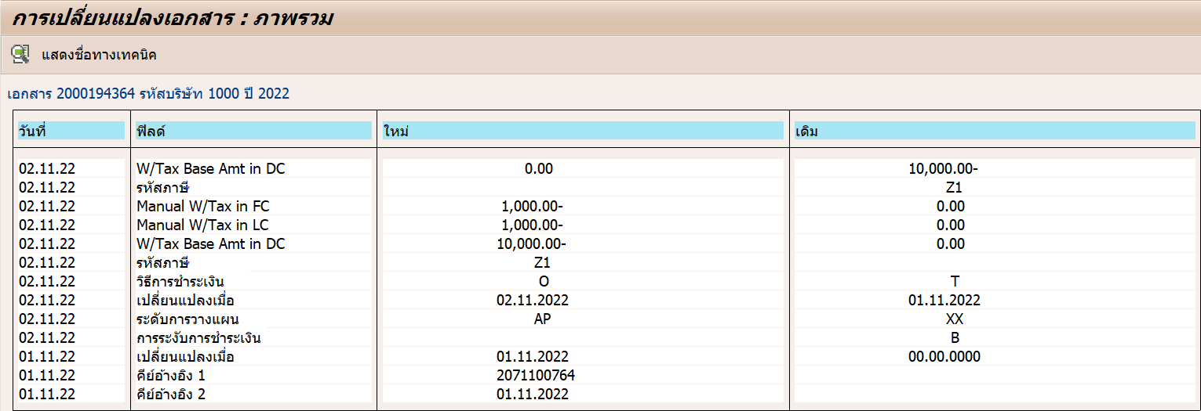
CDPOS | CDPOS | CDPOS | CDPOS | CDHDR | CDHDR | CDHDR | CDPOS | CDPOS | CDPOS | CDPOS | CDPOS | CDPOS | CDPOS | CDPOS
MANDANT | OBJECTCLAS | OBJECTID | CHANGENR | USERNAME | UDATE | UTIME | TABNAME | TABKEY | FNAME | CHNGIND | TEXT_CASE | VALUE_NEW | VALUE_OLD | _DATAAGING
900 | WITH_ITEM | 900100020001943642022 | 47434322 | 183004 | 02.11.2022 | 10:22:06 | WITH_ITEM | 900100020001943642022001P9 | WT_QSSHB | U | 1 | 0.00 | 10000.00-
900 | WITH_ITEM | 900100020001943642022 | 47434322 | 183004 | 02.11.2022 | 10:22:06 | WITH_ITEM | 900100020001943642022001P9 | WT_WITHCD | U | 1 |  | Z1
900 | WITH_ITEM | 900100020001943642022 | 47434314 | 183004 | 02.11.2022 | 10:22:49 | WITH_ITEM | 900100020001943642022001P9 | WT_QBUIHB | U | 1 | 1000.00- | 0.00
900 | WITH_ITEM | 900100020001943642022 | 47434314 | 183004 | 02.11.2022 | 10:22:49 | WITH_ITEM | 900100020001943642022001P9 | WT_QBUIHH | U | 1 | 1000.00- | 0.00
900 | WITH_ITEM | 900100020001943642022 | 47434314 | 183004 | 02.11.2022 | 10:22:49 | WITH_ITEM | 900100020001943642022001P9 | WT_QSSHB | U | 1 | 10000.00- | 0.00
900 | WITH_ITEM | 900100020001943642022 | 47434314 | 183004 | 02.11.2022 | 10:22:49 | WITH_ITEM | 900100020001943642022001P9 | WT_WITHCD | U | 1 | Z1

