ERP Dashbord
Project name :- | Fie Refineries
Module Name:- | Login Page for ERP module and application
Refernece Document: | Fie Refineries Soft operation ppt, Fie Refineries point status docx file, Sauda operations
Created By: | Ajinkya Bhalerao and Madhav Shinde
Date of Creation: | DD-MM-YY
Date of review: | DD-MM-YY

Test cases_ID | Test Scenario | Test Cases | Sub test cases | Test Steps | Expected Result | Actual Result | Status | Comments

Dashboard_001 | https://test.globalinfocloud.com/fie/admin/ | Select the plan and year | Fie Refineries | 1. Click on the year plan on 22 2. Click on year plan on 23 | As selected year plan the particular dashboard will open. | As selected the year plan 22 or 23 the respectively dashboards are open . | Pass | The year plan may be different but the functionality is same.

Dashboard_001 | https://test.globalinfocloud.com/fie/admin/ | Master tab | HSN master | 1. Click on the Master 2. Click on HSNMaster | HSN Master page should be open with list and add HSN and search field. | Dispalying the HSN list with ADD HSN tab and search field | Pass | THe HSN tab is working properly.
 |  |  |  | 1. Click on ADD HSN master 2. Click on save button | Values should be save and displayed on the list | The values and description is added by clicking on the save button. | Pass | Adding Hsn code is successful done.
 |  |  |  | 1. Click on the Master 2. Click on HSNMaster 3. Click on Delete | After Clicking on the delete button the HSN code should not be seen | Clicking on the delete button a confirmation message pop up ask the permission to delete after confirmation done the code is delete. | Fail on 4- may 2023 Pass on 5- May- 2023 | Need to work done on deleting page (4-5-23). Deleting tab is working properly(5-5-23)

 |  |  | Main Item Group ID | 1. Click on the Master 2. Click on MainItemGroupID 3. Double clicking on MainItemGroupID | Double clicking on MainItemGroupID the list is visible. | To view items list click on master tab then select MainItemGroup and double click on MainItemGroupId list is visible . | Pass | The tab is working fine.

 |  |  | ItemsSubGroupID | 1. Click on the Master 2. Click on ItemSubGroupID 3. Double clicking on ItemSubGroupID | Double clicking on ItemSubGroupID the list is visible. | To view items list click on master tab then select ItemSubGroup and double click on ItemSubGroupId list is visible . | Pass | The tab is working fine.

 |  |  | Items | 1. Click on the Master 2. Click on Items 3. Double clicking on Item Code | Double clicking on Item Code the list is visible. | To view items list click on master tab then select Items and double click on Item Code list is visible . | Pass | The tab is working fine.
 |  |  |  | 1. Click on the Master 2. Click on Items | Fill the fields for new entries and save | While filling the fields the GST labelling, Quental qty and decimal point(.) in item weight in quintal qty, bardana amt are noeed to be change | Fail (4- May-23) Pass (5-May-23) | Need validation(4-5-23). The tab is working properly(5-5-23). | 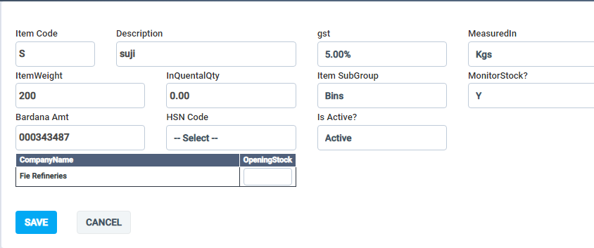

 |  |  | AccountType | 1. Click on the Master 2. Click on AccountType | The tab will show the list of account type | On double clicking the list is visible and New account is added by clicking on save button. | Pass | The tab is working fine.

 |  |  | Account Group | 1. Click on the Master 2. Click on AccountGroup | The tab will show the list of account group list with add tab | The account group page is visibile with the list and we can add new entries by filling the required filled and clicking add button. | Pass | The tab is working fine.

 |  |  | Account Sub Group | 1. Click on the Master 2. Click on Account subGroup | The tab will show the list of account sub group list with add tab | The account sub group page is visibile with the list and we can add new entries by filling the required filled and clicking add button. | Pass | The tab is working fine. | 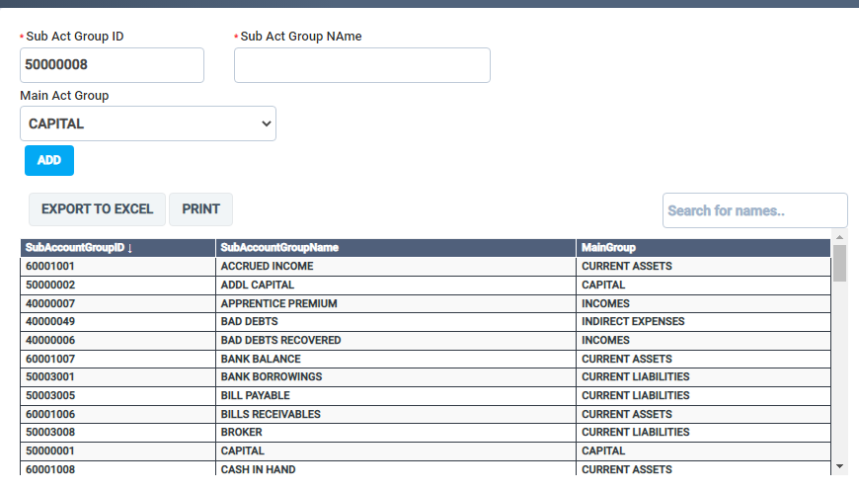

 |  |  | Transport Master | 1. Click on the Master 2. Click on Transport Master | Fill the fields for new entries and save | All fields are taking inputs correctly accept Pincode, Email-ID, IFSCno. | Fail(5-May- 2023) pass (10 -5) | The page is working properly.

 |  |  | Locality Master | 1. Click on the Master 2. Click on Locality Master | Fill the fields for new entries and save | All fields are taking inputs correctly accept Pincode. | Fail(5-May- 2023) pass (10 -5) | The page is working properly.

Dashboard_002 | https://test.globalinfocloud.com/fie/admin/ | Vendors and Brokers | Sale vendor | 1. Click on the Vendor &brokers 2. Click on Sale vendor | Fill the fields for new entries and save | 1. Account No 2. Alies 3.Account Name 4.First name 5.Lastname 6. Mobileno 7. mobile2 8. EmailId 9. GSTIN 10.PAN number 11. Aadhar number 12. Bank Account no. 13. Bank Account Name 14. Bank Name 15.IFSC No. 16. Is Active? 17. Longititude 18. Latitude 19.Address 20.Locality 21.State 22. City 23. Pincode | 1. Pass 2. Pass 3. Pass 4. Pass 5.Pass 6.Pass 7. Font shoulde change 8. Need validation(5-5) pass (10-5) 9. Need validation(5-5) pass(10-5) 10. Pass 11. Pass 12. Pass 13. Need validation(5-5) pass(10-5) 14. Need validation (5-5)pass(10-5) 15. Need validation (5-5)pass(10-5) 16. Pass 17. Pass 18.Pass 19. Pass 20. Pass 21. Pass 22. Pass 23. Need validation (5-5)pass(10-5) | The page is working properly.the GSTIN should match with Pan number. | 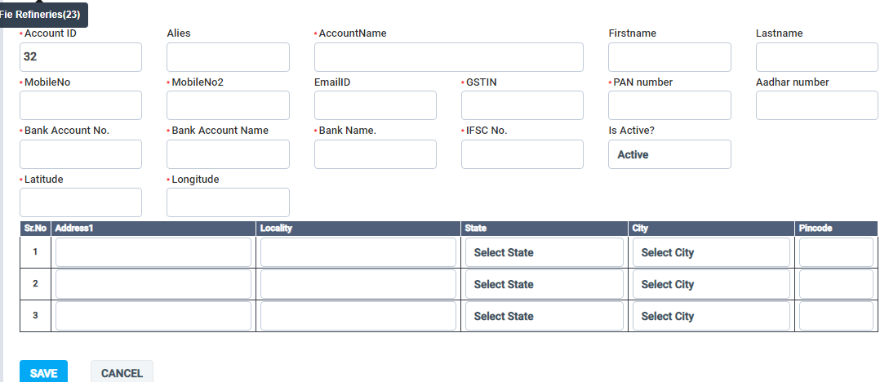

Dashboard_003 | https://test.globalinfocloud.com/fie/admin/ |  | Broker Master | 1. Click on the Vendor &brokers 2. Click on Broker Master | Fill the fields for new entries and save | 1. Account No 2.Broker Name 3. Mobileno 4. mobile2 5. EmailId 6. GSTIN 7.PAN number 8. Aadhar number 9. Bank Account no. 10. Bank Account Name 11. Bank Name 12.IFSC No. 13. Is Active? 14. Longititude 15. Latitude 16.Address 17.Locality 18.State 19. City 20. Pincode | 1. Pass 2. Pass 3. Pass 4. Font shoulde change 5. Need validation(5-5)pass(10-5) 6. Need validation(5-5)pass(10-5) 7. Pass 8. Pass 9. Pass 10. Need validation(5-5)pass(10-5) 11. Need validation (5-5)pass(10-5) 12. Need validation (5-5)pass(10-5) 13. Pass 14. Pass 15.Pass 16. Pass 17. Pass 18. Pass 19. Pass 20. Need validation (5-5)pass(10-5) | The page is working properly.the GSTIN should match with Pan number. | 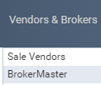 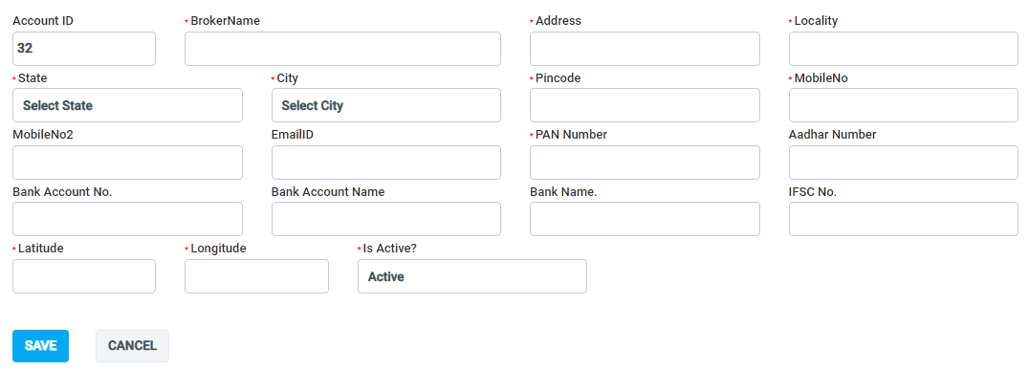

Dashboard_004 | https://test.globalinfocloud.com/fie/admin/ |  | Vendor Master | 1. Click on the Vendor &brokers 2. Click on Vendor Master | Fill the fields for new entries and save | 1. Account No 2. Alies 3.Account Name 4.First name 5.Lastname 6. Mobileno 7. Alt Mobile no 8. EmailId 9. GSTIN 10.PAN number 11. Aadhar number 12. Bank Account no. 13. Bank Account Name 14. Bank Name 15.IFSC No. 16. Is Active? 17. Longititude 18. Latitude 19.Address 20.Locality 21.State 22. City 23. Pincode | 1. Pass 2. Pass 3. Pass 4. Pass 5.Pass 6.Pass 7. Pass 8. Need validation(5-5) pass(10-5) 9. Need validation(5-5) pass(10-5) 10. Pass 11. Pass 12. Pass 13. Need validation(5-5)pass (10-5) 14. Need validation (5-5)pass (10-5) 15. Need validation (5-5)pass(10-5) 16. Pass 17. Pass 18.Pass 19. Pass 20. Pass 21. Pass 22. Pass 23. Need validation (5-5) pass(10-5) | The page is working properly. (the save tab is not working (10-5-23)) even the GSTIN should match with Pan number. | 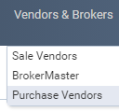 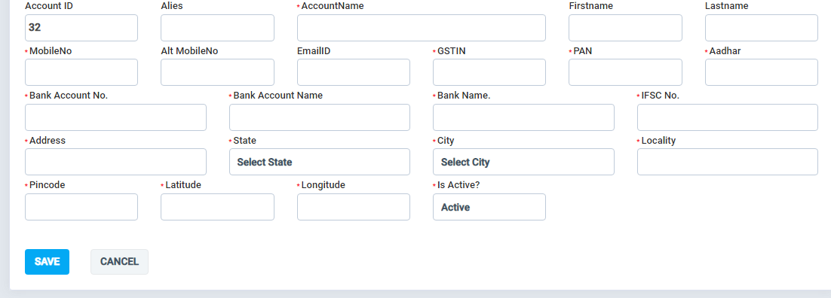

Dashboard_005 | https://test.globalinfocloud.com/fie/admin/ | Transport Master | City wise Transport Report | 1. Click on the Transport Report 2. Click on City wise Transport Report | Select the city and list will be display. | Select the city from the dropdown and apply filter. The list is display according to the city. | Pass | The cities name should be in chronological order. | 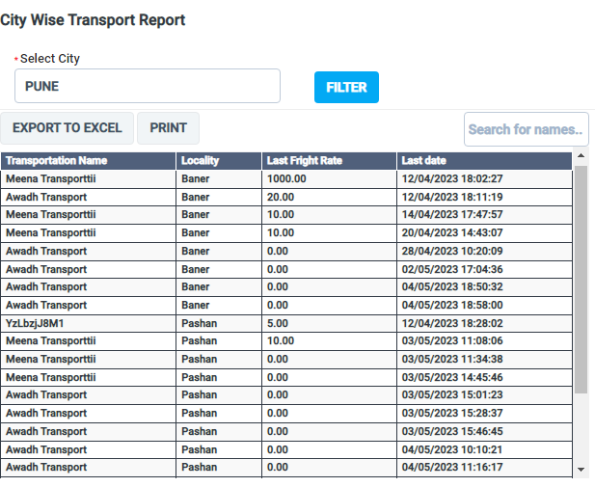

 |  |  | Locality wise Transport Report | 1. Click on the Transport Report 2. Click on Locality wise Transport Report | Select the locality and list will be display. | Select the locality from the dropdown and apply filter. The list is display according to the locality. | Pass | The page is working properly.

 |  |  | Transport wise report | 1. Click on the Transport Report 2. Click on Transport wise Report | Select the transport list and list will be display. | Select the trasnport list from the dropdown and apply filter. The list is display according to the locality. | Pass | The transport name should be in chronological order.

 |  |  | Party wise Transport | 1. Click on the Transport Report 2. Click on Party wise Transport | Select the Party and list will be display. | Select the Party list from the dropdown and apply filter. The list is display according to the locality. | Pass | The page is working properly.

 |  |  | Vehicle Premises | 1. Click on the Transport Report 2. Click on Vehicle Premises | The vehicle list will be visible | After selecting the vehicle Id the status and the details of the vehicle is visible | Pass | The page is working properly.

Dashboard_006 | https://test.globalinfocloud.com/fie/admin/ | Production | Production Order | 1. Click on the Production 2. Click on Production Order | Creating order from raw material to finished good | For creating order of finished good the date tab should be selected by adding theraw material and click on save button | Pass | The page is working properly.

 |  |  | Production list | 1. Click on the Production 2. Click on Production list | The production list should be visible. | After applying the date and clicking on show button the production list is visible. | Pass | The page is working properly.

 |  |  | Conversion | 1. Click on the Production 2. Click on Conversion | Creating Finished goods from material to finished good. | For creating conversion from finished good to Finished goods the date tab should be selected by adding the items and click on save button. | Pass | The page is working properly.

 |  |  | Conversion list | 1. Click on the Production 2. Click on Conversion List | The Conversion list should be visible. | After applying the date and clicking on show button the conversion list is visible. If want to check item or update the page click on Id to check or update | Pass | The page is working properly.

Dashboard_007 | https://test.globalinfocloud.com/fie/admin/ | Misc.Report | Stock Position | 1. Click on the Misc.Report 2. Click on Stock Position | The Avialibility of the stock is visible. | The stock list is visible. | Pass | The page is working properly.

Dashboard_008 | https://test.globalinfocloud.com/fie/admin/ | Sales | Create Sauda | 1. Click on the Sales 2. Click on Create Sauda | The new Sauda should be created for Sale order. | Filling the tabs and the required Sauda type and Items added click on save button. And the sauda list page is visible after saving. | Pass | The page is working properly.

 |  |  | Sauda List | 1. Click on the Sales 2. Click on Sauda List | The all the sauda list is visible | If sauda is not created and want to look the sauda list whose status are completed and pending when can select the sauda list is visible. on clicking the Sauda Id we edit the data or udate the data if needed. | Pass | The page is working properly.

 |  |  | Add order sale | 1. Click on the Sales 2. Click on Add order sale | Adding order should be done against pending sauda. | For Adding the sale order the sauda type should be pending. This tab will finialize the transport by filling the details of the transport the fields. | Pass | The page is working properly.

 |  |  | Sale order list | 1. Click on the Sales 2. Click on Saleorder list | The vehicles according to the status should be visible | According to the vehicles status applying the filter we can visible the vehicles list and clicking on Id the form is generated and status isupdated accordingly. | Pass | The page is working properly.

 |  |  | Cash sale order | 1. Click on the Sales 2. Click on cash sale order | The vehicles should be visible which are entered by the security person directly. | When the vehicles directly come for sale order the security person fill the details and update this process is seen by changing the status the vehicles list are visible after filing the details the status is changed by senior staff. | Pass | The page is working properly.

 |  |  | Sale Return | 1. Click on the Sales 2. Click on sale return

Dashboard_009 | https://test.globalinfocloud.com/fie/admin/ | HR Records | Dash boards | 1. Click on the HR records 2. Click on Dashborads | The tab should show the records of various department. | The graph for various department is visible. | Pass | The page is working properly.

 |  |  | Job description | 1. Click on the HR records 2. Click on Job Description | The tab shows the list of the employees | The page describes the persons involve in different roles . The new position job form tab is visible to add new employe. | Pass | The page is working properly. | 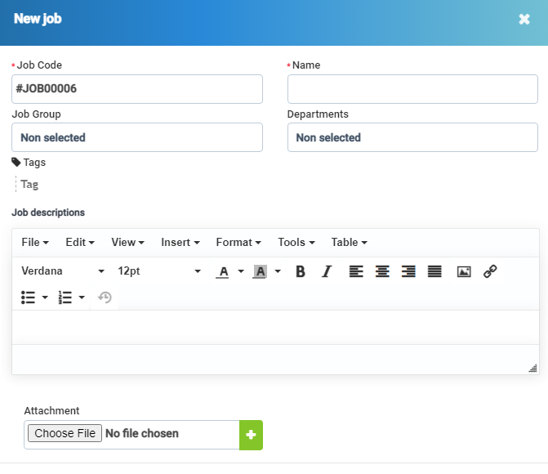

 |  |  | Org chart | 1. Click on the HR records 2. Click on Org chart | The tab should show the list of the operation | The page describes the number of person involve in operations and new unit chart is also prepared | Pass | The page is working properly.

 |  |  | Onboarding | 1. Click on the HR records 2. Click on Onboarding | The tab should show the Onboarding list | The list is visible added and deleted. | Pass | The tab is working fine.

 |  |  | HR records | 1. Click on the HR records 2. Click on HR records | The list of employee profiles should be visible | All the list are visible with new staff member adding tab | Pass | The page is working properly.

 |  |  | Training | 1. Click on the HR records 2. Click on Training | The list of training programs and libraries are visible. | The list are visible and add tab is adding new entries. | Pass | The page is working properly.

 |  |  | Contracts | 1. Click on the HR records 2. Click on Contracts | The list of Contracts should be visible | The list is not visible after applying filter and add new contract form is not able to select the contract type. | Fail | Needs to work on page.

 |  |  | Dependants | 1. Click on the HR records 2. Click on Dependants | The list of Dependants should be visible. | Right now data entries are not found after applying the filter | Fail | Needs to work on page.

 |  |  | Lay off checklist | 1. Click on the HR records 2. Click on Lay off checklist | The list of Lay off checklist should be visible. | Adding the new check can be done, data is not found | Pass | The page is working properly.

 |  |  | Q&A | 1. Click on the HR records 2. Click on Q&A | It should shows the groups and New articles | Showing groups and New articles tab | Pass | The page is working properly.

 |  |  | HR Reports | 1. Click on the HR records 2. Click on HR Reports | The tab should show the details of each field. | The page is showing the details of each page. | Pass | The page is working properly.

 |  |  | Settings | 1. Click on the HR records 2. Click on Settings | All the settings tab shouls be visible. | The page is showing the settings of required page. | Pass | The page is working properly.

 |  | Timesheets & Leave | Attendance | 1. Click on the Timesheets & leave 2. Click on Attendance | The attendance list of all the employee is visible. | The page is showing the details of the employee attendance. We can select the particular employee we can see the attendace details. The check in and check out tab is also visible. | Pass | The page is working properly.

 |  |  | Leave | 1. Click on the Timesheets & leave 2. Click on Leave | The leave page should show the list and also tab Leave application and Additional Work Hours tab. | The list is visible and also Apply for leave Tab also seen. In this tab shows a success messagae and stay on the page if we refresh the page a pop message will appear of two tab countinue and cancel if countinue tab is clicked the application is added again and if cancel tab is clicked it stays on the same page. | Pass | Need to work on the page.

 |  |  | Work Shift Table | 1. Click on the Timesheets & leave 2. Click on Work Shift Table | The page shows the list of the working shift table is visible. | The list is visible for all the members but filters are applied | Pass | The page is working properly.

 |  |  | Shift | 1. Click on theTimesheets & leave 2. Click on Shift | The shift shows the New tab in which the shift is created for the employee. | The shift is created by clicking on new shift and adding the shift in the calender. the table is seen when the save tab is open. | Pass | The page is working properly.

 |  |  | Shift Categories | 1. Click on the Timesheets & leave 2. Click on Shift Categories | The tab shows the shift categories list. | For creating the new shift The ADD tab is notworking properly. | Fail | The ADD tab is not working properly.

 |  |  | Report | 1. Click on the Timesheets & leave 2. Click on Report | The page shows the report for all the tab | The reports are visible for all the tab according to the months. | Pass | The page is working properly.

 |  |  | Settings | 1. Click on the Timesheets & leave 2. Click on Settings | The page shows the settings tab for Timesheets, Leave, Holiday and much more. | The settings can be done according with the needs. | Pass | The page is working properly.

Dashboard_010 | https://test.globalinfocloud.com/fie/admin/ | HR Payroll | Employees | 1. Click on the HR Payroll 2. Click on Employees | The Page should show the details of the employee with their income tax number. | The page shows the details of each employee | Pass | The page is working properly.

 |  |  | Attendance | 1. Click on the HR Payroll 2. Click on Attendance | The page shows the calculation hours list. | The calculation Column is seen. | Pass | The page is working properly.

 |  |  | Commissions | 1. Click on the HR Payroll 2. Click on Commissions | The page shows the list of employees who got the commissions. | The Commissions list is visible with the list of employees. | Pass | The page is working properly.

 |  |  | Salary Deductions | 1. Click on the HR Payroll 2. Click on Salary Deductions. | The page should shows the salary deduction against each employee. | The salary deduction column is not visible against employees. | Fail | The column is not visible.

 |  |  | Bonus kpi | 1. Click on the HR Payroll 2. Click on Bonus Kpi | The tab should show the records of Employesswho recieved bonus. | The Bonus Kpi column is visible for the employees. | Pass | The page is working properly.

 |  |  | Staff Insurance | 1. Click on the HR Payroll 2. Click on Staff Insurance | The page should shows the staff Insurance against each employee. | The staff Insurance column is not visible against employees. | Fail | The column is not visible.

 |  |  | Pay slips | 1. Click on the HR Payroll 2. Click on pay slips | The tab should shows the list of pay slips . | The tab is working properly. | Pass | The page is working properly. The Pay slip tab should be under the Pay slip Template.

 |  |  | Payslip Template | 1. Click on the HR Payroll 2. Click on payslip template. | The pay slip template should be created and should be visible. | The payslip is created successfully. | Pass | The tabs are working properly and list is also visible.

 |  |  | Income taxes | 1. Click on the HR Payroll 2. Click on payslip template. | The taxes column should be visible against each employee. | The list of taxes is visible for each employee. | Pass | The page is working properly.

 |  |  | Reports | 1. Click on the HR Payroll 2. Click on Reports | The page shows the report for all the tab | The reports are visible for all the tab according to the months. | Pass | The page is working properly.

 |  |  | Settings | 1. Click on the HR Pay roll 2. Click on Settings | The page shows the settings tab for Income tax Rates, Income Tax Rebats, Salary deductions, Reset data and much more. | The settings can be done according with the needs. | Pass | The page is working properly.

 |  | Utilities | Media | 1. Click on Utilities 2. Click on Media | The page should show a pdf file. | The file is downloaded. | Pass | The page is working properly.

 |  |  | Bulk PDF Export | 1. Click on Utilities 2. Click on Bulk PDF Export | The form should be fillied with export . | The report is created and can be exported by clicking the export button. | Pass | The page is working properly.

 |  |  | Calendar | 1. Click on Utilities 2. Click on Calendar | The page shows the description on the particular day, week & month. | On double clicking the event page is opened add details and click on save button. | Pass | The page is working properly.

 |  |  | Announcements | 1. Click on Utilities 2. Click on Announcements | The new updates are announced to all staff, clients or by name. | By clicking on New Announcements tab settings can be done and announcements can be visible. | Pass | The page is working properly.

 |  |  | Activity log | 1. Click on Utilities 2. Click on Activity Log | The activity log shows the all the activity according to the dates. | All the activities are visible. | Pass | The page is working properly.

 |  |  | Tickect Pipe Log | 1. Click on Utilities 2. Click on Tickect Pipe Log | This activity used by clients for raising the tickects. | The raised tickects can be seen. | Pass | The page is working properly.

Dashboard_011 | https://test.globalinfocloud.com/fie/admin/ | Reports | Sales | 1. Click on Reports 2. Click on Sales | The page shows the tab Sales reports | The Invoice Reports, Items Report,and much more Reports are seen with charts based reports. | Pass | The page is working properly.

 |  |  | Expenses | 1. Click on Reports 2. Click on Expenses | The page shows the graphical description. | The Graphs shows the Expenses which are billed and expenses which are not billed | Pass | The page is working properly.

 |  |  | Expenses vs Income | 1. Click on Reports 2. Click on Expenses vs Income | The Graphical picture shows the comparison in two terms. | The ruppee symbol is not visible. The Graphical shows the comparision. | Pass | The rupee symbol is not visible.

 |  |  | Leads | 1. Click on Reports 2. Click on Leads | The page shows the leads description. | The leads description is visible month wise. | Pass | The page is working properly.

 |  |  | Timesheets | 1. Click on Reports 2. Click on Timesheets | The page shows the description of the timesheets for particular staff members according to the period. | The page shows the timesheets of employees. | Pass | The page is working properly.

 |  |  | Knowledge base articles | 1. Click on Reports 2. Click on Knowledge base articles | The page should show the articles added to the system

Dashboard_012 | https://test.globalinfocloud.com/fie/admin/ | Purchase | Vendor list | 1. Click on the Purchase 2. Click on Vendor list | The list should show the names of vendors. | The list only shows the names saved earlier. | Fail (10- 5) | The tab is under working condition.

 |  |  | Purchase order | 1. Click on the Purchase 2. Click on Purchase order | Creating a new purchase order. | The Purchase order is created by selecting the sauda type and filling the party name here we need to add the items by selecting the items. The order is created by clicking on saving the tab. | Pass | The page is working properly.

 |  |  | Purchase list | 1. Click on the Purchase 2. Click on Purchase list | The purchase order list should be visible. | The all new purchase order list is visible showingthe status of pending or completed. But now after completing the sauda the status is not changed. | Fail (10-5) | The tab is under working condition.

 |  |  | Cash purchase | 1. Click on the Purchase 2. Click on Cash Purchase | This tab shows the list of purchase order after the unloading is done. | After the unloading and the empty weight is measured, it is send for bill generation. The senior manager will apply the filter and click on ID the details page will open and filling the required details. and mark the status for ready to exit. The senior manager will also update for the payment is completed or not. | Pass | The page is working properly.

 |  |  | Settings | This page is not required.

 |  |  | Sauda Reconciliation. | 1. Click on the Purchase 2. Click on Sauda Reconciliation | In theis tab the purchase sauda status is changed if meet the required condition. | If the payment is unpaid the list of the vehicles can be seen. Selecting the particular purchase sauda and select the option from list. If the condition meets the sauda will change the status to complete by saving tab which can be seen Purchaselist. If the required is not meet the sauda will be in pending status only. | Pass | The page is working properly.

