Sheet1
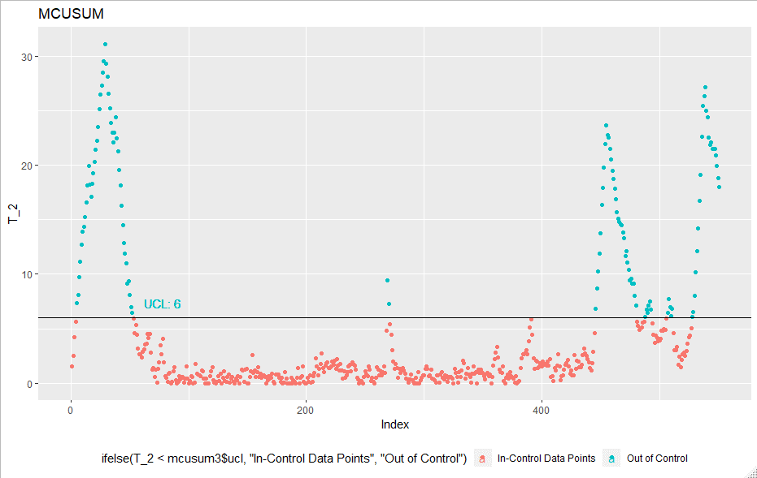
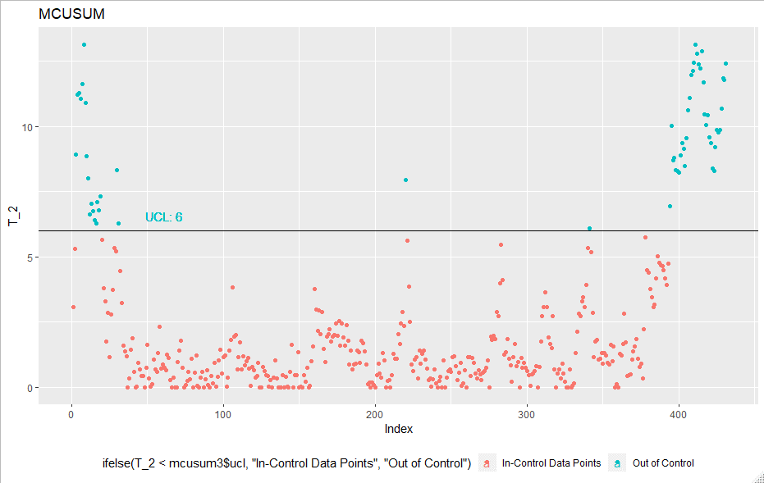
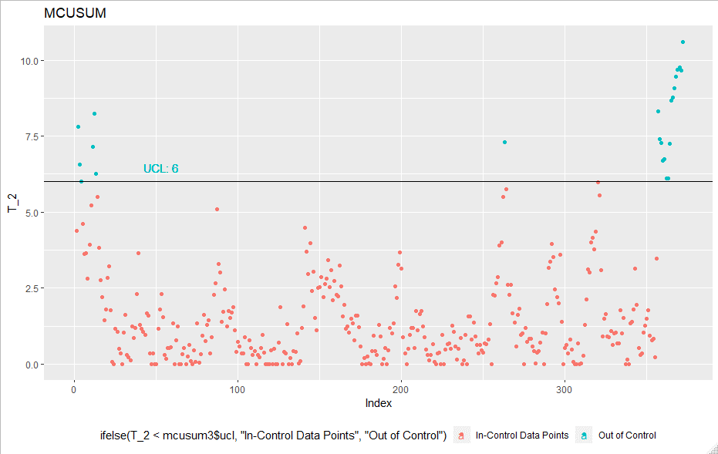
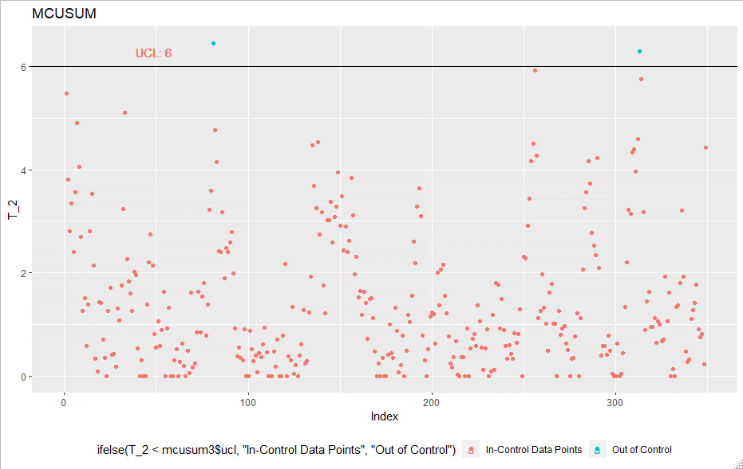
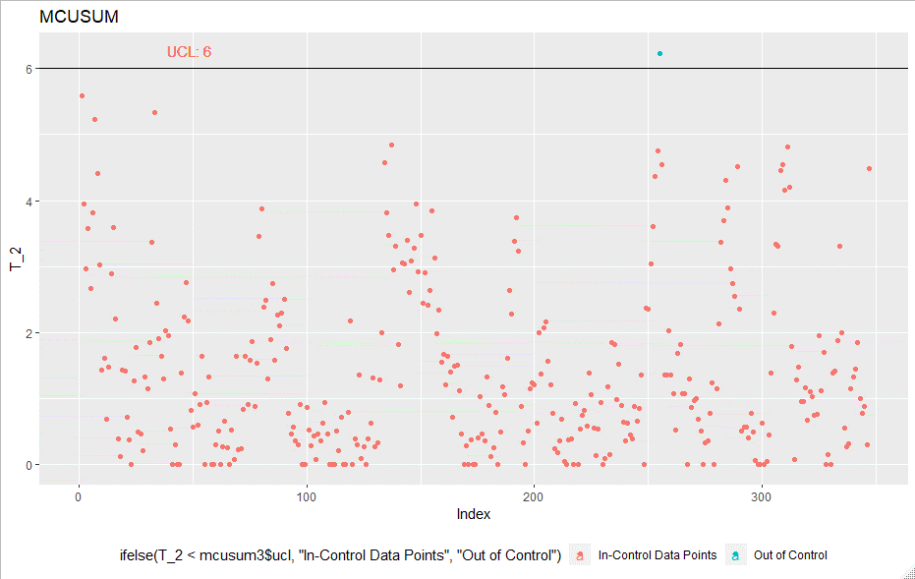
 |  |  |  |  |  | Iteration 1 | Iteration 2 |  | Iteration 3 |  | Iteration 4 |  |  | Iteration 5
MCUSUM | Iteration | UCL | LCL | Outliers | In-Control |  |  |  |  |  |  |  |  |  |  | Iteration 6
 | Initial | - | - | - | 551
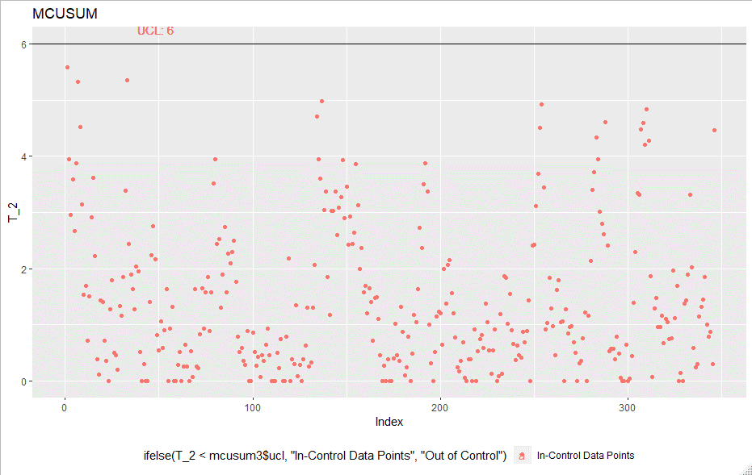
 | 1 | 6 | - | 120 | 431
 | 2 | 6 | - | 59 | 372
 | 3 | 6 | - | 23 | 349
 | 4 | 6 | - | 2 | 347
 | 5 | 6 | - | 1 | 346
 | 6 | 6 | - | 0 | 346

Final In-Control Points | 346

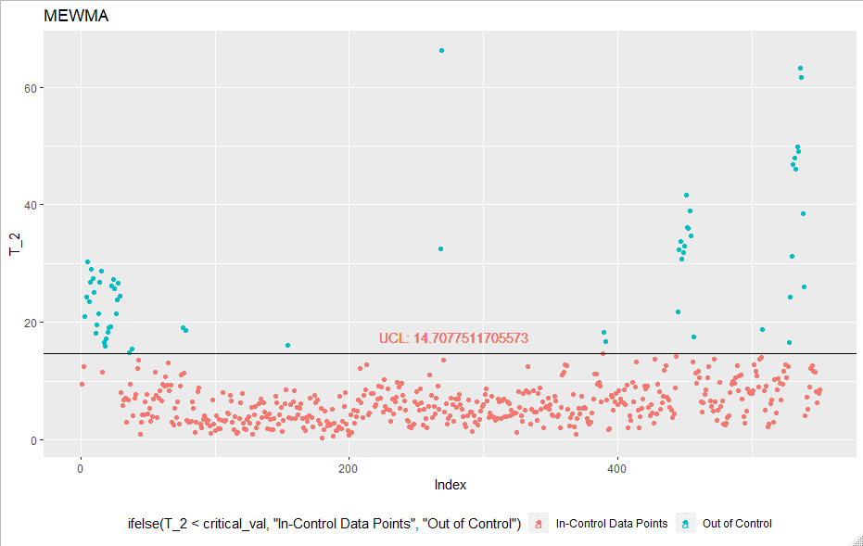
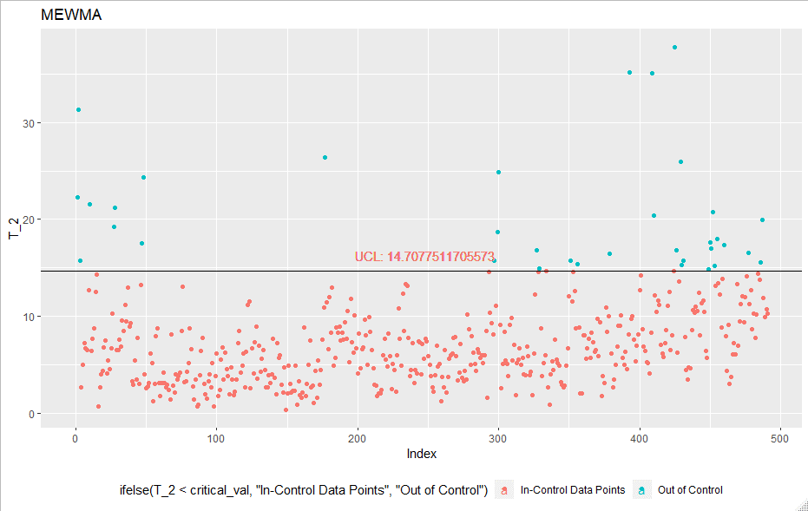
 |  |  |  |  |  | Iteration 1 | Iteration 2
 |  |  |  |  |  |  |  |  | Iteration 3 | Iteration 4
 |  |  |  |  |  |  |  |  |  |  |  |  |  |  | Iteration 5
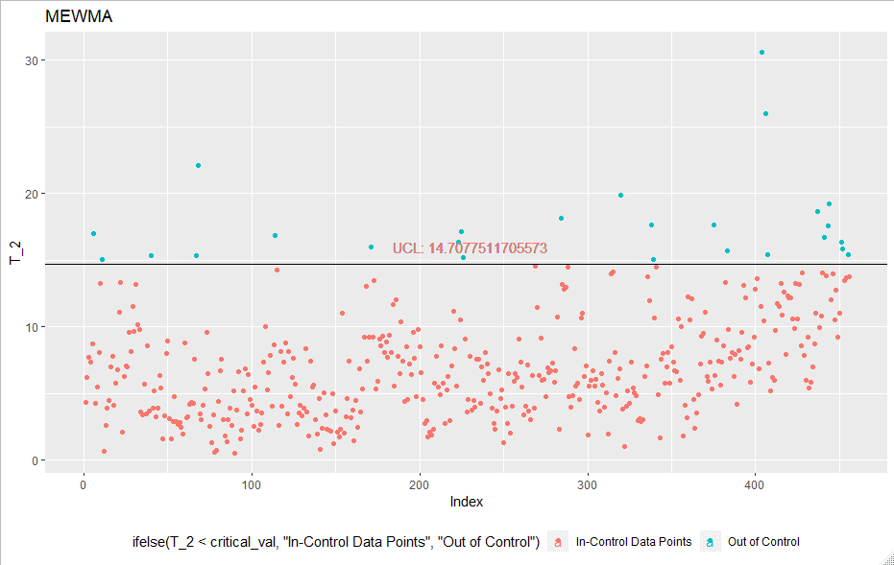
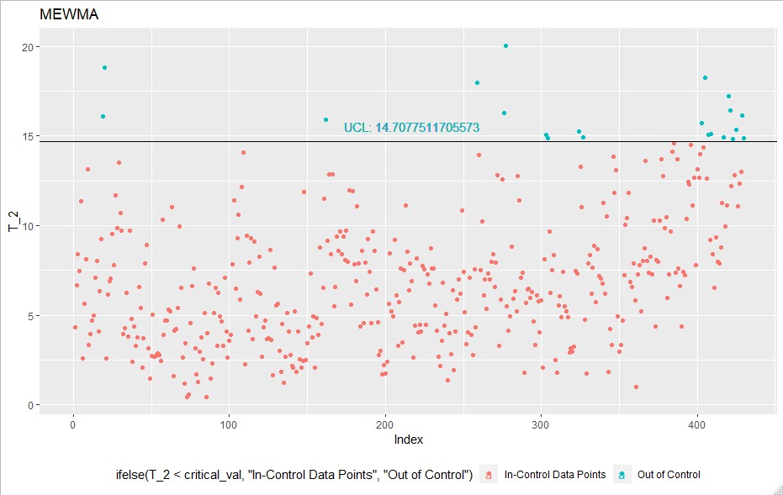
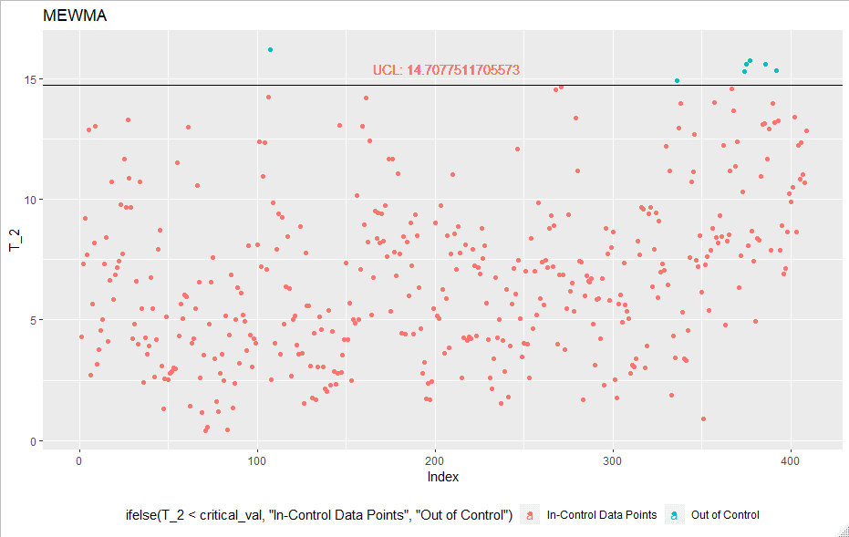
 |  |  |  |  |  |  |  |  |  |  |  |  |  |  |  | Iteration 6 |  | iteration 7
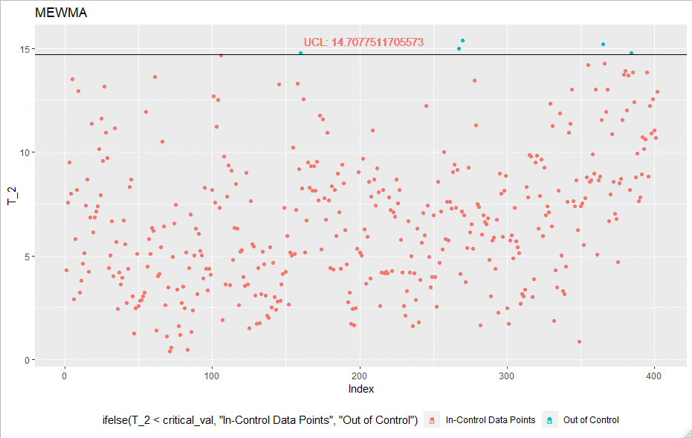
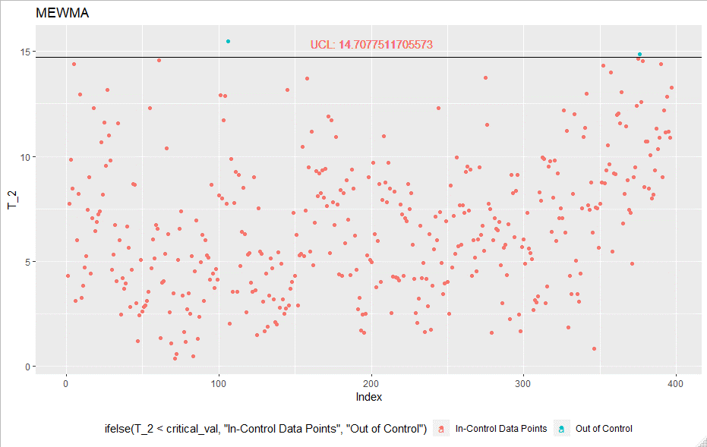
 |  |  |  |  |  |  |  |  |  |  |  |  |  |  |  |  |  |  |  | iteration 8
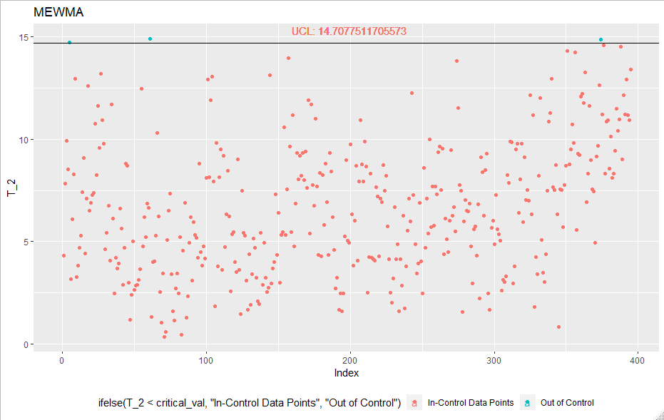
 |  |  |  |  |  |  |  |  |  |  |  |  |  |  |  |  |  |  |  |  |  | Iteration 9
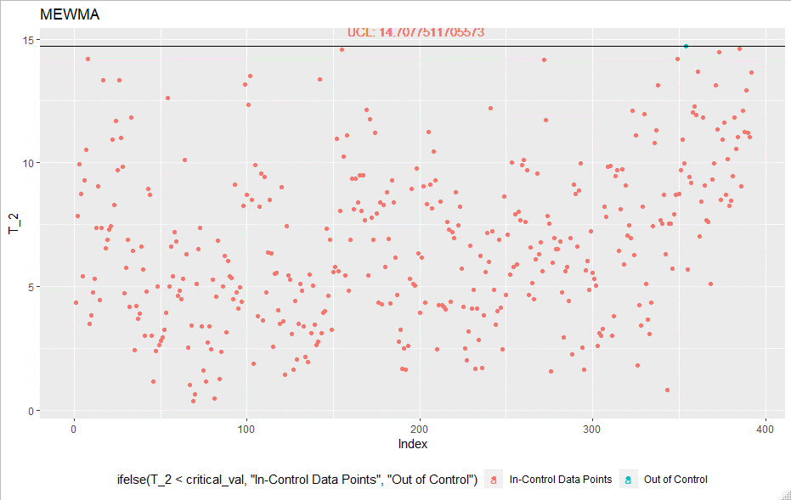
MEWMA | Iteration | UCL | LCL | Outliers | In-Control |  |  |  |  |  |  |  |  |  |  |  |  |  |  |  |  |  | Iteration 10 | Iteration 11

 | Initial | - | - | - | 551
 | 1 | 14.71 | - | 60 | 491
 | 2 | 14.71 | - | 35 | 456
 | 3 | 14.71 | - | 26 | 430
 | 4 | 14.71 | - | 21 | 409
 | 5 | 14.71 | - | 7 | 402
 | 6 | 14.71 | - | 5 | 397
 | 7 | 14.71 | - | 2 | 395
 | 8 | 14.71 | - | 3 | 392
 | 9 | 14.71 | - | 1 | 391
 | 10 | 14.71 | - | 1 | 390
 | 11 | 14.71 | - | 0 | 390

Final In-Control Points | 395

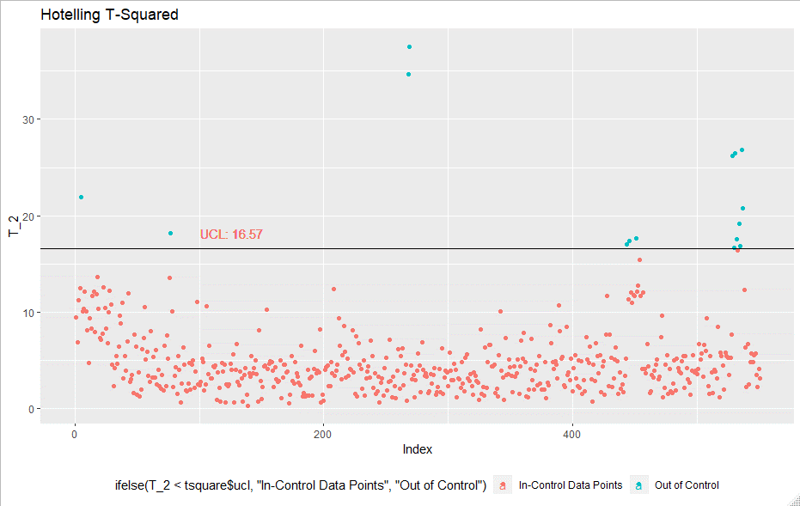
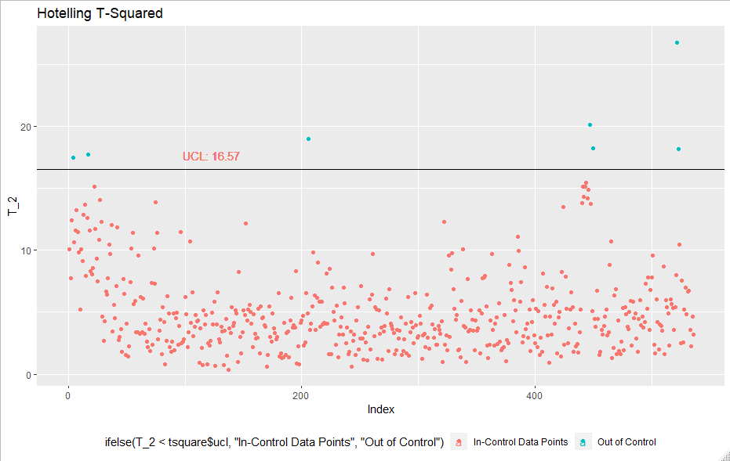
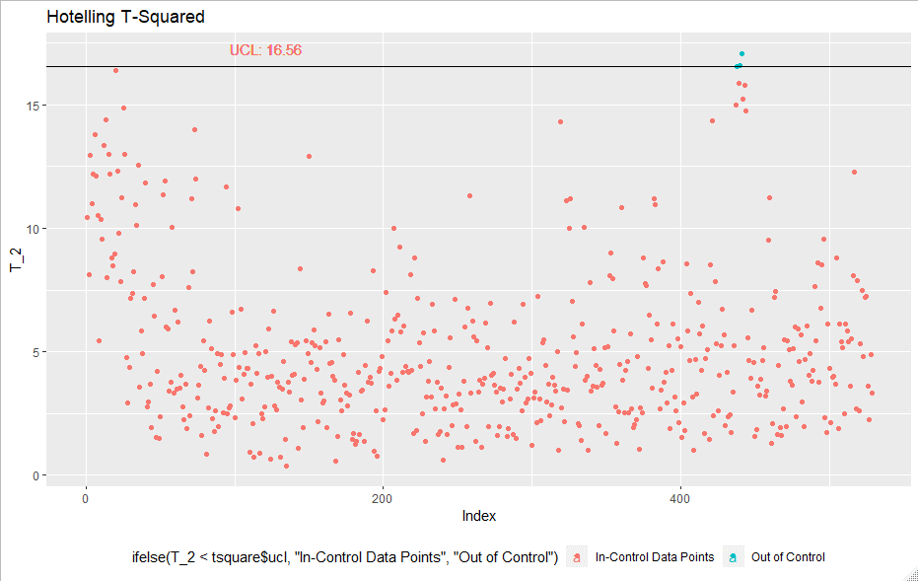
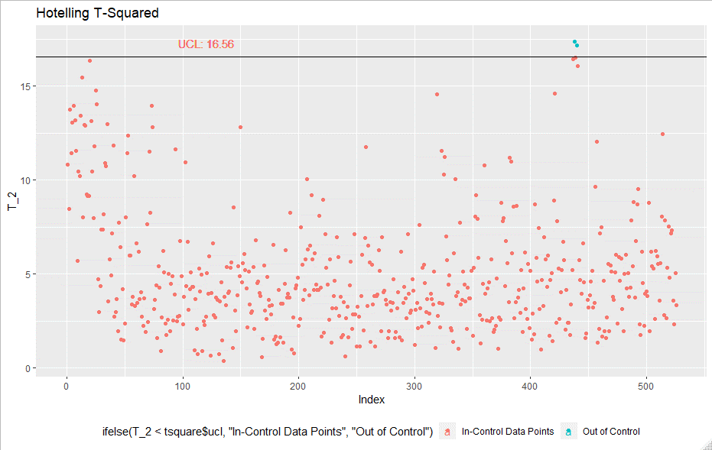
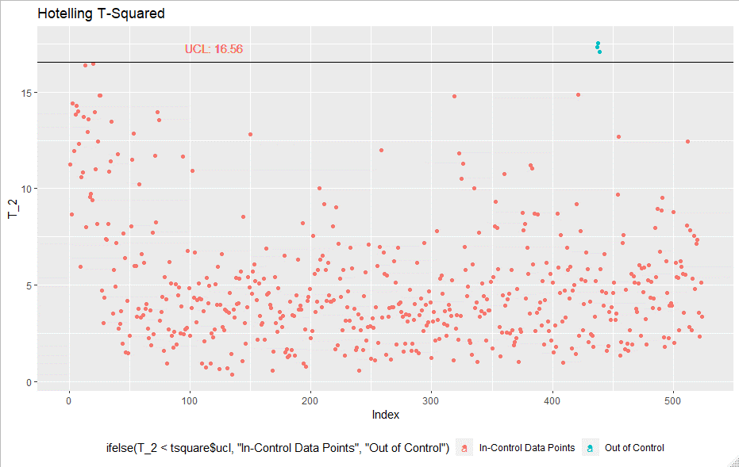
 |  |  |  |  |  | Iteration 1 | Iteration 2 |  | Iteration 3
Hotelling T-Square | Iteration | UCL | LCL | Outliers | In-Control |  |  |  |  |  |  | Iteration 4 |  | Iteration 5
 | Initial | - | - | - | 551
 | 1 | 16.57 |  | 15 | 536
 | 2 | 16.57 |  | 7 | 529
 | 3 | 16.57 |  | 3 | 526
 | 4 | 16.57 |  | 2 | 524
 | 5 | 16.57 |  | 3 | 521
 | 6 | 16.57 |  | 1 | 520
 | 7 | 16.57 |  | 2 | 518
 | 8 | 16.57 |  | 2 | 516
 | 9 | 16.57 |  | 4 | 512
 | 10 | 16.57 |  | 9 | 503
 | 11 | 16.57 |  | 9 | 494
 | 12 | 16.57 |  | 6 | 488
 | 13 | 16.57 |  | 1 | 487
 | 14 | 16.57 |  | 3 | 484
 | 15 | 16.57 |  | 2 | 482

Final In-Control Points | 482
Even after 15 iterations we are still finding out-of-Control Points
Plots for first 5 iterations

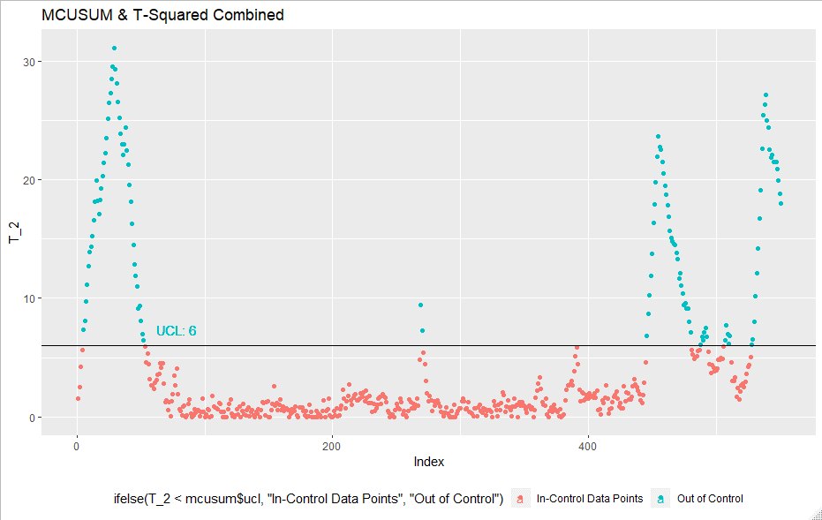
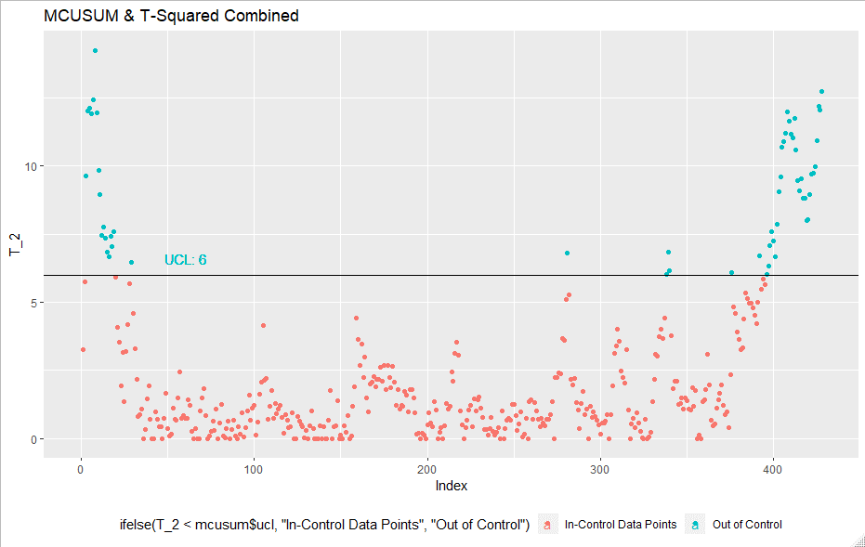
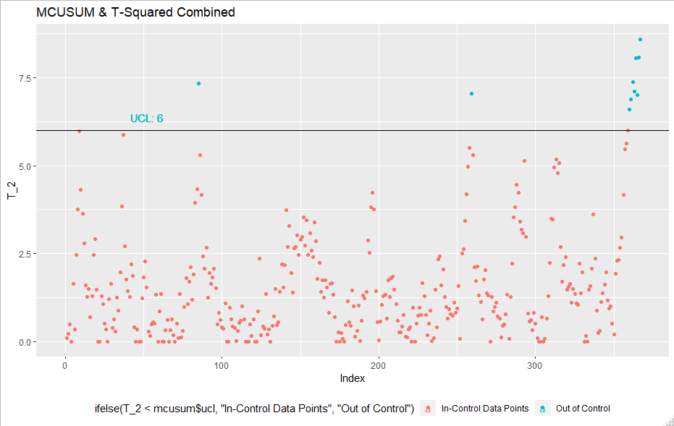
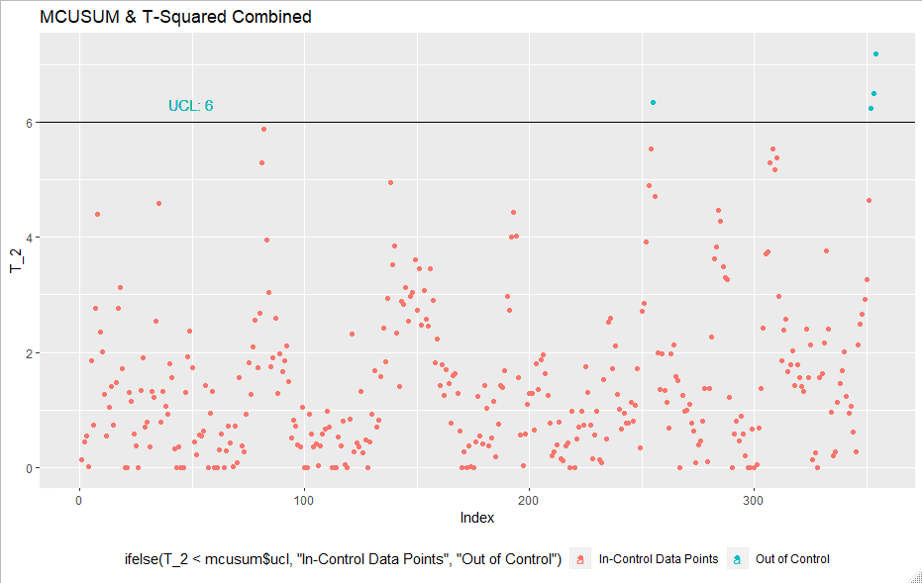
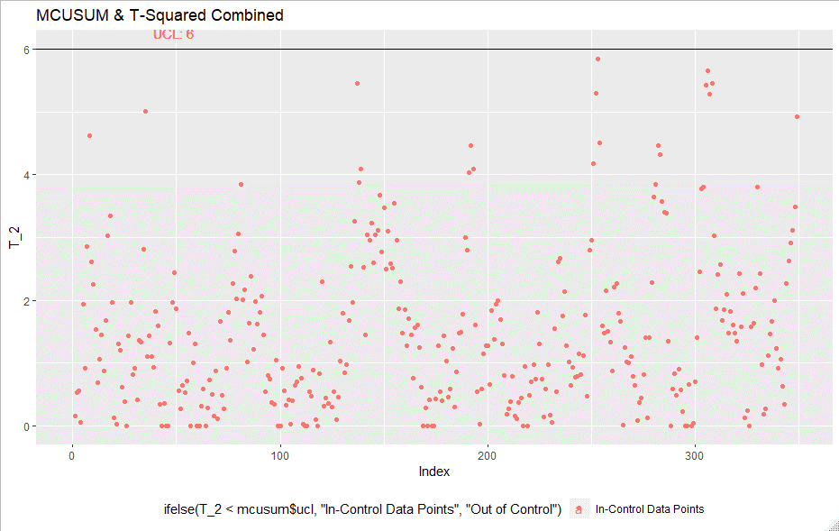
 |  |  |  |  |  | Iteration 1
 |  |  |  |  |  |  | Iteration 2 |  | Iteration 3 |  |  |  | Iteration 4 |  | Iteration 5
MCUSUM-Hotelling T2 Combined | Iteration | UCL | LCL | Outliers | In-Control
 | Initial | - | - | - | 551
 | 1 | 6 | - | 123 | 428
 | 2 | 6 | - | 61 | 367
 | 3 | 6 | - | 13 | 354
 | 4 | 6 | - | 5 | 349
 | 5 | 6 | - | 0 | 349

Final In-Control Points | 349

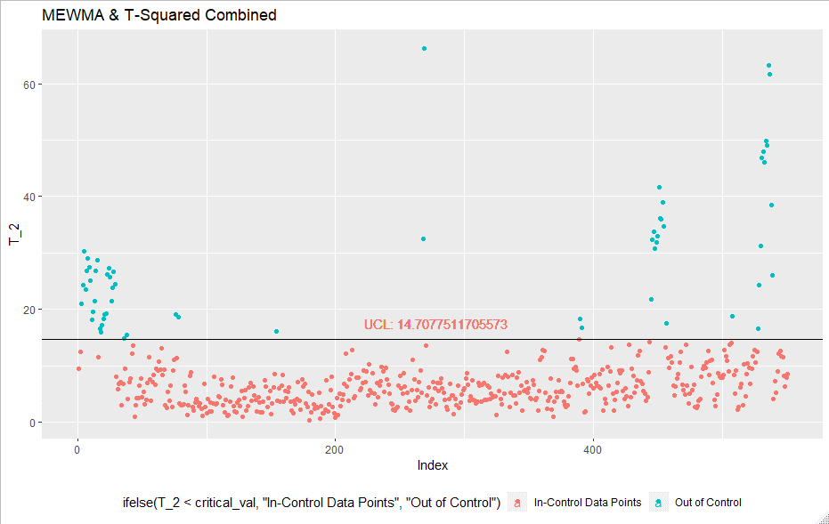
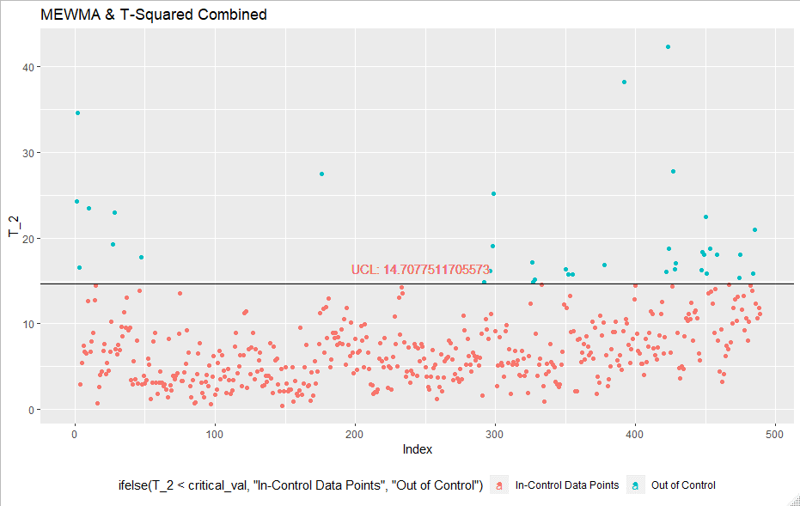
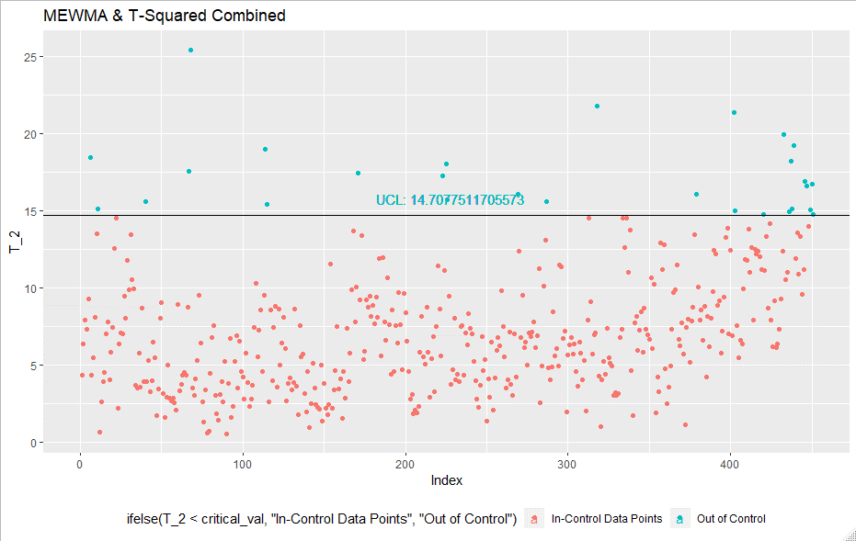
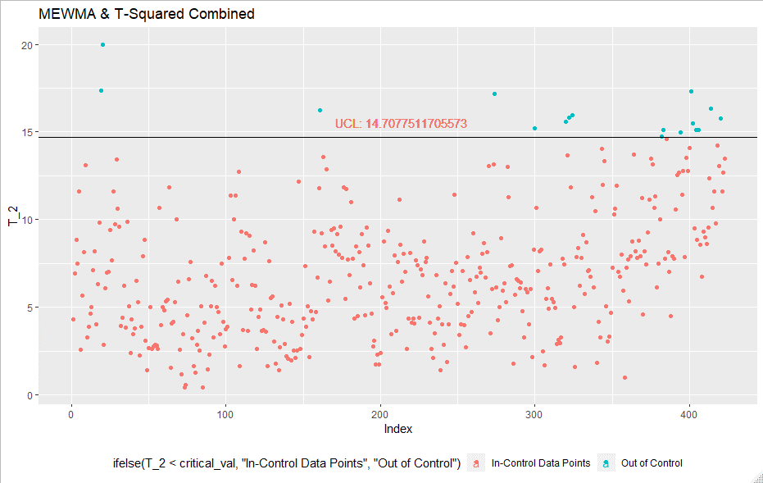
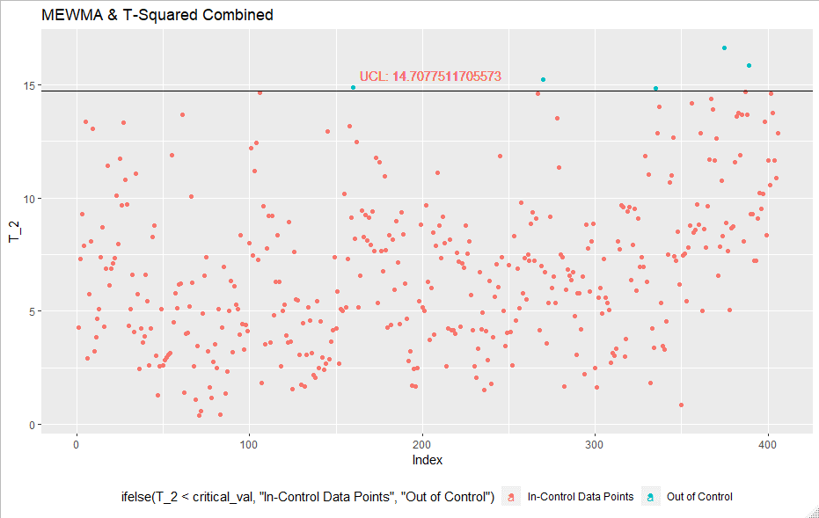
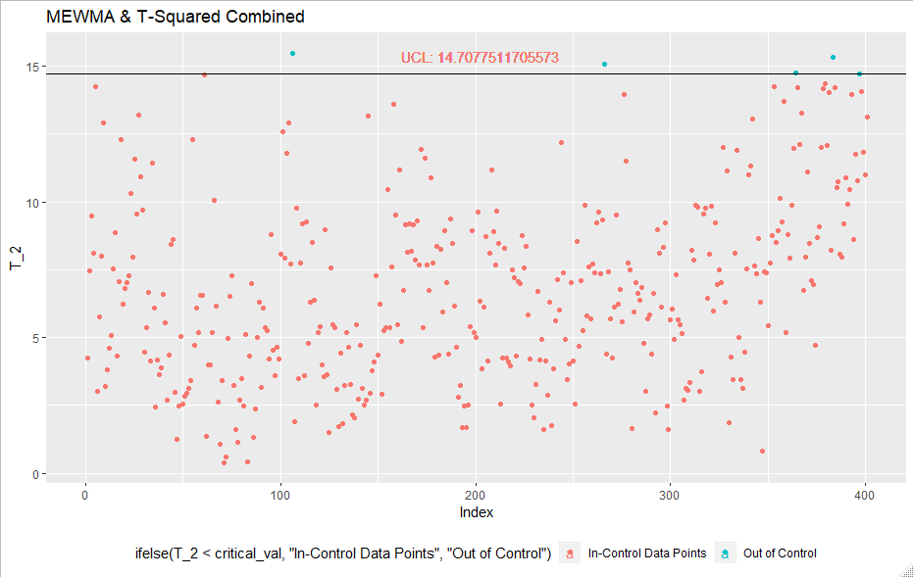
 |  |  |  |  |  | Iteration 1 |  | Iteration 2 | Iteration 3 |  |  | Iteration 4
MEWMA-Hotelling T2 Combination | Iteration | UCL | LCL | Outliers | In-Control |  |  |  |  |  |  |  |  |  | Iteration 5 | Iteration 6 | Iteration 7 |  | Iteration 8 |  | Iteration 9
 | Initial | - | - | - | 551
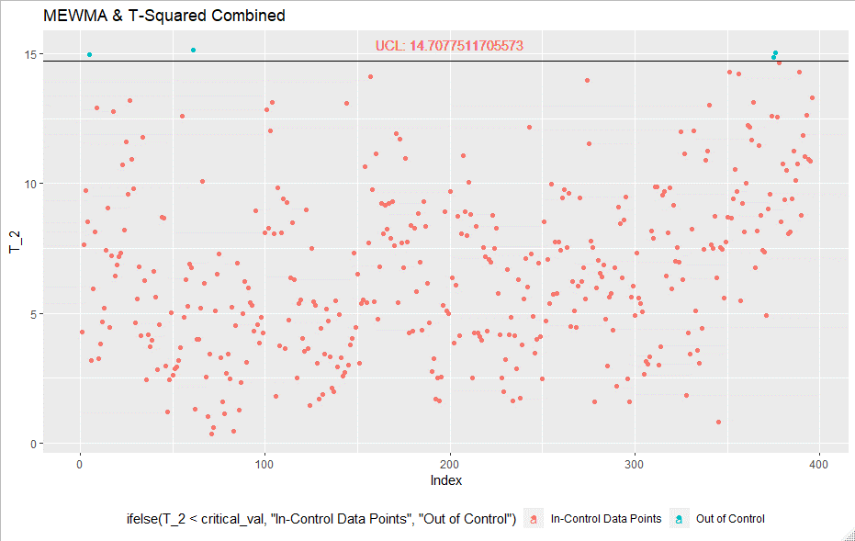
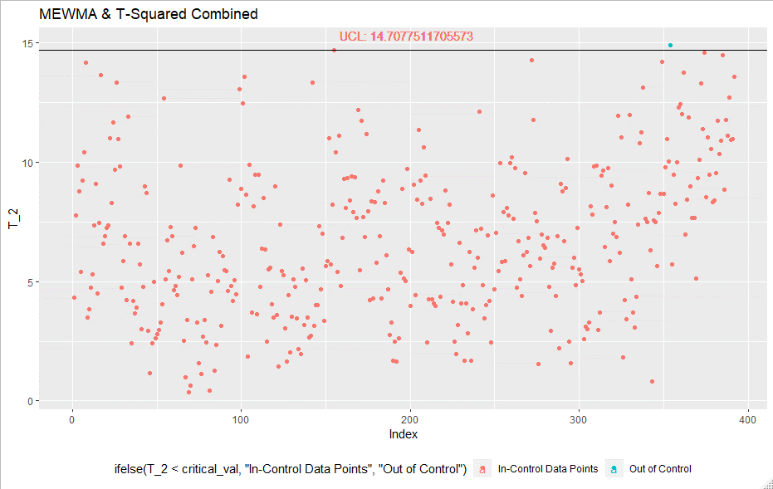
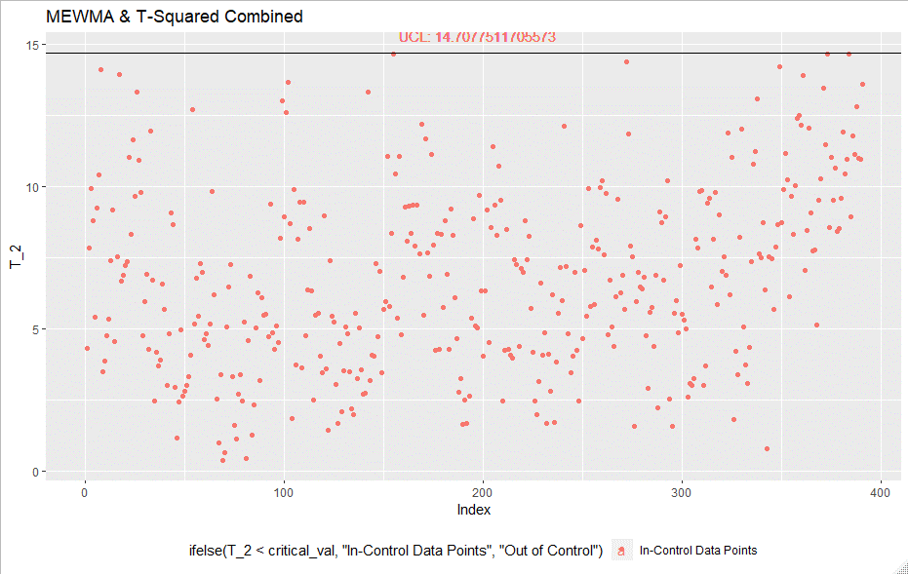
 | 1 | 14.7 | - | 62 | 489
 | 2 | 14.7 | - | 38 | 451
 | 3 | 14.7 | - | 28 | 423
 | 4 | 14.7 | - | 17 | 406
 | 5 | 14.7 | - | 5 | 401
 | 6 | 14.7 | - | 5 | 396
 | 7 | 14.7 | - | 4 | 392
 | 8 | 14.7 | - | 1 | 391
 | 9 | 14.7 | - | 0 | 391

Final In-Control Points | 391

