INTRO
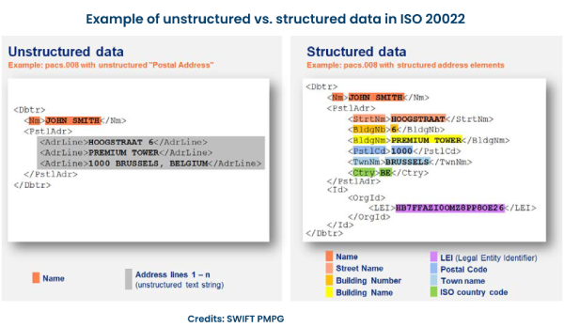
REFERENCE

https://medium.com/globant/building-an-address-parser-with-spacey-e3376b7cff
https://www.npmjs.com/package/addresser?activeTab=readme
https://towardsdatascience.com/addressnet-how-to-build-a-robust-street-address-parser-using-a-recurrent-neural-network-518d97b9aebd
https://khadkechetan.medium.com/address-extraction-and-parser-with-nlp-4d3db7b9535d

https://github.com/openvenues/libpostal
https://github.com/duedil-ltd/address-parser

Concept

