ML
Machine Learning

 | speed = [99,86,87,88,111]
Mean - The average value | x = numpy.mean(speed) | import numpy
Median - The mid point value | x = numpy.median(speed)
Mode - The most common value | x = stats.mode(speed) | from scipy import stats

Standard deviation is a number that describes how spread out the values are. | x = numpy.std(speed) | import numpy

A low standard deviation means that most of the numbers are close to the mean (average) value. | speed = [86,87,88,86,87,85,86] | 0.9

A high standard deviation means that the values are spread out over a wider range. | speed = [32,111,138,28,59,77,97] | 37.85

Variance is another number that indicates how spread out the values are. | x = numpy.var(speed) | import numpy
In fact, if you take the square root of the variance

Percentiles
Let's say we have an array that contains the ages of every person living on a street. | x = numpy.percentile(ages, 75) | import numpy
What is the 75. percentile? The answer is 43, meaning that 75% of the people are 43 or younger.

Data Distribution
Create an array containing 250 random floats between 0 and 5: | x = numpy.random.uniform(0.0, 5.0, 250)

Histogram
We use the array from the example above to draw a histogram with 5 bars. | plt.hist(x, 5) | import matplotlib.pyplot as plt
 | plt.show()

Normal Data Distribution or the Gaussian data distribution | x = numpy.random.normal(5.0, 1.0, 100000)

Scatter Plot | plt.scatter(x, y) | import matplotlib.pyplot as plt
 | plt.show()

Regression | The term regression is used when you try to find the relationship between variables. | In Machine Learning, and in statistical modeling, that relationship is used to predict the outcome of future events.

R for Relationship | It is important to know how the relationship between the values of the x-axis and the values of the y-axis is, if there are no relationship the linear regression can not be used to predict anything. | The r value ranges from -1 to 1, where 0 means no relationship, and 1 (and -1) means 100% related.

 | slope, intercept, r, p, std_err = stats.linregress(x, y)
 | print(r)

Linear Regression | Linear regression uses the relationship between the data-points to draw a straight line through all them. | This line can be used to predict future values.

 | x = [5,7,8,7,2,17,2,9,4,11,12,9,6] | 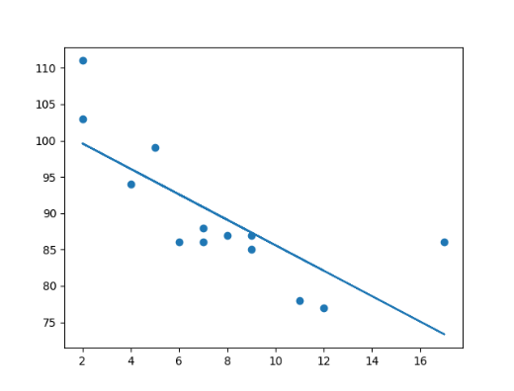
 | y = [99,86,87,88,111,86,103,87,94,78,77,85,86]

 | slope, intercept, r, p, std_err = stats.linregress(x, y)

 | def myfunc(x):
 | return slope * x + intercept

 | mymodel = list(map(myfunc, x))

 | plt.scatter(x, y)
 | plt.plot(x, mymodel)
 | plt.show()

Predict Future Values | Now we can use the information we have gathered to predict future values. | Example: Let us try to predict the speed of a 10 years old car.

 | from scipy import stats | 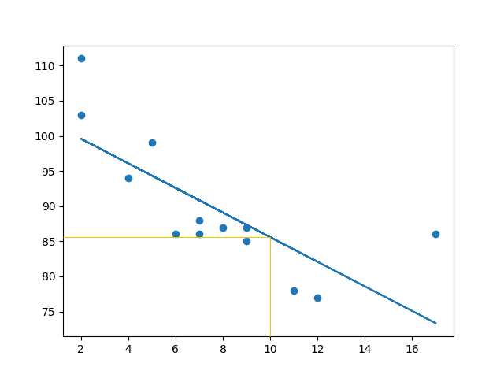

 | x = [5,7,8,7,2,17,2,9,4,11,12,9,6]
 | y = [99,86,87,88,111,86,103,87,94,78,77,85,86]

 | slope, intercept, r, p, std_err = stats.linregress(x, y)

 | def myfunc(x):
 | return slope * x + intercept

 | speed = myfunc(10)

 | print(speed)
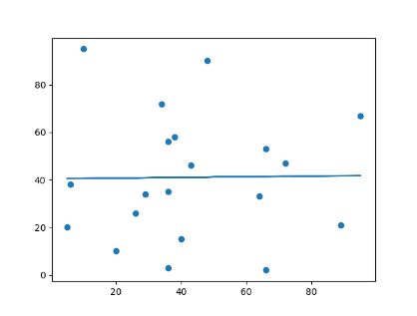
Bad Fit? | Let us create an example where linear regression would not be the best method to predict future values.

 | The result: 0.013 indicates a very bad relationship, and tells us that this data set is not suitable for linear regression.

