Visualization
Stacked Column
Consumer Price Index

Years | 2021 | 2022 | 2023
Value 1 | 95.3 | 101.8 | 111.8
Value 2 | 89.7 | 95.9 | 105.3
Value 3 | 91.6 | 97.9 | 107.5
Value 4 | 95 | 101.6 | 111.5
Value 5 | -0.2 | 6.8 | 9.8

Q-Q Plot

 | QQ Plot - 2021 |  |  |  | QQ Plot - 2022 |  |  |  | QQ Plot - 2023

 | Count | 5 | 10 |  | Count | 5 | 10 |  | Count | 5 | 10
 | Mean | 74.28 |  |  | Mean | 80.8 |  |  | Mean | 89.18
 | Std Dev | 41.701882452 |  |  | Std Dev | 41.442912542 |  |  | Std Dev | 44.459273498

 | Interval | Data | Std Norm | Std Data | Interval | Data | Std Norm | Std Data | Interval | Data | Std Norm | Std Data
 | 1 | -0.2 | -1.2815515655 | -1.7860105017 | 1 | 6.8 | -1.2815515655 | -1.7855887885 | 1 | 9.8 | -1.2815515655 | -1.7854542766
 | 3 | 89.7 | -0.52440051271 | 0.36976748035 | 3 | 95.9 | -0.52440051271 | 0.36435663117 | 3 | 105.3 | -0.52440051271 | 0.36257902416
 | 5 | 91.6 | 0 | 0.41532897274 | 5 | 97.9 | 0 | 0.41261578762 | 5 | 107.5 | 0 | 0.41206251381
 | 7 | 95 | 0.52440051271 | 0.49686006439 | 7 | 101.6 | 0.52440051271 | 0.50189522705 | 7 | 111.5 | 0.52440051271 | 0.50203249499
 | 9 | 95.3 | 1.2815515655 | 0.50405398424 | 9 | 101.8 | 1.2815515655 | 0.50672114269 | 9 | 111.8 | 1.2815515655 | 0.50878024358
QQ Plot - 2021
QQ Plot - 2022
QQ Plot - 2023

Normality Test
Years | 2021 | 2022 | 2023
Value 1 | 95.3 | 101.8 | 111.8
Value 2 | 89.7 | 95.9 | 105.3
Value 3 | 91.6 | 97.9 | 107.5
Value 4 | 95 | 101.6 | 111.5
Value 5 | -0.2 | 6.8 | 9.8

Shapiro-Wilk Test

Since, the p-value is less than the level of significance therefore, we will conclude that data is not normally distributed.
 | 2021 | 2022 | 2023
W-stat | 0.60265767571 | 0.60577883836 | 0.60713506899
p-value | 0.00067990556322 | 0.00074768806762 | 0.00077902888358
alpha | 0.05 | 0.05 | 0.05
normal | no | no | no

Kruskal-Wallis Test
Null Hypothesis: The values of the commodities for food and non-alcoholic beverages are same for the three years that are 2021, 2022 and 2023.
µ1 = µ2 = µ3
Alternative Hypothesis: The values of the commodities for food and non-alcoholic beverages are same for the three years that are 2021, 2022 and 2023.
µ1 ≠ µ2 ≠ µ3
Years | 2021 | 2022 | 2023 |  |  |  | Rank | Value | years
Value 1 | 95.3 | 101.8 | 111.8 |  |  |  | 1 | -0.2 | 2021
Value 2 | 89.7 | 95.9 | 105.3 |  |  |  | 4 | 89.7 | 2021
Value 3 | 91.6 | 97.9 | 107.5 |  |  |  | 5 | 91.6 | 2021
Value 4 | 95 | 101.6 | 111.5 |  |  |  | 6 | 95 | 2021
Value 5 | -0.2 | 6.8 | 9.8 |  |  |  | 7 | 95.3 | 2021
 |  |  |  |  |  |  | 2 | 6.8 | 2022
ni | 5 | 5 | 5 |  |  |  | 8 | 97.9 | 2022
N | 15 |  |  |  |  |  | 9 | 101.6 | 2022
N+1 | 16 |  |  |  |  |  | 10 | 101.8 | 2022
 |  |  |  |  |  |  | 3 | 9.8 | 2023
Value (2021) | Ranks |  | Values (2022) | Ranks | Values(2023) | Ranks | 11 | 105.3 | 2023
95.3 | 7 |  | 101.8 | 11 | 111.8 | 15 | 12 | 107.5 | 2023
89.7 | 4 |  | 95.9 | 8 | 105.3 | 12 | 13 | 111.5 | 2023
91.6 | 5 |  | 97.9 | 9 | 107.5 | 13 | 14 | 111.8 | 2023
95 | 6 |  | 101.6 | 10 | 111.5 | 14
-0.2 | 1 |  | 6.8 | 2 | 9.8 | 3
R1 | 23 |  | R2 | 40 | R3 | 57

The level of significance is 0.10 to balance out Type I and Type II errors while adhering to the statistical practice as the sample size is relatively small and it allows to capture effects that are economically meaningful.

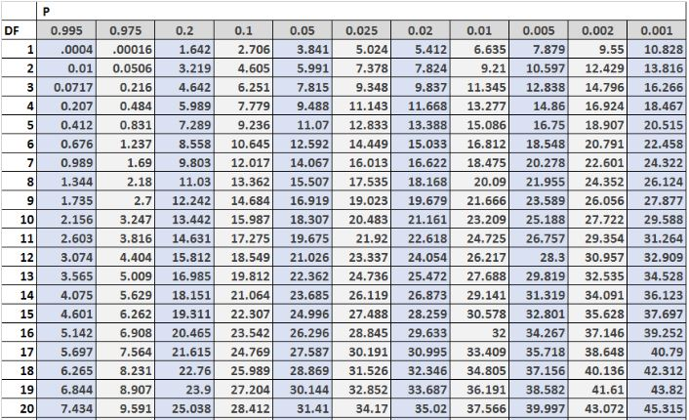

k = 3 (k refers to the number of groups you have)
R1^2 | 529 |  | R1^2/n1 | 105.8
R2^2 | 1600 |  | R2^2/n2 | 320
R3^2 | 3249 |  | R3^2/n3 | 649.8

N(N+1) | 240 |  | R1^2/n1 + R2^2/n2 +R3^2/n3 | 1075.6

12/(N(N+1)) | 0.05
(12/(N(N+1))) * (R1^2/n1 + R2^2/n2 +R3^2/n3) | 53.78
3(N+1) | 48
(12/(N(N+1))) * (R1^2/n1 + R2^2/n2 +R3^2/n3) - 3(N+1) | 5.78

We look at the degree of freedom which is 2 and look at the alpha value or level of significance which is 0.05. If H value is greater than the critical value, we reject the null hypothesis.
df = k-1 | k = 3 therefore k-1 = 2
critical value | 4.605
Static Value (H) | 5.78

Since the H value is more than the critical value, we reject the null hypothesis and accept the alternative hypothesis or we can say that there is diffference between the values of the commodities for food and non-alcoholic beverages in the years 2021, 2022 and 2023.

