Sheet1
Create Detailed Heat Pipe Models

Name | Heat Pipe 1 | Heat Pipe 2 | Heat Pipe 3 | Heat Pipe 4 | Heat Pipe 5 | Heat Pipe 6
Diameter (mm) | 20 | 25 | 30 | 20 | 25 | 30
Length 1 (mm) | 100 | 100 | 100 | 200 | 200 | 200
Length 2 (mm) | 50 | 40 | 30 | 50 | 40 | 30
Wick Conductivity (W/mK) | 40 | 40 | 40 | 40 | 40 | 40
Wick Thickness (mm) | 1 | 1 | 1 | 1 | 1 | 1
Copper Conductivity (W/mK) | 400 | 400 | 400 | 400 | 400 | 400
Emissivity | 0.9 | 0.9 | 0.9 | 0.9 | 0.9 | 0.9
Copper Thickness (mm) | 2 | 2 | 2 | 2 | 2 | 2

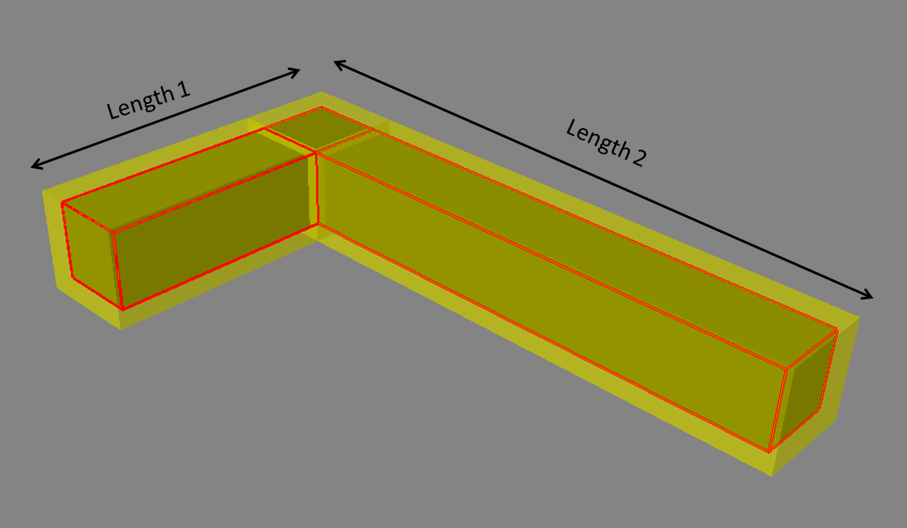
 |  |  |  |  |  | Notes:
 |  |  |  |  |  | All detailed heat pipe models are created in c:\temp and will have a .xml file extension.
 |  |  |  |  |  | Import directly into a FloTHERM assembly, or copy them with Windows Explorer into a Library Manager Folder

