Sheet1
Install Path
Density | 1.16 | kg/m3 | PDML Bounding Box | Xlength | 9.91E-02 | m
Viscosity | 1.84E-05 | Ns/m2 |  | Ylength | 9.19E-02 | m |  | C:\Program Files (x86)\MentorMA\flosuite_v122
PDML File | C:\Program Files (x86)\MentorMA\flosuite_v122\flotherm\examples\FloXML\Spreadsheets\pcb1.pdml |  |  | Zlength | 4.86E-03 | m
Check Model
Solve All
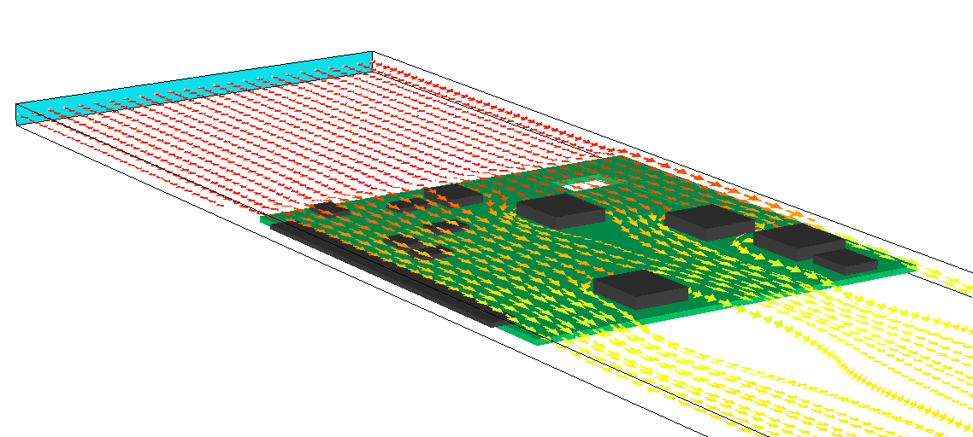
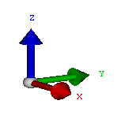
X_{LENGTH}
Y_{LENGTH}
Z_{LENGTH}
 |  |  | Windtunnel Results
 |  |  | Number of data points | 6 |  |  | 11
 |  |  | A | 3.71E+06 | 1/m
Velocity (m/s) | Pressure Drop (Pa) |  | B | 75.142491874 | 1/m
0.5 | 2.53 | Solved | R2 | 0.99958182056
1 | 7.93196 | Solved
1.5 | 14.7 | Solved
2 | 25.28 | Solved | Save Options
2.5 | 38.22 | Solved | XML Name | PCB
3 | 54.04 | Solved | Output Folder | c:\Resistances
Create Compact Model

 |  |  | Instructions
 |  |  | 1. Determine the X, Y, Z bounding box dimensions of the geometry to be characterized and enter those dimensions in Cells F1, F2, F3. Note, the windtunnel will always be moving air in the X-direction as per the diagram.
 |  |  | 2. Save the PDML file for the geometry to be characterized to disk, and type the path to this PDML file in Cell B3.
 |  |  | 3. Use the 'Check Model' button to inspect the complete windtunnel model.
 |  |  | 4. Enter the air velocities to be considered in Column A
 |  |  | 5. Use the 'Solve All' command to commence the solution of all the velocity scenarios
 |  |  | 6. Use the 'Create Compact Model' after all the solves are complete to build the XML resistance.

