Bottom Package
Bottom Package Definition
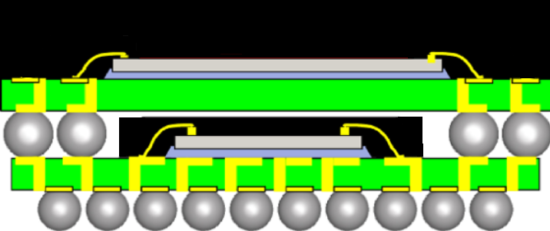
 | Package Substrate |  |  | Die
 |  |  |  |  |  |  |  | Top Package
 | Size X | 40 | mm | Power | 0.84 | W
 | Size Y | 40 | mm
 | Size Z | 0.56 | mm | Size X | 10 | mm
 | Dielectric Material | BT |  | Size Y | 10 | mm
 |  |  |  | Size Z (thickness) | 0.3 | mm |  | Bottom Package
 | Encapsulant |  |  | Die Attach thickness | 0.025 | mm
 |  |  |  | Die Attach Material | Typical Die Attach
 | Size X | 25 | mm | Number of Bond Wires | 432
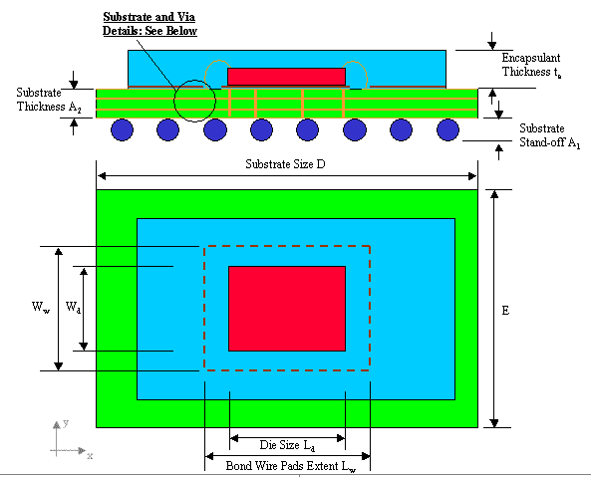
 | Size Y | 25 | mm | Extent of Bond Wire Pads X | 16 | mm
 | Size Z | 0.67 | mm | Extent of Bond Wire Pads Y | 16 | mm
 | Material | Epoxy |  | Bond Wire Diameter | 0.03 | mm
 |  |  |  | Bond Wire Material | Gold
 | Die Flag & Solder Mask

 | Die Flag Size X | 14 | mm
 | Die Flag Size Y | 14 | mm
 | Die Flag Material | Copper
 | Solder Mask thickness | 0.05 | mm
 | Solder Mask Material | Solder Mask Material

 | Solder Balls |  |  | Substrate Stackup
 |  |  |  | Number of Layers | 4
 | Number in X | 39 |  | Metal Material | Copper
 | Number in Y | 39 |  | Layer | Depth (mm) | Thickness (mm) | Coverage (%)
 | Diameter | 0.6 | mm | 1 | 0 | 0.017 | 30
 | Pitch | 1 | mm | 2 | 0.169 | 0.034 | 90
 | Substrate standoff | 0.5 | mm | 3 | 0.319 | 0.034 | 90
 | Solder Material | Solder (Sn63/Pb37) |  | 4 | 0.543 | 0.017 | 10

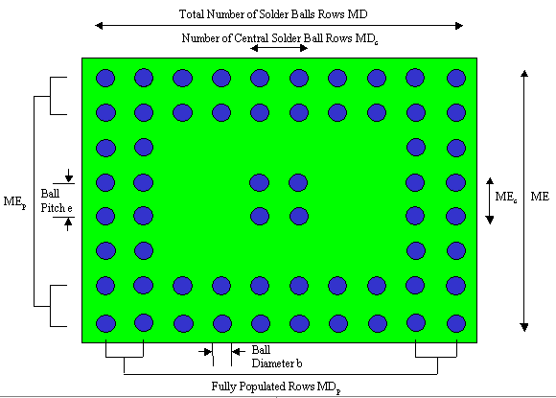
 | Solder Ball Depopulation

 | Full Rows in X | 39
 | Full Rows in Y | 39

