Full data
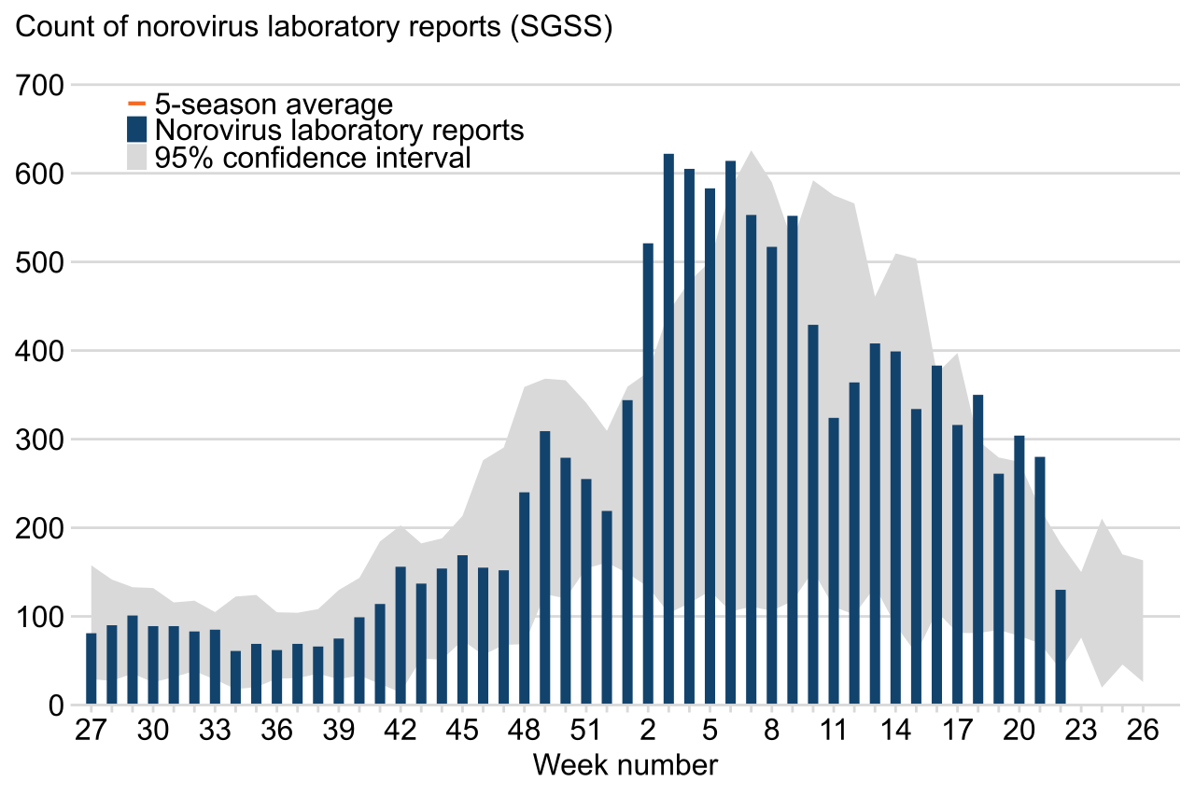
file name | ../img/figure1_no_line.png
x-text | Week number
x-labels | 27 | 30 | 33 | 36 | 39 | 42 | 45 | 48 | 51 | 2 | 5 | 8 | 11 | 14 | 17 | 20 | 23 | 26
y-text | 95% confidence interval | Norovirus laboratory reports | 5-season average | Count of norovirus laboratory reports (SGSS)
y-labels | 700 | 600 | 500 | 400 | 300 | 200 | 100
legends | 5-season average Norovirus laboratory reports | 95% confidence interval

 | 27.0 | 28.0 | 29.0 | 30.0 | 31.0 | 32.0 | 33.0 | 34.0 | 35.0 | 36.0 | 37.0 | 38.0 | 39.0 | 40.0 | 41.0 | 42.0 | 43.0 | 44.0 | 45.0 | 46.0 | 47.0 | 48.0 | 49.0 | 50.0 | 51.0 | 34.66666666666667 | 18.333333333333336 | 2.0 | 3.0 | 4.0 | 5.0 | 6.0 | 7.0 | 8.0 | 9.0 | 10.0 | 11.0 | 12.0 | 13.0 | 14.0 | 15.0 | 16.0 | 17.0 | 18.0 | 19.0 | 20.0 | 21.0 | 22.0 | 23.0 | 24.0 | 25.0 | 26.0
5-season average Norovirus laboratory reports | 80 | 88.4 | 100 | 88.4 | 88.4 | 82.1 | 84.2 | 60 | 68.4 | 61.1 | 68.4 | 65.3 | 73.7 | 97.9 | 112.6 | 154.7 | 135.8 | 152.6 | 168.4 | 153.7 | 150.5 | 238.9 | 307.4 | 277.9 | 253.7 | 217.9 | 343.2 | 520 | 621.1 | 604.2 | 582.1 | 612.6 | 551.6 | 515.8 | 550.5 | 427.4 | 323.2 | 363.2 | 406.3 | 397.9 | 332.6 | 382.1 | 314.7 | 348.4 | 260 | 303.2 | 278.9 | 128.4 | 0 | 0 | 0 | 0
95% confidence interval

