Full data
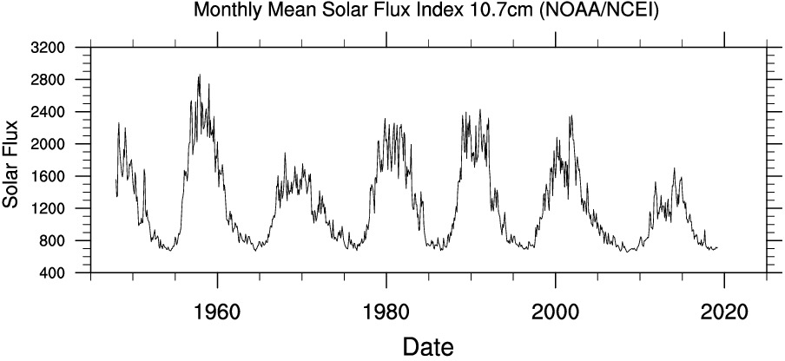
file name | ../img/solar.ts.png
x-text | Date
x-labels | 1960 | 1980 | 2000 | 2020
y-text | Monthly Mean Solar Flux Index 10.7cm (NOAANCEI)
y-labels | 3200 | 2800 | 2400 | 2000 | 1600 | 1200 | 800 | 400
legends | Monthly Mean Solar Flux Index 10.7cm (NOAANCEI)

 | 1960.0 | 1960.5 | 1961.0 | 1961.5 | 1962.0 | 1962.5 | 1963.0 | 1963.5 | 1964.0 | 1964.5 | 1965.0 | 1965.5 | 1966.0 | 1966.5 | 1967.0 | 1967.5 | 1968.0 | 1968.5 | 1969.0 | 1969.5 | 1970.0 | 1970.5 | 1971.0 | 1971.5 | 1972.0 | 1972.5 | 1973.0 | 1973.5 | 1974.0 | 1974.5 | 1975.0 | 1975.5 | 1976.0 | 1976.5 | 1977.0 | 1977.5 | 1978.0 | 1978.5 | 1979.0 | 1979.5 | 1980.0 | 1980.5 | 1981.0 | 1981.5 | 1982.0 | 1982.5 | 1983.0 | 1983.5 | 1984.0 | 1984.5 | 1985.0 | 1985.5 | 1986.0 | 1986.5 | 1987.0 | 1987.5 | 1988.0 | 1988.5 | 1989.0 | 1989.5 | 1990.0 | 1990.5 | 1991.0 | 1991.5 | 1992.0 | 1992.5 | 1993.0 | 1993.5 | 1994.0 | 1994.5 | 1995.0 | 1995.5 | 1996.0 | 1996.5 | 1997.0 | 1997.5 | 1998.0 | 1998.5 | 1999.0 | 1999.5 | 2000.0 | 2000.5 | 2001.0 | 2001.5 | 2002.0 | 2002.5 | 2003.0 | 2003.5 | 2004.0 | 2004.5 | 2005.0 | 2005.5 | 2006.0 | 2006.5 | 2007.0 | 2007.5 | 2008.0 | 2008.5 | 2009.0 | 2009.5 | 2010.0 | 2010.5 | 2011.0 | 2011.5 | 2012.0 | 2012.5 | 2013.0 | 2013.5 | 2014.0 | 2014.5 | 2015.0 | 2015.5 | 2016.0 | 2016.5 | 2017.0 | 2017.5 | 2018.0 | 2018.5 | 2019.0 | 2019.5 | 2020.0
Monthly Mean Solar Flux Index 10.7cm (NOAANCEI) | 1997.7653631 | 1729.6089385 | 1182.122905 | 1137.4301676 | 969.83240223 | 858.10055866 | 813.40782123 | 802.23463687 | 779.88826816 | 690.5027933 | 791.06145251 | 779.88826816 | 858.10055866 | 1070.3910615 | 1472.6256983 | 1450.2793296 | 1874.8603352 | 1461.452514 | 1539.6648045 | 1528.4916201 | 1584.3575419 | 1550.8379888 | 1629.0502793 | 1182.122905 | 1237.9888268 | 1349.7206704 | 1048.0446927 | 891.62011173 | 846.9273743 | 913.96648045 | 791.06145251 | 724.02234637 | 768.7150838 | 712.84916201 | 791.06145251 | 869.27374302 | 1159.7765363 | 1472.6256983 | 1807.8212291 | 1796.6480447 | 2109.4972067 | 1953.0726257 | 1997.7653631 | 1897.2067039 | 2131.8435754 | 1707.2625698 | 1908.3798883 | 1383.2402235 | 1048.0446927 | 969.83240223 | 768.7150838 | 791.06145251 | 757.54189944 | 701.67597765 | 746.36871508 | 835.75418994 | 1036.8715084 | 1282.6815642 | 1874.8603352 | 2254.7486034 | 2254.7486034 | 1818.9944134 | 2176.5363128 | 2154.1899441 | 1964.2458101 | 1249.1620112 | 1450.2793296 | 1115.0837989 | 1081.5642458 | 802.23463687 | 813.40782123 | 768.7150838 | 746.36871508 | 712.84916201 | 791.06145251 | 735.19553073 | 1003.3519553 | 1103.9106145 | 1450.2793296 | 1606.7039106 | 1684.9162011 | 1986.5921788 | 1684.9162011 | 1506.1452514 | 2254.7486034 | 1852.5139665 | 1550.8379888 | 1305.027933 | 1170.9497207 | 1182.122905 | 1025.698324 | 969.83240223 | 813.40782123 | 802.23463687 | 802.23463687 | 701.67597765 | 768.7150838 | 668.15642458 | 712.84916201 | 690.5027933 | 858.10055866 | 813.40782123 | 981.00558659 | 1115.0837989 | 1137.4301676 | 1226.8156425 | 1215.6424581 | 1182.122905 | 1696.0893855 | 1349.7206704 | 1338.547486 | 1081.5642458 | 1014.5251397 | 880.44692737 | 779.88826816 | 891.62011173 | 724.02234637 | 701.67597765 | 724.02234637 | 0 | 0

