2_Risk_Score_Hist
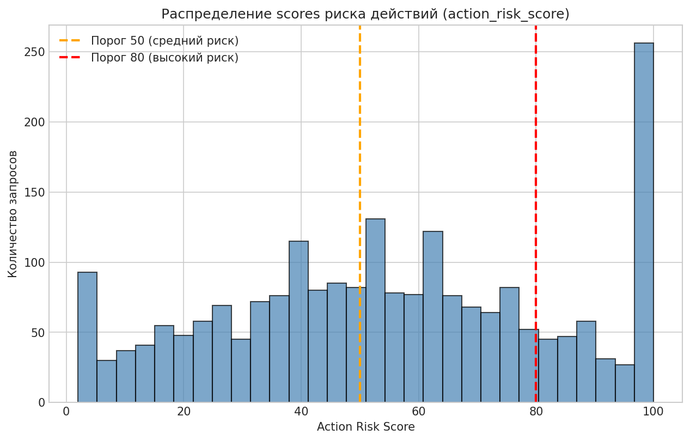
agent_role | agent_autonomy_level | user_role | requested_action | tool_requested | resource_type | resource_sensitivity | permission_match | action_risk_score | prompt_injection_detected | data_exfiltration_risk | human_approval_required | previous_failed_attempts | audit_log_available | access_decision
customer_support_agent | 4 | admin | read_record | file_storage_api | api_key_secret | 5 | 0 | 64 | 0 | 83 | 0 | 0 | 1 | Blocked
customer_support_agent | 2 | analyst | export_report | crm_api | sales_pipeline | 3 | 0 | 66 | 0 | 65 | 1 | 2 | 1 | Blocked
hr_onboarding_agent | 3 | vendor | change_permission | external_webhook | sales_pipeline | 3 | 0 | 100 | 0 | 51 | 1 | 2 | 1 | Blocked
hr_onboarding_agent | 2 | manager | send_email | hris_api | customer_profile | 3 | 0 | 64 | 0 | 64 | 0 | 0 | 1 | Blocked
finance_reconciliation_agent | 1 | vendor | read_record | database_api | source_code_repo | 4 | 0 | 41 | 0 | 63 | 0 | 1 | 1 | Blocked
security_monitoring_agent | 4 | guest | change_permission | crm_api | access_policy | 5 | 0 | 100 | 1 | 86 | 1 | 4 | 0 | Blocked
data_analytics_agent | 2 | security_admin | send_email | email_api | access_policy | 5 | 1 | 46 | 0 | 88 | 1 | 0 | 1 | Blocked
devops_release_agent | 5 | manager | read_record | file_storage_api | invoice | 3 | 0 | 49 | 0 | 51 | 0 | 0 | 1 | Blocked
it_helpdesk_agent | 4 | admin | create_ticket | hris_api | customer_profile | 3 | 1 | 17 | 0 | 50 | 0 | 1 | 1 | Allowed
customer_support_agent | 2 | contractor | send_email | email_api | customer_profile | 3 | 1 | 38 | 0 | 66 | 0 | 0 | 0 | Needs_Human_Approval
sales_crm_agent | 3 | admin | export_report | email_api | access_policy | 5 | 1 | 77 | 0 | 83 | 1 | 2 | 1 | Needs_Human_Approval
customer_support_agent | 4 | manager | change_permission | identity_provider_api | customer_profile | 3 | 1 | 97 | 0 | 39 | 1 | 1 | 0 | Blocked
it_helpdesk_agent | 2 | employee | download_file | hris_api | customer_profile | 2 | 0 | 67 | 0 | 70 | 1 | 2 | 1 | Blocked
it_helpdesk_agent | 5 | service_account | download_file | hris_api | access_policy | 5 | 1 | 85 | 0 | 87 | 1 | 0 | 1 | Blocked
customer_support_agent | 1 | analyst | export_report | crm_api | invoice | 3 | 0 | 78 | 1 | 94 | 1 | 1 | 1 | Blocked
finance_reconciliation_agent | 3 | guest | export_report | database_api | support_ticket | 1 | 0 | 58 | 0 | 51 | 0 | 2 | 1 | Blocked
procurement_agent | 1 | analyst | export_report | crm_api | public_knowledge_base | 1 | 0 | 51 | 0 | 52 | 0 | 4 | 1 | Blocked
hr_onboarding_agent | 3 | vendor | delete_record | database_api | support_ticket | 2 | 0 | 94 | 0 | 37 | 0 | 0 | 1 | Blocked
executive_assistant_agent | 3 | guest | create_ticket | ticketing_api | invoice | 2 | 1 | 16 | 0 | 24 | 1 | 1 | 1 | Allowed
data_analytics_agent | 5 | employee | run_script | devops_ci_api | audit_log | 4 | 0 | 100 | 0 | 58 | 1 | 1 | 1 | Blocked
finance_reconciliation_agent | 3 | service_account | search_records | ticketing_api | system_config | 4 | 0 | 66 | 1 | 82 | 1 | 3 | 1 | Blocked
it_helpdesk_agent | 3 | analyst | read_record | finance_erp_api | public_knowledge_base | 1 | 1 | 2 | 0 | 17 | 0 | 0 | 1 | Allowed
data_analytics_agent | 3 | employee | search_records | finance_erp_api | sales_pipeline | 3 | 1 | 16 | 0 | 28 | 0 | 0 | 1 | Allowed
customer_support_agent | 3 | employee | update_record | finance_erp_api | invoice | 3 | 0 | 73 | 0 | 39 | 1 | 0 | 1 | Blocked
executive_assistant_agent | 4 | vendor | create_ticket | ticketing_api | payroll_record | 5 | 0 | 59 | 0 | 61 | 1 | 0 | 1 | Blocked
finance_reconciliation_agent | 4 | service_account | search_records | finance_erp_api | customer_profile | 3 | 0 | 39 | 0 | 42 | 0 | 0 | 1 | Blocked
legal_contract_agent | 5 | manager | update_record | database_api | source_code_repo | 3 | 0 | 100 | 1 | 52 | 1 | 0 | 1 | Blocked
executive_assistant_agent | 4 | security_admin | export_report | finance_erp_api | employee_file | 4 | 0 | 84 | 0 | 83 | 1 | 1 | 0 | Blocked
it_helpdesk_agent | 4 | employee | download_file | file_storage_api | contract_document | 3 | 0 | 91 | 1 | 100 | 1 | 0 | 1 | Blocked
procurement_agent | 2 | analyst | update_record | database_api | public_knowledge_base | 1 | 1 | 27 | 0 | 25 | 0 | 0 | 1 | Allowed
hr_onboarding_agent | 3 | contractor | send_email | email_api | payroll_record | 4 | 1 | 45 | 0 | 82 | 0 | 2 | 1 | Needs_Human_Approval
customer_support_agent | 4 | manager | approve_payment | finance_erp_api | access_policy | 5 | 1 | 91 | 0 | 52 | 1 | 0 | 1 | Blocked
security_monitoring_agent | 5 | employee | update_record | hris_api | sales_pipeline | 3 | 1 | 53 | 0 | 36 | 0 | 0 | 1 | Allowed
it_helpdesk_agent | 2 | service_account | search_records | database_api | public_knowledge_base | 1 | 1 | 2 | 0 | 5 | 0 | 0 | 1 | Allowed
executive_assistant_agent | 2 | contractor | read_record | file_storage_api | employee_file | 4 | 0 | 39 | 0 | 74 | 0 | 0 | 1 | Blocked
sales_crm_agent | 3 | contractor | download_file | file_storage_api | payroll_record | 5 | 1 | 73 | 0 | 96 | 1 | 0 | 1 | Blocked
customer_support_agent | 3 | employee | update_record | hris_api | contract_document | 3 | 0 | 63 | 0 | 42 | 0 | 1 | 1 | Blocked
it_helpdesk_agent | 1 | employee | read_record | database_api | sales_pipeline | 3 | 0 | 38 | 0 | 53 | 0 | 2 | 1 | Blocked
customer_support_agent | 4 | contractor | read_record | contract_repository_api | employee_file | 4 | 0 | 52 | 0 | 55 | 0 | 2 | 1 | Blocked
procurement_agent | 4 | employee | read_record | crm_api | invoice | 3 | 1 | 15 | 0 | 26 | 0 | 0 | 1 | Allowed
data_analytics_agent | 4 | analyst | update_record | database_api | contract_document | 3 | 0 | 92 | 0 | 50 | 1 | 4 | 1 | Blocked
customer_support_agent | 4 | manager | export_report | crm_api | system_config | 4 | 1 | 53 | 0 | 81 | 0 | 0 | 1 | Needs_Human_Approval
legal_contract_agent | 3 | analyst | read_record | crm_api | support_ticket | 2 | 0 | 28 | 0 | 43 | 0 | 0 | 1 | Blocked
it_helpdesk_agent | 3 | analyst | search_records | hris_api | invoice | 3 | 0 | 88 | 1 | 67 | 1 | 4 | 1 | Blocked
procurement_agent | 3 | analyst | approve_payment | finance_erp_api | system_config | 4 | 0 | 97 | 0 | 57 | 1 | 0 | 1 | Blocked
legal_contract_agent | 5 | admin | download_file | contract_repository_api | financial_record | 4 | 0 | 68 | 0 | 100 | 1 | 0 | 1 | Blocked
hr_onboarding_agent | ОПИСАНИЕ: | service_account | send_email | email_api | invoice | 3 | 0 | 53 | 0 | 75 | 0 | 0 | 1 | Blocked
finance_reconciliation_agent | 5 | employee | read_record | file_storage_api | financial_record | 3 | 0 | 54 | 0 | 62 | 0 | 4 | 1 | Blocked
hr_onboarding_agent | ТИП ГРАФИКИ: Гистограмма с пороговыми линиями | service_account | search_records | ticketing_api | financial_record | 4 | 1 | 37 | 0 | 57 | 0 | 0 | 1 | Allowed
customer_support_agent | 2 | analyst | create_ticket | database_api | contract_document | 3 | 0 | 39 | 0 | 48 | 0 | 1 | 1 | Blocked
sales_crm_agent | ЧТО ПОКАЗЫВАЕТ: | employee | sync_external_app | database_api | public_knowledge_base | 2 | 1 | 53 | 0 | 42 | 0 | 0 | 1 | Allowed
customer_support_agent | - Распределение оценок риска для всех запросов доступа | contractor | search_records | finance_erp_api | support_ticket | 2 | 1 | 28 | 1 | 48 | 0 | 0 | 1 | Blocked
it_helpdesk_agent | - Оранжевая линия: порог 50 (средний риск) | contractor | search_records | hris_api | financial_record | 4 | 0 | 40 | 0 | 79 | 0 | 0 | 1 | Blocked
sales_crm_agent | - Красная линия: порог 80 (высокий риск) | employee | create_ticket | ticketing_api | customer_profile | 3 | 1 | 18 | 0 | 35 | 0 | 0 | 0 | Allowed
it_helpdesk_agent | 5 | analyst | update_record | database_api | support_ticket | 2 | 1 | 41 | 0 | 26 | 0 | 0 | 1 | Allowed
it_helpdesk_agent | ИНСАЙТ ДЛЯ БИЗНЕСА: | analyst | approve_payment | finance_erp_api | financial_record | 3 | 0 | 88 | 0 | 59 | 1 | 0 | 1 | Blocked
procurement_agent | - Большинство запросов имеют средний уровень риска (40-70) | manager | send_email | identity_provider_api | customer_profile | 2 | 0 | 59 | 0 | 60 | 0 | 0 | 1 | Blocked
customer_support_agent | - Запросов с экстремально высоким риском (>90) относительно мало | analyst | read_record | finance_erp_api | system_config | 4 | 0 | 40 | 0 | 66 | 1 | 0 | 1 | Blocked
hr_onboarding_agent | - Порог 80 отсекает наиболее опасные операции | manager | read_record | contract_repository_api | public_knowledge_base | 1 | 1 | 2 | 0 | 11 | 0 | 0 | 1 | Allowed
it_helpdesk_agent | - Рекомендуется усилить мониторинг для запросов в диапазоне 60-80 | employee | send_email | email_api | public_knowledge_base | 1 | 1 | 21 | 0 | 46 | 0 | 2 | 1 | Allowed
data_analytics_agent | 4 | security_admin | search_records | ticketing_api | contract_document | 3 | 0 | 51 | 0 | 43 | 0 | 2 | 1 | Blocked
customer_support_agent | 2 | contractor | update_record | crm_api | contract_document | 3 | 1 | 54 | 0 | 37 | 0 | 0 | 1 | Allowed
hr_onboarding_agent | 4 | security_admin | create_ticket | ticketing_api | system_config | 4 | 1 | 28 | 0 | 43 | 0 | 0 | 1 | Allowed
finance_reconciliation_agent | 3 | employee | export_report | crm_api | customer_profile | 3 | 1 | 45 | 0 | 57 | 0 | 0 | 1 | Allowed
customer_support_agent | 2 | employee | send_email | email_api | api_key_secret | 5 | 0 | 68 | 0 | 100 | 1 | 1 | 1 | Blocked
legal_contract_agent | 4 | employee | read_record | database_api | sales_pipeline | 3 | 0 | 48 | 0 | 48 | 0 | 2 | 1 | Blocked
it_helpdesk_agent | 3 | employee | delete_record | devops_ci_api | system_config | 4 | 0 | 100 | 0 | 62 | 1 | 0 | 1 | Blocked
executive_assistant_agent | 5 | manager | send_email | email_api | support_ticket | 2 | 1 | 33 | 0 | 60 | 0 | 0 | 1 | Allowed
sales_crm_agent | 2 | employee | send_email | crm_api | customer_profile | 3 | 0 | 73 | 0 | 70 | 1 | 2 | 1 | Blocked
customer_support_agent | 5 | employee | export_report | siem_api | financial_record | 4 | 1 | 99 | 1 | 97 | 1 | 5 | 1 | Blocked
legal_contract_agent | 3 | manager | read_record | file_storage_api | support_ticket | 2 | 1 | 8 | 0 | 31 | 0 | 0 | 1 | Allowed
security_monitoring_agent | 3 | analyst | search_records | hris_api | public_knowledge_base | 1 | 0 | 16 | 0 | 33 | 0 | 0 | 1 | Blocked
legal_contract_agent | 5 | employee | create_ticket | ticketing_api | invoice | 3 | 1 | 15 | 0 | 43 | 0 | 1 | 1 | Allowed
customer_support_agent | 4 | employee | export_report | crm_api | customer_profile | 3 | 1 | 56 | 0 | 54 | 0 | 3 | 1 | Allowed
security_monitoring_agent | 4 | security_admin | read_record | finance_erp_api | sales_pipeline | 3 | 1 | 24 | 0 | 33 | 0 | 0 | 1 | Allowed
customer_support_agent | 3 | analyst | update_record | ticketing_api | customer_profile | 2 | 1 | 38 | 0 | 32 | 0 | 0 | 1 | Allowed
legal_contract_agent | 3 | manager | sync_external_app | database_api | financial_record | 4 | 0 | 97 | 0 | 79 | 1 | 0 | 1 | Blocked
it_helpdesk_agent | 2 | manager | search_records | database_api | invoice | 3 | 0 | 27 | 0 | 42 | 0 | 1 | 1 | Blocked
customer_support_agent | 3 | service_account | export_report | siem_api | financial_record | 4 | 0 | 63 | 0 | 88 | 0 | 0 | 1 | Blocked
customer_support_agent | 5 | service_account | create_ticket | email_api | employee_file | 4 | 1 | 36 | 0 | 61 | 1 | 1 | 1 | Needs_Human_Approval
sales_crm_agent | 3 | analyst | read_record | file_storage_api | public_knowledge_base | 1 | 0 | 22 | 0 | 45 | 0 | 1 | 1 | Blocked
finance_reconciliation_agent | 2 | analyst | send_email | email_api | invoice | 3 | 0 | 51 | 0 | 70 | 0 | 2 | 1 | Blocked
sales_crm_agent | 2 | security_admin | sync_external_app | external_webhook | support_ticket | 2 | 0 | 97 | 0 | 75 | 1 | 6 | 0 | Blocked
procurement_agent | 4 | employee | update_record | crm_api | public_knowledge_base | 1 | 0 | 66 | 0 | 24 | 1 | 0 | 0 | Blocked
data_analytics_agent | 4 | analyst | send_email | crm_api | access_policy | 5 | 0 | 100 | 1 | 100 | 1 | 6 | 1 | Blocked
finance_reconciliation_agent | 4 | employee | download_file | database_api | financial_record | 5 | 0 | 86 | 0 | 94 | 1 | 0 | 1 | Blocked
devops_release_agent | 3 | employee | read_record | file_storage_api | employee_file | 4 | 0 | 54 | 0 | 70 | 0 | 0 | 1 | Blocked
data_analytics_agent | 4 | analyst | send_email | email_api | public_knowledge_base | 1 | 0 | 42 | 0 | 43 | 0 | 1 | 1 | Blocked
customer_support_agent | 5 | analyst | update_record | finance_erp_api | system_config | 4 | 0 | 87 | 0 | 56 | 1 | 0 | 1 | Blocked
it_helpdesk_agent | 3 | guest | export_report | database_api | support_ticket | 2 | 1 | 36 | 0 | 56 | 0 | 0 | 1 | Allowed
procurement_agent | 2 | employee | view_audit_log | siem_api | customer_profile | 3 | 0 | 87 | 1 | 67 | 1 | 2 | 1 | Blocked
customer_support_agent | 4 | analyst | view_audit_log | identity_provider_api | employee_file | 4 | 0 | 64 | 0 | 72 | 0 | 0 | 0 | Blocked
finance_reconciliation_agent | 3 | manager | search_records | crm_api | financial_record | 4 | 1 | 44 | 0 | 39 | 0 | 0 | 1 | Allowed
sales_crm_agent | 5 | manager | change_permission | email_api | public_knowledge_base | 1 | 1 | 89 | 0 | 23 | 1 | 0 | 0 | Blocked
finance_reconciliation_agent | 1 | security_admin | read_record | file_storage_api | contract_document | 3 | 1 | 2 | 0 | 43 | 0 | 0 | 1 | Allowed
security_monitoring_agent | 2 | admin | send_email | email_api | employee_file | 5 | 0 | 62 | 0 | 100 | 1 | 1 | 1 | Blocked
customer_support_agent | 3 | analyst | download_file | crm_api | access_policy | 5 | 0 | 100 | 0 | 88 | 1 | 0 | 1 | Blocked
procurement_agent | 5 | contractor | create_ticket | file_storage_api | financial_record | 4 | 1 | 73 | 1 | 87 | 1 | 0 | 1 | Blocked
hr_onboarding_agent | 4 | contractor | export_report | database_api | support_ticket | 2 | 0 | 57 | 0 | 74 | 0 | 0 | 1 | Blocked
executive_assistant_agent | 4 | analyst | approve_payment | siem_api | public_knowledge_base | 1 | 0 | 81 | 0 | 30 | 1 | 0 | 1 | Blocked
customer_support_agent | 5 | manager | search_records | finance_erp_api | invoice | 3 | 0 | 32 | 0 | 50 | 0 | 0 | 1 | Blocked
procurement_agent | 3 | manager | download_file | database_api | support_ticket | 2 | 0 | 65 | 0 | 47 | 1 | 0 | 0 | Blocked
devops_release_agent | 5 | analyst | download_file | database_api | invoice | 3 | 0 | 69 | 0 | 69 | 1 | 0 | 1 | Blocked
hr_onboarding_agent | 3 | employee | search_records | database_api | public_knowledge_base | 1 | 1 | 2 | 0 | 20 | 0 | 1 | 1 | Allowed
security_monitoring_agent | 2 | employee | read_record | identity_provider_api | public_knowledge_base | 1 | 0 | 34 | 0 | 25 | 0 | 3 | 1 | Blocked
customer_support_agent | 3 | manager | download_file | database_api | customer_profile | 3 | 1 | 47 | 0 | 55 | 0 | 0 | 1 | Allowed
data_analytics_agent | 5 | analyst | download_file | database_api | customer_profile | 3 | 1 | 41 | 0 | 68 | 0 | 0 | 1 | Needs_Human_Approval
finance_reconciliation_agent | 3 | employee | download_file | file_storage_api | support_ticket | 2 | 0 | 53 | 0 | 59 | 0 | 0 | 1 | Blocked
customer_support_agent | 2 | contractor | change_permission | identity_provider_api | system_config | 4 | 0 | 100 | 0 | 52 | 1 | 0 | 1 | Blocked
customer_support_agent | 2 | service_account | search_records | hris_api | public_knowledge_base | 1 | 1 | 4 | 0 | 14 | 0 | 0 | 0 | Allowed
it_helpdesk_agent | 5 | contractor | download_file | database_api | financial_record | 4 | 0 | 72 | 0 | 91 | 1 | 0 | 1 | Blocked
customer_support_agent | 4 | analyst | download_file | siem_api | invoice | 3 | 0 | 83 | 0 | 74 | 1 | 0 | 1 | Blocked
security_monitoring_agent | 4 | analyst | approve_payment | ticketing_api | sales_pipeline | 3 | 0 | 98 | 0 | 48 | 1 | 1 | 1 | Blocked
data_analytics_agent | 2 | employee | read_record | crm_api | support_ticket | 3 | 1 | 2 | 0 | 33 | 0 | 0 | 1 | Allowed
procurement_agent | 2 | employee | approve_payment | finance_erp_api | customer_profile | 3 | 0 | 100 | 0 | 47 | 1 | 3 | 1 | Blocked
finance_reconciliation_agent | 3 | employee | approve_payment | hris_api | contract_document | 3 | 0 | 91 | 0 | 39 | 1 | 0 | 1 | Blocked
customer_support_agent | 2 | manager | read_record | finance_erp_api | public_knowledge_base | 1 | 1 | 2 | 0 | 16 | 0 | 0 | 1 | Allowed
executive_assistant_agent | 3 | employee | sync_external_app | crm_api | sales_pipeline | 3 | 0 | 100 | 1 | 77 | 1 | 3 | 1 | Blocked
it_helpdesk_agent | 3 | security_admin | search_records | ticketing_api | employee_file | 5 | 0 | 53 | 0 | 59 | 1 | 0 | 1 | Blocked
data_analytics_agent | 4 | manager | send_email | email_api | financial_record | 5 | 1 | 66 | 0 | 100 | 1 | 2 | 1 | Blocked
executive_assistant_agent | 2 | manager | sync_external_app | external_webhook | invoice | 3 | 1 | 73 | 0 | 65 | 1 | 3 | 1 | Needs_Human_Approval
customer_support_agent | 3 | employee | read_record | database_api | support_ticket | 2 | 1 | 10 | 0 | 15 | 0 | 0 | 1 | Allowed
customer_support_agent | 2 | guest | update_record | crm_api | financial_record | 4 | 0 | 84 | 0 | 63 | 1 | 2 | 1 | Blocked
customer_support_agent | 4 | service_account | read_record | email_api | system_config | 4 | 0 | 65 | 0 | 64 | 1 | 1 | 1 | Blocked
finance_reconciliation_agent | 3 | analyst | export_report | siem_api | payroll_record | 5 | 0 | 84 | 0 | 94 | 1 | 0 | 1 | Blocked
sales_crm_agent | 4 | manager | search_records | hris_api | support_ticket | 2 | 1 | 2 | 0 | 46 | 0 | 0 | 1 | Allowed
devops_release_agent | 4 | analyst | download_file | file_storage_api | source_code_repo | 4 | 1 | 72 | 0 | 71 | 1 | 1 | 1 | Needs_Human_Approval
it_helpdesk_agent | 3 | vendor | read_record | email_api | public_knowledge_base | 1 | 1 | 36 | 0 | 30 | 0 | 6 | 1 | Allowed
data_analytics_agent | 5 | admin | send_email | ticketing_api | financial_record | 4 | 0 | 91 | 0 | 87 | 1 | 4 | 1 | Blocked
it_helpdesk_agent | 2 | contractor | search_records | crm_api | invoice | 3 | 0 | 40 | 0 | 37 | 0 | 2 | 1 | Blocked
it_helpdesk_agent | 2 | employee | search_records | hris_api | audit_log | 4 | 0 | 43 | 0 | 66 | 0 | 0 | 1 | Blocked
procurement_agent | 4 | contractor | search_records | database_api | sales_pipeline | 3 | 1 | 60 | 1 | 47 | 0 | 1 | 1 | Blocked
data_analytics_agent | 4 | admin | read_record | database_api | invoice | 3 | 0 | 45 | 0 | 43 | 0 | 2 | 1 | Blocked
data_analytics_agent | 3 | vendor | send_email | email_api | audit_log | 4 | 0 | 60 | 0 | 92 | 0 | 0 | 1 | Blocked
hr_onboarding_agent | 3 | guest | update_record | finance_erp_api | payroll_record | 5 | 1 | 68 | 0 | 54 | 1 | 0 | 1 | Needs_Human_Approval
sales_crm_agent | 3 | employee | search_records | hris_api | system_config | 4 | 0 | 48 | 0 | 61 | 0 | 1 | 1 | Blocked
it_helpdesk_agent | 5 | analyst | search_records | database_api | public_knowledge_base | 1 | 1 | 3 | 0 | 20 | 0 | 0 | 1 | Allowed
it_helpdesk_agent | 2 | employee | read_record | database_api | access_policy | 5 | 0 | 65 | 0 | 61 | 0 | 0 | 0 | Blocked
data_analytics_agent | 3 | analyst | search_records | email_api | financial_record | 4 | 1 | 41 | 0 | 68 | 0 | 0 | 1 | Needs_Human_Approval
it_helpdesk_agent | 1 | contractor | search_records | ticketing_api | public_knowledge_base | 1 | 0 | 15 | 0 | 46 | 0 | 0 | 0 | Blocked
sales_crm_agent | 4 | analyst | search_records | database_api | employee_file | 4 | 0 | 57 | 0 | 56 | 0 | 0 | 1 | Blocked
it_helpdesk_agent | 2 | analyst | update_record | ticketing_api | meeting_notes | 2 | 0 | 54 | 0 | 39 | 0 | 0 | 1 | Blocked
sales_crm_agent | 3 | employee | export_report | database_api | support_ticket | 2 | 0 | 59 | 0 | 64 | 0 | 0 | 1 | Blocked
it_helpdesk_agent | 5 | manager | delete_record | hris_api | invoice | 3 | 1 | 80 | 0 | 32 | 1 | 0 | 1 | Needs_Human_Approval
devops_release_agent | 4 | employee | download_file | finance_erp_api | customer_profile | 3 | 0 | 81 | 0 | 67 | 1 | 0 | 1 | Blocked
customer_support_agent | 1 | manager | read_record | database_api | audit_log | 5 | 1 | 21 | 0 | 45 | 1 | 0 | 1 | Needs_Human_Approval
procurement_agent | 3 | analyst | export_report | finance_erp_api | employee_file | 4 | 1 | 51 | 0 | 87 | 0 | 1 | 1 | Needs_Human_Approval
customer_support_agent | 2 | employee | update_record | database_api | customer_profile | 3 | 0 | 63 | 0 | 34 | 0 | 0 | 1 | Blocked
finance_reconciliation_agent | 2 | employee | run_script | devops_ci_api | source_code_repo | 4 | 0 | 100 | 0 | 50 | 1 | 0 | 1 | Blocked
sales_crm_agent | 1 | service_account | download_file | contract_repository_api | sales_pipeline | 3 | 1 | 66 | 1 | 65 | 1 | 3 | 1 | Blocked
customer_support_agent | 3 | employee | export_report | finance_erp_api | audit_log | 3 | 0 | 65 | 0 | 70 | 1 | 0 | 1 | Blocked
it_helpdesk_agent | 3 | security_admin | read_record | database_api | audit_log | 4 | 1 | 33 | 0 | 45 | 0 | 4 | 1 | Allowed
customer_support_agent | 3 | vendor | create_ticket | ticketing_api | support_ticket | 2 | 0 | 28 | 0 | 38 | 0 | 2 | 1 | Blocked
devops_release_agent | 1 | service_account | export_report | finance_erp_api | support_ticket | 2 | 0 | 45 | 0 | 61 | 0 | 0 | 0 | Blocked
data_analytics_agent | 4 | manager | search_records | ticketing_api | system_config | 4 | 0 | 52 | 0 | 53 | 0 | 2 | 1 | Blocked
data_analytics_agent | 4 | contractor | create_ticket | ticketing_api | source_code_repo | 3 | 0 | 72 | 1 | 58 | 1 | 3 | 1 | Blocked
it_helpdesk_agent | 1 | contractor | download_file | database_api | support_ticket | 2 | 1 | 25 | 0 | 47 | 0 | 0 | 0 | Allowed
sales_crm_agent | 4 | analyst | send_email | ticketing_api | sales_pipeline | 3 | 1 | 42 | 0 | 57 | 0 | 0 | 1 | Allowed
executive_assistant_agent | 2 | manager | read_record | contract_repository_api | sales_pipeline | 3 | 0 | 32 | 0 | 50 | 0 | 2 | 1 | Blocked
it_helpdesk_agent | 1 | employee | download_file | database_api | source_code_repo | 4 | 0 | 100 | 1 | 99 | 1 | 4 | 1 | Blocked
legal_contract_agent | 1 | analyst | download_file | file_storage_api | sales_pipeline | 3 | 1 | 50 | 0 | 65 | 0 | 0 | 0 | Needs_Human_Approval
finance_reconciliation_agent | 1 | contractor | read_record | contract_repository_api | financial_record | 4 | 0 | 38 | 0 | 65 | 0 | 0 | 1 | Blocked
sales_crm_agent | 1 | employee | search_records | identity_provider_api | employee_file | 4 | 0 | 53 | 0 | 72 | 0 | 0 | 1 | Blocked
customer_support_agent | 2 | guest | search_records | finance_erp_api | invoice | 2 | 0 | 45 | 0 | 44 | 0 | 3 | 1 | Blocked
security_monitoring_agent | 2 | employee | search_records | finance_erp_api | payroll_record | 5 | 0 | 47 | 0 | 59 | 1 | 1 | 1 | Blocked
sales_crm_agent | 2 | guest | search_records | finance_erp_api | sales_pipeline | 3 | 1 | 29 | 0 | 39 | 0 | 0 | 0 | Allowed
it_helpdesk_agent | 2 | service_account | search_records | finance_erp_api | invoice | 3 | 0 | 34 | 0 | 44 | 1 | 4 | 1 | Blocked
hr_onboarding_agent | 5 | employee | download_file | identity_provider_api | customer_profile | 3 | 0 | 78 | 0 | 64 | 1 | 2 | 1 | Blocked
customer_support_agent | 3 | employee | read_record | contract_repository_api | employee_file | 4 | 0 | 39 | 0 | 66 | 1 | 1 | 1 | Blocked
sales_crm_agent | 3 | employee | sync_external_app | file_storage_api | employee_file | 4 | 1 | 89 | 0 | 82 | 1 | 0 | 1 | Blocked
devops_release_agent | 3 | vendor | export_report | finance_erp_api | invoice | 3 | 0 | 90 | 0 | 70 | 1 | 2 | 0 | Blocked
hr_onboarding_agent | 3 | manager | sync_external_app | database_api | financial_record | 4 | 0 | 86 | 0 | 95 | 1 | 1 | 1 | Blocked
sales_crm_agent | 5 | analyst | delete_record | hris_api | financial_record | 4 | 0 | 100 | 0 | 54 | 1 | 0 | 0 | Blocked
data_analytics_agent | 4 | analyst | download_file | database_api | sales_pipeline | 3 | 0 | 75 | 0 | 76 | 1 | 0 | 1 | Blocked
data_analytics_agent | 3 | employee | run_script | devops_ci_api | customer_profile | 3 | 1 | 100 | 1 | 58 | 1 | 3 | 1 | Blocked
customer_support_agent | 3 | employee | download_file | file_storage_api | public_knowledge_base | 1 | 0 | 43 | 0 | 58 | 0 | 2 | 1 | Blocked
procurement_agent | 2 | analyst | download_file | file_storage_api | access_policy | 5 | 0 | 100 | 1 | 100 | 1 | 6 | 1 | Blocked
it_helpdesk_agent | 3 | vendor | send_email | email_api | source_code_repo | 4 | 0 | 71 | 0 | 86 | 1 | 1 | 1 | Blocked
it_helpdesk_agent | 3 | employee | send_email | email_api | system_config | 3 | 0 | 63 | 0 | 76 | 0 | 0 | 0 | Blocked
security_monitoring_agent | 5 | admin | send_email | email_api | customer_profile | 3 | 1 | 32 | 0 | 66 | 0 | 0 | 1 | Needs_Human_Approval
customer_support_agent | 4 | security_admin | update_record | devops_ci_api | support_ticket | 2 | 1 | 47 | 0 | 25 | 0 | 1 | 1 | Allowed
hr_onboarding_agent | 3 | manager | export_report | finance_erp_api | invoice | 3 | 0 | 65 | 0 | 62 | 1 | 0 | 1 | Blocked
customer_support_agent | 4 | vendor | read_record | crm_api | invoice | 3 | 0 | 41 | 0 | 49 | 0 | 0 | 1 | Blocked
data_analytics_agent | 4 | employee | approve_payment | finance_erp_api | system_config | 4 | 0 | 100 | 0 | 62 | 1 | 1 | 1 | Blocked
sales_crm_agent | 3 | admin | export_report | crm_api | support_ticket | 1 | 0 | 52 | 0 | 44 | 0 | 0 | 1 | Blocked
finance_reconciliation_agent | 3 | employee | update_record | siem_api | sales_pipeline | 3 | 0 | 93 | 0 | 42 | 1 | 2 | 1 | Blocked
legal_contract_agent | 3 | security_admin | read_record | hris_api | public_knowledge_base | 1 | 0 | 19 | 0 | 25 | 0 | 0 | 1 | Blocked
data_analytics_agent | 4 | employee | export_report | siem_api | access_policy | 5 | 0 | 99 | 0 | 83 | 0 | 0 | 1 | Blocked
customer_support_agent | 1 | contractor | read_record | finance_erp_api | public_knowledge_base | 1 | 1 | 2 | 0 | 17 | 0 | 0 | 1 | Allowed
legal_contract_agent | 1 | manager | update_record | crm_api | system_config | 4 | 0 | 69 | 0 | 57 | 1 | 1 | 1 | Blocked
it_helpdesk_agent | 4 | service_account | send_email | email_api | employee_file | 5 | 0 | 100 | 1 | 100 | 1 | 8 | 1 | Blocked
customer_support_agent | 2 | analyst | read_record | database_api | public_knowledge_base | 1 | 0 | 12 | 0 | 20 | 0 | 1 | 1 | Blocked
legal_contract_agent | 3 | manager | sync_external_app | external_webhook | invoice | 3 | 1 | 69 | 0 | 62 | 1 | 0 | 1 | Needs_Human_Approval
devops_release_agent | 4 | manager | read_record | hris_api | invoice | 3 | 1 | 18 | 0 | 40 | 0 | 0 | 1 | Allowed
it_helpdesk_agent | 4 | manager | read_record | finance_erp_api | contract_document | 3 | 1 | 35 | 0 | 33 | 0 | 4 | 1 | Allowed
customer_support_agent | 2 | contractor | download_file | file_storage_api | support_ticket | 2 | 0 | 81 | 1 | 94 | 1 | 2 | 1 | Blocked
data_analytics_agent | 1 | service_account | download_file | siem_api | support_ticket | 2 | 0 | 49 | 0 | 60 | 0 | 0 | 1 | Blocked
it_helpdesk_agent | 3 | vendor | search_records | database_api | customer_profile | 3 | 0 | 52 | 0 | 37 | 0 | 7 | 1 | Blocked
procurement_agent | 2 | manager | read_record | hris_api | support_ticket | 2 | 0 | 20 | 0 | 31 | 0 | 1 | 1 | Blocked
data_analytics_agent | 4 | analyst | update_record | ticketing_api | audit_log | 4 | 0 | 70 | 0 | 57 | 1 | 1 | 1 | Blocked
customer_support_agent | 3 | admin | read_record | finance_erp_api | financial_record | 4 | 0 | 59 | 0 | 69 | 0 | 0 | 1 | Blocked
security_monitoring_agent | 4 | employee | export_report | crm_api | public_knowledge_base | 1 | 0 | 42 | 0 | 42 | 0 | 0 | 1 | Blocked
customer_support_agent | 5 | security_admin | download_file | siem_api | employee_file | 4 | 0 | 96 | 0 | 79 | 1 | 0 | 1 | Blocked
customer_support_agent | 4 | employee | send_email | email_api | financial_record | 4 | 1 | 43 | 0 | 90 | 0 | 0 | 1 | Blocked
sales_crm_agent | 5 | security_admin | read_record | email_api | audit_log | 4 | 0 | 89 | 0 | 58 | 1 | 7 | 1 | Blocked
sales_crm_agent | 3 | analyst | read_record | crm_api | public_knowledge_base | 1 | 1 | 9 | 0 | 22 | 0 | 0 | 1 | Allowed
sales_crm_agent | 4 | security_admin | update_record | database_api | audit_log | 4 | 1 | 52 | 0 | 37 | 0 | 0 | 1 | Allowed
devops_release_agent | 4 | analyst | read_record | database_api | source_code_repo | 4 | 1 | 34 | 0 | 54 | 0 | 0 | 1 | Allowed
data_analytics_agent | 2 | employee | read_record | contract_repository_api | public_knowledge_base | 1 | 0 | 18 | 0 | 34 | 0 | 2 | 1 | Blocked
customer_support_agent | 3 | admin | update_record | finance_erp_api | public_knowledge_base | 1 | 1 | 17 | 0 | 21 | 0 | 0 | 1 | Allowed
sales_crm_agent | 3 | vendor | change_permission | identity_provider_api | customer_profile | 3 | 0 | 100 | 0 | 40 | 1 | 0 | 1 | Blocked
data_analytics_agent | 4 | manager | delete_record | ticketing_api | source_code_repo | 4 | 1 | 100 | 0 | 38 | 1 | 0 | 1 | Blocked
legal_contract_agent | 2 | service_account | read_record | crm_api | public_knowledge_base | 1 | 0 | 19 | 0 | 23 | 0 | 1 | 1 | Blocked
finance_reconciliation_agent | 5 | manager | change_permission | identity_provider_api | contract_document | 3 | 1 | 100 | 0 | 40 | 1 | 0 | 0 | Blocked
customer_support_agent | 4 | analyst | update_record | finance_erp_api | customer_profile | 3 | 1 | 57 | 0 | 28 | 0 | 0 | 1 | Allowed
security_monitoring_agent | 4 | manager | approve_payment | identity_provider_api | public_knowledge_base | 1 | 0 | 80 | 0 | 21 | 1 | 1 | 1 | Blocked
it_helpdesk_agent | 4 | manager | export_report | siem_api | public_knowledge_base | 1 | 1 | 36 | 0 | 43 | 0 | 1 | 1 | Allowed
customer_support_agent | 3 | security_admin | update_record | ticketing_api | payroll_record | 5 | 1 | 53 | 0 | 68 | 1 | 1 | 1 | Needs_Human_Approval
data_analytics_agent | 5 | contractor | send_email | finance_erp_api | payroll_record | 5 | 0 | 97 | 0 | 86 | 1 | 0 | 1 | Blocked
it_helpdesk_agent | 4 | analyst | read_record | hris_api | sales_pipeline | 3 | 0 | 35 | 0 | 48 | 0 | 1 | 1 | Blocked
security_monitoring_agent | 1 | employee | read_record | identity_provider_api | employee_file | 4 | 0 | 44 | 0 | 69 | 0 | 1 | 1 | Blocked
legal_contract_agent | 2 | employee | send_email | email_api | customer_profile | 4 | 1 | 40 | 0 | 74 | 0 | 0 | 1 | Needs_Human_Approval
hr_onboarding_agent | 4 | manager | download_file | contract_repository_api | public_knowledge_base | 1 | 1 | 34 | 0 | 26 | 0 | 2 | 1 | Allowed
data_analytics_agent | 5 | employee | read_record | contract_repository_api | payroll_record | 5 | 0 | 66 | 0 | 86 | 1 | 0 | 1 | Blocked
customer_support_agent | 3 | analyst | export_report | ticketing_api | access_policy | 5 | 0 | 97 | 0 | 87 | 1 | 3 | 1 | Blocked
customer_support_agent | 3 | manager | search_records | hris_api | financial_record | 4 | 0 | 50 | 0 | 60 | 0 | 0 | 1 | Blocked
finance_reconciliation_agent | 3 | employee | search_records | ticketing_api | invoice | 3 | 0 | 27 | 0 | 70 | 0 | 0 | 1 | Blocked
it_helpdesk_agent | 3 | security_admin | read_record | file_storage_api | support_ticket | 2 | 1 | 2 | 0 | 30 | 0 | 0 | 1 | Allowed
procurement_agent | 3 | analyst | export_report | crm_api | public_knowledge_base | 1 | 0 | 40 | 0 | 50 | 0 | 0 | 1 | Blocked
hr_onboarding_agent | 1 | manager | read_record | siem_api | customer_profile | 4 | 0 | 47 | 0 | 48 | 0 | 3 | 1 | Blocked
data_analytics_agent | 4 | manager | download_file | database_api | public_knowledge_base | 1 | 0 | 46 | 0 | 51 | 0 | 0 | 1 | Blocked
it_helpdesk_agent | 5 | service_account | read_record | crm_api | sales_pipeline | 3 | 1 | 25 | 0 | 30 | 0 | 0 | 1 | Allowed
legal_contract_agent | 3 | employee | update_record | database_api | access_policy | 5 | 0 | 88 | 0 | 65 | 1 | 0 | 1 | Blocked
customer_support_agent | 3 | analyst | download_file | file_storage_api | employee_file | 4 | 0 | 64 | 0 | 95 | 0 | 0 | 1 | Blocked
sales_crm_agent | 2 | employee | export_report | siem_api | invoice | 3 | 1 | 79 | 1 | 67 | 1 | 2 | 1 | Blocked
security_monitoring_agent | 4 | employee | read_record | finance_erp_api | invoice | 3 | 1 | 48 | 0 | 30 | 0 | 0 | 1 | Allowed
it_helpdesk_agent | 3 | employee | read_record | hris_api | customer_profile | 3 | 0 | 48 | 0 | 49 | 0 | 2 | 1 | Blocked
devops_release_agent | 3 | analyst | sync_external_app | database_api | invoice | 3 | 1 | 59 | 0 | 58 | 0 | 0 | 1 | Needs_Human_Approval
procurement_agent | 4 | manager | send_email | database_api | customer_profile | 3 | 0 | 79 | 0 | 63 | 1 | 2 | 1 | Blocked
devops_release_agent | 3 | employee | view_audit_log | siem_api | system_config | 4 | 1 | 45 | 0 | 55 | 0 | 0 | 1 | Allowed
customer_support_agent | 3 | employee | download_file | contract_repository_api | public_knowledge_base | 1 | 0 | 42 | 0 | 49 | 0 | 1 | 1 | Blocked
procurement_agent | 3 | employee | read_record | file_storage_api | customer_profile | 3 | 0 | 35 | 0 | 68 | 0 | 1 | 1 | Blocked
customer_support_agent | 3 | employee | download_file | file_storage_api | financial_record | 3 | 1 | 51 | 0 | 54 | 0 | 1 | 1 | Allowed
devops_release_agent | 3 | analyst | read_record | ticketing_api | access_policy | 5 | 0 | 62 | 0 | 68 | 1 | 1 | 1 | Blocked
legal_contract_agent | 3 | employee | read_record | ticketing_api | support_ticket | 2 | 0 | 36 | 0 | 43 | 0 | 1 | 1 | Blocked
executive_assistant_agent | 2 | analyst | send_email | email_api | customer_profile | 3 | 1 | 27 | 0 | 62 | 0 | 1 | 1 | Allowed
customer_support_agent | 2 | contractor | update_record | finance_erp_api | support_ticket | 2 | 1 | 34 | 0 | 26 | 0 | 2 | 1 | Allowed
finance_reconciliation_agent | 3 | contractor | change_permission | identity_provider_api | source_code_repo | 4 | 0 | 100 | 0 | 51 | 1 | 1 | 1 | Blocked
it_helpdesk_agent | 1 | vendor | search_records | database_api | access_policy | 5 | 0 | 63 | 0 | 65 | 1 | 3 | 1 | Blocked
legal_contract_agent | 2 | security_admin | read_record | crm_api | financial_record | 4 | 1 | 2 | 0 | 63 | 0 | 1 | 1 | Allowed
devops_release_agent | 2 | manager | search_records | crm_api | contract_document | 3 | 1 | 8 | 0 | 41 | 0 | 4 | 1 | Allowed
it_helpdesk_agent | 3 | employee | export_report | siem_api | invoice | 3 | 1 | 44 | 0 | 63 | 0 | 0 | 1 | Allowed
security_monitoring_agent | 3 | guest | read_record | file_storage_api | contract_document | 3 | 0 | 84 | 1 | 77 | 1 | 1 | 1 | Blocked
legal_contract_agent | 3 | analyst | search_records | email_api | source_code_repo | 4 | 0 | 65 | 0 | 70 | 1 | 3 | 1 | Blocked
hr_onboarding_agent | 4 | employee | search_records | hris_api | access_policy | 5 | 0 | 51 | 0 | 69 | 1 | 0 | 1 | Blocked
finance_reconciliation_agent | 3 | service_account | export_report | hris_api | customer_profile | 4 | 1 | 62 | 0 | 64 | 0 | 0 | 1 | Needs_Human_Approval
executive_assistant_agent | 2 | employee | read_record | contract_repository_api | support_ticket | 3 | 0 | 33 | 0 | 54 | 0 | 1 | 1 | Blocked
hr_onboarding_agent | 4 | security_admin | create_ticket | file_storage_api | access_policy | 5 | 0 | 69 | 0 | 74 | 1 | 0 | 1 | Blocked
it_helpdesk_agent | 4 | vendor | update_record | crm_api | support_ticket | 2 | 0 | 64 | 0 | 37 | 0 | 0 | 1 | Blocked
devops_release_agent | 1 | contractor | export_report | database_api | invoice | 3 | 0 | 60 | 0 | 78 | 0 | 1 | 1 | Blocked
customer_support_agent | 4 | vendor | read_record | file_storage_api | customer_profile | 3 | 0 | 44 | 0 | 51 | 0 | 0 | 1 | Blocked
security_monitoring_agent | 1 | employee | export_report | database_api | employee_file | 4 | 0 | 74 | 0 | 91 | 1 | 0 | 1 | Blocked
finance_reconciliation_agent | 4 | guest | read_record | crm_api | access_policy | 5 | 0 | 66 | 0 | 65 | 1 | 0 | 1 | Blocked
finance_reconciliation_agent | 4 | analyst | read_record | contract_repository_api | financial_record | 5 | 0 | 75 | 0 | 78 | 1 | 3 | 1 | Blocked
customer_support_agent | 1 | analyst | read_record | hris_api | source_code_repo | 4 | 0 | 40 | 0 | 54 | 0 | 1 | 1 | Blocked
customer_support_agent | 3 | manager | search_records | hris_api | audit_log | 4 | 0 | 59 | 0 | 62 | 0 | 2 | 1 | Blocked
procurement_agent | 2 | employee | update_record | hris_api | employee_file | 4 | 0 | 89 | 0 | 66 | 1 | 5 | 1 | Blocked
devops_release_agent | 5 | analyst | read_record | database_api | source_code_repo | 4 | 0 | 76 | 0 | 51 | 1 | 5 | 1 | Blocked
procurement_agent | 3 | analyst | read_record | contract_repository_api | support_ticket | 2 | 0 | 27 | 0 | 36 | 0 | 0 | 1 | Blocked
customer_support_agent | 1 | employee | update_record | crm_api | public_knowledge_base | 1 | 1 | 30 | 0 | 9 | 0 | 1 | 1 | Allowed
sales_crm_agent | 3 | manager | export_report | finance_erp_api | contract_document | 3 | 1 | 45 | 0 | 44 | 0 | 0 | 1 | Allowed
data_analytics_agent | 3 | employee | sync_external_app | crm_api | customer_profile | 2 | 0 | 71 | 0 | 62 | 1 | 0 | 1 | Blocked
sales_crm_agent | 3 | service_account | export_report | crm_api | financial_record | 4 | 0 | 84 | 0 | 87 | 1 | 2 | 1 | Blocked
hr_onboarding_agent | 2 | manager | update_record | siem_api | employee_file | 4 | 1 | 67 | 0 | 53 | 1 | 0 | 1 | Needs_Human_Approval
procurement_agent | 3 | admin | read_record | contract_repository_api | customer_profile | 3 | 1 | 17 | 0 | 41 | 0 | 1 | 1 | Allowed
customer_support_agent | 4 | security_admin | download_file | crm_api | payroll_record | 5 | 0 | 100 | 0 | 100 | 1 | 1 | 1 | Blocked
customer_support_agent | 2 | employee | run_script | devops_ci_api | sales_pipeline | 3 | 1 | 79 | 0 | 40 | 1 | 0 | 0 | Needs_Human_Approval
it_helpdesk_agent | 1 | analyst | export_report | crm_api | payroll_record | 5 | 0 | 77 | 0 | 100 | 1 | 0 | 1 | Blocked
security_monitoring_agent | 4 | analyst | read_record | finance_erp_api | customer_profile | 3 | 0 | 33 | 0 | 47 | 0 | 1 | 1 | Blocked
security_monitoring_agent | 3 | employee | create_ticket | ticketing_api | source_code_repo | 4 | 0 | 42 | 0 | 46 | 0 | 0 | 1 | Blocked
customer_support_agent | 3 | guest | approve_payment | finance_erp_api | source_code_repo | 4 | 0 | 100 | 0 | 52 | 1 | 1 | 1 | Blocked
finance_reconciliation_agent | 4 | analyst | send_email | ticketing_api | customer_profile | 3 | 0 | 62 | 0 | 52 | 0 | 1 | 1 | Blocked
customer_support_agent | 4 | contractor | create_ticket | ticketing_api | support_ticket | 2 | 1 | 11 | 0 | 26 | 0 | 0 | 1 | Allowed
finance_reconciliation_agent | 3 | analyst | read_record | crm_api | public_knowledge_base | 1 | 0 | 8 | 0 | 41 | 0 | 1 | 1 | Blocked
devops_release_agent | 3 | guest | run_script | file_storage_api | public_knowledge_base | 1 | 0 | 100 | 0 | 44 | 1 | 0 | 1 | Blocked
it_helpdesk_agent | 3 | employee | export_report | database_api | customer_profile | 3 | 0 | 64 | 0 | 63 | 0 | 1 | 1 | Blocked
customer_support_agent | 1 | admin | create_ticket | ticketing_api | customer_profile | 3 | 1 | 2 | 0 | 42 | 0 | 4 | 1 | Allowed
customer_support_agent | 3 | vendor | search_records | database_api | support_ticket | 2 | 1 | 12 | 0 | 29 | 0 | 0 | 1 | Allowed
sales_crm_agent | 4 | employee | search_records | crm_api | contract_document | 3 | 1 | 25 | 0 | 28 | 0 | 0 | 1 | Allowed
it_helpdesk_agent | 3 | analyst | export_report | finance_erp_api | customer_profile | 3 | 1 | 44 | 0 | 65 | 0 | 0 | 1 | Needs_Human_Approval
procurement_agent | 3 | security_admin | export_report | siem_api | system_config | 4 | 0 | 70 | 0 | 86 | 1 | 0 | 1 | Blocked
security_monitoring_agent | 2 | analyst | approve_payment | finance_erp_api | support_ticket | 2 | 0 | 73 | 0 | 54 | 1 | 0 | 1 | Blocked
customer_support_agent | 5 | manager | change_permission | identity_provider_api | customer_profile | 3 | 1 | 98 | 0 | 37 | 1 | 0 | 0 | Blocked
procurement_agent | 2 | manager | read_record | contract_repository_api | support_ticket | 2 | 1 | 4 | 0 | 23 | 0 | 0 | 1 | Allowed
data_analytics_agent | 1 | service_account | export_report | ticketing_api | customer_profile | 3 | 0 | 45 | 0 | 71 | 0 | 1 | 1 | Blocked
sales_crm_agent | 4 | employee | read_record | ticketing_api | support_ticket | 2 | 0 | 56 | 0 | 42 | 0 | 2 | 1 | Blocked
customer_support_agent | 3 | employee | approve_payment | finance_erp_api | customer_profile | 3 | 0 | 100 | 0 | 40 | 1 | 2 | 1 | Blocked
it_helpdesk_agent | 4 | analyst | export_report | file_storage_api | invoice | 3 | 1 | 63 | 0 | 71 | 0 | 0 | 1 | Needs_Human_Approval
customer_support_agent | 4 | manager | send_email | email_api | sales_pipeline | 3 | 0 | 44 | 0 | 88 | 0 | 2 | 1 | Blocked
hr_onboarding_agent | 2 | employee | update_record | crm_api | employee_file | 4 | 0 | 68 | 0 | 76 | 1 | 1 | 1 | Blocked
finance_reconciliation_agent | 1 | service_account | send_email | email_api | system_config | 4 | 0 | 54 | 0 | 89 | 0 | 0 | 1 | Blocked
sales_crm_agent | 2 | employee | read_record | crm_api | payroll_record | 5 | 0 | 65 | 0 | 84 | 1 | 3 | 1 | Blocked
data_analytics_agent | 2 | employee | read_record | hris_api | invoice | 3 | 0 | 44 | 0 | 46 | 0 | 2 | 1 | Blocked
sales_crm_agent | 3 | analyst | sync_external_app | crm_api | invoice | 3 | 0 | 93 | 0 | 58 | 1 | 0 | 0 | Blocked
executive_assistant_agent | 3 | contractor | create_ticket | ticketing_api | payroll_record | 5 | 0 | 52 | 0 | 74 | 1 | 1 | 1 | Blocked
procurement_agent | 3 | service_account | delete_record | hris_api | payroll_record | 5 | 1 | 100 | 0 | 62 | 1 | 3 | 1 | Blocked
data_analytics_agent | 4 | analyst | download_file | devops_ci_api | public_knowledge_base | 1 | 0 | 56 | 0 | 48 | 0 | 1 | 1 | Blocked
sales_crm_agent | 4 | manager | update_record | ticketing_api | public_knowledge_base | 1 | 1 | 32 | 0 | 21 | 0 | 0 | 1 | Allowed
executive_assistant_agent | 3 | vendor | create_ticket | ticketing_api | audit_log | 4 | 0 | 53 | 0 | 57 | 0 | 0 | 1 | Blocked
customer_support_agent | 3 | employee | export_report | hris_api | payroll_record | 5 | 0 | 99 | 0 | 100 | 1 | 1 | 1 | Blocked
it_helpdesk_agent | 3 | employee | view_audit_log | siem_api | financial_record | 4 | 0 | 62 | 0 | 72 | 0 | 0 | 1 | Blocked
finance_reconciliation_agent | 2 | service_account | create_ticket | ticketing_api | public_knowledge_base | 1 | 0 | 19 | 0 | 29 | 0 | 6 | 1 | Blocked
data_analytics_agent | 5 | admin | export_report | database_api | contract_document | 3 | 0 | 73 | 0 | 67 | 1 | 0 | 1 | Blocked
finance_reconciliation_agent | 2 | analyst | export_report | finance_erp_api | customer_profile | 3 | 0 | 78 | 0 | 61 | 1 | 4 | 1 | Blocked
executive_assistant_agent | 5 | analyst | update_record | finance_erp_api | system_config | 4 | 0 | 84 | 0 | 64 | 1 | 0 | 1 | Blocked
executive_assistant_agent | 1 | analyst | download_file | contract_repository_api | invoice | 3 | 0 | 55 | 0 | 74 | 0 | 1 | 1 | Blocked
data_analytics_agent | 1 | employee | download_file | database_api | customer_profile | 3 | 1 | 32 | 0 | 59 | 0 | 0 | 0 | Allowed
customer_support_agent | 4 | employee | download_file | crm_api | payroll_record | 5 | 0 | 100 | 0 | 99 | 1 | 0 | 0 | Blocked
procurement_agent | 5 | vendor | read_record | email_api | sales_pipeline | 3 | 0 | 59 | 0 | 55 | 0 | 1 | 1 | Blocked
finance_reconciliation_agent | 3 | service_account | read_record | finance_erp_api | financial_record | 4 | 1 | 31 | 0 | 45 | 0 | 2 | 1 | Allowed
executive_assistant_agent | 2 | vendor | approve_payment | finance_erp_api | customer_profile | 3 | 1 | 76 | 0 | 41 | 1 | 0 | 1 | Needs_Human_Approval
hr_onboarding_agent | 5 | analyst | export_report | siem_api | public_knowledge_base | 1 | 1 | 29 | 0 | 43 | 0 | 0 | 1 | Allowed
it_helpdesk_agent | 2 | service_account | read_record | file_storage_api | public_knowledge_base | 1 | 1 | 2 | 0 | 20 | 0 | 0 | 1 | Allowed
procurement_agent | 4 | employee | send_email | email_api | customer_profile | 3 | 0 | 69 | 0 | 82 | 1 | 4 | 1 | Blocked
finance_reconciliation_agent | 3 | analyst | search_records | hris_api | support_ticket | 2 | 0 | 18 | 0 | 39 | 0 | 0 | 1 | Blocked
security_monitoring_agent | 2 | analyst | download_file | file_storage_api | support_ticket | 2 | 1 | 33 | 0 | 70 | 0 | 1 | 1 | Needs_Human_Approval
finance_reconciliation_agent | 3 | employee | create_ticket | ticketing_api | customer_profile | 3 | 1 | 15 | 0 | 33 | 0 | 1 | 1 | Allowed
customer_support_agent | 4 | guest | export_report | crm_api | payroll_record | 5 | 0 | 100 | 0 | 100 | 1 | 0 | 1 | Blocked
security_monitoring_agent | 4 | security_admin | update_record | crm_api | employee_file | 4 | 1 | 61 | 0 | 55 | 0 | 0 | 1 | Needs_Human_Approval
security_monitoring_agent | 5 | employee | update_record | ticketing_api | support_ticket | 2 | 0 | 88 | 0 | 44 | 1 | 5 | 1 | Blocked
customer_support_agent | 5 | employee | read_record | finance_erp_api | audit_log | 4 | 0 | 65 | 0 | 49 | 1 | 1 | 1 | Blocked
hr_onboarding_agent | 3 | employee | search_records | database_api | audit_log | 4 | 1 | 31 | 0 | 47 | 0 | 0 | 1 | Allowed
sales_crm_agent | 4 | admin | download_file | file_storage_api | access_policy | 5 | 0 | 99 | 0 | 100 | 1 | 3 | 1 | Blocked
it_helpdesk_agent | 1 | analyst | delete_record | hris_api | support_ticket | 1 | 0 | 100 | 1 | 44 | 1 | 1 | 1 | Blocked
customer_support_agent | 2 | employee | view_audit_log | identity_provider_api | invoice | 3 | 0 | 45 | 0 | 40 | 0 | 1 | 1 | Blocked
customer_support_agent | 5 | employee | read_record | database_api | source_code_repo | 4 | 0 | 60 | 0 | 57 | 0 | 2 | 1 | Blocked
sales_crm_agent | 3 | service_account | read_record | devops_ci_api | customer_profile | 3 | 1 | 33 | 0 | 47 | 0 | 1 | 1 | Allowed
it_helpdesk_agent | 3 | analyst | create_ticket | ticketing_api | api_key_secret | 5 | 0 | 59 | 0 | 75 | 1 | 0 | 0 | Blocked
customer_support_agent | 4 | employee | search_records | hris_api | invoice | 3 | 0 | 49 | 0 | 45 | 0 | 1 | 1 | Blocked
customer_support_agent | 3 | employee | search_records | hris_api | invoice | 3 | 1 | 4 | 0 | 36 | 0 | 0 | 1 | Allowed
devops_release_agent | 4 | manager | search_records | crm_api | public_knowledge_base | 1 | 0 | 18 | 0 | 29 | 0 | 0 | 1 | Blocked
security_monitoring_agent | 5 | analyst | read_record | file_storage_api | support_ticket | 2 | 1 | 14 | 0 | 46 | 0 | 0 | 1 | Allowed
customer_support_agent | 2 | analyst | read_record | ticketing_api | invoice | 3 | 1 | 26 | 0 | 38 | 0 | 0 | 1 | Allowed
procurement_agent | 3 | vendor | update_record | hris_api | system_config | 4 | 0 | 84 | 0 | 60 | 1 | 1 | 1 | Blocked
finance_reconciliation_agent | 1 | contractor | export_report | crm_api | source_code_repo | 4 | 0 | 57 | 0 | 65 | 0 | 0 | 1 | Blocked
devops_release_agent | 4 | employee | approve_payment | finance_erp_api | support_ticket | 2 | 1 | 72 | 0 | 27 | 1 | 0 | 0 | Needs_Human_Approval
customer_support_agent | 2 | admin | read_record | database_api | financial_record | 4 | 1 | 18 | 0 | 53 | 0 | 0 | 1 | Allowed
hr_onboarding_agent | 3 | vendor | search_records | identity_provider_api | contract_document | 3 | 0 | 57 | 0 | 39 | 0 | 1 | 1 | Blocked
finance_reconciliation_agent | 3 | analyst | download_file | email_api | contract_document | 3 | 0 | 58 | 0 | 75 | 0 | 0 | 1 | Blocked
customer_support_agent | 5 | employee | read_record | contract_repository_api | customer_profile | 4 | 1 | 35 | 0 | 44 | 0 | 1 | 1 | Allowed
customer_support_agent | 3 | admin | send_email | email_api | customer_profile | 3 | 1 | 41 | 0 | 61 | 0 | 6 | 1 | Allowed
hr_onboarding_agent | 4 | manager | search_records | email_api | access_policy | 5 | 0 | 75 | 0 | 70 | 1 | 0 | 1 | Blocked
finance_reconciliation_agent | 4 | employee | export_report | finance_erp_api | system_config | 4 | 1 | 62 | 0 | 59 | 0 | 0 | 1 | Needs_Human_Approval
security_monitoring_agent | 4 | employee | update_record | crm_api | customer_profile | 3 | 0 | 69 | 0 | 49 | 1 | 0 | 1 | Blocked
hr_onboarding_agent | 4 | admin | create_ticket | crm_api | support_ticket | 1 | 0 | 28 | 0 | 28 | 0 | 0 | 1 | Blocked
procurement_agent | 4 | service_account | search_records | finance_erp_api | employee_file | 4 | 0 | 51 | 0 | 66 | 0 | 1 | 1 | Blocked
procurement_agent | 3 | analyst | download_file | contract_repository_api | contract_document | 2 | 0 | 57 | 0 | 59 | 0 | 1 | 0 | Blocked
it_helpdesk_agent | 1 | contractor | send_email | email_api | public_knowledge_base | 2 | 0 | 33 | 0 | 68 | 0 | 2 | 1 | Blocked
customer_support_agent | 3 | analyst | export_report | email_api | customer_profile | 3 | 1 | 73 | 0 | 58 | 1 | 5 | 1 | Needs_Human_Approval
it_helpdesk_agent | 1 | contractor | update_record | email_api | customer_profile | 3 | 0 | 79 | 0 | 62 | 1 | 2 | 1 | Blocked
procurement_agent | 2 | analyst | approve_payment | finance_erp_api | access_policy | 4 | 0 | 100 | 0 | 60 | 1 | 2 | 1 | Blocked
sales_crm_agent | 3 | manager | export_report | finance_erp_api | support_ticket | 2 | 0 | 63 | 0 | 64 | 0 | 0 | 0 | Blocked
finance_reconciliation_agent | 3 | employee | send_email | email_api | support_ticket | 2 | 0 | 44 | 0 | 55 | 0 | 1 | 1 | Blocked
finance_reconciliation_agent | 3 | contractor | search_records | crm_api | support_ticket | 2 | 1 | 7 | 0 | 26 | 0 | 0 | 1 | Allowed
devops_release_agent | 2 | employee | read_record | email_api | access_policy | 5 | 0 | 63 | 0 | 77 | 1 | 0 | 0 | Blocked
sales_crm_agent | 3 | service_account | update_record | finance_erp_api | public_knowledge_base | 1 | 1 | 34 | 0 | 24 | 0 | 0 | 1 | Allowed
it_helpdesk_agent | 5 | contractor | send_email | email_api | financial_record | 5 | 0 | 79 | 0 | 100 | 1 | 0 | 1 | Blocked
it_helpdesk_agent | 3 | employee | search_records | ticketing_api | system_config | 4 | 0 | 45 | 0 | 57 | 0 | 0 | 1 | Blocked
devops_release_agent | 5 | vendor | export_report | database_api | payroll_record | 5 | 0 | 100 | 0 | 100 | 1 | 1 | 1 | Blocked
security_monitoring_agent | 2 | employee | read_record | hris_api | sales_pipeline | 4 | 0 | 44 | 0 | 64 | 0 | 0 | 1 | Blocked
finance_reconciliation_agent | 1 | analyst | create_ticket | ticketing_api | public_knowledge_base | 1 | 0 | 6 | 0 | 23 | 0 | 2 | 0 | Blocked
customer_support_agent | 1 | analyst | update_record | hris_api | support_ticket | 2 | 1 | 41 | 0 | 42 | 0 | 6 | 1 | Allowed
security_monitoring_agent | 4 | service_account | create_ticket | ticketing_api | public_knowledge_base | 1 | 0 | 6 | 0 | 38 | 0 | 1 | 1 | Blocked
devops_release_agent | 2 | employee | sync_external_app | external_webhook | employee_file | 4 | 0 | 100 | 0 | 90 | 1 | 1 | 0 | Blocked
customer_support_agent | 3 | contractor | export_report | finance_erp_api | customer_profile | 3 | 1 | 48 | 0 | 57 | 0 | 0 | 1 | Allowed
customer_support_agent | 4 | contractor | update_record | crm_api | api_key_secret | 5 | 0 | 88 | 0 | 80 | 1 | 0 | 1 | Blocked
executive_assistant_agent | 3 | contractor | read_record | hris_api | public_knowledge_base | 1 | 0 | 21 | 0 | 33 | 0 | 0 | 1 | Blocked
it_helpdesk_agent | 3 | service_account | export_report | database_api | contract_document | 3 | 0 | 63 | 0 | 64 | 0 | 3 | 1 | Blocked
customer_support_agent | 5 | analyst | update_record | database_api | source_code_repo | 4 | 0 | 88 | 0 | 57 | 1 | 0 | 1 | Blocked
data_analytics_agent | 3 | analyst | read_record | finance_erp_api | sales_pipeline | 3 | 1 | 28 | 0 | 49 | 0 | 3 | 1 | Allowed
it_helpdesk_agent | 2 | admin | update_record | identity_provider_api | public_knowledge_base | 1 | 1 | 26 | 0 | 13 | 0 | 3 | 1 | Allowed
executive_assistant_agent | 3 | guest | search_records | hris_api | meeting_notes | 2 | 1 | 35 | 0 | 17 | 1 | 0 | 0 | Needs_Human_Approval
security_monitoring_agent | 3 | admin | read_record | contract_repository_api | system_config | 4 | 1 | 23 | 0 | 39 | 0 | 0 | 1 | Allowed
procurement_agent | 2 | employee | read_record | database_api | customer_profile | 3 | 0 | 35 | 0 | 49 | 0 | 0 | 1 | Blocked
sales_crm_agent | 3 | employee | export_report | database_api | invoice | 3 | 0 | 75 | 0 | 66 | 1 | 2 | 1 | Blocked
finance_reconciliation_agent | 1 | guest | approve_payment | email_api | customer_profile | 3 | 0 | 100 | 1 | 71 | 1 | 0 | 0 | Blocked
devops_release_agent | 4 | service_account | read_record | crm_api | public_knowledge_base | 1 | 1 | 2 | 0 | 13 | 0 | 1 | 1 | Allowed
hr_onboarding_agent | 1 | vendor | change_permission | identity_provider_api | invoice | 3 | 0 | 100 | 0 | 41 | 1 | 4 | 1 | Blocked
hr_onboarding_agent | 4 | analyst | create_ticket | ticketing_api | customer_profile | 3 | 1 | 12 | 0 | 32 | 0 | 0 | 1 | Allowed
devops_release_agent | 4 | employee | export_report | finance_erp_api | public_knowledge_base | 1 | 0 | 45 | 0 | 55 | 0 | 0 | 1 | Blocked
hr_onboarding_agent | 5 | security_admin | change_permission | identity_provider_api | employee_file | 4 | 1 | 98 | 0 | 45 | 1 | 0 | 1 | Blocked
it_helpdesk_agent | 3 | manager | send_email | email_api | source_code_repo | 4 | 0 | 62 | 0 | 79 | 1 | 1 | 1 | Blocked
sales_crm_agent | 3 | manager | send_email | email_api | public_knowledge_base | 1 | 1 | 14 | 0 | 47 | 0 | 0 | 1 | Allowed
finance_reconciliation_agent | 4 | employee | read_record | contract_repository_api | audit_log | 4 | 0 | 50 | 0 | 65 | 0 | 0 | 1 | Blocked
it_helpdesk_agent | 3 | analyst | create_ticket | email_api | payroll_record | 5 | 0 | 53 | 0 | 84 | 1 | 1 | 1 | Blocked
legal_contract_agent | 3 | employee | read_record | crm_api | public_knowledge_base | 1 | 1 | 2 | 0 | 9 | 0 | 0 | 1 | Allowed
security_monitoring_agent | 1 | manager | read_record | ticketing_api | support_ticket | 2 | 1 | 14 | 0 | 30 | 0 | 0 | 1 | Allowed
data_analytics_agent | 3 | employee | search_records | database_api | customer_profile | 3 | 1 | 28 | 0 | 29 | 0 | 6 | 1 | Allowed
devops_release_agent | 3 | guest | read_record | crm_api | payroll_record | 5 | 0 | 74 | 0 | 87 | 1 | 0 | 0 | Blocked
hr_onboarding_agent | 3 | manager | export_report | finance_erp_api | sales_pipeline | 3 | 0 | 67 | 0 | 65 | 1 | 0 | 1 | Blocked
...

3_Exfil_Risk_Hist
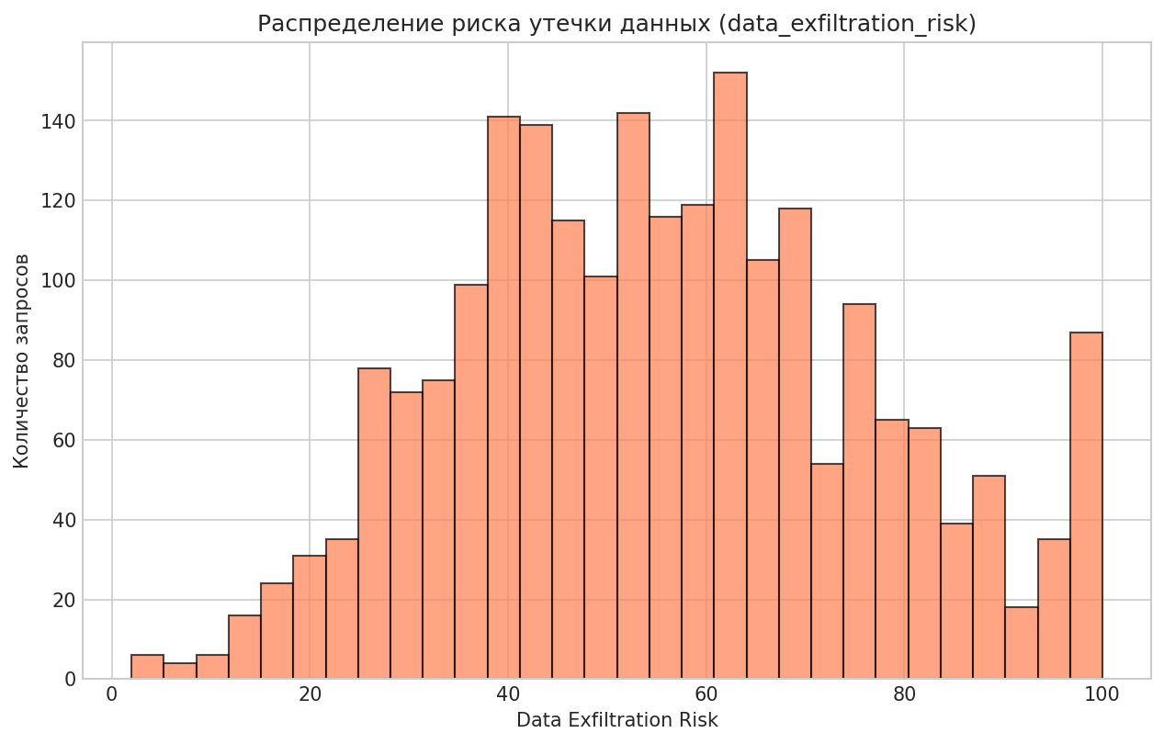
agent_role | agent_autonomy_level | user_role | requested_action | tool_requested | resource_type | resource_sensitivity | permission_match | action_risk_score | prompt_injection_detected | data_exfiltration_risk | human_approval_required | previous_failed_attempts | audit_log_available | access_decision
customer_support_agent | 4 | admin | read_record | file_storage_api | api_key_secret | 5 | 0 | 64 | 0 | 83 | 0 | 0 | 1 | Blocked
customer_support_agent | 2 | analyst | export_report | crm_api | sales_pipeline | 3 | 0 | 66 | 0 | 65 | 1 | 2 | 1 | Blocked
hr_onboarding_agent | 3 | vendor | change_permission | external_webhook | sales_pipeline | 3 | 0 | 100 | 0 | 51 | 1 | 2 | 1 | Blocked
hr_onboarding_agent | 2 | manager | send_email | hris_api | customer_profile | 3 | 0 | 64 | 0 | 64 | 0 | 0 | 1 | Blocked
finance_reconciliation_agent | 1 | vendor | read_record | database_api | source_code_repo | 4 | 0 | 41 | 0 | 63 | 0 | 1 | 1 | Blocked
security_monitoring_agent | 4 | guest | change_permission | crm_api | access_policy | 5 | 0 | 100 | 1 | 86 | 1 | 4 | 0 | Blocked
data_analytics_agent | 2 | security_admin | send_email | email_api | access_policy | 5 | 1 | 46 | 0 | 88 | 1 | 0 | 1 | Blocked
devops_release_agent | 5 | manager | read_record | file_storage_api | invoice | 3 | 0 | 49 | 0 | 51 | 0 | 0 | 1 | Blocked
it_helpdesk_agent | 4 | admin | create_ticket | hris_api | customer_profile | 3 | 1 | 17 | 0 | 50 | 0 | 1 | 1 | Allowed
customer_support_agent | 2 | contractor | send_email | email_api | customer_profile | 3 | 1 | 38 | 0 | 66 | 0 | 0 | 0 | Needs_Human_Approval
sales_crm_agent | 3 | admin | export_report | email_api | access_policy | 5 | 1 | 77 | 0 | 83 | 1 | 2 | 1 | Needs_Human_Approval
customer_support_agent | 4 | manager | change_permission | identity_provider_api | customer_profile | 3 | 1 | 97 | 0 | 39 | 1 | 1 | 0 | Blocked
it_helpdesk_agent | 2 | employee | download_file | hris_api | customer_profile | 2 | 0 | 67 | 0 | 70 | 1 | 2 | 1 | Blocked
it_helpdesk_agent | 5 | service_account | download_file | hris_api | access_policy | 5 | 1 | 85 | 0 | 87 | 1 | 0 | 1 | Blocked
customer_support_agent | 1 | analyst | export_report | crm_api | invoice | 3 | 0 | 78 | 1 | 94 | 1 | 1 | 1 | Blocked
finance_reconciliation_agent | 3 | guest | export_report | database_api | support_ticket | 1 | 0 | 58 | 0 | 51 | 0 | 2 | 1 | Blocked
procurement_agent | 1 | analyst | export_report | crm_api | public_knowledge_base | 1 | 0 | 51 | 0 | 52 | 0 | 4 | 1 | Blocked
hr_onboarding_agent | 3 | vendor | delete_record | database_api | support_ticket | 2 | 0 | 94 | 0 | 37 | 0 | 0 | 1 | Blocked
executive_assistant_agent | 3 | guest | create_ticket | ticketing_api | invoice | 2 | 1 | 16 | 0 | 24 | 1 | 1 | 1 | Allowed
data_analytics_agent | 5 | employee | run_script | devops_ci_api | audit_log | 4 | 0 | 100 | 0 | 58 | 1 | 1 | 1 | Blocked
finance_reconciliation_agent | 3 | service_account | search_records | ticketing_api | system_config | 4 | 0 | 66 | 1 | 82 | 1 | 3 | 1 | Blocked
it_helpdesk_agent | 3 | analyst | read_record | finance_erp_api | public_knowledge_base | 1 | 1 | 2 | 0 | 17 | 0 | 0 | 1 | Allowed
data_analytics_agent | 3 | employee | search_records | finance_erp_api | sales_pipeline | 3 | 1 | 16 | 0 | 28 | 0 | 0 | 1 | Allowed
customer_support_agent | 3 | employee | update_record | finance_erp_api | invoice | 3 | 0 | 73 | 0 | 39 | 1 | 0 | 1 | Blocked
executive_assistant_agent | 4 | vendor | create_ticket | ticketing_api | payroll_record | 5 | 0 | 59 | 0 | 61 | 1 | 0 | 1 | Blocked
finance_reconciliation_agent | 4 | service_account | search_records | finance_erp_api | customer_profile | 3 | 0 | 39 | 0 | 42 | 0 | 0 | 1 | Blocked
legal_contract_agent | 5 | manager | update_record | database_api | source_code_repo | 3 | 0 | 100 | 1 | 52 | 1 | 0 | 1 | Blocked
executive_assistant_agent | 4 | security_admin | export_report | finance_erp_api | employee_file | 4 | 0 | 84 | 0 | 83 | 1 | 1 | 0 | Blocked
it_helpdesk_agent | 4 | employee | download_file | file_storage_api | contract_document | 3 | 0 | 91 | 1 | 100 | 1 | 0 | 1 | Blocked
procurement_agent | 2 | analyst | update_record | database_api | public_knowledge_base | 1 | 1 | 27 | 0 | 25 | 0 | 0 | 1 | Allowed
hr_onboarding_agent | 3 | contractor | send_email | email_api | payroll_record | 4 | 1 | 45 | 0 | 82 | 0 | 2 | 1 | Needs_Human_Approval
customer_support_agent | 4 | manager | approve_payment | finance_erp_api | access_policy | 5 | 1 | 91 | 0 | 52 | 1 | 0 | 1 | Blocked
security_monitoring_agent | 5 | employee | update_record | hris_api | sales_pipeline | 3 | 1 | 53 | 0 | 36 | 0 | 0 | 1 | Allowed
it_helpdesk_agent | 2 | service_account | search_records | database_api | public_knowledge_base | 1 | 1 | 2 | 0 | 5 | 0 | 0 | 1 | Allowed
executive_assistant_agent | 2 | contractor | read_record | file_storage_api | employee_file | 4 | 0 | 39 | 0 | 74 | 0 | 0 | 1 | Blocked
sales_crm_agent | 3 | contractor | download_file | file_storage_api | payroll_record | 5 | 1 | 73 | 0 | 96 | 1 | 0 | 1 | Blocked
customer_support_agent | 3 | employee | update_record | hris_api | contract_document | 3 | 0 | 63 | 0 | 42 | 0 | 1 | 1 | Blocked
it_helpdesk_agent | 1 | employee | read_record | database_api | sales_pipeline | 3 | 0 | 38 | 0 | 53 | 0 | 2 | 1 | Blocked
customer_support_agent | 4 | contractor | read_record | contract_repository_api | employee_file | 4 | 0 | 52 | 0 | 55 | 0 | 2 | 1 | Blocked
procurement_agent | 4 | employee | read_record | crm_api | invoice | 3 | 1 | 15 | 0 | 26 | 0 | 0 | 1 | Allowed
data_analytics_agent | 4 | analyst | update_record | database_api | contract_document | 3 | 0 | 92 | 0 | 50 | 1 | 4 | 1 | Blocked
customer_support_agent | 4 | manager | export_report | crm_api | system_config | 4 | 1 | 53 | 0 | 81 | 0 | 0 | 1 | Needs_Human_Approval
legal_contract_agent | 3 | analyst | read_record | crm_api | support_ticket | 2 | 0 | 28 | 0 | 43 | 0 | 0 | 1 | Blocked
it_helpdesk_agent | 3 | analyst | search_records | hris_api | invoice | 3 | 0 | 88 | 1 | 67 | 1 | 4 | 1 | Blocked
procurement_agent | 3 | analyst | approve_payment | finance_erp_api | system_config | 4 | 0 | 97 | 0 | 57 | 1 | 0 | 1 | Blocked
legal_contract_agent | 5 | admin | download_file | contract_repository_api | financial_record | 4 | 0 | 68 | 0 | 100 | 1 | 0 | 1 | Blocked
hr_onboarding_agent | ОПИСАНИЕ: | service_account | send_email | email_api | invoice | 3 | 0 | 53 | 0 | 75 | 0 | 0 | 1 | Blocked
finance_reconciliation_agent | 5 | employee | read_record | file_storage_api | financial_record | 3 | 0 | 54 | 0 | 62 | 0 | 4 | 1 | Blocked
hr_onboarding_agent | ТИП ГРАФИКИ: Гистограмма | service_account | search_records | ticketing_api | financial_record | 4 | 1 | 37 | 0 | 57 | 0 | 0 | 1 | Allowed
customer_support_agent | 2 | analyst | create_ticket | database_api | contract_document | 3 | 0 | 39 | 0 | 48 | 0 | 1 | 1 | Blocked
sales_crm_agent | ЧТО ПОКАЗЫВАЕТ: | employee | sync_external_app | database_api | public_knowledge_base | 2 | 1 | 53 | 0 | 42 | 0 | 0 | 1 | Allowed
customer_support_agent | - Распределение оценок риска эксфильтрации данных | contractor | search_records | finance_erp_api | support_ticket | 2 | 1 | 28 | 1 | 48 | 0 | 0 | 1 | Blocked
it_helpdesk_agent | - Позволяет выявить концентрацию запросов с высоким риском утечки | contractor | search_records | hris_api | financial_record | 4 | 0 | 40 | 0 | 79 | 0 | 0 | 1 | Blocked
sales_crm_agent | 3 | employee | create_ticket | ticketing_api | customer_profile | 3 | 1 | 18 | 0 | 35 | 0 | 0 | 0 | Allowed
it_helpdesk_agent | ИНСАЙТ ДЛЯ БИЗНЕСА: | analyst | update_record | database_api | support_ticket | 2 | 1 | 41 | 0 | 26 | 0 | 0 | 1 | Allowed
it_helpdesk_agent | - Распределение имеет правостороннюю асимметрию | analyst | approve_payment | finance_erp_api | financial_record | 3 | 0 | 88 | 0 | 59 | 1 | 0 | 1 | Blocked
procurement_agent | - Значительная часть запросов имеет низкий риск эксфильтрации (<40) | manager | send_email | identity_provider_api | customer_profile | 2 | 0 | 59 | 0 | 60 | 0 | 0 | 1 | Blocked
customer_support_agent | - Хвост распределения (>70) требует особого внимания DLP-систем | analyst | read_record | finance_erp_api | system_config | 4 | 0 | 40 | 0 | 66 | 1 | 0 | 1 | Blocked
hr_onboarding_agent | - Рекомендуется настроить алерты для значений >60 | manager | read_record | contract_repository_api | public_knowledge_base | 1 | 1 | 2 | 0 | 11 | 0 | 0 | 1 | Allowed
it_helpdesk_agent | 5 | employee | send_email | email_api | public_knowledge_base | 1 | 1 | 21 | 0 | 46 | 0 | 2 | 1 | Allowed
data_analytics_agent | 4 | security_admin | search_records | ticketing_api | contract_document | 3 | 0 | 51 | 0 | 43 | 0 | 2 | 1 | Blocked
customer_support_agent | 2 | contractor | update_record | crm_api | contract_document | 3 | 1 | 54 | 0 | 37 | 0 | 0 | 1 | Allowed
hr_onboarding_agent | 4 | security_admin | create_ticket | ticketing_api | system_config | 4 | 1 | 28 | 0 | 43 | 0 | 0 | 1 | Allowed
finance_reconciliation_agent | 3 | employee | export_report | crm_api | customer_profile | 3 | 1 | 45 | 0 | 57 | 0 | 0 | 1 | Allowed
customer_support_agent | 2 | employee | send_email | email_api | api_key_secret | 5 | 0 | 68 | 0 | 100 | 1 | 1 | 1 | Blocked
legal_contract_agent | 4 | employee | read_record | database_api | sales_pipeline | 3 | 0 | 48 | 0 | 48 | 0 | 2 | 1 | Blocked
it_helpdesk_agent | 3 | employee | delete_record | devops_ci_api | system_config | 4 | 0 | 100 | 0 | 62 | 1 | 0 | 1 | Blocked
executive_assistant_agent | 5 | manager | send_email | email_api | support_ticket | 2 | 1 | 33 | 0 | 60 | 0 | 0 | 1 | Allowed
sales_crm_agent | 2 | employee | send_email | crm_api | customer_profile | 3 | 0 | 73 | 0 | 70 | 1 | 2 | 1 | Blocked
customer_support_agent | 5 | employee | export_report | siem_api | financial_record | 4 | 1 | 99 | 1 | 97 | 1 | 5 | 1 | Blocked
legal_contract_agent | 3 | manager | read_record | file_storage_api | support_ticket | 2 | 1 | 8 | 0 | 31 | 0 | 0 | 1 | Allowed
security_monitoring_agent | 3 | analyst | search_records | hris_api | public_knowledge_base | 1 | 0 | 16 | 0 | 33 | 0 | 0 | 1 | Blocked
legal_contract_agent | 5 | employee | create_ticket | ticketing_api | invoice | 3 | 1 | 15 | 0 | 43 | 0 | 1 | 1 | Allowed
customer_support_agent | 4 | employee | export_report | crm_api | customer_profile | 3 | 1 | 56 | 0 | 54 | 0 | 3 | 1 | Allowed
security_monitoring_agent | 4 | security_admin | read_record | finance_erp_api | sales_pipeline | 3 | 1 | 24 | 0 | 33 | 0 | 0 | 1 | Allowed
customer_support_agent | 3 | analyst | update_record | ticketing_api | customer_profile | 2 | 1 | 38 | 0 | 32 | 0 | 0 | 1 | Allowed
legal_contract_agent | 3 | manager | sync_external_app | database_api | financial_record | 4 | 0 | 97 | 0 | 79 | 1 | 0 | 1 | Blocked
it_helpdesk_agent | 2 | manager | search_records | database_api | invoice | 3 | 0 | 27 | 0 | 42 | 0 | 1 | 1 | Blocked
customer_support_agent | 3 | service_account | export_report | siem_api | financial_record | 4 | 0 | 63 | 0 | 88 | 0 | 0 | 1 | Blocked
customer_support_agent | 5 | service_account | create_ticket | email_api | employee_file | 4 | 1 | 36 | 0 | 61 | 1 | 1 | 1 | Needs_Human_Approval
sales_crm_agent | 3 | analyst | read_record | file_storage_api | public_knowledge_base | 1 | 0 | 22 | 0 | 45 | 0 | 1 | 1 | Blocked
finance_reconciliation_agent | 2 | analyst | send_email | email_api | invoice | 3 | 0 | 51 | 0 | 70 | 0 | 2 | 1 | Blocked
sales_crm_agent | 2 | security_admin | sync_external_app | external_webhook | support_ticket | 2 | 0 | 97 | 0 | 75 | 1 | 6 | 0 | Blocked
procurement_agent | 4 | employee | update_record | crm_api | public_knowledge_base | 1 | 0 | 66 | 0 | 24 | 1 | 0 | 0 | Blocked
data_analytics_agent | 4 | analyst | send_email | crm_api | access_policy | 5 | 0 | 100 | 1 | 100 | 1 | 6 | 1 | Blocked
finance_reconciliation_agent | 4 | employee | download_file | database_api | financial_record | 5 | 0 | 86 | 0 | 94 | 1 | 0 | 1 | Blocked
devops_release_agent | 3 | employee | read_record | file_storage_api | employee_file | 4 | 0 | 54 | 0 | 70 | 0 | 0 | 1 | Blocked
data_analytics_agent | 4 | analyst | send_email | email_api | public_knowledge_base | 1 | 0 | 42 | 0 | 43 | 0 | 1 | 1 | Blocked
customer_support_agent | 5 | analyst | update_record | finance_erp_api | system_config | 4 | 0 | 87 | 0 | 56 | 1 | 0 | 1 | Blocked
it_helpdesk_agent | 3 | guest | export_report | database_api | support_ticket | 2 | 1 | 36 | 0 | 56 | 0 | 0 | 1 | Allowed
procurement_agent | 2 | employee | view_audit_log | siem_api | customer_profile | 3 | 0 | 87 | 1 | 67 | 1 | 2 | 1 | Blocked
customer_support_agent | 4 | analyst | view_audit_log | identity_provider_api | employee_file | 4 | 0 | 64 | 0 | 72 | 0 | 0 | 0 | Blocked
finance_reconciliation_agent | 3 | manager | search_records | crm_api | financial_record | 4 | 1 | 44 | 0 | 39 | 0 | 0 | 1 | Allowed
sales_crm_agent | 5 | manager | change_permission | email_api | public_knowledge_base | 1 | 1 | 89 | 0 | 23 | 1 | 0 | 0 | Blocked
finance_reconciliation_agent | 1 | security_admin | read_record | file_storage_api | contract_document | 3 | 1 | 2 | 0 | 43 | 0 | 0 | 1 | Allowed
security_monitoring_agent | 2 | admin | send_email | email_api | employee_file | 5 | 0 | 62 | 0 | 100 | 1 | 1 | 1 | Blocked
customer_support_agent | 3 | analyst | download_file | crm_api | access_policy | 5 | 0 | 100 | 0 | 88 | 1 | 0 | 1 | Blocked
procurement_agent | 5 | contractor | create_ticket | file_storage_api | financial_record | 4 | 1 | 73 | 1 | 87 | 1 | 0 | 1 | Blocked
hr_onboarding_agent | 4 | contractor | export_report | database_api | support_ticket | 2 | 0 | 57 | 0 | 74 | 0 | 0 | 1 | Blocked
...

5_Access_Decision
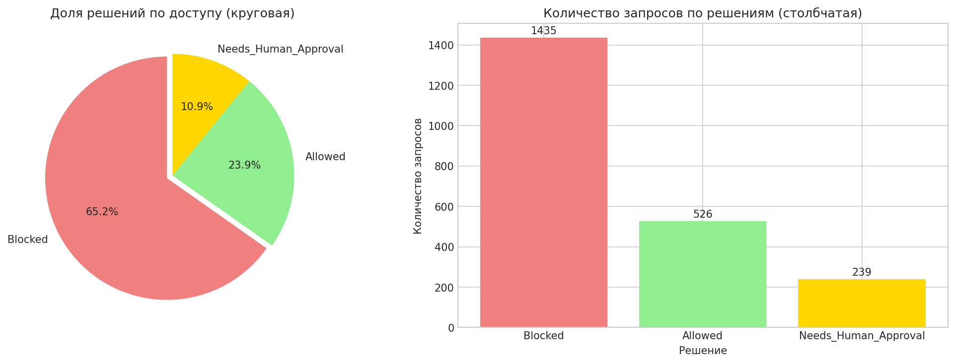
prompt_injection_detected | data_exfiltration_risk | human_approval_required | previous_failed_attempts | audit_log_available | access_decision
0 | 83 | 0 | 0 | 1 | Blocked
0 | 65 | 1 | 2 | 1 | Blocked
0 | 51 | 1 | 2 | 1 | Blocked
0 | 64 | 0 | 0 | 1 | Blocked
0 | 63 | 0 | 1 | 1 | Blocked
1 | 86 | 1 | 4 | 0 | Blocked
0 | 88 | 1 | 0 | 1 | Blocked
0 | 51 | 0 | 0 | 1 | Blocked
0 | 50 | 0 | 1 | 1 | Allowed
0 | 66 | 0 | 0 | 0 | Needs_Human_Approval
0 | 83 | 1 | 2 | 1 | Needs_Human_Approval
0 | 39 | 1 | 1 | 0 | Blocked
0 | 70 | 1 | 2 | 1 | Blocked
0 | 87 | 1 | 0 | 1 | Blocked
1 | 94 | 1 | 1 | 1 | Blocked
0 | 51 | 0 | 2 | 1 | Blocked
0 | 52 | 0 | 4 | 1 | Blocked
0 | 37 | 0 | 0 | 1 | Blocked
0 | 24 | 1 | 1 | 1 | Allowed
0 | 58 | 1 | 1 | 1 | Blocked
1 | 82 | 1 | 3 | 1 | Blocked
0 | 17 | 0 | 0 | 1 | Allowed
0 | 28 | 0 | 0 | 1 | Allowed
0 | 39 | 1 | 0 | 1 | Blocked
0 | 61 | 1 | 0 | 1 | Blocked
...

6_Top_Roles
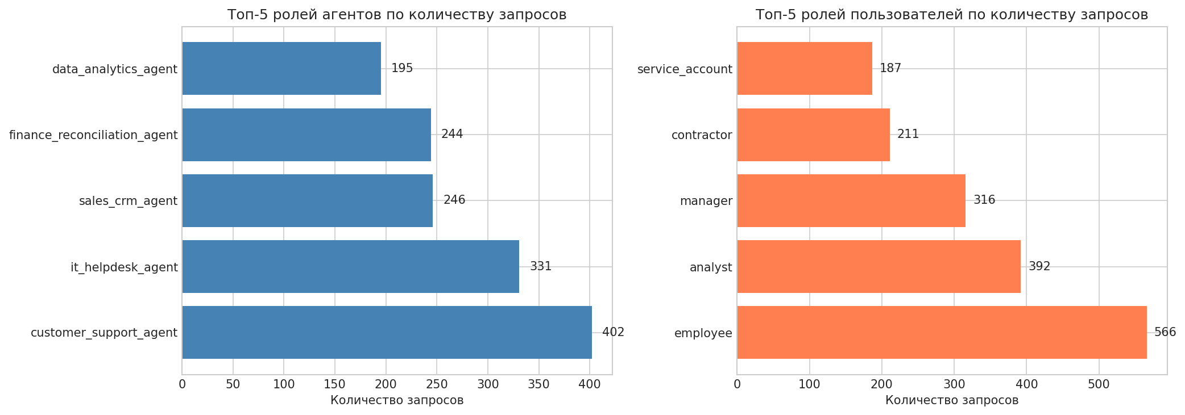
action_risk_score | prompt_injection_detected | data_exfiltration_risk | human_approval_required | previous_failed_attempts | audit_log_available | access_decision
64 | 0 | 83 | 0 | 0 | 1 | Blocked
66 | 0 | 65 | 1 | 2 | 1 | Blocked
100 | 0 | 51 | 1 | 2 | 1 | Blocked
64 | 0 | 64 | 0 | 0 | 1 | Blocked
41 | 0 | 63 | 0 | 1 | 1 | Blocked
100 | 1 | 86 | 1 | 4 | 0 | Blocked
46 | 0 | 88 | 1 | 0 | 1 | Blocked
49 | 0 | 51 | 0 | 0 | 1 | Blocked
17 | 0 | 50 | 0 | 1 | 1 | Allowed
38 | 0 | 66 | 0 | 0 | 0 | Needs_Human_Approval
77 | 0 | 83 | 1 | 2 | 1 | Needs_Human_Approval
97 | 0 | 39 | 1 | 1 | 0 | Blocked
67 | 0 | 70 | 1 | 2 | 1 | Blocked
85 | 0 | 87 | 1 | 0 | 1 | Blocked
78 | 1 | 94 | 1 | 1 | 1 | Blocked
58 | 0 | 51 | 0 | 2 | 1 | Blocked
51 | 0 | 52 | 0 | 4 | 1 | Blocked
94 | 0 | 37 | 0 | 0 | 1 | Blocked
16 | 0 | 24 | 1 | 1 | 1 | Allowed
100 | 0 | 58 | 1 | 1 | 1 | Blocked
66 | 1 | 82 | 1 | 3 | 1 | Blocked
2 | 0 | 17 | 0 | 0 | 1 | Allowed
16 | 0 | 28 | 0 | 0 | 1 | Allowed
73 | 0 | 39 | 1 | 0 | 1 | Blocked
...

7_Anomaly_HighRisk_Allowed
agent_role | agent_autonomy_level | user_role | requested_action | tool_requested | resource_type | resource_sensitivity | permission_match | action_risk_score | prompt_injection_detected | data_exfiltration_risk | human_approval_required | previous_failed_attempts | audit_log_available | access_decision

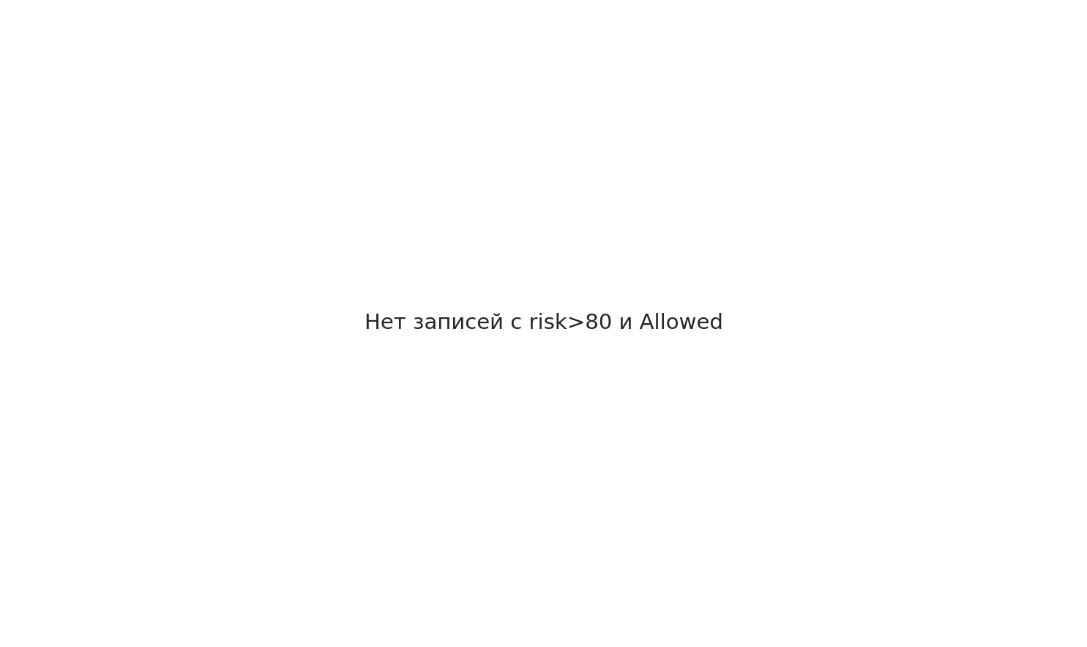
...

8_Prompt_Injection
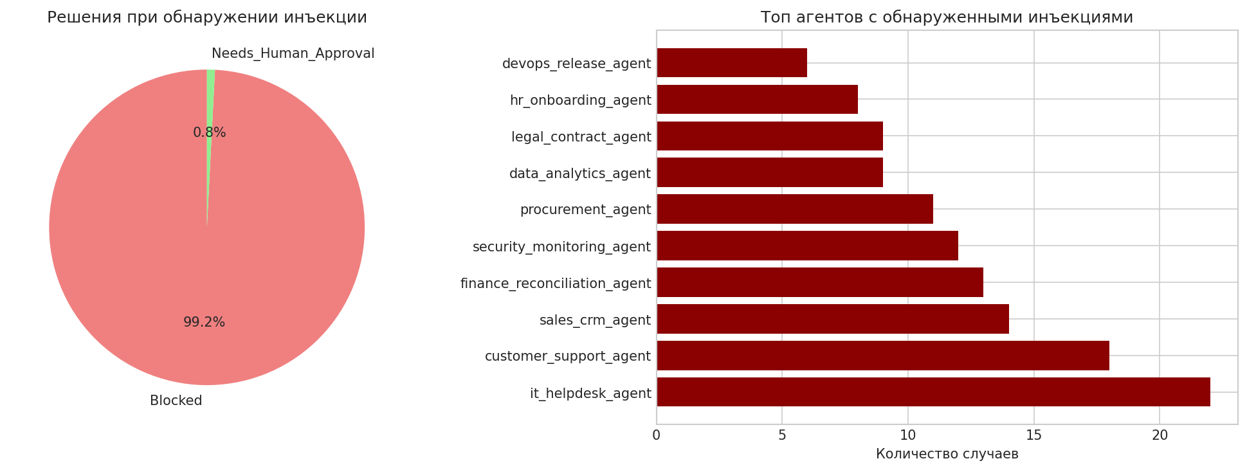
prompt_injection_detected | data_exfiltration_risk | human_approval_required | previous_failed_attempts | audit_log_available | access_decision
1 | 86 | 1 | 4 | 0 | Blocked
1 | 94 | 1 | 1 | 1 | Blocked
1 | 82 | 1 | 3 | 1 | Blocked
1 | 52 | 1 | 0 | 1 | Blocked
1 | 100 | 1 | 0 | 1 | Blocked
1 | 67 | 1 | 4 | 1 | Blocked
1 | 48 | 0 | 0 | 1 | Blocked
1 | 97 | 1 | 5 | 1 | Blocked
1 | 100 | 1 | 6 | 1 | Blocked
1 | 67 | 1 | 2 | 1 | Blocked
1 | 87 | 1 | 0 | 1 | Blocked
1 | 77 | 1 | 3 | 1 | Blocked
1 | 47 | 0 | 1 | 1 | Blocked
1 | 65 | 1 | 3 | 1 | Blocked
1 | 58 | 1 | 3 | 1 | Blocked
1 | 99 | 1 | 4 | 1 | Blocked
1 | 58 | 1 | 3 | 1 | Blocked
1 | 100 | 1 | 6 | 1 | Blocked
1 | 100 | 1 | 8 | 1 | Blocked
1 | 94 | 1 | 2 | 1 | Blocked
1 | 67 | 1 | 2 | 1 | Blocked
1 | 77 | 1 | 1 | 1 | Blocked
1 | 44 | 1 | 1 | 1 | Blocked
1 | 71 | 1 | 0 | 0 | Blocked
1 | 94 | 1 | 4 | 1 | Blocked
...

9_Exfil_Outliers
agent_role | agent_autonomy_level | user_role | requested_action | tool_requested | resource_type | resource_sensitivity | permission_match | action_risk_score | prompt_injection_detected | data_exfiltration_risk | human_approval_required | previous_failed_attempts | audit_log_available | access_decision



 |  | ОПИСАНИЕ:

 |  | ТИП ГРАФИКИ: Две горизонтальные столбчатые диаграммы

 |  | ЧТО ПОКАЗЫВАЕТ:
 |  | - Выбросы в data_exfiltration_risk (значения > Q3 + 1.5*IQR)
...

10_HighFailed_Allowed
...
prompt_injection_detected | data_exfiltration_risk | human_approval_required | previous_failed_attempts | audit_log_available | access_decision
0 | 42 | 0 | 6 | 1 | Allowed
0 | 49 | 0 | 3 | 1 | Allowed
0 | 13 | 0 | 3 | 1 | Allowed
0 | 29 | 0 | 6 | 1 | Allowed
0 | 16 | 0 | 6 | 1 | Allowed
0 | 28 | 0 | 3 | 1 | Allowed
0 | 35 | 0 | 4 | 1 | Allowed
0 | 60 | 0 | 5 | 1 | Allowed
0 | 47 | 0 | 3 | 1 | Allowed
0 | 55 | 0 | 4 | 1 | Allowed
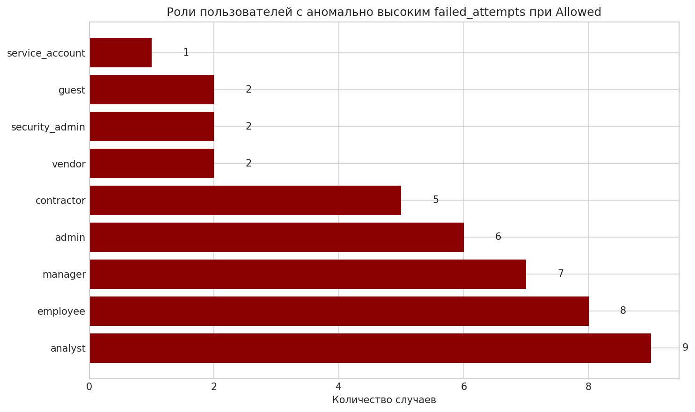
0 | 19 | 0 | 5 | 1 | Allowed
0 | 44 | 0 | 3 | 1 | Allowed
0 | 25 | 0 | 3 | 1 | Allowed
0 | 34 | 0 | 6 | 0 | Allowed
0 | 17 | 0 | 5 | 1 | Allowed
0 | 36 | 0 | 4 | 1 | Allowed
0 | 51 | 0 | 3 | 1 | Allowed
0 | 28 | 0 | 6 | 1 | Allowed
0 | 28 | 0 | 4 | 1 | Allowed
0 | 48 | 0 | 4 | 1 | Allowed
0 | 36 | 0 | 3 | 1 | Allowed
0 | 10 | 0 | 6 | 1 | Allowed
0 | 50 | 0 | 3 | 1 | Allowed
0 | 44 | 0 | 3 | 1 | Allowed
0 | 47 | 0 | 4 | 1 | Allowed
0 | 38 | 0 | 5 | 1 | Allowed
0 | 30 | 0 | 5 | 1 | Allowed
0 | 50 | 0 | 4 | 1 | Allowed
0 | 26 | 0 | 3 | 1 | Allowed
0 | 36 | 0 | 3 | 1 | Allowed
0 | 51 | 0 | 6 | 0 | Allowed
0 | 59 | 0 | 5 | 1 | Allowed
0 | 44 | 0 | 3 | 1 | Allowed
0 | 40 | 0 | 4 | 1 | Allowed
0 | 17 | 0 | 4 | 1 | Allowed
...

11_Permission_Mismatch
requested_action | tool_requested | resource_type | resource_sensitivity | permission_match | action_risk_score | prompt_injection_detected | data_exfiltration_risk | human_approval_required | previous_failed_attempts | audit_log_available | access_decision | mismatch_type
send_email | email_api | access_policy | 5 | 1 | 46 | 0 | 88 | 1 | 0 | 1 | Blocked | permission_match=1 но Blocked
change_permission | identity_provider_api | customer_profile | 3 | 1 | 97 | 0 | 39 | 1 | 1 | 0 | Blocked | permission_match=1 но Blocked
download_file | hris_api | access_policy | 5 | 1 | 85 | 0 | 87 | 1 | 0 | 1 | Blocked | permission_match=1 но Blocked
approve_payment | finance_erp_api | access_policy | 5 | 1 | 91 | 0 | 52 | 1 | 0 | 1 | Blocked | permission_match=1 но Blocked
download_file | file_storage_api | payroll_record | 5 | 1 | 73 | 0 | 96 | 1 | 0 | 1 | Blocked | permission_match=1 но Blocked
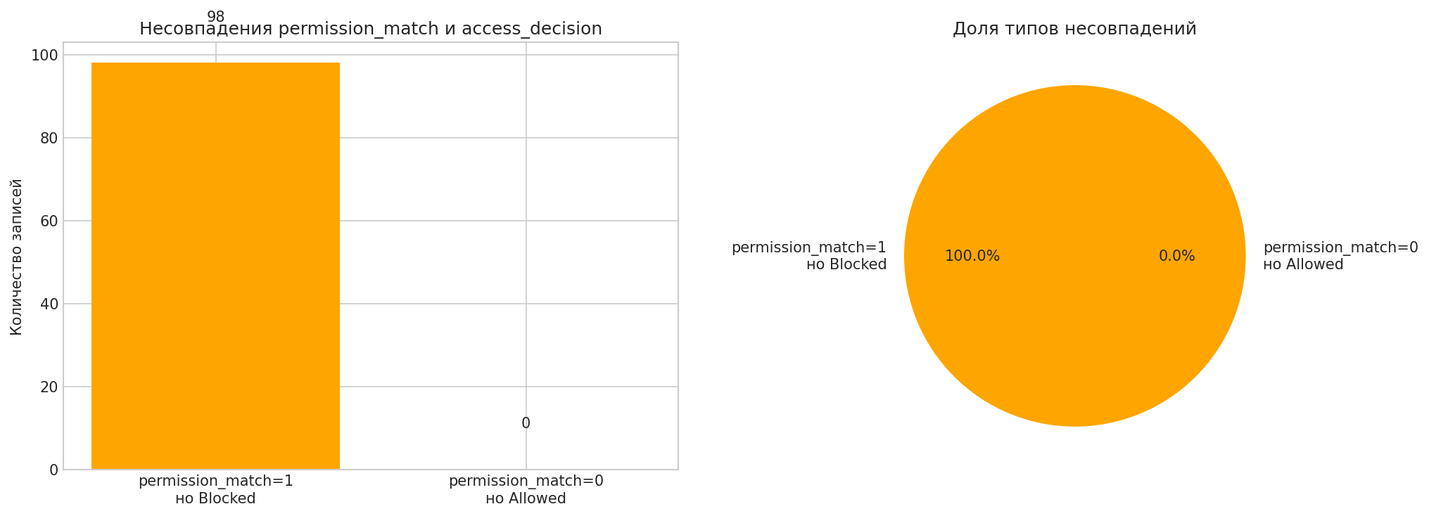
search_records | finance_erp_api | support_ticket | 2 | 1 | 28 | 1 | 48 | 0 | 0 | 1 | Blocked | permission_match=1 но Blocked
export_report | siem_api | financial_record | 4 | 1 | 99 | 1 | 97 | 1 | 5 | 1 | Blocked | permission_match=1 но Blocked
change_permission | email_api | public_knowledge_base | 1 | 1 | 89 | 0 | 23 | 1 | 0 | 0 | Blocked | permission_match=1 но Blocked
create_ticket | file_storage_api | financial_record | 4 | 1 | 73 | 1 | 87 | 1 | 0 | 1 | Blocked | permission_match=1 но Blocked
send_email | email_api | financial_record | 5 | 1 | 66 | 0 | 100 | 1 | 2 | 1 | Blocked | permission_match=1 но Blocked
search_records | database_api | sales_pipeline | 3 | 1 | 60 | 1 | 47 | 0 | 1 | 1 | Blocked | permission_match=1 но Blocked
download_file | contract_repository_api | sales_pipeline | 3 | 1 | 66 | 1 | 65 | 1 | 3 | 1 | Blocked | permission_match=1 но Blocked
sync_external_app | file_storage_api | employee_file | 4 | 1 | 89 | 0 | 82 | 1 | 0 | 1 | Blocked | permission_match=1 но Blocked
run_script | devops_ci_api | customer_profile | 3 | 1 | 100 | 1 | 58 | 1 | 3 | 1 | Blocked | permission_match=1 но Blocked
send_email | email_api | financial_record | 4 | 1 | 43 | 0 | 90 | 0 | 0 | 1 | Blocked | permission_match=1 но Blocked
delete_record | ticketing_api | source_code_repo | 4 | 1 | 100 | 0 | 38 | 1 | 0 | 1 | Blocked | permission_match=1 но Blocked
change_permission | identity_provider_api | contract_document | 3 | 1 | 100 | 0 | 40 | 1 | 0 | 0 | Blocked | permission_match=1 но Blocked
export_report | siem_api | invoice | 3 | 1 | 79 | 1 | 67 | 1 | 2 | 1 | Blocked | permission_match=1 но Blocked
change_permission | identity_provider_api | customer_profile | 3 | 1 | 98 | 0 | 37 | 1 | 0 | 0 | Blocked | permission_match=1 но Blocked
delete_record | hris_api | payroll_record | 5 | 1 | 100 | 0 | 62 | 1 | 3 | 1 | Blocked | permission_match=1 но Blocked
change_permission | identity_provider_api | employee_file | 4 | 1 | 98 | 0 | 45 | 1 | 0 | 1 | Blocked | permission_match=1 но Blocked
run_script | devops_ci_api | sales_pipeline | 3 | 1 | 97 | 0 | 41 | 1 | 0 | 1 | Blocked | permission_match=1 но Blocked
send_email | email_api | customer_profile | 3 | 1 | 88 | 1 | 77 | 1 | 3 | 1 | Blocked | permission_match=1 но Blocked
export_report | crm_api | contract_document | 2 | 1 | 73 | 1 | 73 | 1 | 2 | 1 | Blocked | permission_match=1 но Blocked
send_email | email_api | support_ticket | 2 | 1 | 42 | 1 | 79 | 0 | 2 | 1 | Blocked | permission_match=1 но Blocked
export_report | email_api | financial_record | 4 | 1 | 47 | 0 | 88 | 0 | 0 | 1 | Blocked | permission_match=1 но Blocked
send_email | email_api | support_ticket | 2 | 1 | 59 | 1 | 83 | 0 | 2 | 1 | Blocked | permission_match=1 но Blocked
send_email | email_api | access_policy | 5 | 1 | 50 | 0 | 88 | 1 | 4 | 1 | Blocked | permission_match=1 но Blocked
download_file | database_api | customer_profile | 3 | 1 | 82 | 1 | 82 | 1 | 0 | 1 | Blocked | permission_match=1 но Blocked
run_script | devops_ci_api | audit_log | 4 | 1 | 98 | 0 | 44 | 1 | 1 | 1 | Blocked | permission_match=1 но Blocked
run_script | devops_ci_api | customer_profile | 3 | 1 | 100 | 1 | 68 | 0 | 1 | 1 | Blocked | permission_match=1 но Blocked
...

12_Correlation_Heatmap
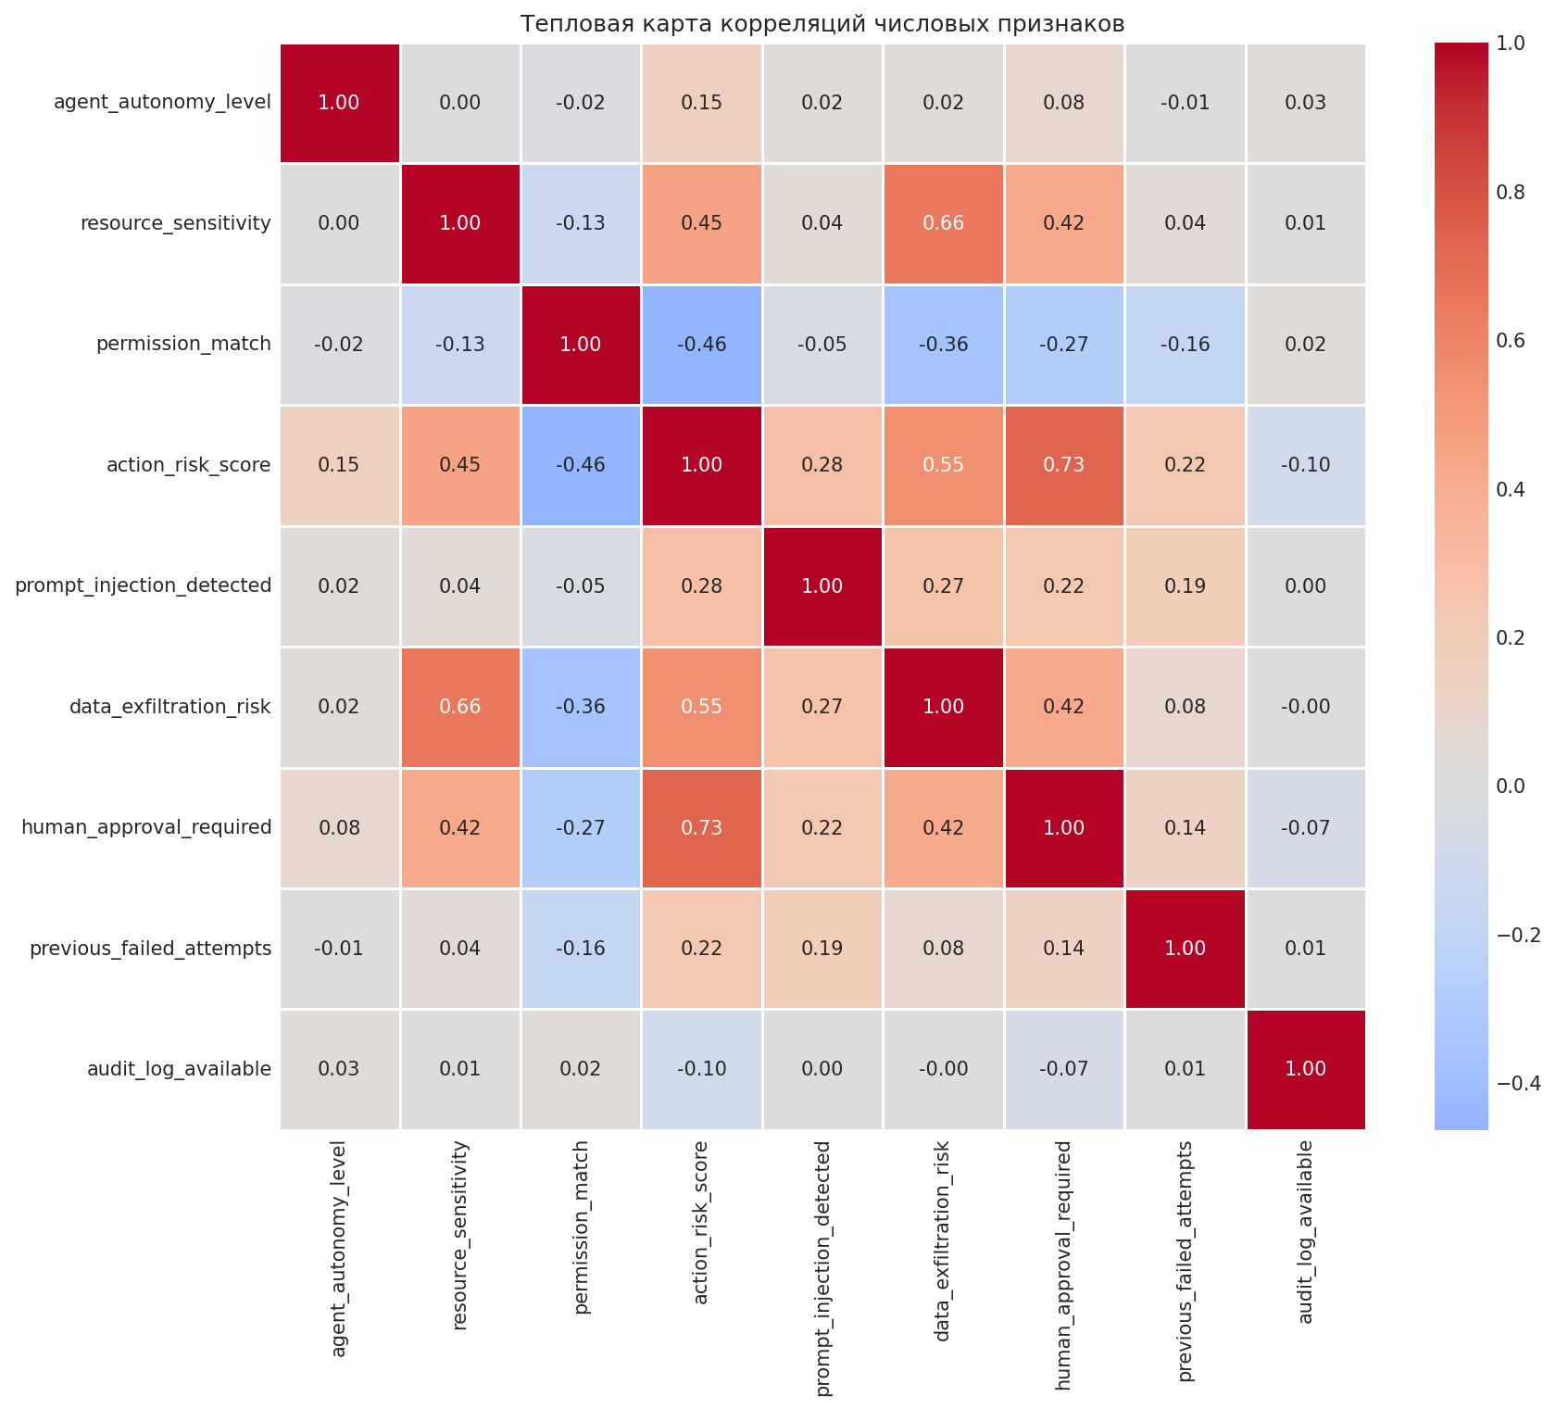
action_risk_score | prompt_injection_detected | data_exfiltration_risk | human_approval_required | previous_failed_attempts | audit_log_available | access_decision
64 | 0 | 83 | 0 | 0 | 1 | Blocked
66 | 0 | 65 | 1 | 2 | 1 | Blocked
100 | 0 | 51 | 1 | 2 | 1 | Blocked
64 | 0 | 64 | 0 | 0 | 1 | Blocked
41 | 0 | 63 | 0 | 1 | 1 | Blocked
100 | 1 | 86 | 1 | 4 | 0 | Blocked
46 | 0 | 88 | 1 | 0 | 1 | Blocked
49 | 0 | 51 | 0 | 0 | 1 | Blocked
17 | 0 | 50 | 0 | 1 | 1 | Allowed
38 | 0 | 66 | 0 | 0 | 0 | Needs_Human_Approval
77 | 0 | 83 | 1 | 2 | 1 | Needs_Human_Approval
97 | 0 | 39 | 1 | 1 | 0 | Blocked
67 | 0 | 70 | 1 | 2 | 1 | Blocked
85 | 0 | 87 | 1 | 0 | 1 | Blocked
78 | 1 | 94 | 1 | 1 | 1 | Blocked
58 | 0 | 51 | 0 | 2 | 1 | Blocked
51 | 0 | 52 | 0 | 4 | 1 | Blocked
94 | 0 | 37 | 0 | 0 | 1 | Blocked
16 | 0 | 24 | 1 | 1 | 1 | Allowed
100 | 0 | 58 | 1 | 1 | 1 | Blocked
66 | 1 | 82 | 1 | 3 | 1 | Blocked
2 | 0 | 17 | 0 | 0 | 1 | Allowed
16 | 0 | 28 | 0 | 0 | 1 | Allowed
73 | 0 | 39 | 1 | 0 | 1 | Blocked
59 | 0 | 61 | 1 | 0 | 1 | Blocked
39 | 0 | 42 | 0 | 0 | 1 | Blocked
100 | 1 | 52 | 1 | 0 | 1 | Blocked
84 | 0 | 83 | 1 | 1 | 0 | Blocked
91 | 1 | 100 | 1 | 0 | 1 | Blocked
27 | 0 | 25 | 0 | 0 | 1 | Allowed
45 | 0 | 82 | 0 | 2 | 1 | Needs_Human_Approval
91 | 0 | 52 | 1 | 0 | 1 | Blocked
53 | 0 | 36 | 0 | 0 | 1 | Allowed
2 | 0 | 5 | 0 | 0 | 1 | Allowed
39 | 0 | 74 | 0 | 0 | 1 | Blocked
73 | 0 | 96 | 1 | 0 | 1 | Blocked
63 | 0 | 42 | 0 | 1 | 1 | Blocked
38 | 0 | 53 | 0 | 2 | 1 | Blocked
52 | 0 | 55 | 0 | 2 | 1 | Blocked
15 | 0 | 26 | 0 | 0 | 1 | Allowed
...

13_Boxplot_Risk_by_Decision
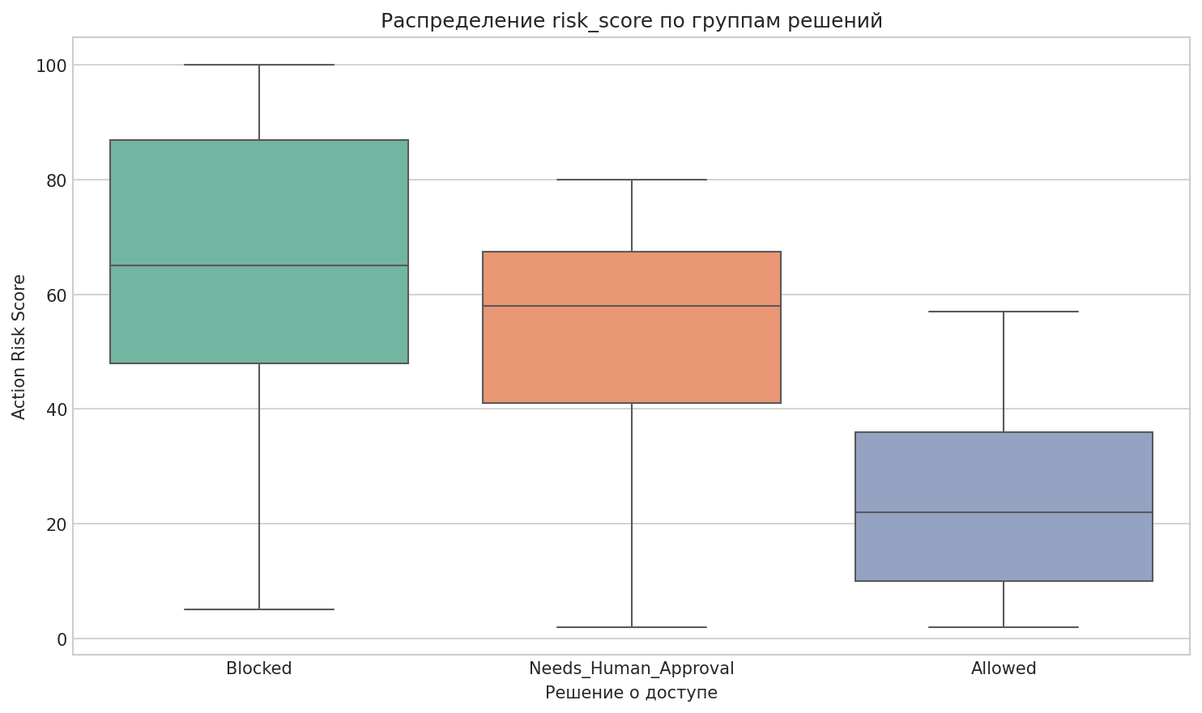
data_exfiltration_risk | human_approval_required | previous_failed_attempts | audit_log_available | access_decision
83 | 0 | 0 | 1 | Blocked
65 | 1 | 2 | 1 | Blocked
51 | 1 | 2 | 1 | Blocked
64 | 0 | 0 | 1 | Blocked
63 | 0 | 1 | 1 | Blocked
86 | 1 | 4 | 0 | Blocked
88 | 1 | 0 | 1 | Blocked
51 | 0 | 0 | 1 | Blocked
50 | 0 | 1 | 1 | Allowed
66 | 0 | 0 | 0 | Needs_Human_Approval
83 | 1 | 2 | 1 | Needs_Human_Approval
39 | 1 | 1 | 0 | Blocked
70 | 1 | 2 | 1 | Blocked
87 | 1 | 0 | 1 | Blocked
94 | 1 | 1 | 1 | Blocked
51 | 0 | 2 | 1 | Blocked
52 | 0 | 4 | 1 | Blocked
37 | 0 | 0 | 1 | Blocked
24 | 1 | 1 | 1 | Allowed
58 | 1 | 1 | 1 | Blocked
82 | 1 | 3 | 1 | Blocked
17 | 0 | 0 | 1 | Allowed
28 | 0 | 0 | 1 | Allowed
39 | 1 | 0 | 1 | Blocked
61 | 1 | 0 | 1 | Blocked
42 | 0 | 0 | 1 | Blocked
52 | 1 | 0 | 1 | Blocked
83 | 1 | 1 | 0 | Blocked
100 | 1 | 0 | 1 | Blocked
...

14_Blocked_Pct_Heatmap
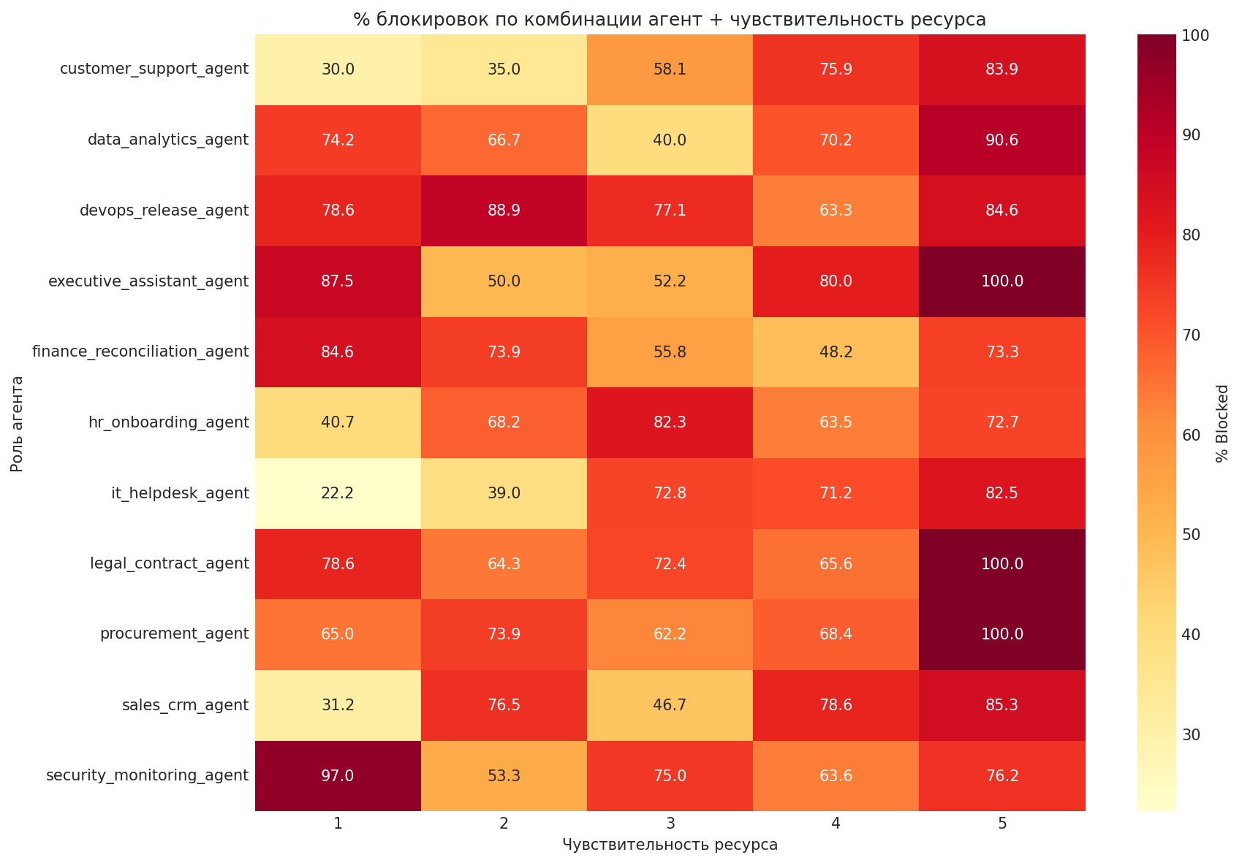
resource_type | resource_sensitivity | permission_match | action_risk_score | prompt_injection_detected | data_exfiltration_risk | human_approval_required | previous_failed_attempts | audit_log_available | access_decision
api_key_secret | 5 | 0 | 64 | 0 | 83 | 0 | 0 | 1 | Blocked
sales_pipeline | 3 | 0 | 66 | 0 | 65 | 1 | 2 | 1 | Blocked
sales_pipeline | 3 | 0 | 100 | 0 | 51 | 1 | 2 | 1 | Blocked
customer_profile | 3 | 0 | 64 | 0 | 64 | 0 | 0 | 1 | Blocked
source_code_repo | 4 | 0 | 41 | 0 | 63 | 0 | 1 | 1 | Blocked
access_policy | 5 | 0 | 100 | 1 | 86 | 1 | 4 | 0 | Blocked
access_policy | 5 | 1 | 46 | 0 | 88 | 1 | 0 | 1 | Blocked
invoice | 3 | 0 | 49 | 0 | 51 | 0 | 0 | 1 | Blocked
customer_profile | 3 | 1 | 17 | 0 | 50 | 0 | 1 | 1 | Allowed
customer_profile | 3 | 1 | 38 | 0 | 66 | 0 | 0 | 0 | Needs_Human_Approval
access_policy | 5 | 1 | 77 | 0 | 83 | 1 | 2 | 1 | Needs_Human_Approval
customer_profile | 3 | 1 | 97 | 0 | 39 | 1 | 1 | 0 | Blocked
customer_profile | 2 | 0 | 67 | 0 | 70 | 1 | 2 | 1 | Blocked
access_policy | 5 | 1 | 85 | 0 | 87 | 1 | 0 | 1 | Blocked
invoice | 3 | 0 | 78 | 1 | 94 | 1 | 1 | 1 | Blocked
support_ticket | 1 | 0 | 58 | 0 | 51 | 0 | 2 | 1 | Blocked
public_knowledge_base | 1 | 0 | 51 | 0 | 52 | 0 | 4 | 1 | Blocked
support_ticket | 2 | 0 | 94 | 0 | 37 | 0 | 0 | 1 | Blocked
invoice | 2 | 1 | 16 | 0 | 24 | 1 | 1 | 1 | Allowed
audit_log | 4 | 0 | 100 | 0 | 58 | 1 | 1 | 1 | Blocked
system_config | 4 | 0 | 66 | 1 | 82 | 1 | 3 | 1 | Blocked
public_knowledge_base | 1 | 1 | 2 | 0 | 17 | 0 | 0 | 1 | Allowed
sales_pipeline | 3 | 1 | 16 | 0 | 28 | 0 | 0 | 1 | Allowed
invoice | 3 | 0 | 73 | 0 | 39 | 1 | 0 | 1 | Blocked
payroll_record | 5 | 0 | 59 | 0 | 61 | 1 | 0 | 1 | Blocked
customer_profile | 3 | 0 | 39 | 0 | 42 | 0 | 0 | 1 | Blocked
source_code_repo | 3 | 0 | 100 | 1 | 52 | 1 | 0 | 1 | Blocked
employee_file | 4 | 0 | 84 | 0 | 83 | 1 | 1 | 0 | Blocked
contract_document | 3 | 0 | 91 | 1 | 100 | 1 | 0 | 1 | Blocked
public_knowledge_base | 1 | 1 | 27 | 0 | 25 | 0 | 0 | 1 | Allowed
payroll_record | 4 | 1 | 45 | 0 | 82 | 0 | 2 | 1 | Needs_Human_Approval
access_policy | 5 | 1 | 91 | 0 | 52 | 1 | 0 | 1 | Blocked
sales_pipeline | 3 | 1 | 53 | 0 | 36 | 0 | 0 | 1 | Allowed
public_knowledge_base | 1 | 1 | 2 | 0 | 5 | 0 | 0 | 1 | Allowed
...

15_Top_Blocked_Combos
...
prompt_injection_detected | data_exfiltration_risk | human_approval_required | previous_failed_attempts | audit_log_available | access_decision
0 | 28 | 0 | 0 | 1 | Allowed
0 | 39 | 1 | 0 | 1 | Blocked
0 | 61 | 1 | 0 | 1 | Blocked
0 | 42 | 0 | 0 | 1 | Blocked
1 | 52 | 1 | 0 | 1 | Blocked
0 | 83 | 1 | 1 | 0 | Blocked
1 | 100 | 1 | 0 | 1 | Blocked
0 | 25 | 0 | 0 | 1 | Allowed
0 | 82 | 0 | 2 | 1 | Needs_Human_Approval
0 | 52 | 1 | 0 | 1 | Blocked
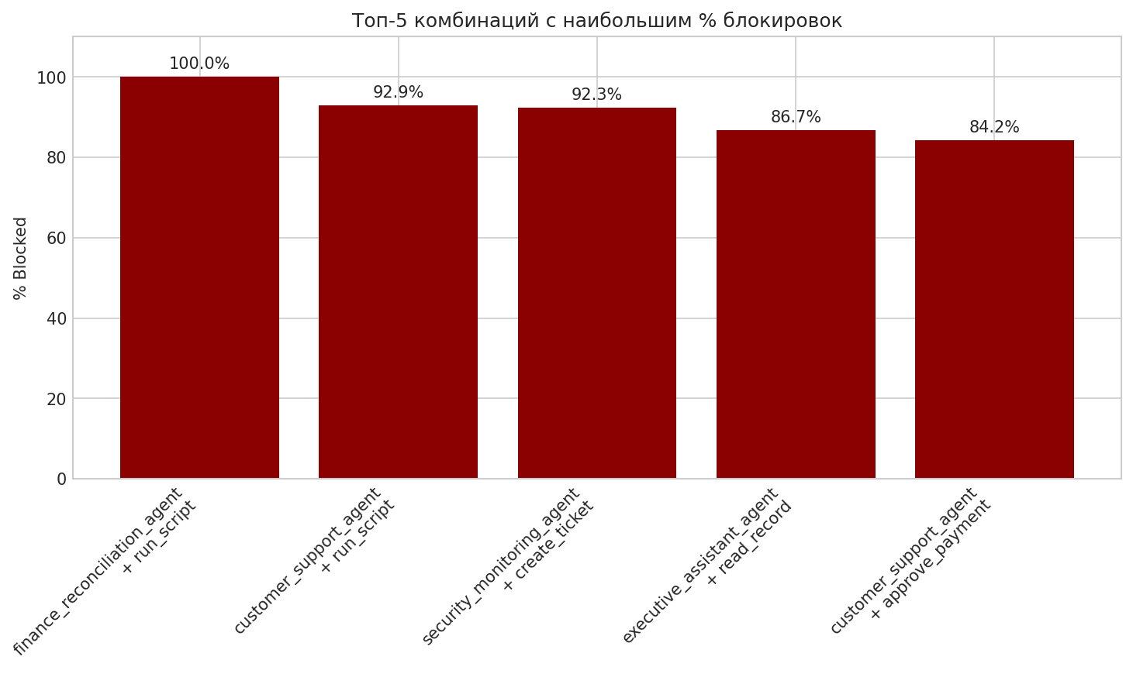
0 | 36 | 0 | 0 | 1 | Allowed
0 | 5 | 0 | 0 | 1 | Allowed
0 | 74 | 0 | 0 | 1 | Blocked
0 | 96 | 1 | 0 | 1 | Blocked
0 | 42 | 0 | 1 | 1 | Blocked
0 | 53 | 0 | 2 | 1 | Blocked
0 | 55 | 0 | 2 | 1 | Blocked
0 | 26 | 0 | 0 | 1 | Allowed
0 | 50 | 1 | 4 | 1 | Blocked
0 | 81 | 0 | 0 | 1 | Needs_Human_Approval
0 | 43 | 0 | 0 | 1 | Blocked
1 | 67 | 1 | 4 | 1 | Blocked
0 | 57 | 1 | 0 | 1 | Blocked
0 | 100 | 1 | 0 | 1 | Blocked
0 | 75 | 0 | 0 | 1 | Blocked
0 | 62 | 0 | 4 | 1 | Blocked
0 | 57 | 0 | 0 | 1 | Allowed
0 | 48 | 0 | 1 | 1 | Blocked
0 | 42 | 0 | 0 | 1 | Allowed
1 | 48 | 0 | 0 | 1 | Blocked
0 | 79 | 0 | 0 | 1 | Blocked
0 | 35 | 0 | 0 | 0 | Allowed
0 | 26 | 0 | 0 | 1 | Allowed
0 | 59 | 1 | 0 | 1 | Blocked
0 | 60 | 0 | 0 | 1 | Blocked
0 | 66 | 1 | 0 | 1 | Blocked
0 | 11 | 0 | 0 | 1 | Allowed
0 | 46 | 0 | 2 | 1 | Allowed
...

16_Resource_Blocked_HighSens
...
prompt_injection_detected | data_exfiltration_risk | human_approval_required | previous_failed_attempts | audit_log_available | access_decision
0 | 57 | 1 | 0 | 1 | Blocked
0 | 100 | 1 | 0 | 1 | Blocked
0 | 57 | 0 | 0 | 1 | Allowed
0 | 79 | 0 | 0 | 1 | Blocked
0 | 66 | 1 | 0 | 1 | Blocked
0 | 43 | 0 | 0 | 1 | Allowed
0 | 100 | 1 | 1 | 1 | Blocked
0 | 62 | 1 | 0 | 1 | Blocked
1 | 97 | 1 | 5 | 1 | Blocked
0 | 79 | 1 | 0 | 1 | Blocked
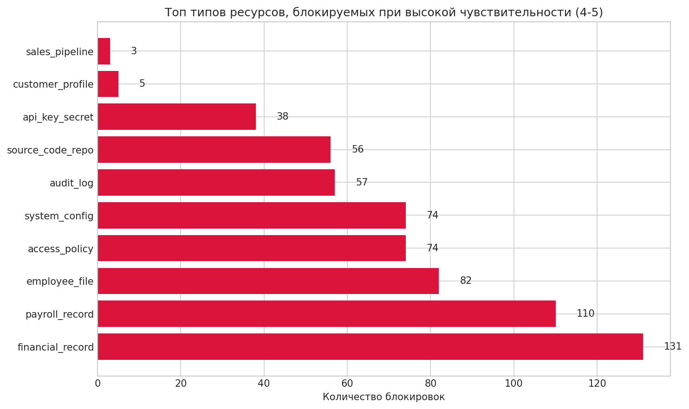
0 | 88 | 0 | 0 | 1 | Blocked
0 | 61 | 1 | 1 | 1 | Needs_Human_Approval
1 | 100 | 1 | 6 | 1 | Blocked
0 | 94 | 1 | 0 | 1 | Blocked
0 | 70 | 0 | 0 | 1 | Blocked
0 | 56 | 1 | 0 | 1 | Blocked
0 | 72 | 0 | 0 | 0 | Blocked
0 | 39 | 0 | 0 | 1 | Allowed
0 | 100 | 1 | 1 | 1 | Blocked
0 | 88 | 1 | 0 | 1 | Blocked
1 | 87 | 1 | 0 | 1 | Blocked
0 | 52 | 1 | 0 | 1 | Blocked
0 | 91 | 1 | 0 | 1 | Blocked
0 | 59 | 1 | 0 | 1 | Blocked
0 | 100 | 1 | 2 | 1 | Blocked
0 | 63 | 1 | 2 | 1 | Blocked
0 | 64 | 1 | 1 | 1 | Blocked
0 | 94 | 1 | 0 | 1 | Blocked
0 | 71 | 1 | 1 | 1 | Needs_Human_Approval
0 | 87 | 1 | 4 | 1 | Blocked
0 | 66 | 0 | 0 | 1 | Blocked
0 | 92 | 0 | 0 | 1 | Blocked
0 | 54 | 1 | 0 | 1 | Needs_Human_Approval
0 | 61 | 0 | 1 | 1 | Blocked
0 | 61 | 0 | 0 | 0 | Blocked
0 | 68 | 0 | 0 | 1 | Needs_Human_Approval
0 | 56 | 0 | 0 | 1 | Blocked
0 | 45 | 1 | 0 | 1 | Needs_Human_Approval
...

17_Autonomy_Stacked_Bar
...
prompt_injection_detected | data_exfiltration_risk | human_approval_required | previous_failed_attempts | audit_log_available | access_decision
0 | 39 | 1 | 1 | 0 | Blocked
0 | 70 | 1 | 2 | 1 | Blocked
0 | 87 | 1 | 0 | 1 | Blocked
1 | 94 | 1 | 1 | 1 | Blocked
0 | 51 | 0 | 2 | 1 | Blocked
0 | 52 | 0 | 4 | 1 | Blocked
0 | 37 | 0 | 0 | 1 | Blocked
0 | 24 | 1 | 1 | 1 | Allowed
0 | 58 | 1 | 1 | 1 | Blocked
1 | 82 | 1 | 3 | 1 | Blocked
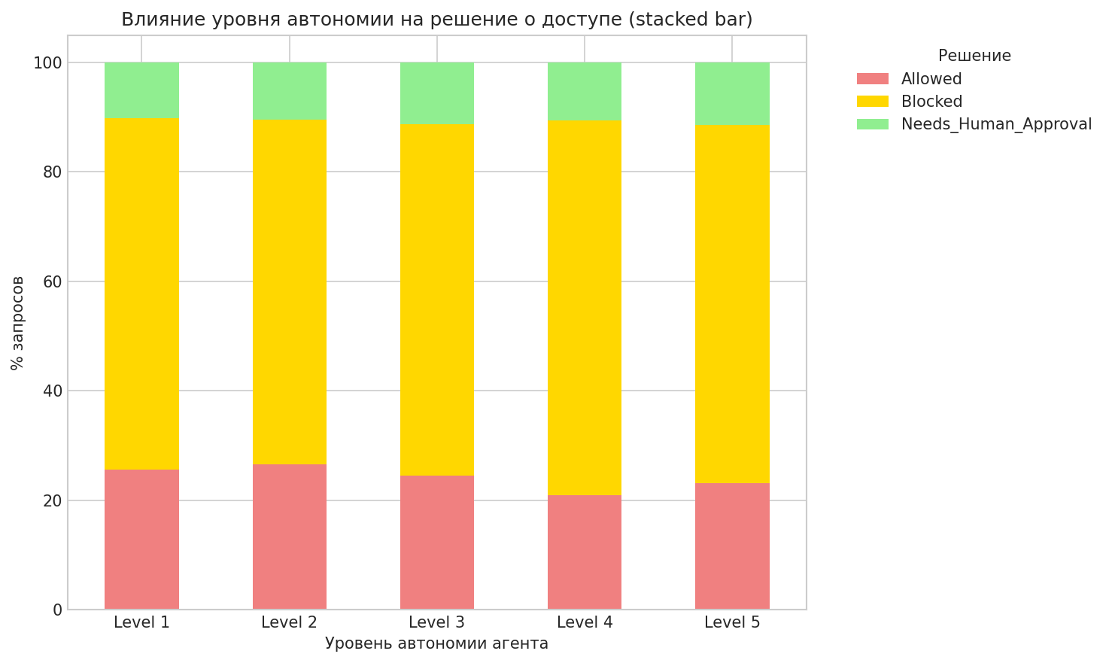
0 | 17 | 0 | 0 | 1 | Allowed
0 | 28 | 0 | 0 | 1 | Allowed
0 | 39 | 1 | 0 | 1 | Blocked
0 | 61 | 1 | 0 | 1 | Blocked
0 | 42 | 0 | 0 | 1 | Blocked
1 | 52 | 1 | 0 | 1 | Blocked
0 | 83 | 1 | 1 | 0 | Blocked
1 | 100 | 1 | 0 | 1 | Blocked
0 | 25 | 0 | 0 | 1 | Allowed
0 | 82 | 0 | 2 | 1 | Needs_Human_Approval
0 | 52 | 1 | 0 | 1 | Blocked
0 | 36 | 0 | 0 | 1 | Allowed
0 | 5 | 0 | 0 | 1 | Allowed
0 | 74 | 0 | 0 | 1 | Blocked
0 | 96 | 1 | 0 | 1 | Blocked
0 | 42 | 0 | 1 | 1 | Blocked
0 | 53 | 0 | 2 | 1 | Blocked
0 | 55 | 0 | 2 | 1 | Blocked
0 | 26 | 0 | 0 | 1 | Allowed
0 | 50 | 1 | 4 | 1 | Blocked
0 | 81 | 0 | 0 | 1 | Needs_Human_Approval
0 | 43 | 0 | 0 | 1 | Blocked
1 | 67 | 1 | 4 | 1 | Blocked
0 | 57 | 1 | 0 | 1 | Blocked
0 | 100 | 1 | 0 | 1 | Blocked
0 | 75 | 0 | 0 | 1 | Blocked
0 | 62 | 0 | 4 | 1 | Blocked
0 | 57 | 0 | 0 | 1 | Allowed
...

