Yeti half gallon
Cooling rate of Yeti 1/2 Gallon Thermos
Yeti 1/2 Gallon Jug Water Temperature Cooling Rate (F)
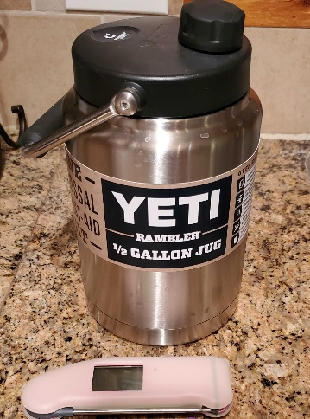
Time | Temp
2022-03-14 21:26:00 | 124
2022-03-14 22:36:00 | 120
2022-03-15 08:00:00 | 105
2022-03-15 11:52:00 | 100
2022-03-15 13:52:00 | 98
2022-03-15 19:33:00 | 94
2022-03-15 22:55:00 | 91
2022-03-16 08:50:00 | 85
2022-03-16 12:21:00 | 83

Total temp drop | 41
# Hours | 38:55:00
Temp drop per hour (degrees) | 1.05

Date
3/14/22
3/14/22
3/15/22
3/15/22
3/15/22
3/15/22
3/15/22
3/16/22
3/16/22

-1.6215277778

Conditions
Liquid = filtered tap water
Ambient external temperature range - 66-70 degrees (F)

