Vis CMBS
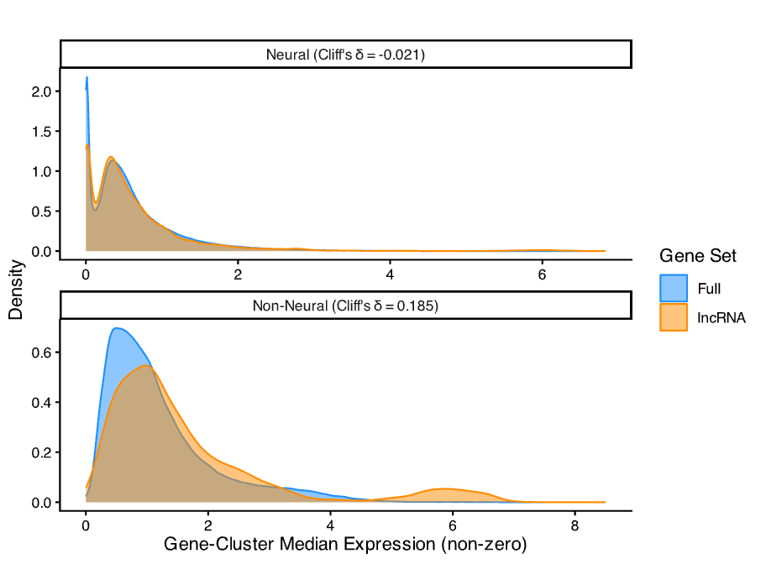
Gene-Cluster Median Expression Values
Type | Zero Proportion lncRNA vs Full (%) | Difference in Zero Proportion (95% CI) | Median of Non-Zero Values lncRNA vs Full | Difference in Medians | Cliff's δ
Neural | 79.41% vs 61.40% | 18.01% (17.81%, 18.20%) | 0.440 vs 0.463 | -0.024 | -0.021
Non-Neural | 88.75% vs 84.22% | 4.54% (4.15%, 4.91%) | 1.189 vs 0.955 | 0.233 | 0.185

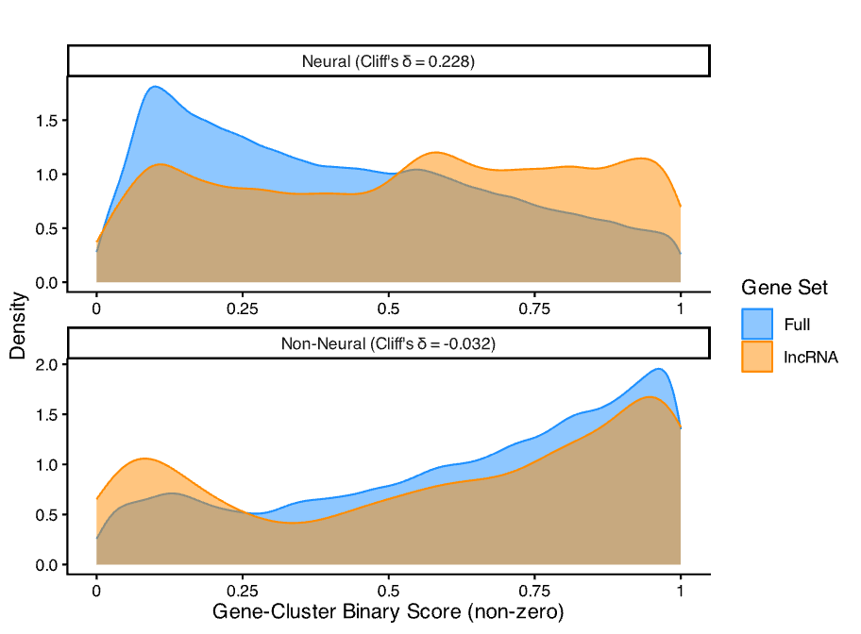
Gene-Cluster Binary Scores
Type | Zero Proportion lncRNA vs Full (%) | Zero Proportion Difference (95% CI) | Median of Non-Zero Values lncRNA vs Full | Difference in Medians | Cliff's δ
Neural | 79.42% vs 61.44% | 17.98% (17.78%, 18.17%) | 0.556 vs 0.375 | 0.181 | 0.228
Non-Neural | 88.78% vs 84.23% | 4.55% (4.17%, 4.92%) | 0.670 vs 0.694 | -0.024 | -0.032

Cluster Medians Binary Scores
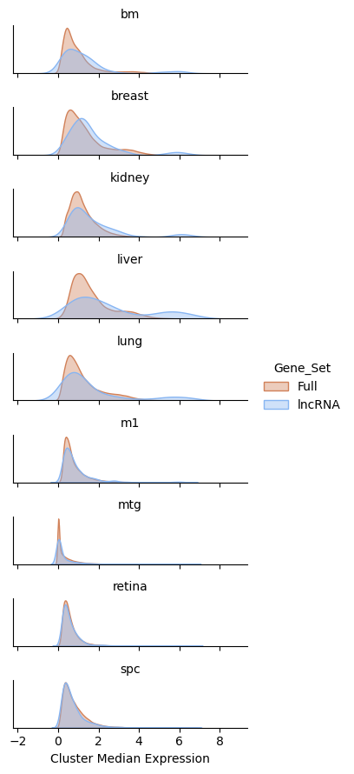
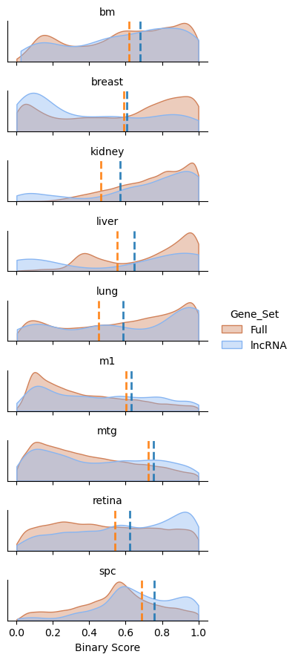
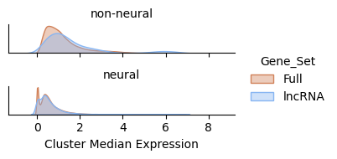
Gene-Cluster Median Expression Values
Group | Zero Proportion lncRNA vs Full (%) | Zero Proportion Difference (95% CI) | Mean of Non-Zero Values lncRNA vs Full | Difference in Means | Median of Non-Zero Values lncRNA vs Full | Difference in Medians | Cohen's D | Cliff's Delta | Gene-Cluster Medians | Gene-Cluster Binary Scores
Full | 80.66% vs 67.98% | 12.68% (12.51%, 12.86% | 0.723 vs 0.699 | 0.024 | 0.474 vs 0.512 | -0.038 | 0.035 | -0.038
Neural | 79.41% vs 61.40% | 18.01% (17.81%, 18.20%) | 0.644 vs 0.614 | 0.030 | 0.440 vs 0.463 | -0.024 | 0.049 | -0.021
Non-Neural | 88.75% vs 84.22% | 4.54% (4.15%, 4.91%) | 1.651 vs 1.208 | 0.443 | 1.189 vs 0.955 | 0.233 | 0.482 | 0.185

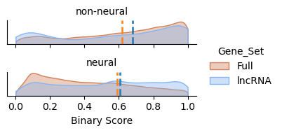
Gene-Cluster Binary Scores
Group | Zero Proportion lncRNA vs Full (%) | Zero Proportion Difference (95% CI) | Mean of Non-Zero Values lncRNA vs Full | Difference in Means | Median of Non-Zero Values lncRNA vs Full | Difference in Medians | Cohen's D | Cliff's Delta
Full | 80.68% vs 68.01% | 12.67% (12.48%, 12.84%) | 0.534 vs 0.444 | 0.090 | 0.562 vs 0.414 | 0.148 | 0.320 | 0.175
Neural | 79.42% vs 61.44% | 17.98% (17.78%, 18.17%) | 0.529 vs 4.414 | 0.115 | 0.556 vs 0.375 | 0.181 | 0.431 | 0.228
Non-Neural | 88.78% vs 84.23% | 4.55% (4.17%, 4.92%) | 0.592 vs 0.627 | -0.035 | 0.670 vs 0.694 | -0.024 | -0.123 | -0.032

 |  | Gene-Cluster Medians |  |  | Gene-Cluster Binary Scores

