Home Page
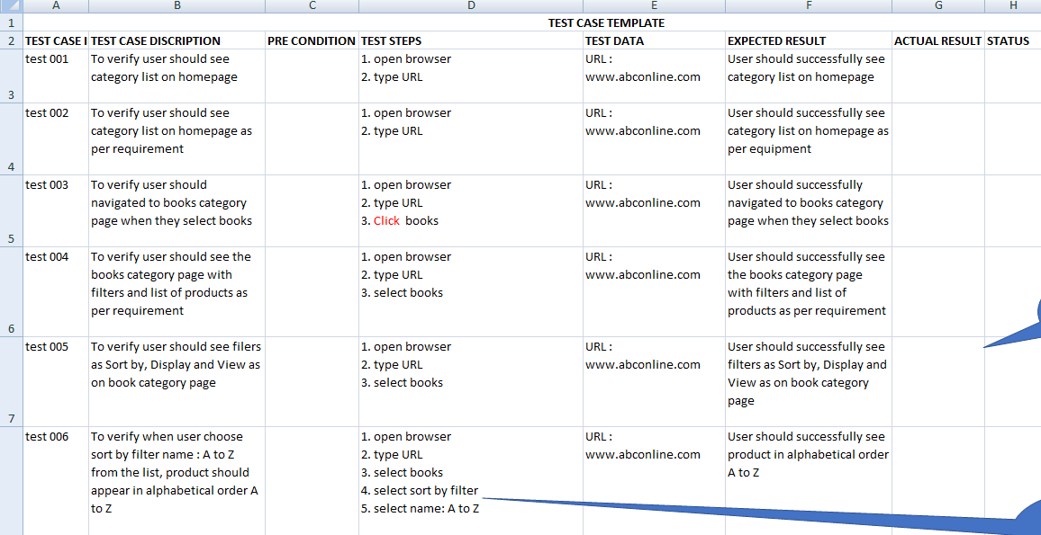
Wrong test case one important step is missing
Click on Books tab
enter
Test ID | TC Description | Pre-Condition | Test Steps | Test data | Expected Results | Actual Results | Status | Defect ID | Comments
Home -001 | 1 To verify user should see the list of books as select down box categories on home page |  | 1, Open the browser 2, Type the url entre 3, User should see home page 4, User should see the categoeies list 5, User should see by select list of books on down box categories. | 1, Url www.abconline.com 2, User should see home page categories list 3, Select book to see list of down box | User should see list by select book from down box categories on home page
Home -002 | 1 To verify user should see the list of computers as select down box categories on home page |  | 1, Open the browser 2, Type the url entre 3, User should see home page 4, User should see the categoeies list 5, User should see by select list of computer on down box categories | 1, Url www.abconline.com 2, User should see home page categories list 3, Select book to see list of drop box | User should see list by select computer from down box categories on home page
Home -003 | 1 To verify user should see the list of Electronics as select down box categories on home page |  | 1, Open the browser 2, Type the url entre 3, User should see home page 4, User should see the categoeies list 5, User should see by select list of Electronics on down box categories. | 1, Url www.abconline.com 2, User should see home page categories list 3, Select Electronics to see list of drop box | User should see list by select Electronics from down box categories on home page
Home -004 | 1 To verify user should see the list of Apparel& Shoes as select down box categories on home page |  | 1, Open the browser 2, Type the url entre 3, User should see home page 4, User should see the categoeies list 5, User should see list of Apparel&Shoes on drop box categories when select | 1, Url www.abconline.com 2, User should see home page categories list 3, Select Apparel & Shoes to see list of drop box | User should see list by select Apparel & Shoes from down box categories on home page
Home -005 | 1 To verify user should see the list of Digitaldownloads as select down box categories on home page |  | 1, Open the browser 2, Type the url entre 3, User should see home page 4, User should see the categoeies list 5, User should see list of Digitaldownloads on drop box categories when select | 1, Url www.abconline.com 2, User should see home page categories list 3, Select Digitaldownloads to see list of drop box | User should see list by select Digitaldownloads from down box categories on home page
Home -006 | 1 To verify user should see the list of Jewelry as select down box categories on home page |  | 1, Open the browser 2, Type the url entre 3, User should see home page 4, User should see the categoeies list 5, User should see by select list of Jewelry on down box categories . | 1, Url www.abconline.com 2, User should see home page categories list 3, Select Jewelry to see list of drop box | User should see list by select Jewelry from down box categories on home page
Home -007 | 1 To verify user should see the list of Gift Cards as select down box categories on home page |  | 1, Open the browser 2, Type the url entre 3, User should see home page 4, User should see the categoeies list 5, User should see by select list of Gift Cards on down box categories. | 1, Url www.abconline.com 2, User should see home page categories list 3, Select Gift Cards to see list of drop box | User should see list by select Gift Cards from down box categories on home page
Home -008 | To verify user select "Books"should see books categories page with filter and list of produsct by sort by, Display ,and view as |  | 1, Open the browser 2, Type the url entre 3, User should see home page 4, User should see the categoeies list 5, User should see by select list of product by Sort by, Display, and View as | 1, Url www.abconline.com 2, User should see home page categories list l | User should see list by select "books"from categories on home page with filters and list of products by Sort By , Display, and View as
Home -009 | To verify user select "Books"should see books categories page with filter and list of produsct by sort by, filter "Name A to Z"from list product |  | 1, Open the browser 2, Type the url entre 3, User should see home page 4, User should see the categoeies list 5, User should see by select list of product by Sort by, Filter and list product by Name A to Z |  | User should see list by select "books"from categories on home page with filters and list of products by Sort By Name A to Z from list
Home -010 | To verify user select "Books"should see books categories page with filter and list of produsct by sort by, filter " Name Z to A list product |  | 1, Open the browser 2, Type the url entre 3, User should see home page 4, User should see the categoeies list 5, User should see by select list of product by Sort by, Filter and list product by Name Z to A |  | User should see list by select "books"from categories on home page with filters and list of products by Sort By Name Z to A from list
Home -011 | To verify user select "Books"should see books categories page with filter and list of produsct by sort by, filter Price :Low to High list product |  | 1, Open the browser 2, Type the url entre 3, User should see home page 4, User should see the categoeies list 5, User should see by select list of product by Sort by, Filter Price Low to High |  | User should see list by select "books"from categories on home page with filters and list of products by Sort By filter PriceLow to High from list
Home -012 | To verify user select "Books"should see books categories page with filter and list of produsct by sort by, filter Price :High to Low list product |  | 1, Open the browser 2, Type the url entre 3, User should see home page 4, User should see the categoeies list 5, User should see by select list of product by Sort by, Filter Price High to Low |  | User should see list by select "books"from categories on home page with filters and list of products by Sort By filter Price High to Low from list
Home -013 | To verify user select "Books"should see books categories page with filter and list of produsct by sort by, filter " Created on" list product |  | 1, Open the browser 2, Type the url entre 3, User should see home page 4, User should see the categoeies list 5, User should see by select list of product by Sort by, Filter "Created on " |  | User should see list by select "books"from categories on home page with filters and list of products by Sort By filter "Created on" from list
Home -014 | To verify user select "Books"should see books categories page with filter and list of produsct by sort by, filter " Created on" list product |  | 1, Open the browser 2, Type the url entre 3, User should see home page 4, User should see the categoeies list 5, User should see by select list of product by Sort by, Filter "Created on " |  | User should see list by select "books"from categories on home page with filters and list of products by Sort By filter "Created on" from list
Home -015 | To verify user select "Books"should see books categories page with filter and list of produsct by Display filter "4 or 8 or 12 from list product |  | 1, Open the browser 2, Type the url entre 3, User should see home page 4, User should see the categoeies list 5, User should see by select list of product by Display filter "4 or 8 or 12 from list product |  | User should see list by select "books"from categories on home page with filters and list of products by Display filter "4 or 8 or 12 from list product
Home -016 | To verify user select "Books"should see books categories page with filter and list of produsct * if select 4, should see 4 display product *if secelct 8 should see 8 display product * if select 12 should display 12 product |  | 1, Open the browser 2, Type the url entre 3, User should see home page 4, User should see the categoeies list 5, User should see by select list of product * if select 4, should see 4 display product *if secelct 8 should see 8 display product * if select 12 should display 12 product |  | User should see list by select "books"from categories on home page with filters and list of products * if select 4, should see 4 display product *if secelct 8 should see 8 display product * if select 12 should display 12 product
Home -017 | To verify user select "Books"should see books categories page with filter and list of produsct by choose View as Filter "Grid" From list & product should display in Grid format |  | 1, Open the browser 2, Type the url entre 3, User should see home page 4, User should see the categoeies list 5, User should see by select list of product by choose View as Filter "Grid" From list & product should display in Grid format |  | User should see list by select "books"from categories on home page with filters and list of products by choose View as Filter "Grid" From list & product should display in Grid format
Home -018 | To verify user select "Books"should see books categories page with filter and list of produsct by choose View as Filter "List" From list & product should display in List format |  | 1, Open the browser 2, Type the url entre 3, User should see home page 4, User should see the categoeies list 5, User should see by select list of product by choose View as Filter "List" From list & product should display in List format |  | User should see list by select "books"from categories on home page with filters and list of products by choose View as Filter "List" From list & product should display in List format

Register
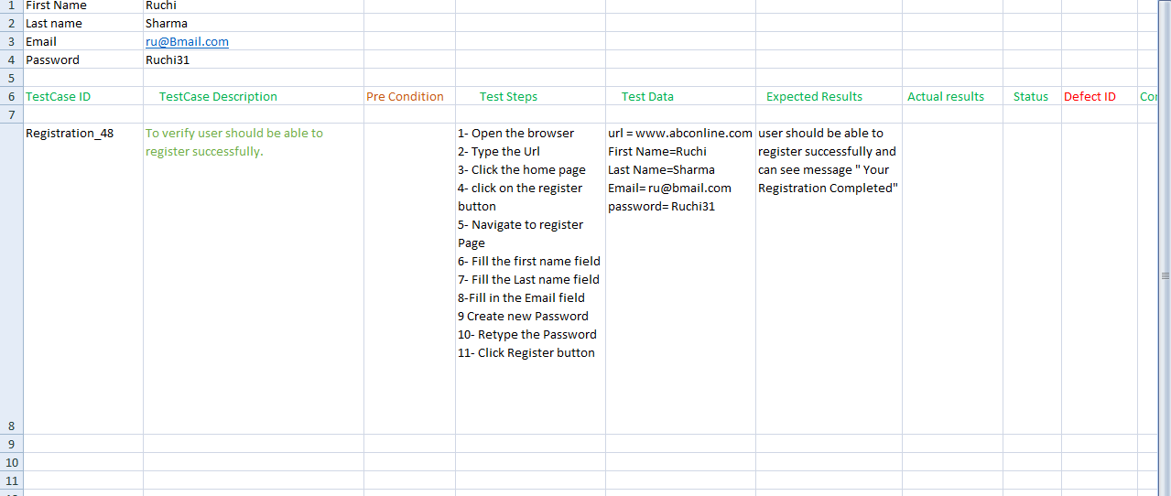
100% Wrong test case
Test ID | TC Description | Pre-Condition | Test Steps | Test data | Expected Results | Actual Results | Status | Defect ID | Comments
Register 001 | To verify user navigate should see registration form by click on ragistration page user should be ragister successfully and able see massage "registeration completed |  | *open browser *type url entered *open home pag click register form *user should able to fill all compulsory field on ragistration form * click submit ragistration form | www.abconline.com | To verify user navigate should see registration form by click on ragistration page user should be ragister successfully to fill all the compulsory field and able see massage "Your registeration completed " by click submit ragistration form.

