Q4
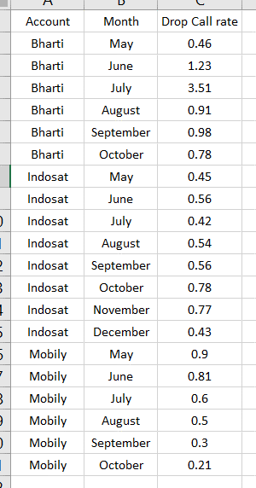
Account | Month | Drop Call rate
Bharti | August | 0.91 |  | Account | Month | Drop Call rate
Bharti | July | 0.54 | ` | Bharti | May | 0.43
Bharti | June | 0.5 |  | Bharti | June | 0.5
Bharti | May | 0.43 |  | Bharti | July | 0.54
Bharti | October | 3.51 |  | Bharti | August | 0.91
Bharti | September | 0.42 |  | Bharti | September | 0.42
Indosat | August | 0.6 |  | Bharti | October | 3.51
Indosat | December | 1.23 |  | Indosat | May | 0.46
Indosat | July | 0.56 |  | Indosat | June | 0.81
Indosat | June | 0.81 |  | Indosat | July | 0.56
Indosat | May | 0.46 |  | Indosat | August | 0.6
Indosat | November | 0.45 |  | Indosat | September | 0.77
Indosat | October | 0.9 |  | Indosat | October | 0.9
Indosat | September | 0.77 |  | Indosat | November | 0.45
Mobily | May | 0.98 |  | Indosat | December | 1.23
Mobily | June | 0.21 |  | Mobily | May | 0.98
Mobily | July | 0.78 |  | Mobily | June | 0.21
Mobily | August | 0.78 |  | Mobily | July | 0.78
Mobily | September | 0.3 |  | Mobily | August | 0.78
Mobily | October | 0.56 |  | Mobily | September | 0.3
 |  |  |  | Mobily | October | 0.56

