Integer
Size | Quick Sort | Parallel Quick Sort | Thread Pooled Parallel Quick Sort
100 | 0.604458 | 16.831667 | 6.4005
500 | 2.59025 | 34.851958 | 17.6455
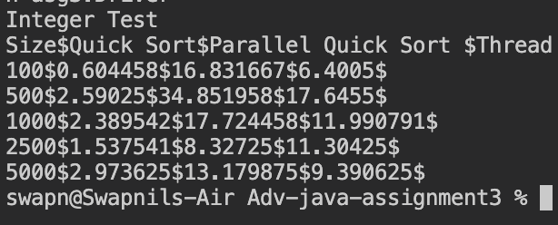
1000 | 2.389542 | 17.724458 | 11.990791
2500 | 1.537541 | 8.32725 | 11.30425
5000 | 2.973625 | 13.179875 | 9.390625
Performance comparision of various Quick Sort implementation
1.61 | 13.94675 | 11.1845

Float
Size | Quick Sort | Parallel Quick Sort | Thread Pooled Parallel Quick Sort
100 | 0.604458 | 16.831667 | 6.4005
500 | 2.59025 | 34.851958 | 17.6455
1000 | 2.389542 | 17.724458 | 11.990791
2500 | 1.537541 | 8.32725 | 11.30425
5000 | 2.973625 | 13.179875 | 9.390625
Performance comparision of various Quick Sort implementation
 | Quick Sort | Parallel Quick Sort | Thread Pooled Parallel Quick Sort
100 | 0.604458 | 16.831667 | 6.4005
500 | 2.59025 | 34.851958 | 17.6455
1000 | 2.389542 | 17.724458 | 11.990791
2500 | 1.537541 | 8.32725 | 11.30425
5000 | 2.973625 | 13.179875 | 9.390625
1.61 | 13.94675 | 11.1845

Character
Size | Quick Sort | Parallel Quick Sort | Thread Pooled Parallel Quick Sort
100 | 2.483459 | 2.490292 | 7.299583
500 | 0.544625 | 8.420542 | 2.149458
1000 | 4.043 | 6.078833 | 15.447708
2500 | 6.737834 | 27.481 | 21.937834
5000 | 2.687792 | 59.31125 | 32.986584
Performance comparision of various Quick Sort implementation
 | Quick Sort | Parallel Quick Sort | Thread Pooled Parallel Quick Sort
100 | 0.604458 | 16.831667 | 6.4005
500 | 2.59025 | 34.851958 | 17.6455
1000 | 2.389542 | 17.724458 | 11.990791
2500 | 1.537541 | 8.32725 | 11.30425
5000 | 2.973625 | 13.179875 | 9.390625
1.61 | 13.94675 | 11.1845

