Integer
Size | Quick Sort | Parallel Quick Sort | Thread Pooled Parallel Quick Sort
100 | 2.18875 | 17.27075 | 5.512459
500 | 0.8045 | 30.964083 | 28.282291
1000 | 4.490667 | 15.286917 | 10.225042
2500 | 1.393209 | 11.154417 | 12.982333
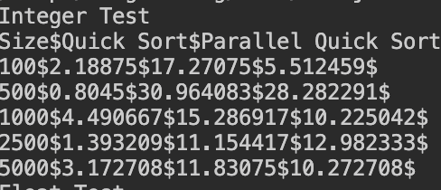
5000 | 3.172708 | 11.83075 | 10.272708
Performance comparision of various Quick Sort implementation for Integer values

Float
Size | Quick Sort | Parallel Quick Sort | Thread Pooled Parallel Quick Sort
100 | 2.920875 | 1.333917 | 5.19325
500 | 0.458042 | 2.041166 | 15.193
1000 | 0.935958 | 10.120083 | 3.045083
2500 | 4.250084 | 8.307417 | 8.819833
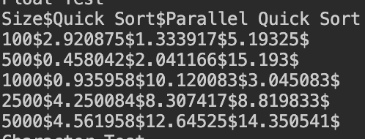
5000 | 4.561958 | 12.64525 | 14.350541
Performance comparision of various Quick Sort implementation for Float values
1.61 | 13.94675 | 11.1845

Character
Size | Quick Sort | Parallel Quick Sort | Thread Pooled Parallel Quick Sort
100 | 1.422084 | 6.323666 | 4.508125
500 | 1.277 | 3.938791 | 7.337167
1000 | 1.403625 | 7.084875 | 9.998042
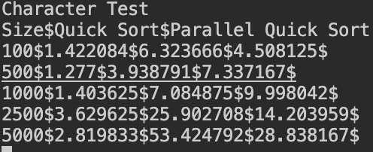
2500 | 3.629625 | 25.902708 | 14.203959
5000 | 2.819833 | 53.424792 | 28.838167
Performance comparision of various Quick Sort implementation for Charater values

