3.6.2
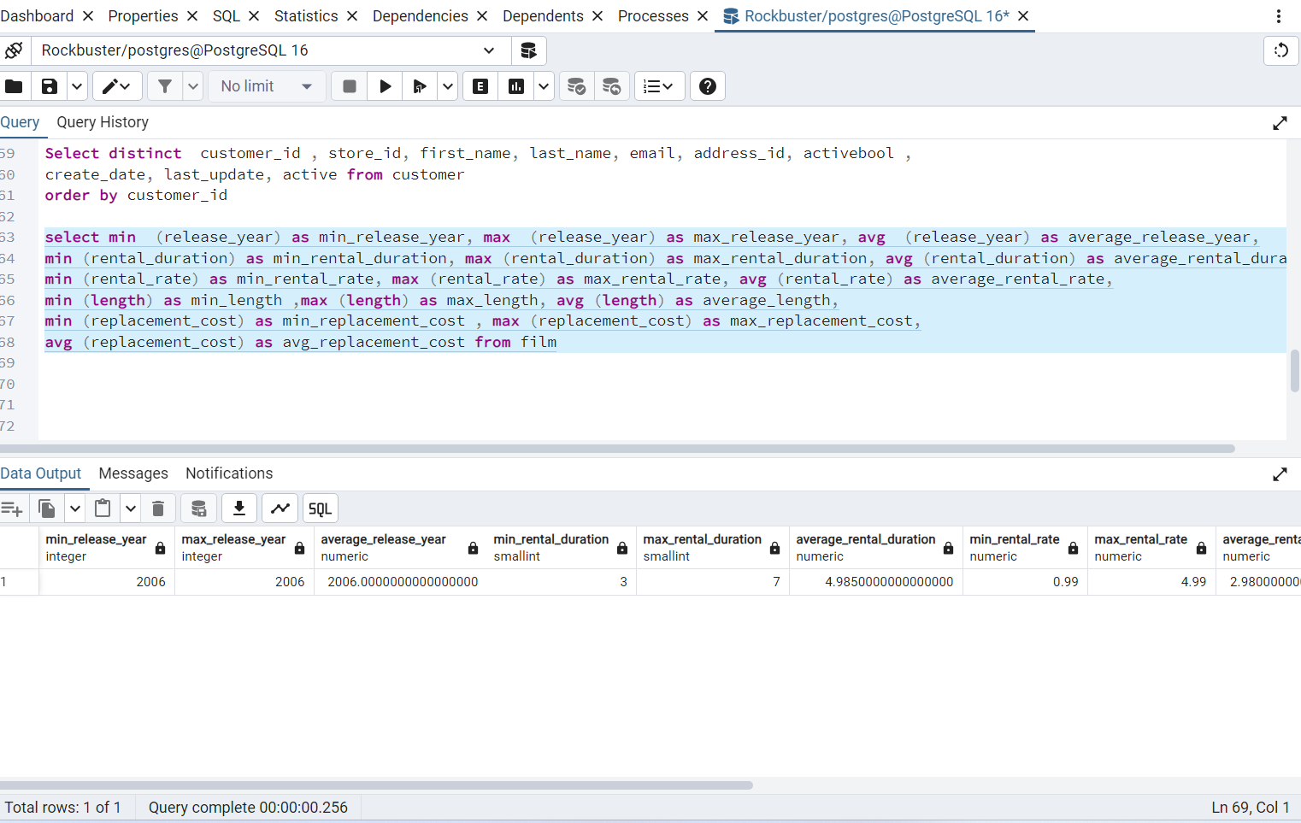

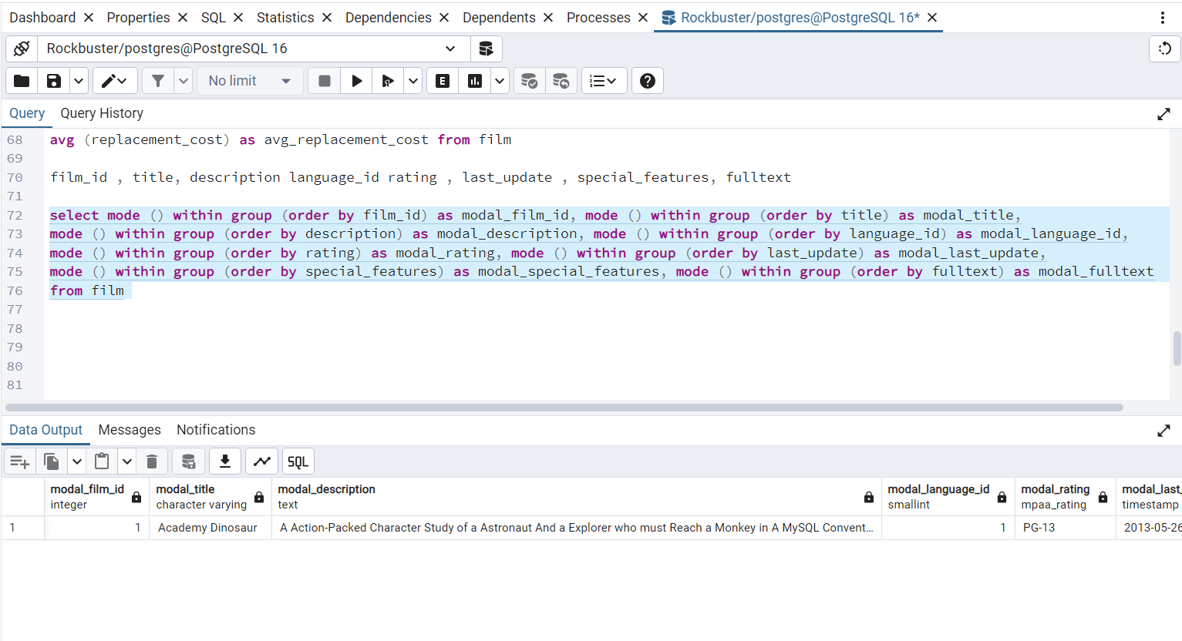

3.7.1
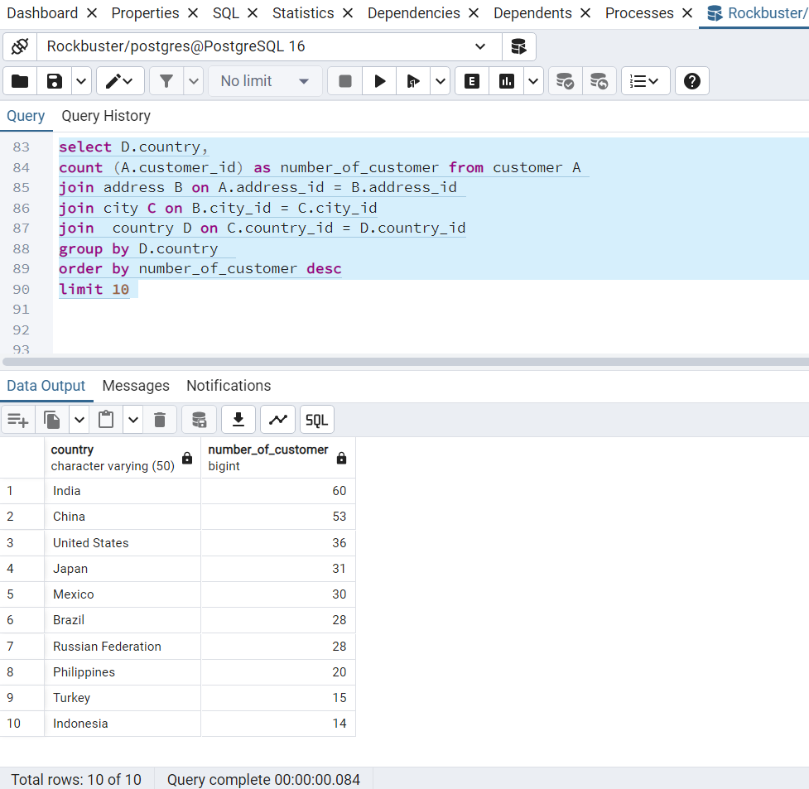
select D.country,
count (A.customer_id) as number_of_customer from customer A
join address B on A.address_id = B.address_id
join city C on B.city_id = C.city_id
join country D on C.country_id = D.country_id
group by D.country
order by number_of_customer desc
limit 10

3.7.2
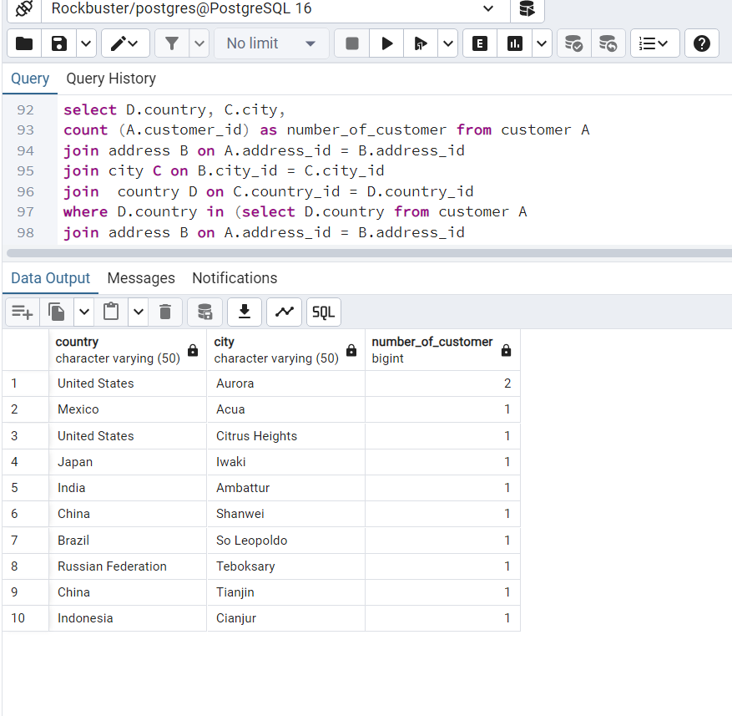
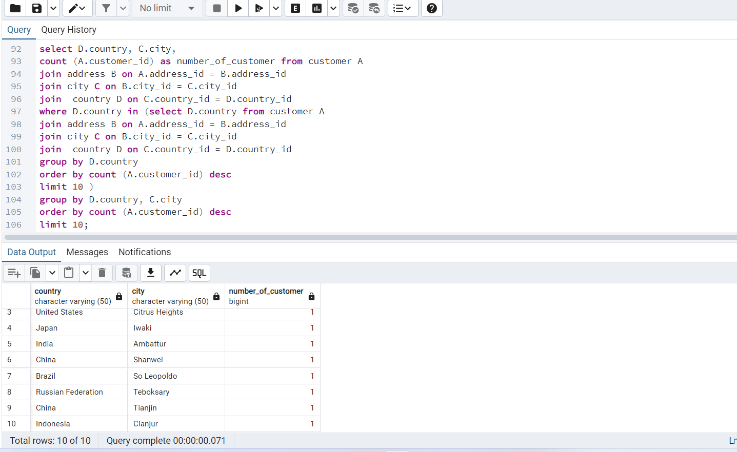
select D.country, C.city,
count (A.customer_id) as number_of_customer from customer A
join address B on A.address_id = B.address_id
join city C on B.city_id = C.city_id
join country D on C.country_id = D.country_id
where D.country in (select D.country from customer A
join address B on A.address_id = B.address_id
join city C on B.city_id = C.city_id
join country D on C.country_id = D.country_id
group by D.country
order by count (A.customer_id) desc
limit 10 )
group by D.country, C.city
order by count (A.customer_id) desc
limit 10;

3.7.3
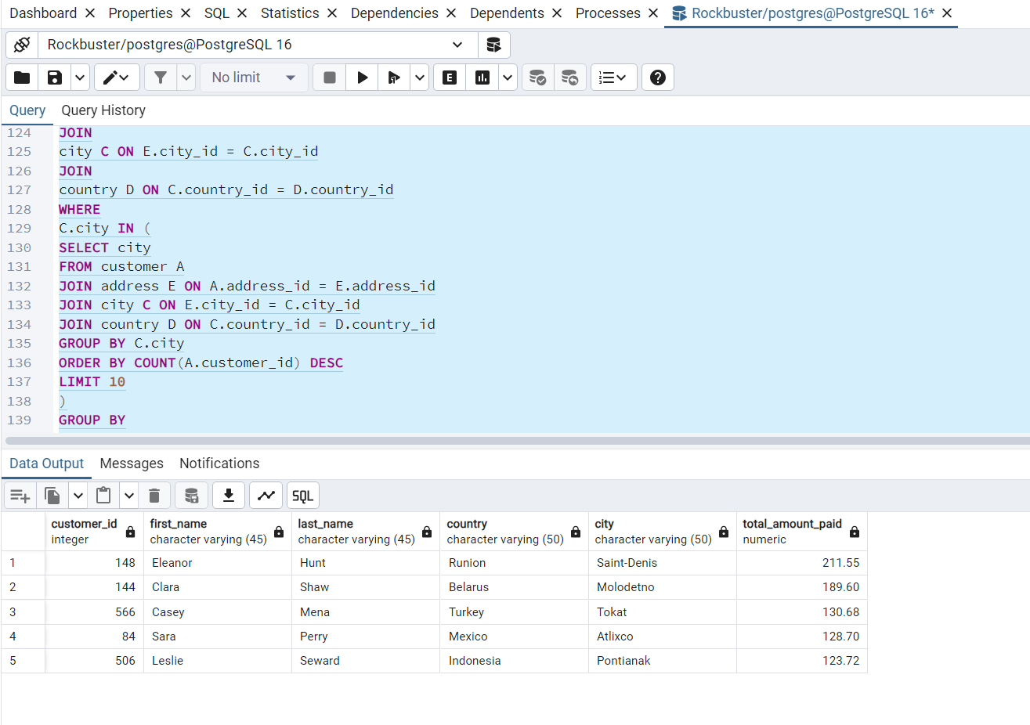
SELECT
A.customer_id,
A.first_name,
A.last_name,
D.country,
C.city,
SUM (B.amount) AS total_amount_paid
FROM
customer A
JOIN
payment B ON A.customer_id = B.customer_id
JOIN
address E ON A.address_id = E.address_id
JOIN
city C ON E.city_id = C.city_id
JOIN
country D ON C.country_id = D.country_id
WHERE
C.city IN (
SELECT city
FROM customer A
JOIN address E ON A.address_id = E.address_id
JOIN city C ON E.city_id = C.city_id
JOIN country D ON C.country_id = D.country_id
GROUP BY C.city
ORDER BY COUNT(A.customer_id) DESC
LIMIT 10
)
GROUP BY
A.customer_id, A.first_name, A.last_name, D.country, C.city
ORDER BY
total_amount_paid DESC
LIMIT 5;

