Sheet1
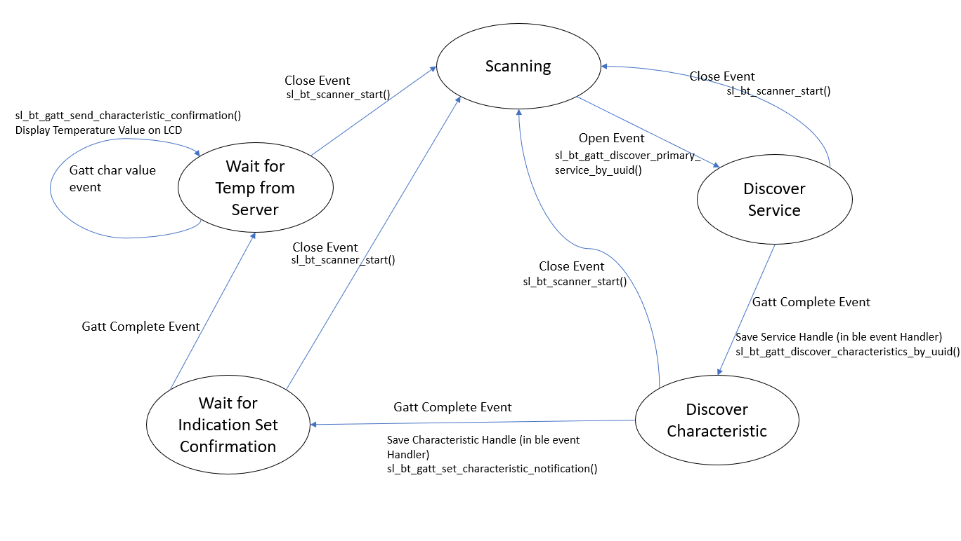
 | Client Command Table for A7

 | Use this table to help you design your program. Add rows as needed. | Use this column to describe when and what your LCD display changes to for rows like DISPLAY_ROW_CONNECTION | Use this column to denote if BT stack events cause your state machine to advance, you can put an X in the cell to note this. Drawing a bubble diagram of your state machine might also be a good idea 👍. | Commands that may be useful: sl_bt_gatt_discover_primary_services_by_uuid() sl_bt_gatt_discover_characteristics_by_uuid()
 | Event | LCD Display State | Advances State Machine | Commands called in response to event | Notes
Events Common to Slaves/Clients
 | sl_bt_evt_system_boot_id | DISPLAY_ROW_NAME : Client DISPLAY_ROW_ASSIGNMENT : A7 DISPLAY_ROW_CONNECTION : Discovering DISPLAY_ROW_BTADDR : {client addr} |  | This event is generated on stack boot up | You can also document in column D values that need to be saved in response to receiving BT stack events.
 |  |  |  | sl_bt_scanner_set_mode()
 |  |  |  | sl_bt_scanner_set_timing()
 |  |  |  | sl_bt_connection_set_default_parameters()
 |  |  |  | sl_bt_scanner_start() | You should start and stop scanning just like you did with advertising for a Server.
 | sl_bt_evt_connection_opened_id | DISPLAY_ROW_CONNECTION : Connected | X | Event is generated when a new connection is established | This command generates unique gatt_service event for every discovered primary service
 |  |  |  | sl_bt_gatt_discover_primary_services_by_uuid() | We use sl_bt_evt_gatt_service_id event to get and save service handle
 | sl_bt_evt_connection_closed_id | DISPLAY_ROW_CONNECTION : Discovering DISPLAY_ROW_TEMPVALUE : “” | X | sl_bt_scanner_start() | Need to start scanner again to and we go back to the first state(scanning) Add States need to Have this exit event to go back to Scanner State
 | sl_bt_evt_system_soft_timer_id |  |  | This event indicates that a soft timer has expired. | Used in the lcd.c file to

Events only for Masters/Clients | sl_bt_evt_scanner_scan_report_id |  |  | Received for advertising or scan response packets generated by: sl_bt_scanner_start(). Is the bd_addr, packet_type and address_type what we expect for our Server? If yes: sl_bt_scanner_stop() sl_bt_connection_open()

 | sl_bt_evt_gatt_procedure_completed_id |  | X | We get this event when it’s ok to call the next GATT command. It’s a good idea to check for returned error codes. This would be a great event to use to sequence your new state machine. | Do not build your state machine into your handle_ble_event() function! Instead build a new state machine for A7.
 |  | If in discover Characteristic state: DISPLAY_ROW_CONNECTION: Handling Indications |  | If in discover service state: Save service handle (HTM) sl_bt_gatt_discover_characteristics_by_uuid() If in discover characteristic state : Save charateristic handle (temperature measurment) sl_bt_gatt_set_charateristic_notification() | We use sl_bt_evt_gatt_characteristic_id event to get and save characteristic handle
 | sl_bt_evt_gatt_service_id |  |  | A GATT service in the remote GATT database was discovered
 |  |  |  | Save the gatt service handle of the serice which was discovered evt->data.evt_gatt_service.service
 | sl_bt_evt_gatt_characteristic_id |  |  | A GATT characteristic in the remote GATT database was discovered
 |  |  |  | save the gatt characteristic handle evt->data.evt_gatt_characteristic.characteristic
 | sl_bt_evt_gatt_characteristic_value_id | DISPLAY_ROW_TEMPVALUE = TEMP = actual temp sent indications value | X | If an indication or notification has been enabled for a characteristic, this event is triggered whenever an indication or notification is received from the remote GATT server. Is the characteristic handle and att_opcode we expect? If yes: sl_bt_gatt_send_characteristic_confirmation() Display the temperature on LCD

Refer to Note column for event mentioned in state diagram X marks an event which is used in the state machine.

