Clients Requirement
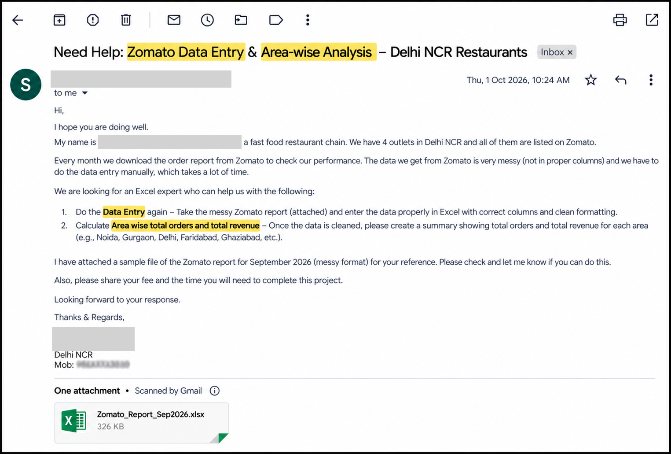
Clients's Requirement

Assumptions
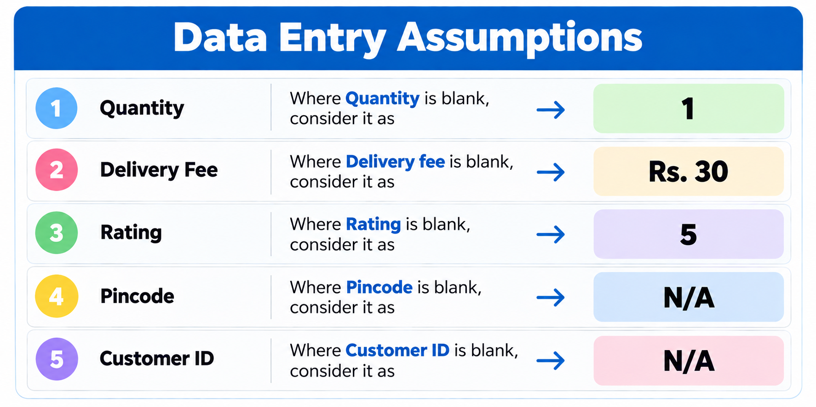

Additional Assumptions

 | 1. Duplicate Order IDs: Order IDs ZM-0049, ZM-0149 and ZM-0249 appeared twice in the raw data, but each pair had a different restaurant, customer or item. So all rows were kept as separate orders. The IDs ZM-0050, ZM-0150 and ZM-0250 were missing from the sequence, so they were assigned to the duplicate rows. Please confirm these with Zomato.
 | 2. Cancelled Orders: Gross Revenue includes cancelled orders (Quantity × Item Price). Net Revenue excludes cancelled orders, as no revenue is received for them. Both figures are shown in the Area Summary.

Area Summary
Row Labels | Count of Order ID | Sum of Revenue
Delhi | 60 | 15302
Dwarka | 54 | 15180
Faridabad | 52 | 14391
Ghaziabad | 42 | 10802
Greater Noida | 55 | 16463
Gurgaon | 61 | 17050
Noida | 64 | 15486
Rohini | 54 | 15688
Saket | 58 | 13901
Grand Total | 500 | 134263

