Valuation
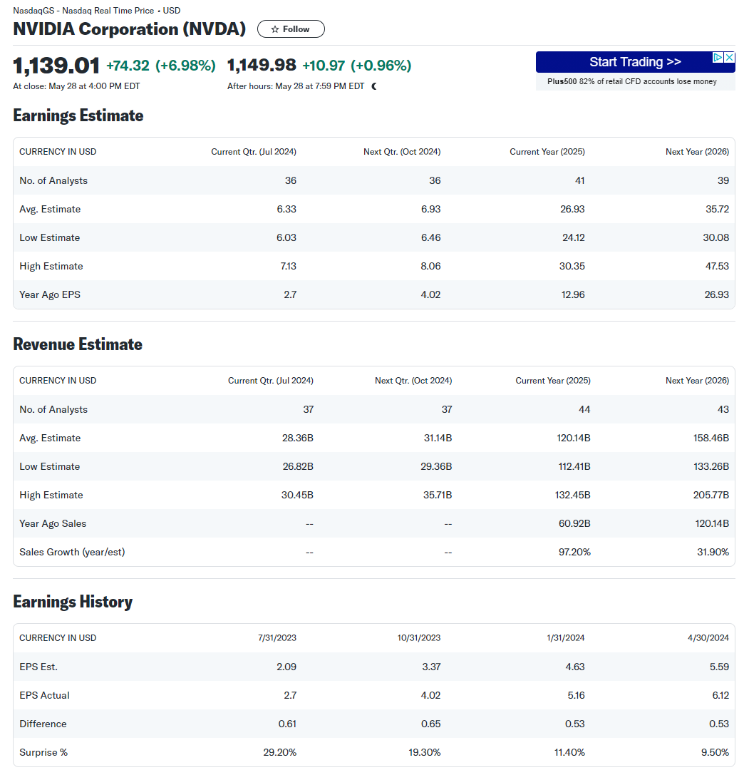
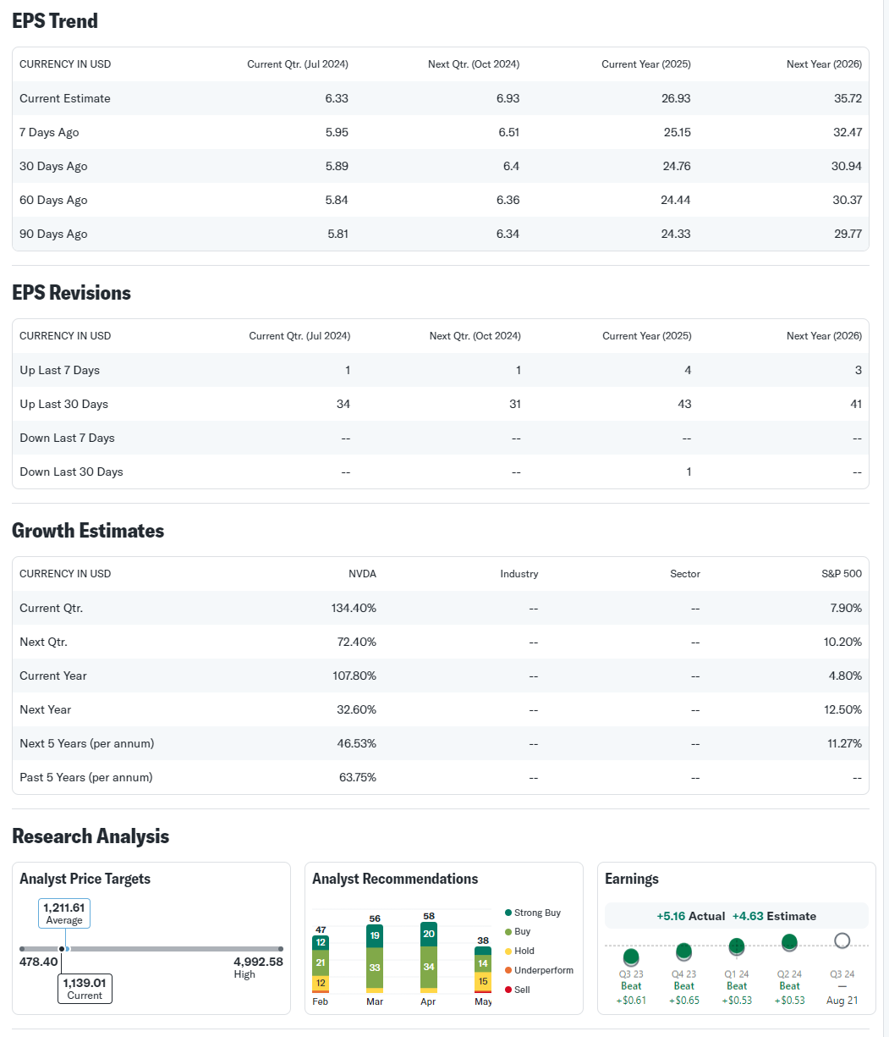
 |  | Forecast 2025 | Forecast 2026 | Forecast 2027 | Forecast 2028 | Forecast 2029
Net Income |  | $20,104 | $23,120 | $27,744 | $34,680 | $45,084
Change in Non-Cash WC |  | (7,193,426) | (7,564,004) | (3,720,249) | (8,470,360) | (567,594)
Change in Net PPE |  | 6,803 | 1,809 | 2,774 | 4,162 | 6,242
FCFE |  | 7,206,728 | 7,585,315 | 3,745,218 | 8,500,879 | 606,435
 |  |  |  |  |  | 8,615,559 | Terminal Value
Cfs to Discount |  | $7,206,728 | $7,585,315 | $3,745,218 | $8,500,879 | $9,221,994

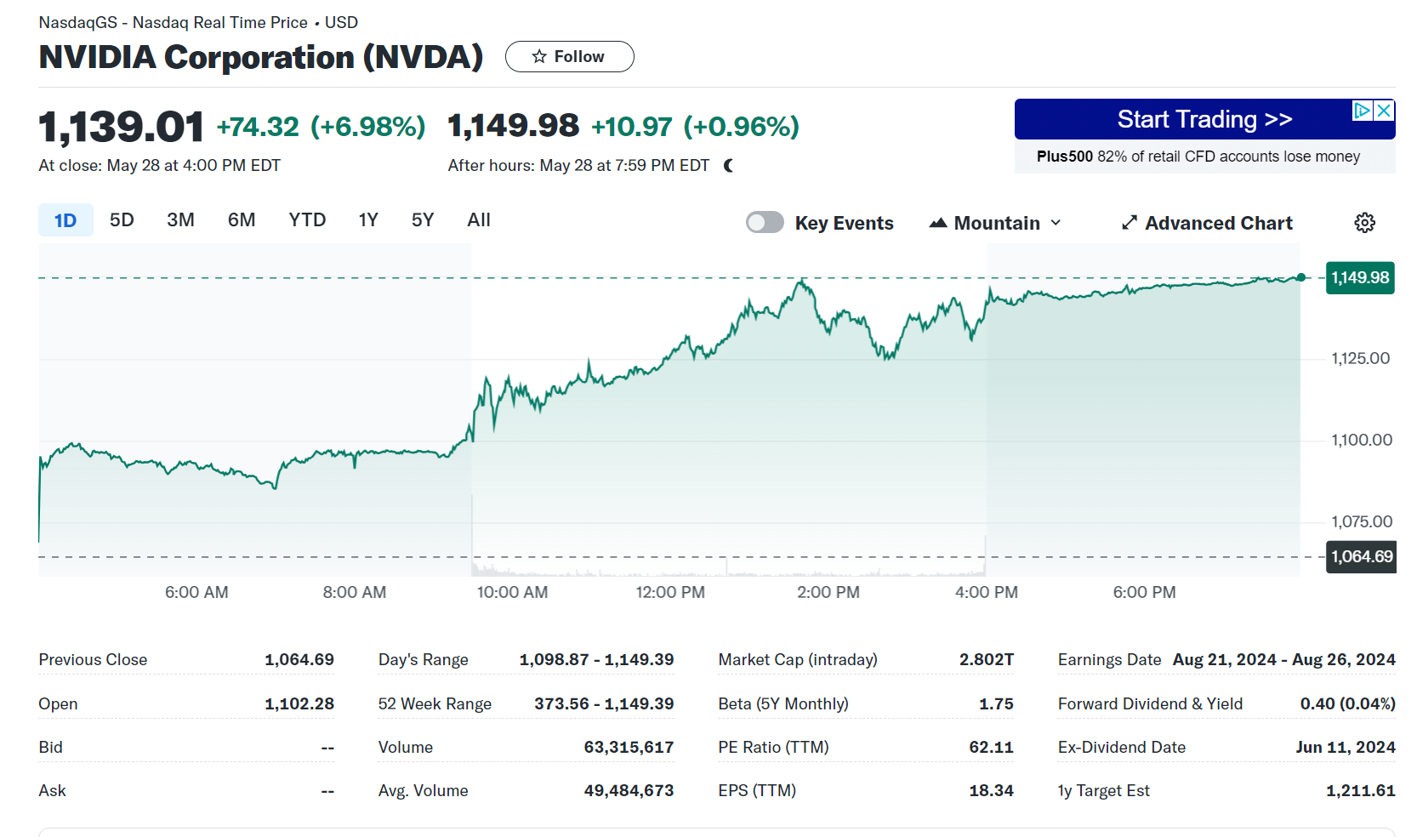
Estimated Value | $26,987,145
Estimated Share Price | $10,930

Current Share Price | 1208

ERi​=Rf​+βi​(ERm​−Rf​)
Expected return for the market | 8%
Beta | 1.75
rf | 5.00%
Require return | 10.25%

Long Term Growth Rate | 3%

Shares Outstanding | 2469

Input sheet
Forecast Assumptions: -
1. Revenue growth rate is increasing 5% each year from Jan 25 assumed 10% to Jan 29 as 30%. Revenue growth could increase considering the demand, sales, market trends.
2. Tax rate is assumed to increase by 1% each year. According to analyst of Morningstar and pec the tax rate for corporate is going increase up to 28% for fy24. Still, I considered 1% increase in tax rate per year cause tax rate can’t stay stable because of factors like tax reforms, growth, economy.
3. Net PPE/Sales is assumed at 20% cause if there is cash flow there will be investment in property. As you can see previous trend after a decrease in PPE there is an increase in pee (acquisition of property) for next year.
4. COGS. SG&A, R&D Sales figure are considered as per market trend. . Also while calculating the above factors the forecasted values are below 100% as the company is historical successful, So following previous trend.
5. As there is increase in cash flow due to revenue growth, we have factored in interest rate on surplus cash and interest rate paid on additional financing.

