Covid19 tracker
 |  |  | REACT COVID19 TRACKER

Components: | CovidData.js

SCREEN FLOW:

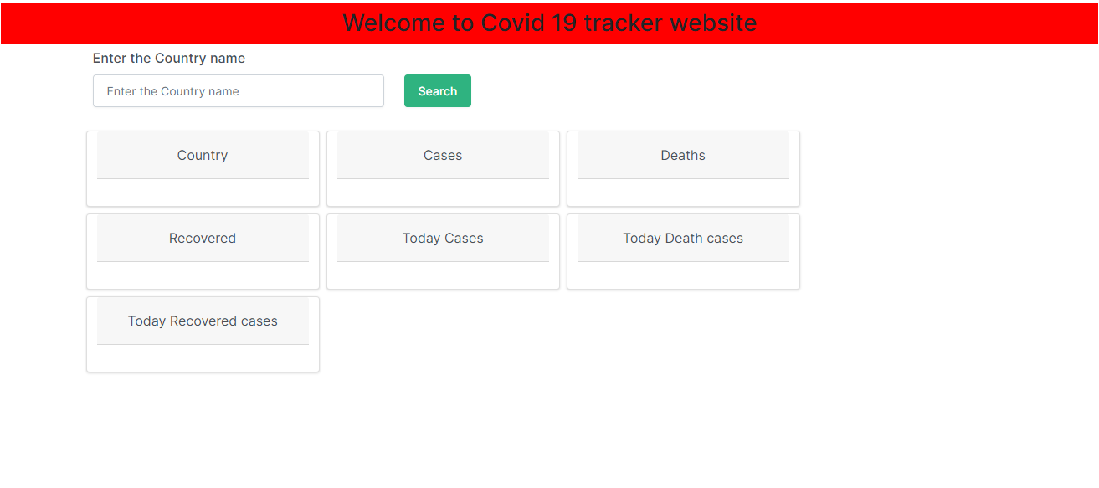
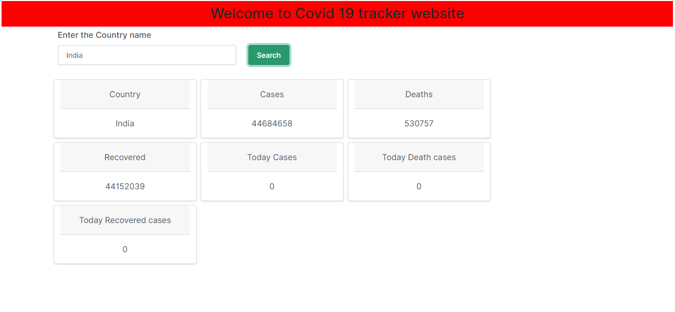

 |  |  |  | Enter Country name & Click Search button

 |  | HTML, CSS, BOOTSTRAP, JAVASCRIPT, REACTJS, WEB API
Languages & Frameworks:

