E-Library
 |  |  |  | ELIBRARY APPLICATION

 |  | Home, About Us, Terms, UserLogin, SignUp, ViewBooks
User Module Access:

 |  | Home, About Us, Terms, Admin Login, ViewBooks, Author Management, Publisher Management, Book Inventory, Book Issuing, Member Management
Admin Module access:

 | Screen Flow User Access:
 |  |  |  | Home Page |  | User Login Page |  | User Signup |  | View Books
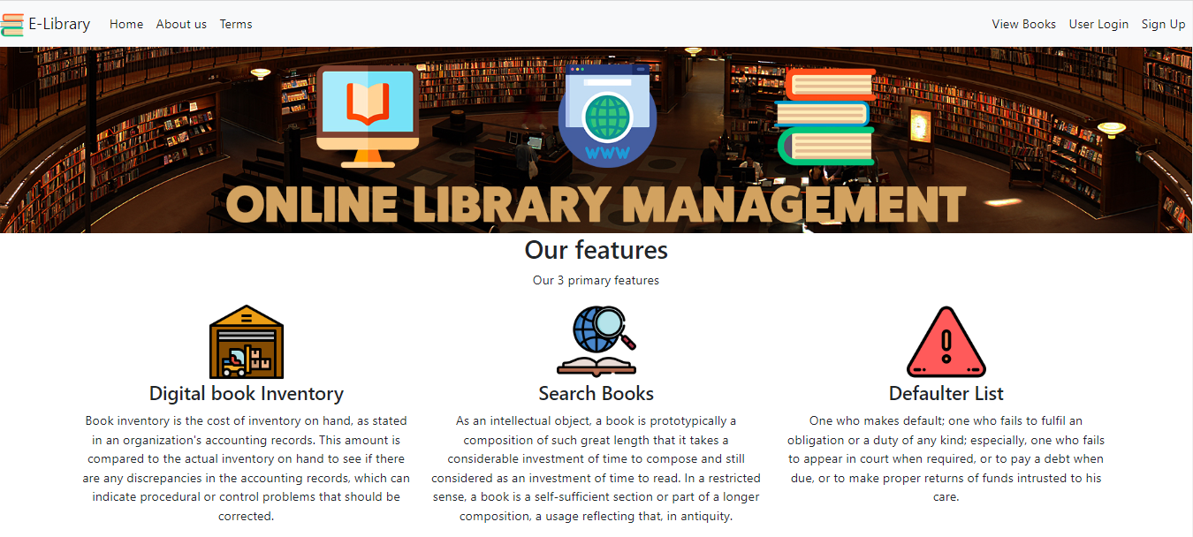
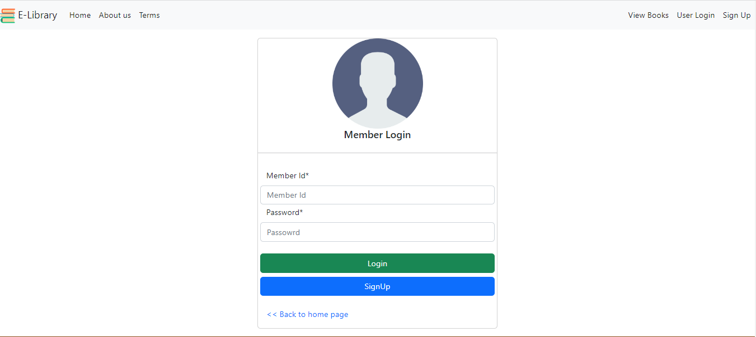
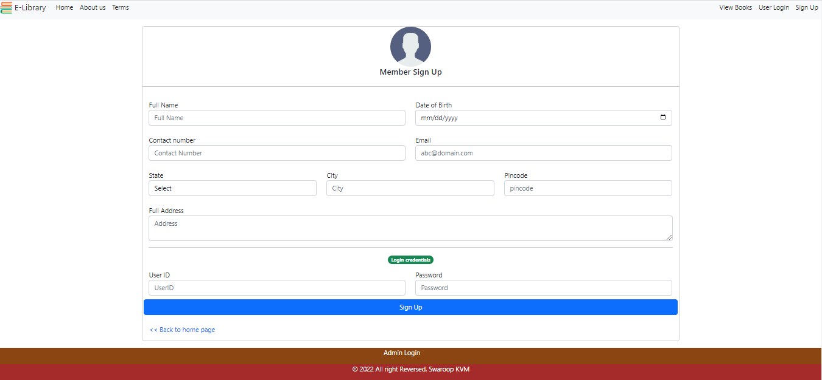
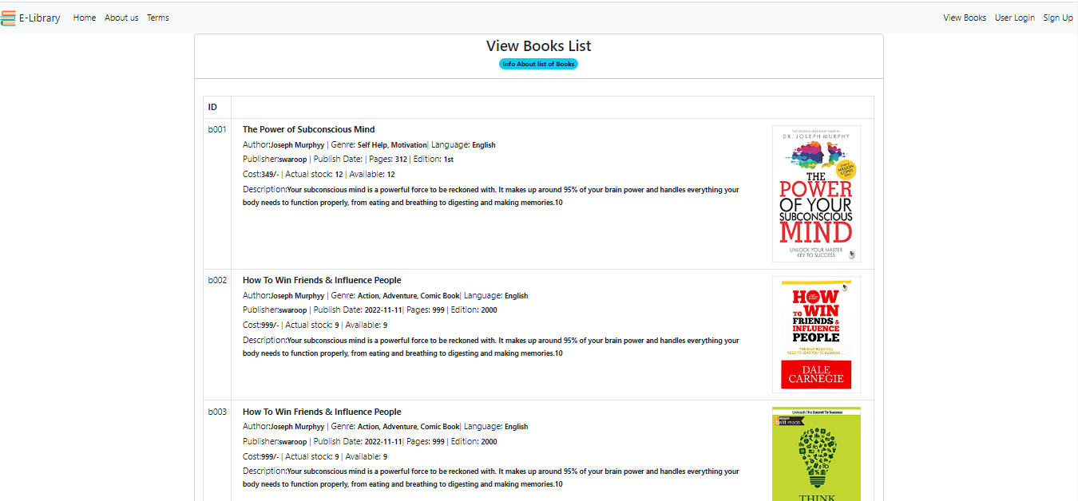

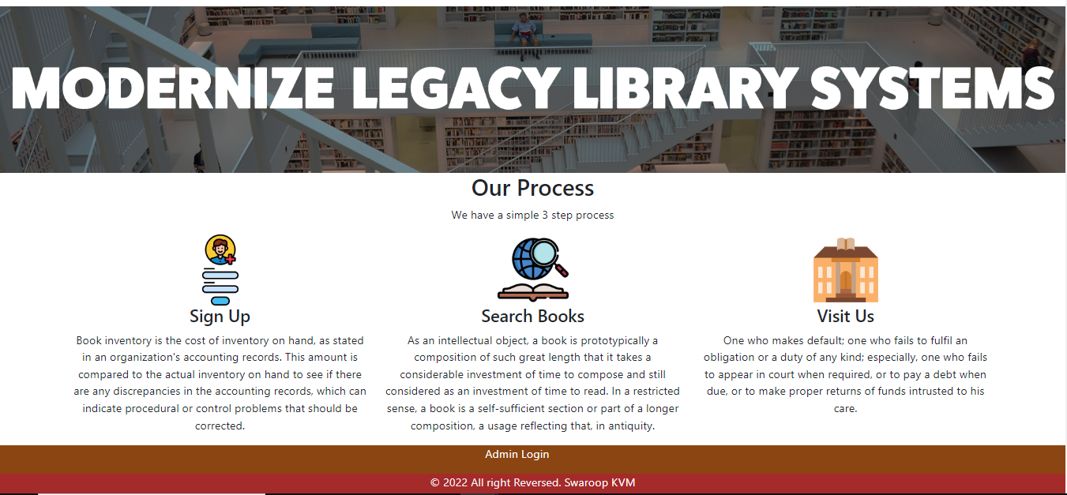

 | Screen Flow Admin Access:

 |  |  | Admin Login |  | Admin landing Page |  | Admin Author Management |  | Admin Publisher Management |  | Admin Book Inventory | Admin Book Issuing | Admin Member Management
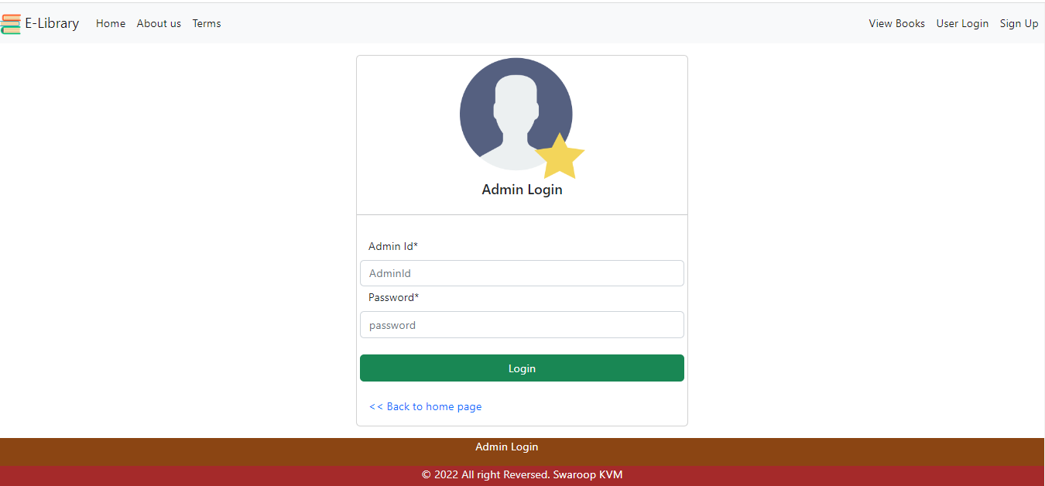
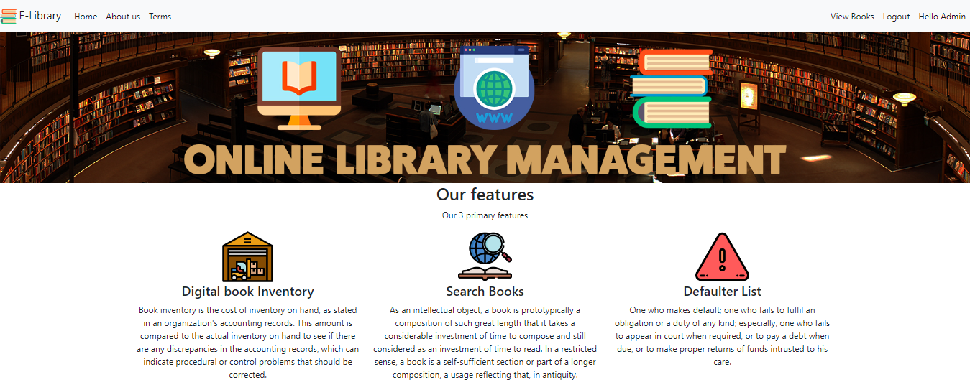
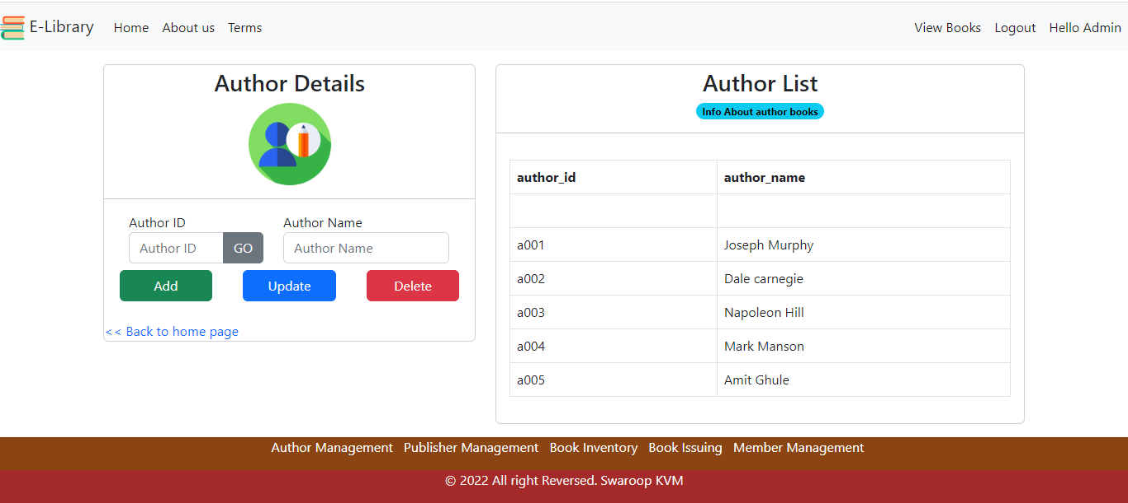
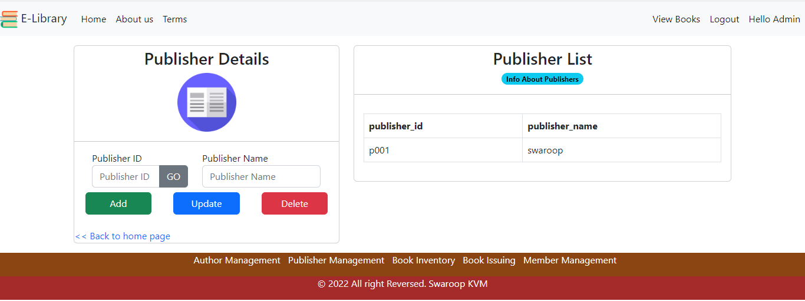
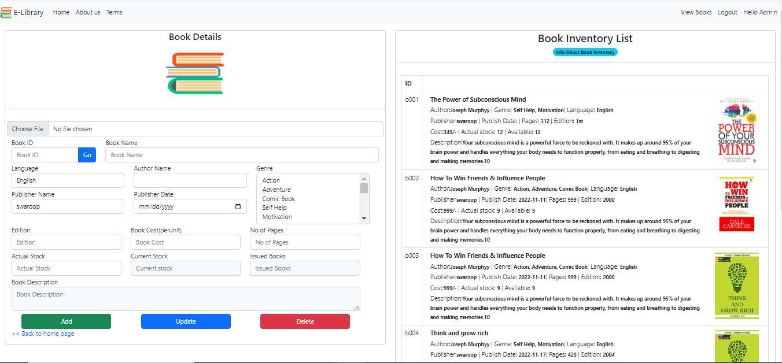
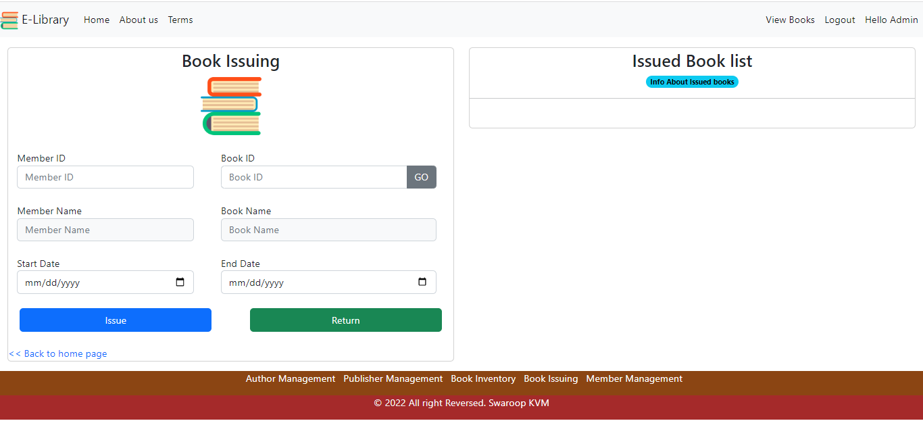
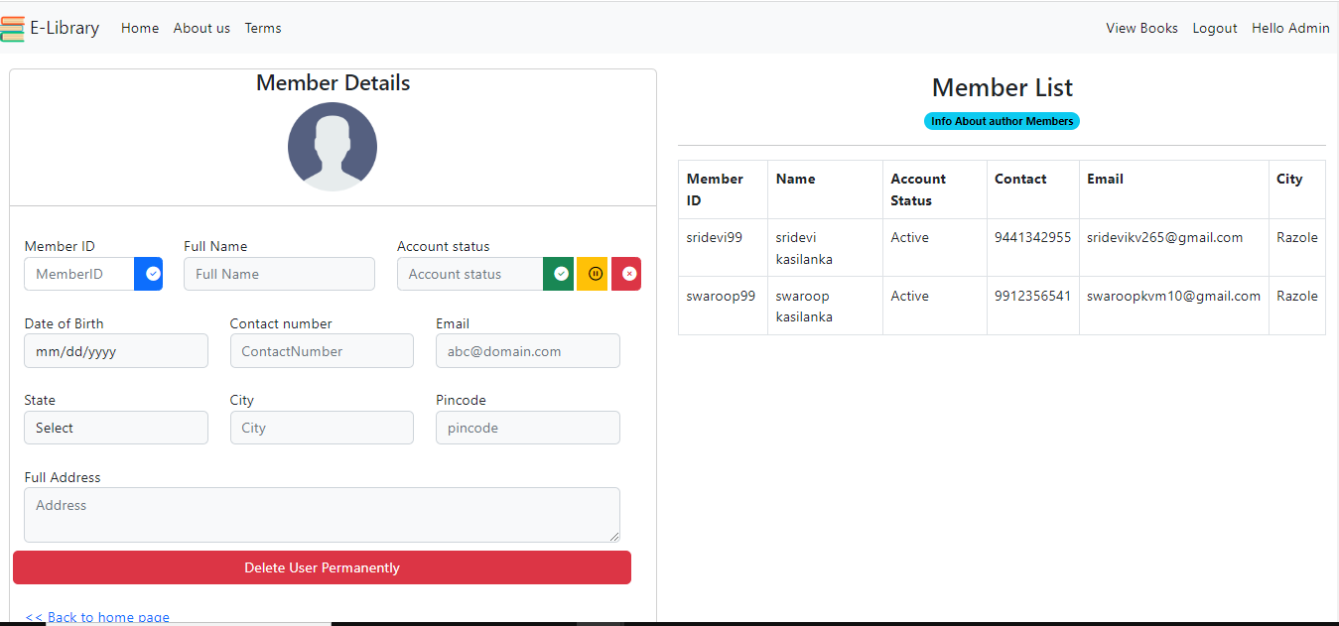

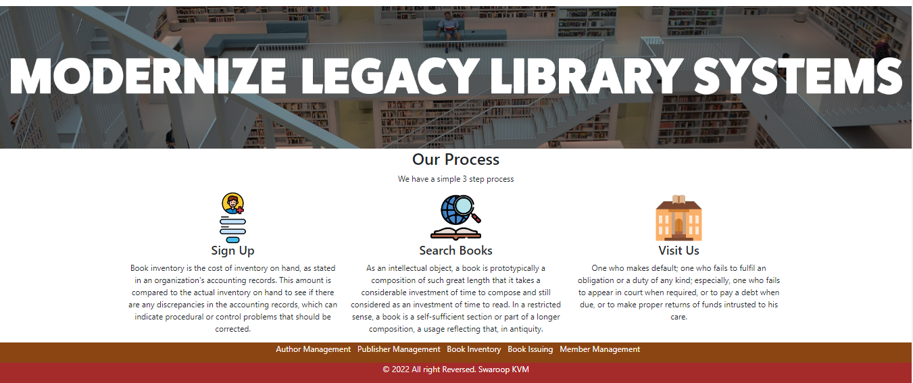

 |  | HTML, CSS, JAVASCRIPT, ASP.NET, SQL SERVER
Languages and Frameworks:

