Vehicle & Location Scanning
 |  |  |  | Vehicle & Location Scanning

Components: | QHoldVehLocScanning.js, QHoldVehLocScanning.cs, PutVehLocScanIP.cs, PutVehLocScanOP.cs,TB_LOC_VEH_SCAN.cs, VehLocScanMaster(PutVehLocScanBL.cs,VehLocScanMainMasterBL.cs)
 |  |  |  |  |  |  |  |  |  |  | If the entered values are valid and if this values already exists then a toast message will appear with a warn: Duplicate Entry is not allowed.
 |  |  |  |  |  |  |  | VIN number should be Alphanumeric.If the entered VIN number has special characters(@,$ etc) then a toast message message will appear with warning Invalid data.

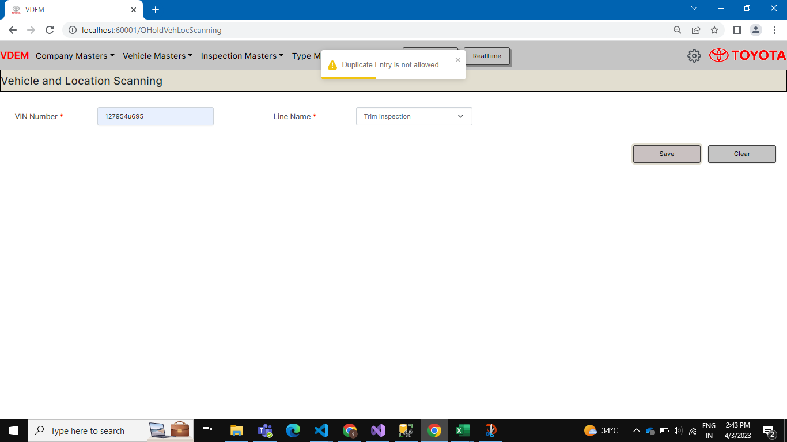
Screen Flow:

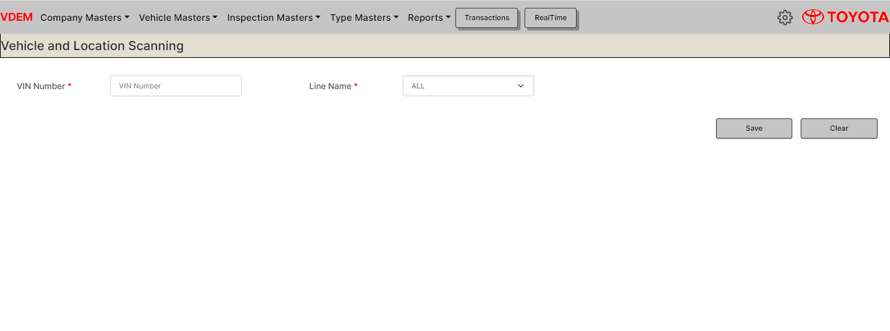

 |  |  |  |  |  |  |  |  |  | Duplicate entry screen
 |  |  |  |  |  |  | After Entering correct VIN number and Line name(Both fields are required)
 |  |  |  |  |  |  |  |  | Click Save

 |  |  |  |  |  | Click Save

 |  |  |  |  | If the Entered data is valid and if it doesn't consist any duplicate entry then a toast message appears with success message: Added successfully. After the save action gets invoked all input fields gets reset to their origibal state.
 |  |  | Click Save



Languages & Frameworks: |  | HTML, CSS, BOOTSTRAP, JAVASCRIPT, REACTJS, ASP.NET, SQL SERVER

Location Master
 |  |  |  | Location Master

 | LocationMaster.js, AddEditLocationMaster.js, LocationTypeController.cs, GetLocationTypeDetailIP.cs, GetLocationTypeDetailOP.cs,GetLocationTypeListIP.cs, GetLocationTypeListOP.cs, GetLocationTypeMasterIP.cs, GetLocationTypeMasterOP.cs, PutLocationTypeEditIP.cs, PutLocationTypeEditOP.cs, PutLocationTypeNewIP.cs, PutLocationTypeNewOP.cs, TB_M_LOCATION_TYPE.cs, LoCationTypeMasterMainBL.cs, GetLocationTypeDetailBL.cs, GetLocationTypeListBL.cs, GetLocationTypemasterBL.cs, PutLocationTypeNewBL.cs, PutLocationTypeEditBL.cs
Components:

Screen Flow: |  |  |  |  |  |  |  | On click of search button the Add and edit button gets enabled and table gets displayed as shown in the figure. |  |  |  |  |  | On click of clear button the page gets reloaded and comes back to original state.
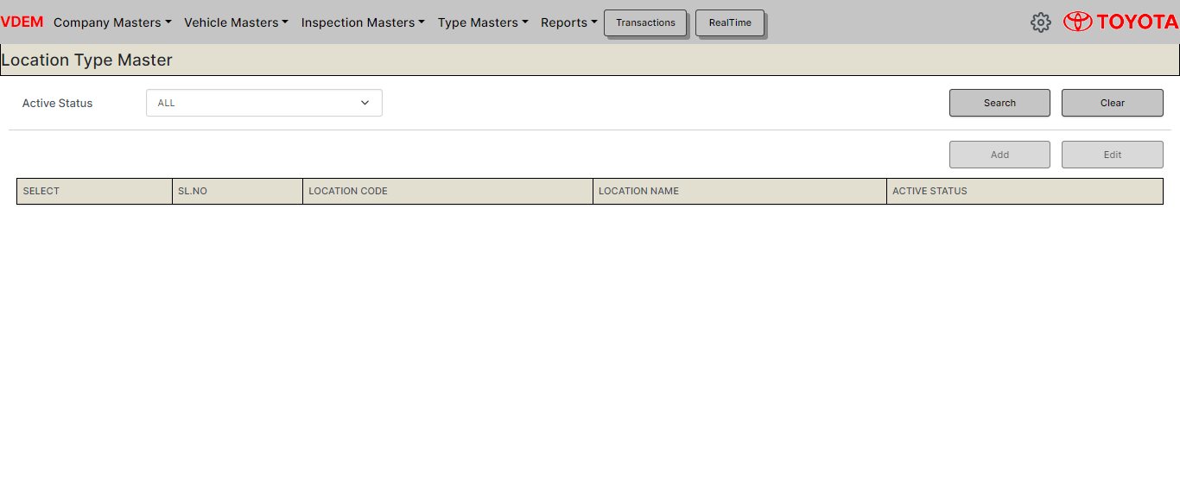
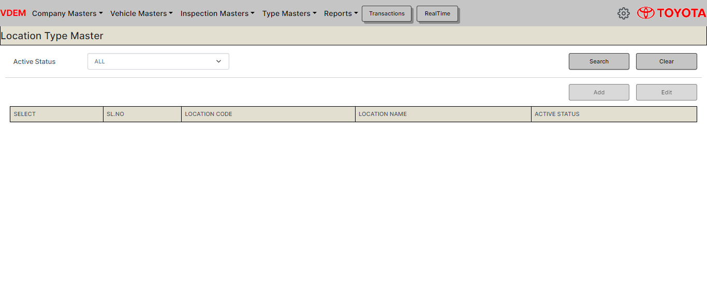
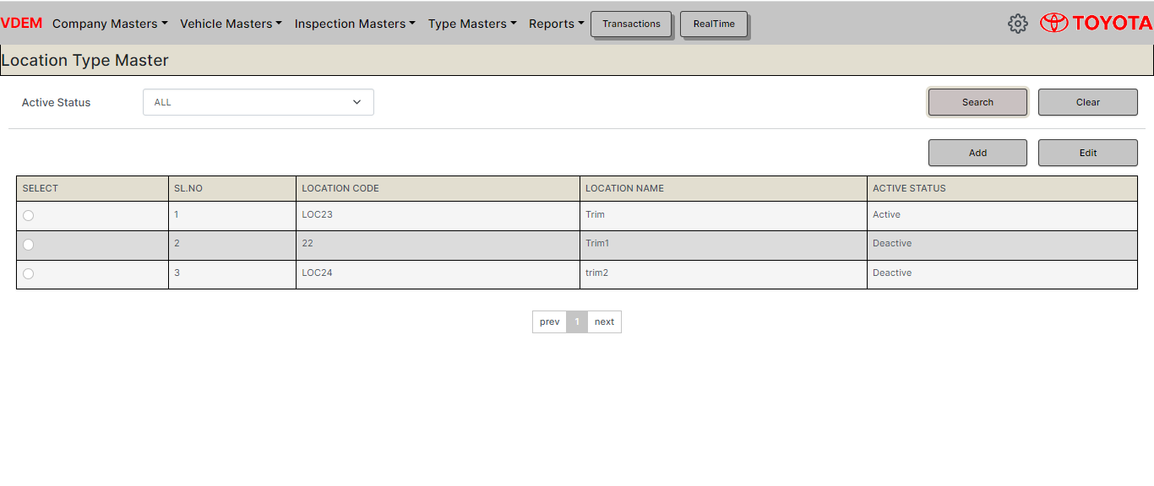

 |  |  |  |  |  |  | Click Search
 |  |  |  |  |  |  |  |  |  |  |  |  | Click clear

 |  |  |  |  |  |  | Click back |  |  |  |  |  | Click Back
 |  |  |  |  | (Page will load with updated details) |  |  |  | Click Add | Click Edit |  |  | (Page will load with the updated fields)

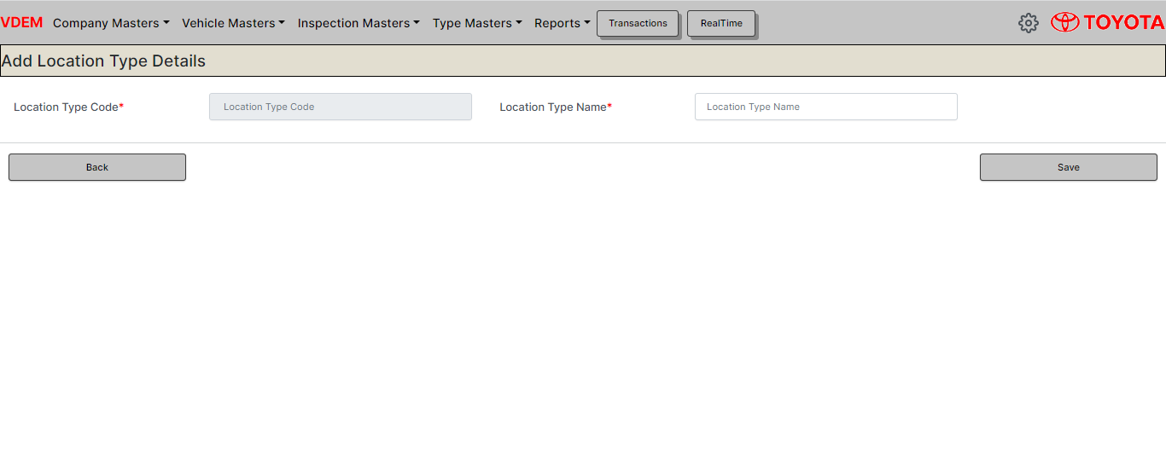
 |  |  | In this screen Location type Code textbox is disabled because this code is added from the backend code.
 |  |  |  |  |  |  |  |  |  |  |  | Select a particular row(click the radio button) in the screen and then click Edit screen then selected details will appear in the edit screen
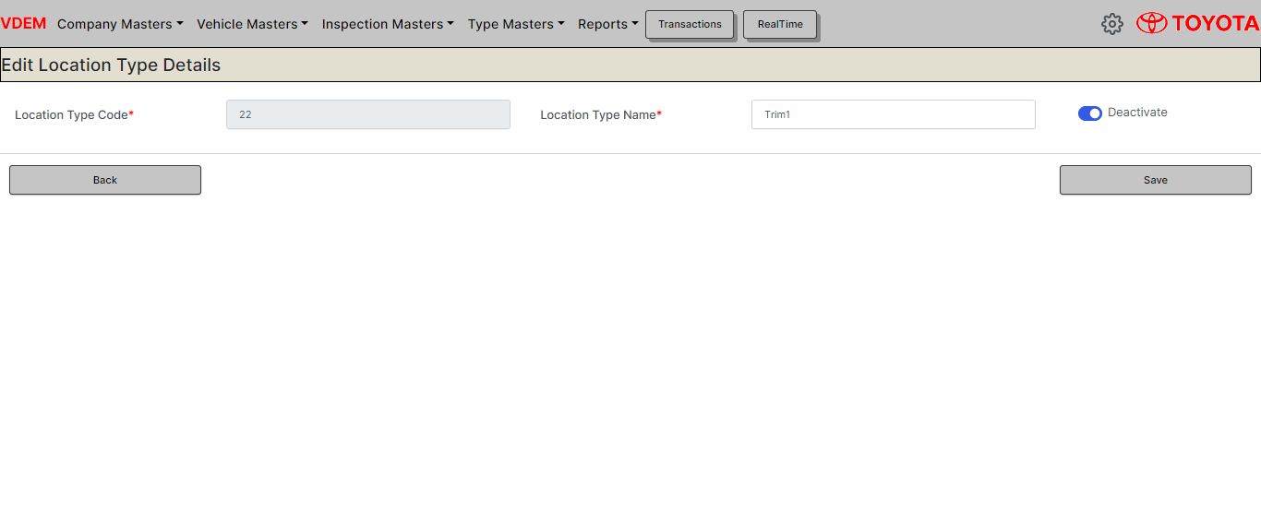

 |  |  |  |  |  | Click Save

 |  |  |  |  |  |  |  |  |  |  |  |  | Click Save

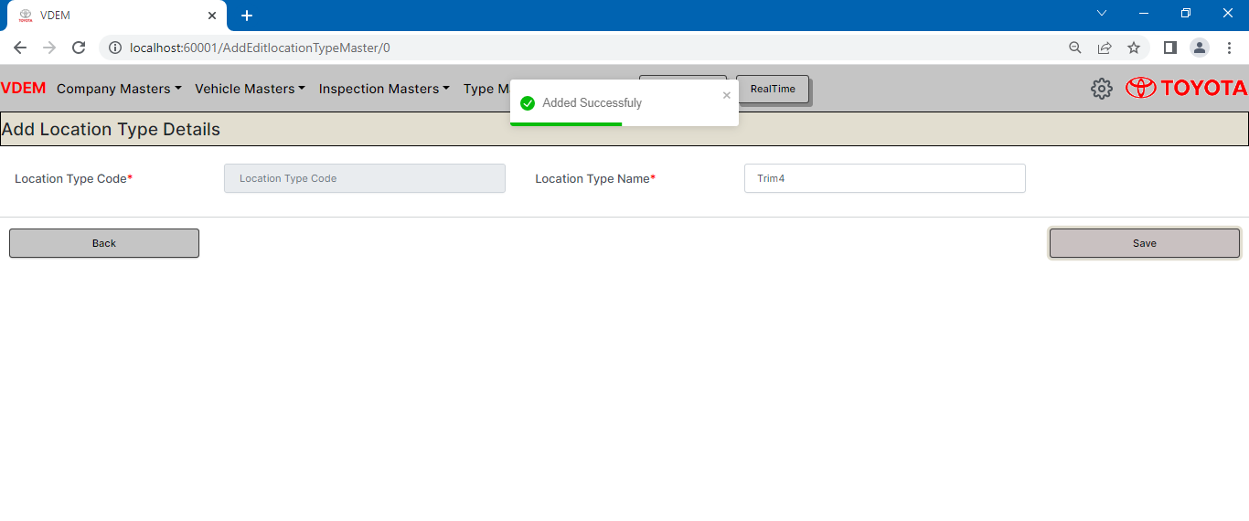
 |  |  | Add the Location Type Name in the text and click save button then a toast message will appear as shown in the figure.
 |  |  |  |  |  |  |  |  |  |  | On click of Save button the Edited details will get saved in the database and the page gets reverted back to main screen with showing updated details in table
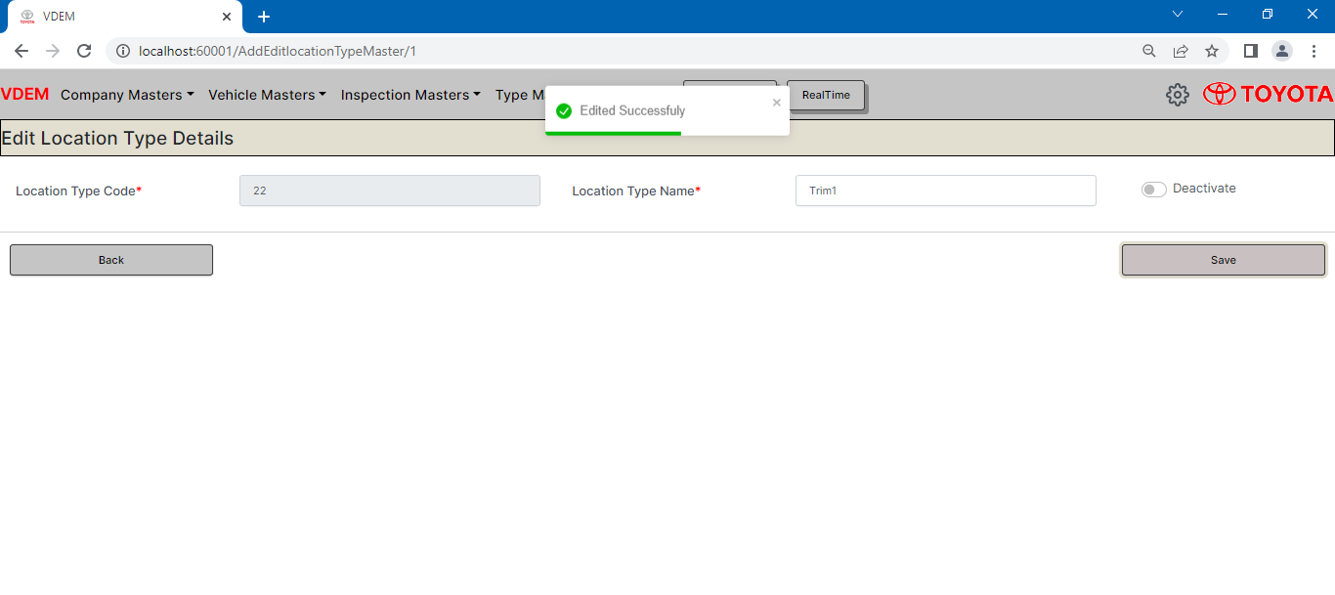

Languages & Frameworks : |  | HTML, CSS, BOOTSTRAP, JAVASCRIPT, REACTJS, ASP.NET, SQL SERVER

Plant Stock Report
 |  | PLANT STOCK REPORT

Requirement: | Create a Plantstock report with a new sheet 'Trail vehicles' and sort the both sheets in maximum no of delays days of Vehicle

UI Elements: | Input option for Uploading an Trail vehicles excel with columns VIN and BODY_NO

Web Screen:

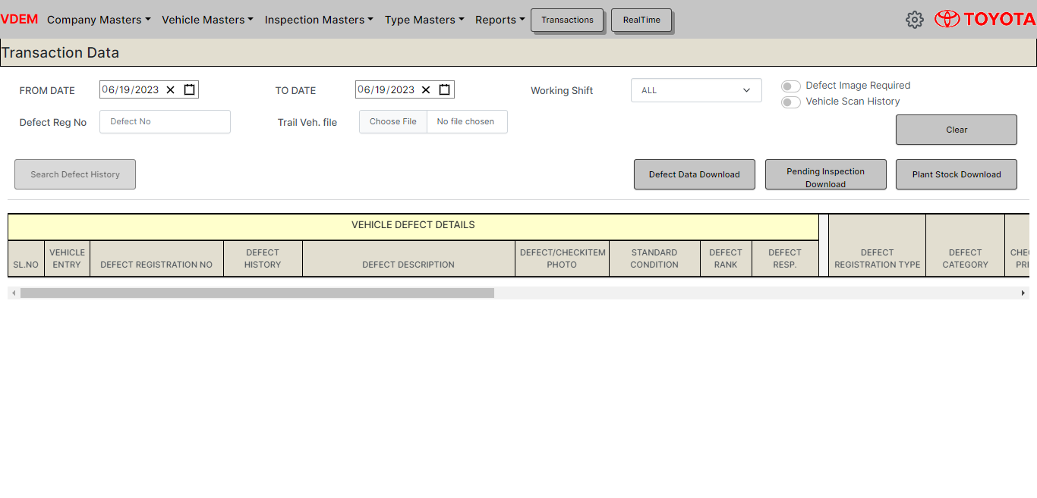

Report(Sheet1): | VEH_PLANT_STOCK (The trail vehicles in this sheet have been seperated and moved to another sheet TRAIL_VEHS )

Report(Sheet2): | TRAIL_VEHS

PlantStockreport Implementation
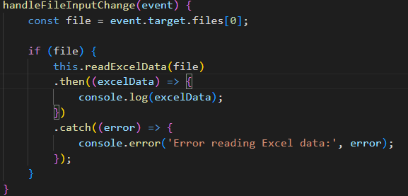
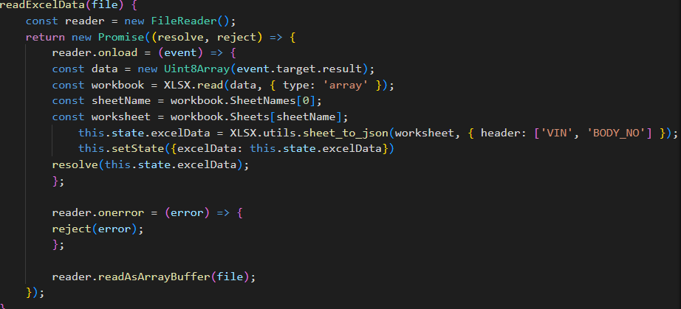
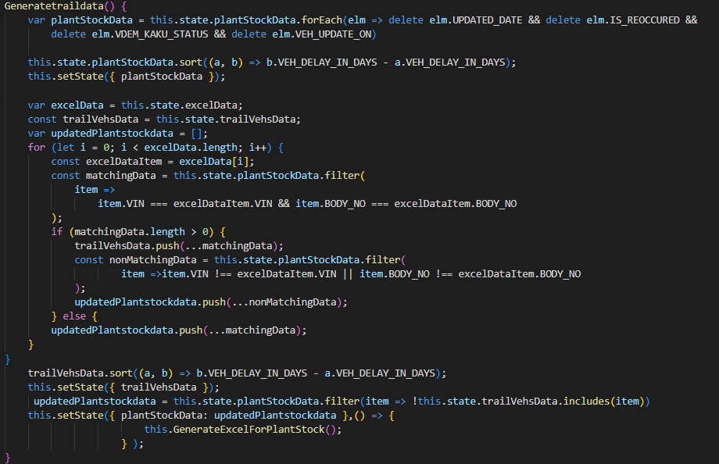
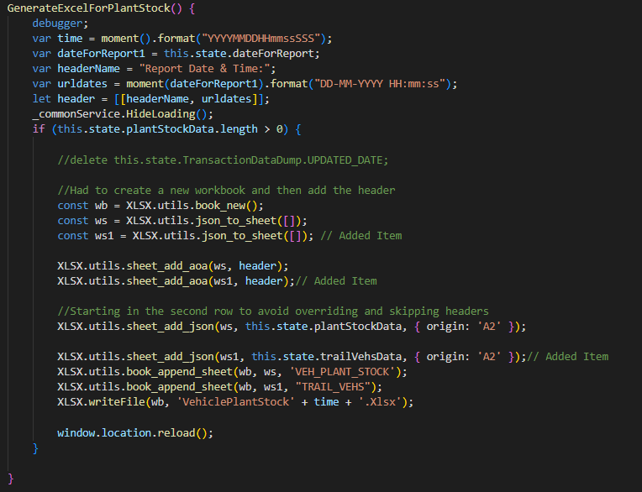
 | 1) The Input Option in UI takes an excel with column names VIN and BODY_NO
 | 2) This data in the file is read through readexcel function that takes input as the file.
 | 3) All the in the excel files is assigned to an empty array excelData that is created in state.
 | 4) Now to get the TRAIL_VEHS data from the PLANTSTOCKDATA we need to compare the excel data and take matchinfg data from the plantstock and store it in trailVehsDataq array & the nonmatchingdata is stored in UpdatedPlantstockdata array and set the state of plantstockdata array to updatedplantstockdata

 | 5) Now the first sheet of reprot consists of the Updatedplantstock data where the second sheet of report consists of only Trail vehicles data.

Code:

