Functional FLow
 |  |  |  | FUNCTIONAL FLOW
REQUEST SERVICE:
Request Service(Runs 5min)
Response Service(Runs 15min)

 |  | Checks in DB for T-Badge Vehicles |  |  |  | Checks in Folder for Response Files

Reponse File Folder
 | No Vehicles/ No Data of T-badge in DB for Every 5 min |  | T-badgeVehicles Data Exists in DB for Every 5 min |  | DataMismatch or count of data mismatch |  | Valid Data
LTS DATABASE

No File/DataCreated in Request Folder
Create Request CSV file in Request Folder
No Data is updated in TB_R_POKOYOKE_CERTIFICATE
Copy the Response file to Archive Folder

Create a copy file in Archive Request Folder
Log the Error in DB (TB_R_SERVICE_LOGS)
Update the Details in the TB_R_POKOYOKE_CERTIFICATE TABLE
Log the Error in DB (TB_R_SERVICE_LOGS)

Insert the data in TB_R_POKOYOKE_CERTIFICATE

Move the Error File to Error Folder
Update Certificate Status to Recieved in TB_R_POKOYOKE_DETAILS TABLE
Share details from TB_R_POKOYOKE_CERTIFICATE table to SAL DB.
 |  |  |  |  |  |  |  | On Success of Response service
Update Certificate status to Requested in TB_R_POKOYOKE_DETAILS

Insert Success Log in TB_R_SERVICE_LOGS

Insert Success Log in TB_R_SERVICE_LOGS
Update the existing record in SAL DB
Insert the new record in SAL DB
 |  |  |  |  |  |  |  |  | IF Record exists |  | If New Record

 |  |  |  |  |  |  |  |  |  | Duplicate Record
Move the Previous Record to history using Trigger
Insert Success Log in TB_R_SERVICE_LOGS
Move the Previous Record to history using Trigger

Insert Failure Log in TB_R_SERVICE_LOGS
Insert Success Log in TB_R_SERVICE_LOGS

Code Snippets
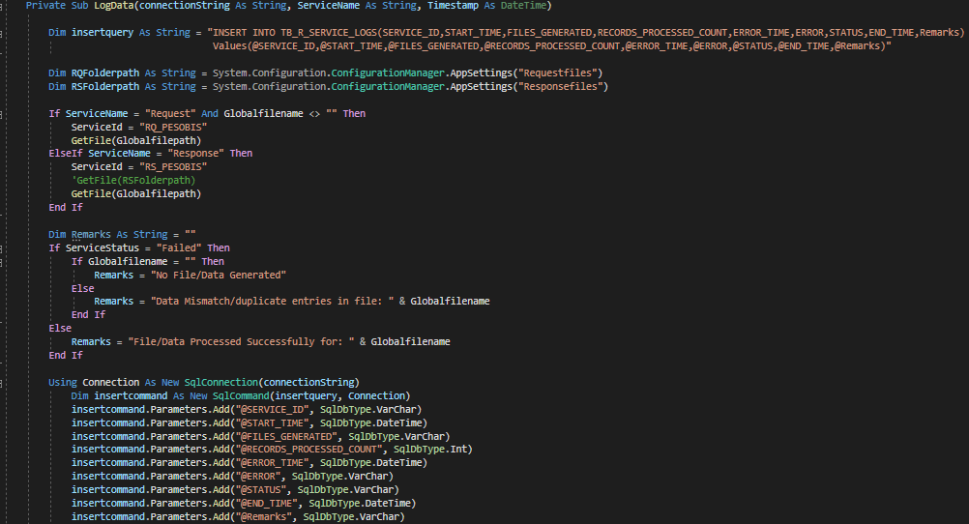
Request Service:
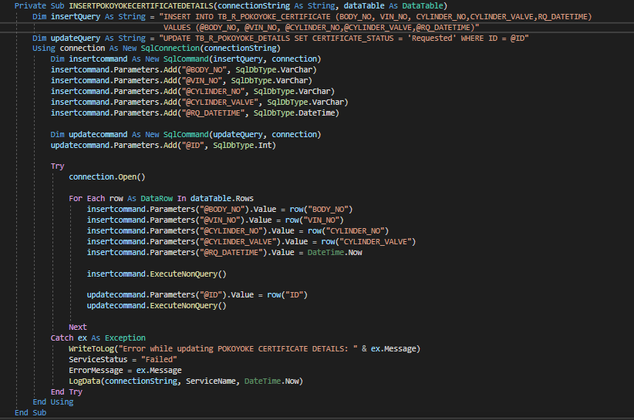
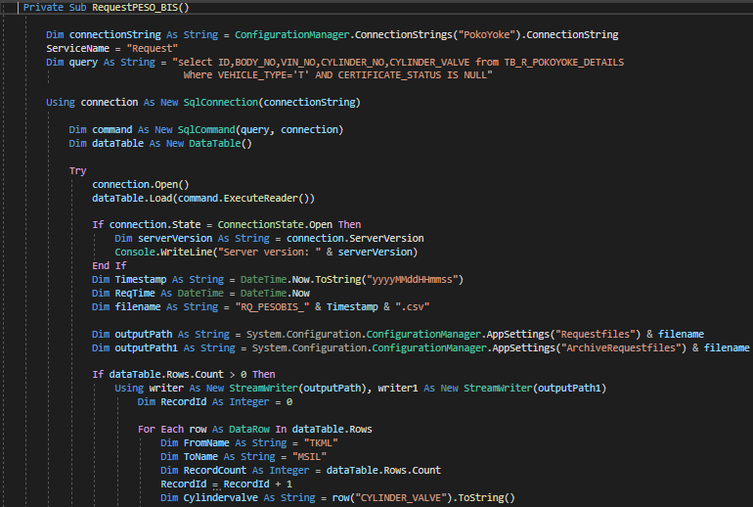

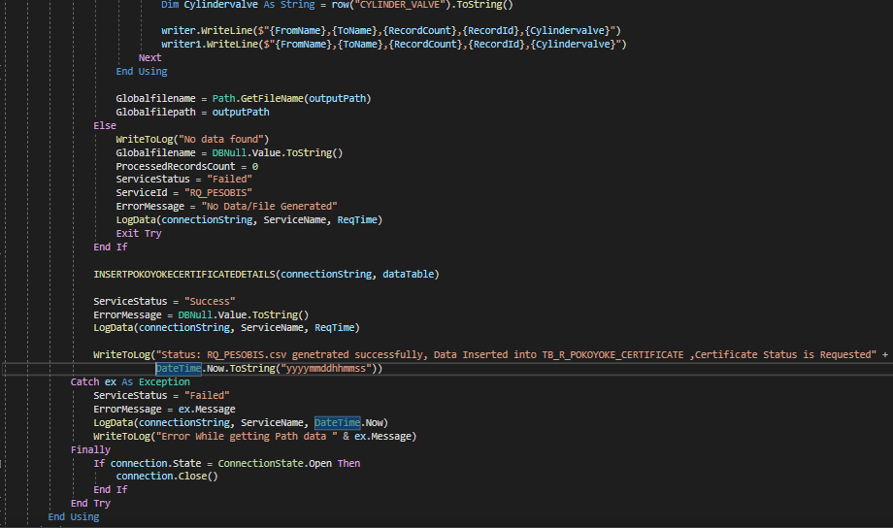

Response Service:
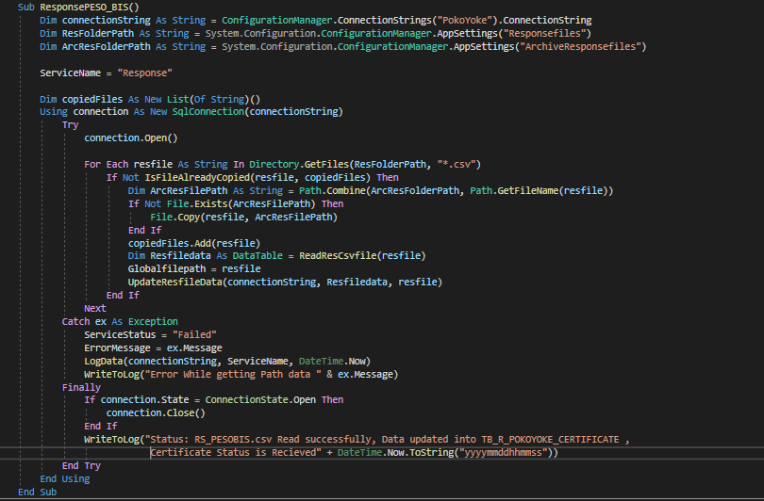
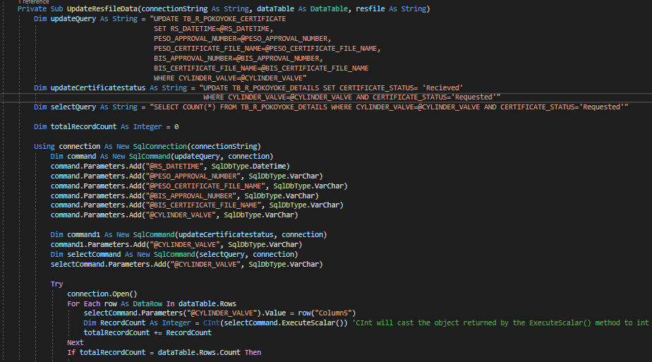

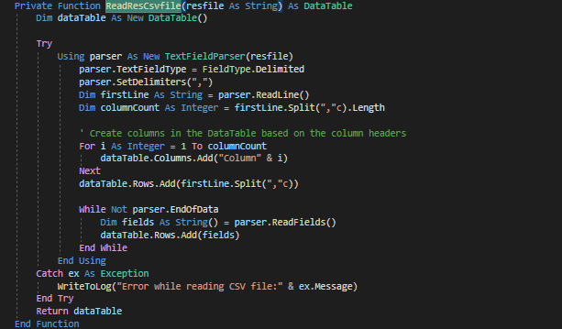

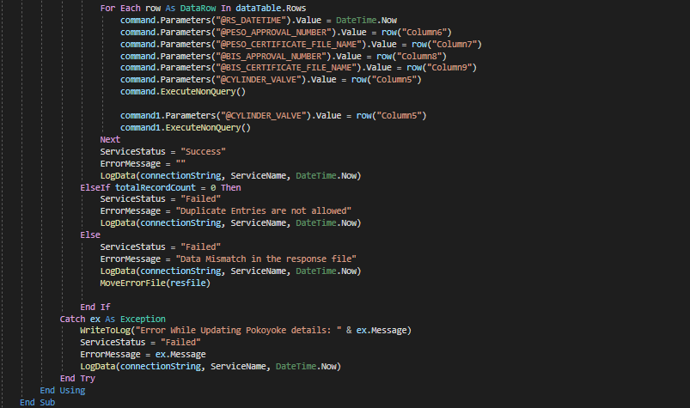

Log Data:

DB Scripts
DataBase: LTS

TB_R_POKOYOKE_CERTIFICATE |  | TB_R_POKOYOKE_DETAILS |  |  | TB_R_SERVICE_LOGS |  | TB_R_POKOYOKE_HISTORY_RepairModule

Script for creating TB_R_POKOYOKE_CERTIFICATE Table
Script for Adding columns VEHICLE_TYPE & CERTIFICATE_STATUS in TB_R_POKOYOKE_DETAILS Table
Script for creating TB_R_SERVICE_LOGS Table
Script for creating TB_R_POKOYOKE_HISTORY_RepairModuleTable
CREATE TABLE [dbo].[TB_R_POKOYOKE_CERTIFICATE]( |  | ALTER TABLE [TB_R_POKOYOKE_DETAILS] |  |  | CREATE TABLE [dbo].[TB_R_SERVICE_LOGS]( |  | CREATE TABLE [dbo].[TB_R_POKOYOKE_HISTORY_RepairModule](
 | [ID] [int] IDENTITY(1,1) NOT NULL, | ADD VEHICLE_TYPE [varchar](50) NULL, |  |  |  | [ID] [int] IDENTITY(1,1) NOT NULL, |  | [SL_NO] [int] IDENTITY(1,1) NOT NULL,
 | [BODY_NO] [varchar](50) NULL, | CERTIFICATE_STATUS [varchar](50) NULL |  |  |  | [SERVICE_ID] [varchar](50) NULL, |  | [BODY_NO] [varchar](6) NULL,
 | [VIN_NO] [varchar](50) NULL, |  |  |  |  | [START_TIME] [datetime] NULL, |  | [VIN_NO] [varchar](20) NULL,
 | [CYLINDER_NO] [varchar](50) NULL, |  |  |  |  | [FILES_GENERATED] [nvarchar](max) NULL, |  | [CYLINDER_NO] [varchar](50) NULL,
 | [CYLINDER_VALVE] [varchar](50) NULL, |  |  |  |  | [RECORDS_PROCESSED_COUNT] [int] NULL, |  | [CYLINDER_PESO] [varchar](50) NULL,
 | [RQ_DATETIME] [datetime] NULL, |  |  |  |  | [ERROR_TIME] [datetime] NULL, |  | [VALVE_NO] [varchar](50) NULL,
 | [RS_DATETIME] [datetime] NULL, |  |  |  |  | [ERROR] [nvarchar](max) NULL, |  | [VALVE_PESO] [varchar](50) NULL,
 | [PESO_APPROVAL_NUMBER] [varchar](50) NULL, |  |  |  |  | [STATUS] [varchar](50) NULL, |  | [CHECK_DATE] [datetime] NULL,
 | [PESO_CERTIFICATE_FILE_NAME] [varchar](50) NULL, |  |  |  |  | [END_TIME] [datetime] NULL, |  | [CERTIFICATE_STATUS] [varchar](50) NULL
 | [BIS_APPROVAL_NUMBER] [varchar](50) NULL, |  |  |  |  | [Remarks] [nvarchar](max) NULL | )
 | [BIS_CERTIFICATE_FILE_NAME] [varchar](50) NULL, |  |  |  | )
 | )

Script for Retrieving data for Request service from TB_R_POKOYOKE_DETAILS Table
 |  |  |  | select ID,VIN_NO,CYLINDER_NO from TB_R_POKOYOKE_DETAILS where VEHICLE_TYPE='T' and CERTIFICATE_STATUS IS null and VIN_NO in (Select VIN_NO from TB_R_POKOYOKE_HISTORY_DATA where VALVE_PESO is not null and CYLINDER_PESO is not null) union select SL_NO,VIN_NO,CYLINDER_NO from TB_R_POKOYOKE_HISTORY_RepairModule where Exists ( Select 1 from TB_R_POKOYOKE_DETAILS where TB_R_POKOYOKE_DETAILS.VIN_NO = TB_R_POKOYOKE_HISTORY_RepairModule.VIN_NO and TB_R_POKOYOKE_HISTORY_RepairModule.CYLINDER_PESO is not null and TB_R_POKOYOKE_HISTORY_RepairModule.VALVE_PESO is not null and TB_R_POKOYOKE_HISTORY_RepairModule.Result='OK' and VEHICLE_TYPE='T')

select ID,BODY_NO,VIN_NO,CYLINDER_NO,CYLINDER_VALVE from TB_R_POKOYOKE_DETAILS Where VEHICLE_TYPE='T' AND CERTIFICATE_STATUS IS NULL |  |  | Updated query

Script for Inserting data into TB_R_POKOYOKE_CERTIFICATE Table After generation of PESOBIS request CSV files
INSERT INTO TB_R_POKOYOKE_CERTIFICATE (BODY_NO, VIN_NO, CYLINDER_NO,CYLINDER_VALVE,RQ_DATETIME) VALUES (@BODY_NO, @VIN_NO, @CYLINDER_NO,@CYLINDER_VALVE,@RQ_DATETIME)

Script for Updating Certificate status to 'requested' in TB_R_POKOYOKE_DETAILS Table After Inserting a records inTB_R_POKOYOKE_CERTIFICATE

UPDATE TB_R_POKOYOKE_DETAILS SET CERTIFICATE_STATUS = 'Requested' WHERE ID = @ID

Script for Updating data in TB_R_POKOYOKE_CERTIFICATE after recieving data from response PESBIS csv files.
UPDATE TB_R_POKOYOKE_CERTIFICATE SET RS_DATETIME=@RS_DATETIME, PESO_APPROVAL_NUMBER=@PESO_APPROVAL_NUMBER, PESO_CERTIFICATE_FILE_NAME=@PESO_CERTIFICATE_FILE_NAME, BIS_APPROVAL_NUMBER=@BIS_APPROVAL_NUMBER, BIS_CERTIFICATE_FILE_NAME=@BIS_CERTIFICATE_FILE_NAME WHERE CYLINDER_VALVE=@CYLINDER_VALVE

Script for Updating Certificate status to 'recieved' in TB_R_POKOYOKE_DETAILS Table After updating existing records in TB_R_POKOYOKE_CERTIFICATE

UPDATE TB_R_POKOYOKE_DETAILS SET CERTIFICATE_STATUS= 'Recieved' WHERE CYLINDER_VALVE=@CYLINDER_VALVE AND CERTIFICATE_STATUS='Requested'

Script for counting no of rows in TB_R_POKOYOKE_DETAILS Table for the Cylinder valve recieved in response file
SELECT COUNT(*) FROM TB_R_POKOYOKE_DETAILS WHERE CYLINDER_VALVE=@CYLINDER_VALVE AND CERTIFICATE_STATUS='Requested'

