Functional Flow
Phase |  | DR |  |  | Project Name |  |  | Vehicle Location Tracking (VDEM-VLT) |  |  |  |  |  |  |  |  |  |  | Page | 2
Block Name |  |  | Functional Flow |  |  |  |  | Function Name |  | Vehicle Location |  |  |  |  | Created |  |  | 25/5/2023 | By | Swaroop kvm
Document Name |  |  | Vehicle Location Tracking Screens(Web & Mobile) |  |  |  |  | Title |  | Vehicle Location Tracking Functional Flow |  |  |  |  | Updated |  |  | 2023-06-06 | By | Swaroop kvm

Vehicle Location Tracking

Web
Mobile

Login Screen

Enter URL

Check for Internet and Sync Pending Details Every 10 seconds

Login Page

UserID
and Password
Check Wifi & Fetch the Data
 |  |  |  |  |  |  |  |  | InValid |  | Valid

UserID and Password

 | InValid |  |  | Valid
IsInternet =true -> Validate through Server IsInternet = false -> Validate through LocalDB
Login Screen
Scan Vehicle QR Screen
 |  |  |  |  |  |  |  |  |  |  | InValid QR Code |  | Valid QR Code

Login Page
Vehicle Scanning Master(VSM)
 |  |  | DropDown-1 |  |  | DropDown-2 |  |  |  |  |  | Cancel button
Veh. Scan QR code screen
Login Screen
Vehicle Location Tracking Screen

VSM
Scanning Screen Master

Vehicle Location Summary (Veh. Details)
 |  |  |  |  |  |  |  |  |  |  | On Page Load

Previous Veh. Body no Scanned
&
Total Vehiclepending Sync Count

Vehicle Locations
Area Mapping Master
Enter Vehicle Location and Bay number
 |  |  |  |  |  |  |  |  |  |  |  |  | Click Cancel |  |  |  | Click Submit

 |  |  |  |  |  |  | OnClick

Add/Edit Screen
Add Screen
Vehicle Location Tracking Screen
Check Internet Connection
Vehicle Location Tracking Screen
 |  |  |  |  |  |  |  |  |  |  |  |  |  | Click Submit |  | If Duplicate Entry
 |  |  |  |  |  |  |  |  |  |  |  |  |  |  |  |  | No Internet |  | Internet

Save Location Details to Local DB
Save Location Details to Server

Scan Vehicle QR Screen
Scan Vehicle QR Screen

Update Total Vehicle Pending Sync Count & UpdatePrevious veh. Body no scanned
Update Previous veh. Body no scanned

Vehicle LocationScreens(Mobile)
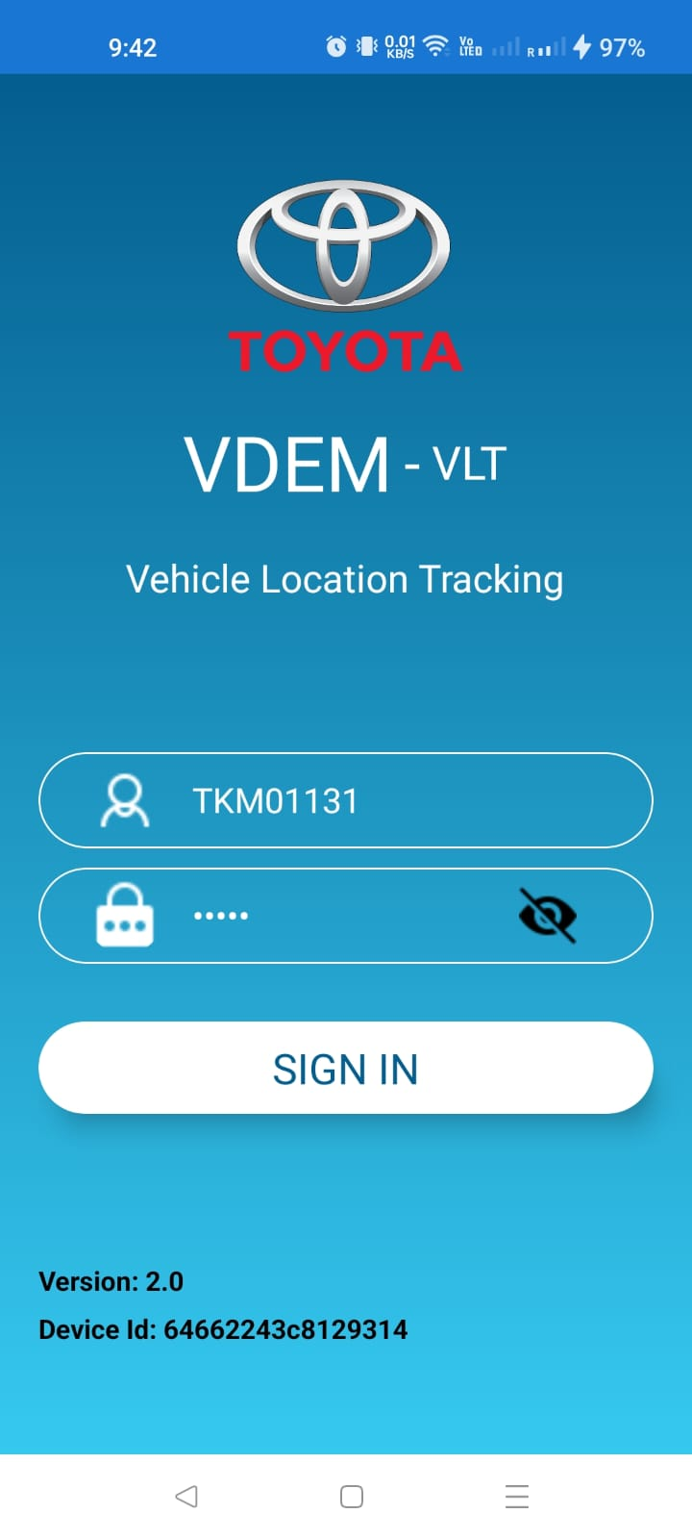
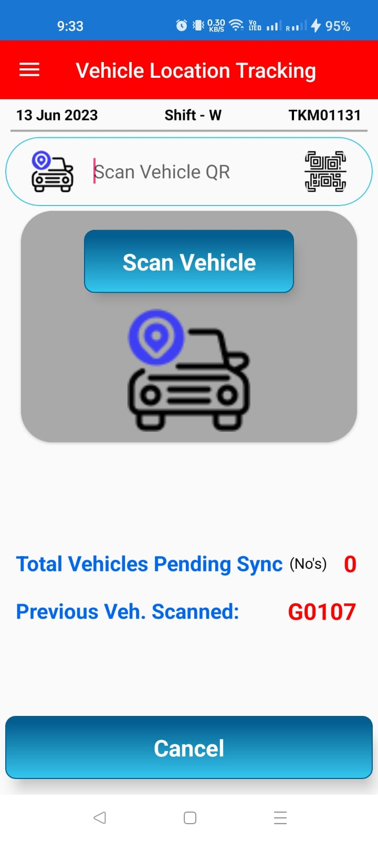

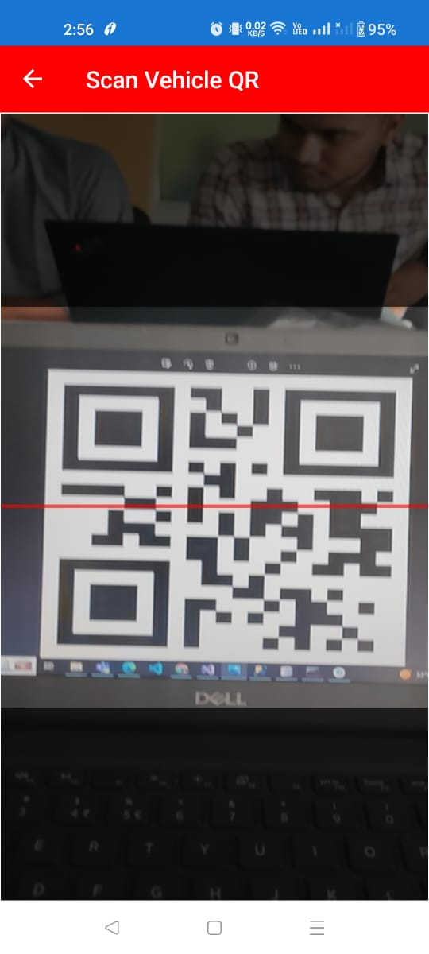
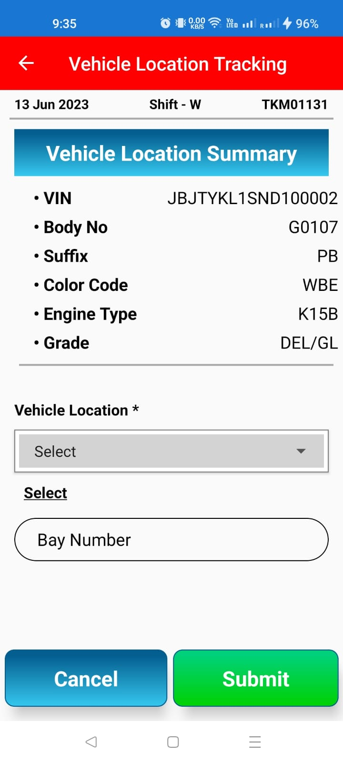
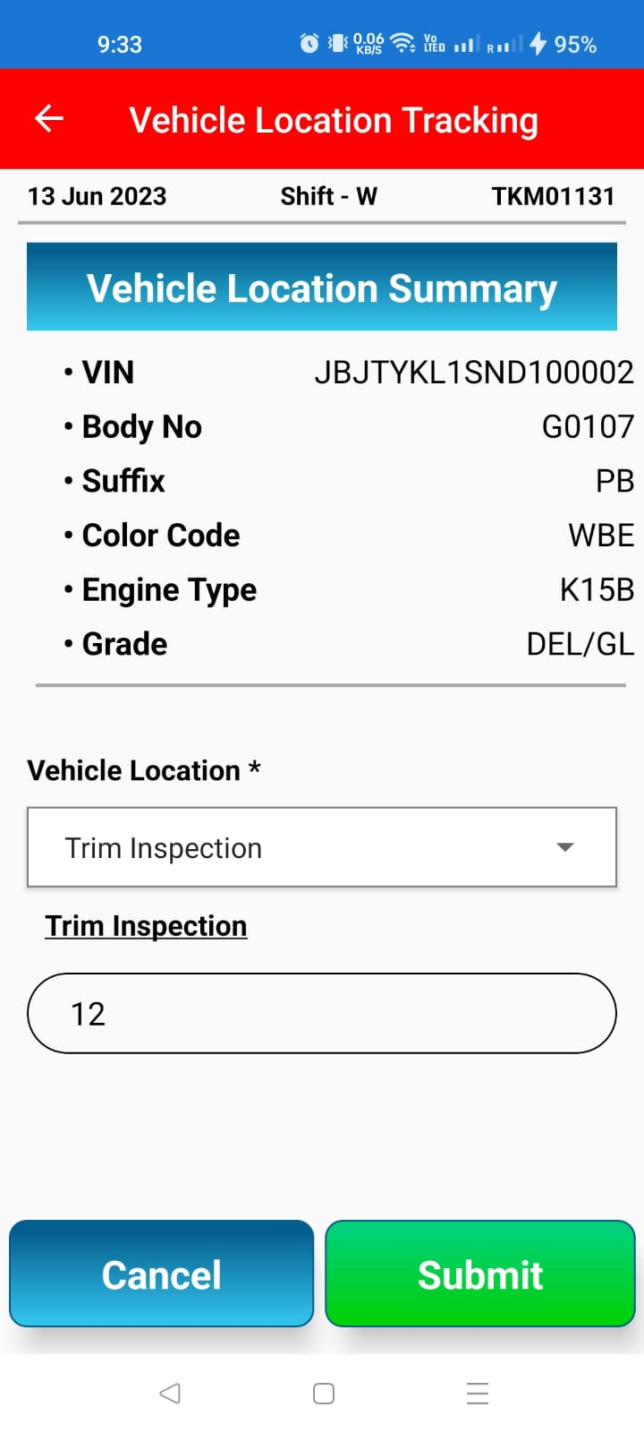
Phase | DR |  | Project Name |  | Vehicle Location Tracking (VDEM-VLT) |  |  |  | Page | 2
Block Name |  | Screen Flow |  | Function Name |  | Vehicle Location Screens -Mobile | Created | 25/5/2023 | By | Swaroop kvm
Document Name |  | Vehicle Location Tracking Screens(Web & Mobile) |  | Title |  | Vehicle Location Tracking Screen Flow - Mobile | Updated | 2023-06-06 | By | Swaroop kvm

Mobile Screens

Vehicle Location Screens(Web)
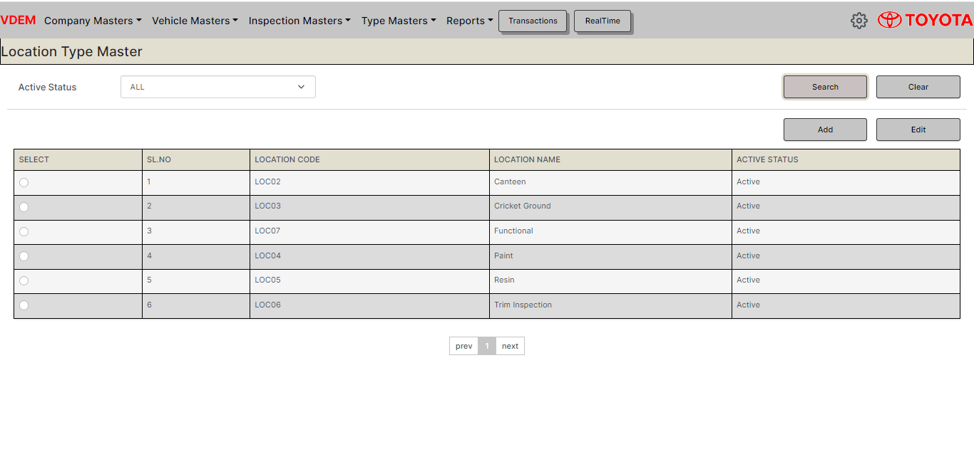
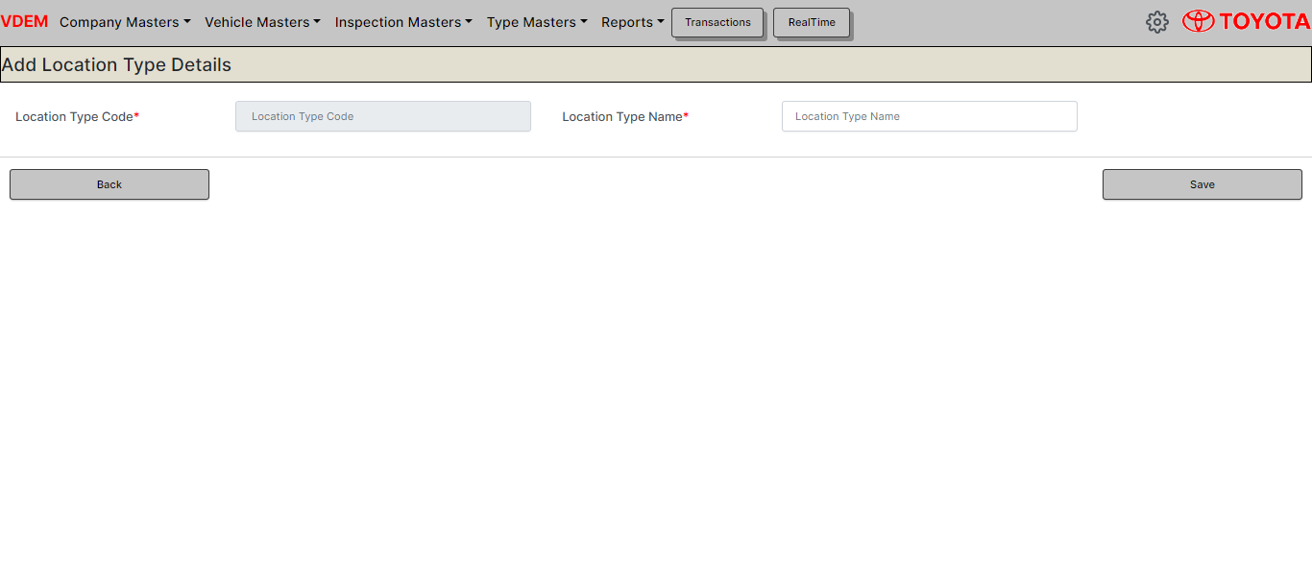
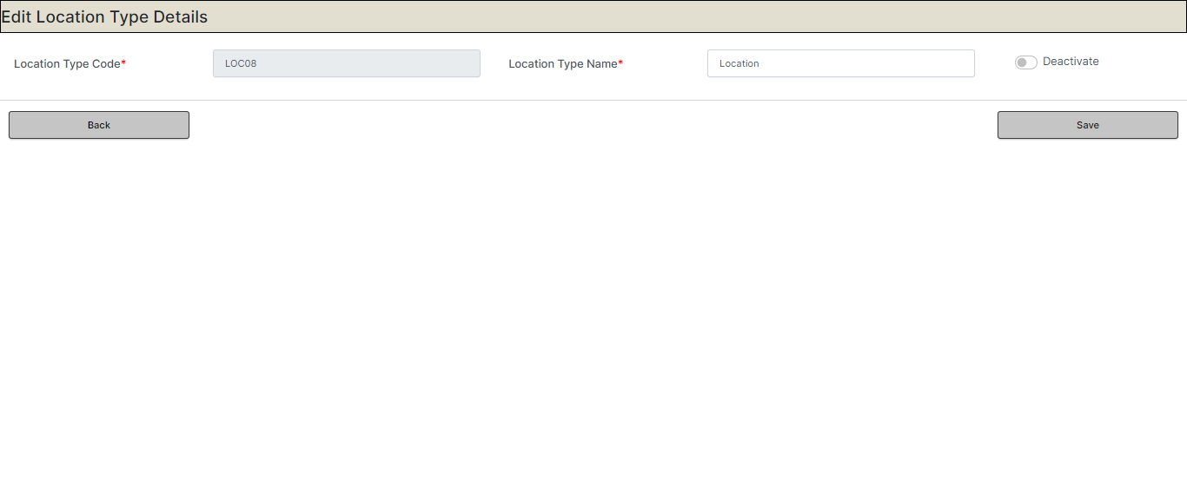
Phase | DR |  | Project Name |  | Vehicle Location Tracking (VDEM-VLT) |  |  |  | Page | 2
Block Name |  | Screen Flow |  | Function Name |  | Vehicle Location Screens - Web | Created | 25/5/2023 | By | Swaroop kvm
Document Name |  | Vehicle Location Tracking Screens(Web & Mobile) |  | Title |  | Vehicle Location Tracking Screen Flow -Web | Updated | 2023-06-06 | By
 |  |  |  |  |  |  |  |  |  | Swaroop kvm

Web Screens |  |  |  |  |  | Scanning Screen Master Screens

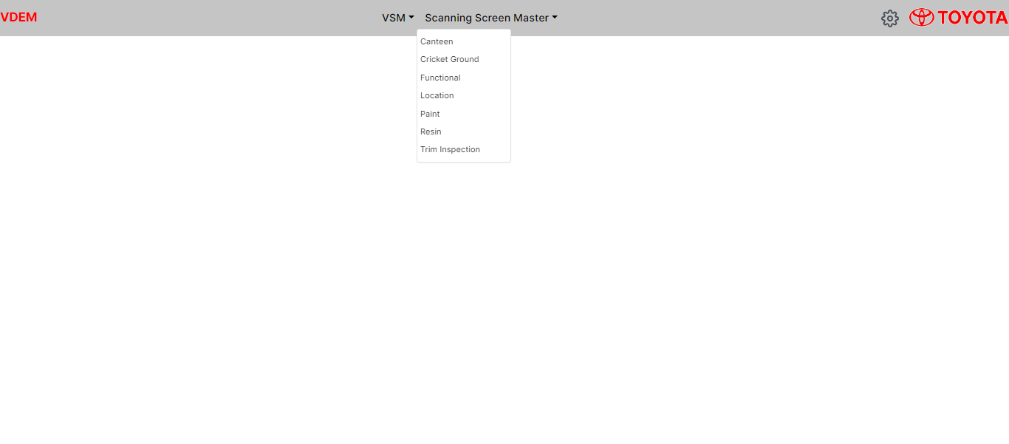
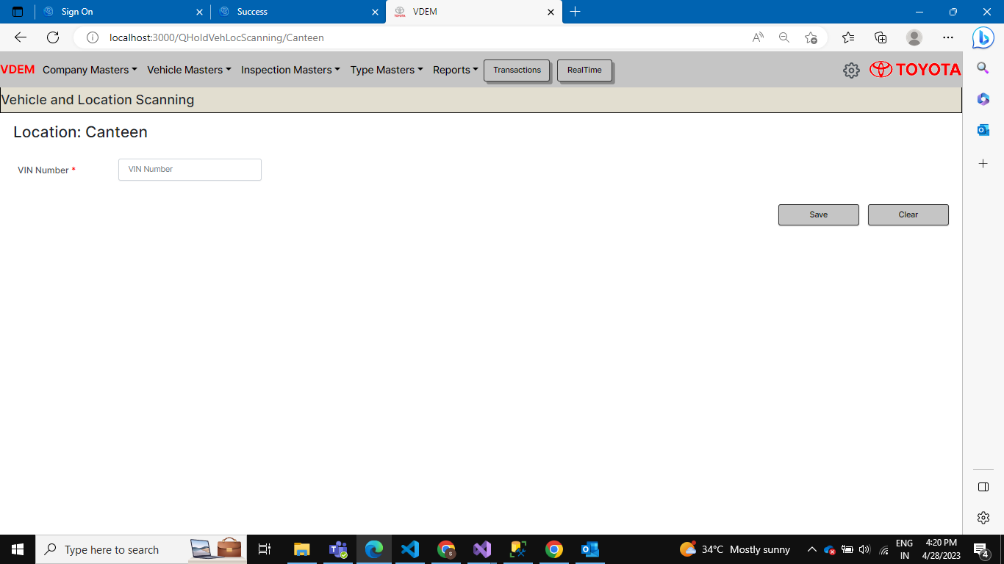
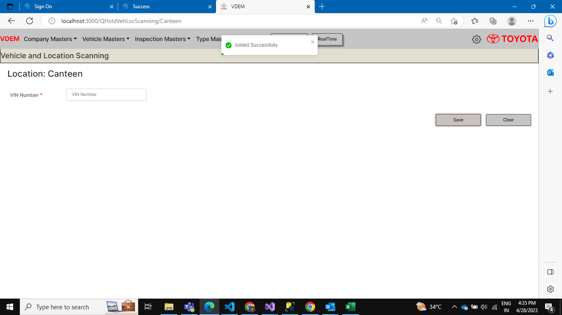

Area Mapping Master

