obefazimod
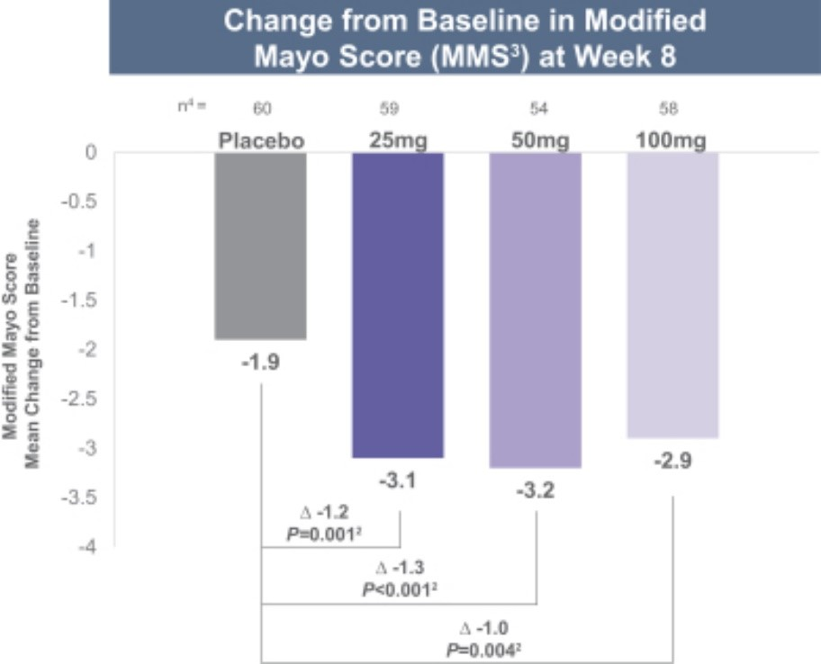

Main
 | Brand | ABX464
 | Generic | obefazimod
 | Indication | Ulcerative Colitis (UC); approximately 776,000 patients in the United States
 | Mechanism of Action (MOA) | miR-124Selective upregulation of microRNA miR-124, which downregulates inflammatory pathways (including TNF-α and IL-6) and promotes mucosal healing through IL-22 production.
 | Intellectual Property (IP) | US Patent 10,017,498 (composition of matter)
 |  | US Patent 10,435,370 – filed 07/17/2015, issued 10/08/2019; expires 2035 (+3.5 years Hatch-Waxman extension possible)
 |  | US Patent 11,649,211 – filed 12/07/2020, issued 05/16/2023; expires 2040
 | Chemistry | Small molecule derived from a chloroquine/quinoline scaffold.

 | Scientific Background | The anti-HIV candidate ABX464 has been shown to dampen intestinal inflammation by triggering IL-22 production in activated macrophages (Chebli et al., 2017).

