Main
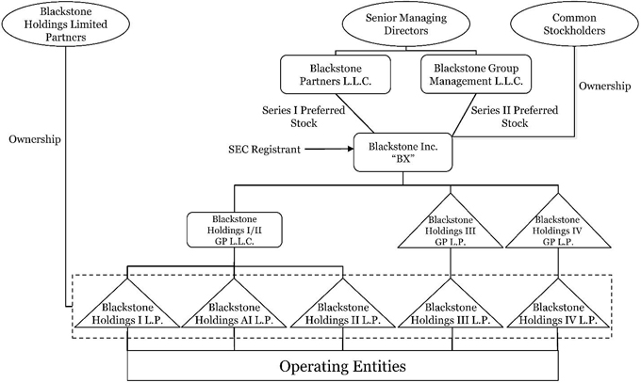
Assets Under Management (AUM): 1.1T | Price | 160.00
Employees: 4,895 | Shares | 1,169 | Q424
 | MC | 187,041
Divisional Breakdown: | Cash |  | Q424
 | Debt |  | Q424
Private Equity: $352B AUM – 675 employees | EV
Real Estate: $315B AUM – 835 employees
Credit & Insurance: $376B AUM – 685 employees | Founded | 1985
Hedge Fund Solutions: $84.2B AUM – 240 employees | CEO | Stephen A. Schwarzman

