Main
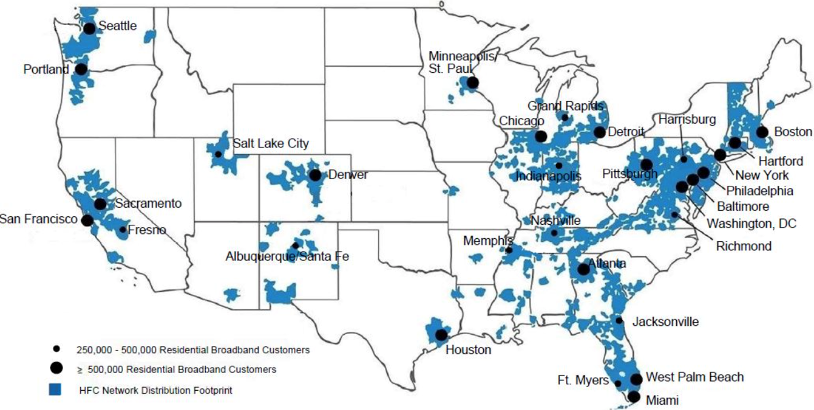
 |  |  | Price | 34.00
USA Network | 71 | General entertainment and sports | Shares | 3,772 | Q424
Syfy | 71 | Genre-based entertainment | MC | 128,234
E! | 71 | Entertainment and pop culture | Cash | 15,236 | Q224
MSNBC | 70 | News, political commentary and information | Debt | 98,128 | Q224
Bravo | 70 | Lifestyle entertainment | EV | 211,126
CNBC | 70 | Business and financial news
Oxygen | 64 | True crime
Golf Channel | 59 | Golf competition and golf entertainment
Universal Kids | 47 | Children’s entertainment
Universo | 21 | Spanish-language entertainment
CNBC World | 18 | Global financial news

