Duravyu
Main
 | Brand | Duravyu, fka EYP-1901
 | Generic | vorolanib
 | Administration | intravitreal injection
 | Indication

 | Clinical Trials
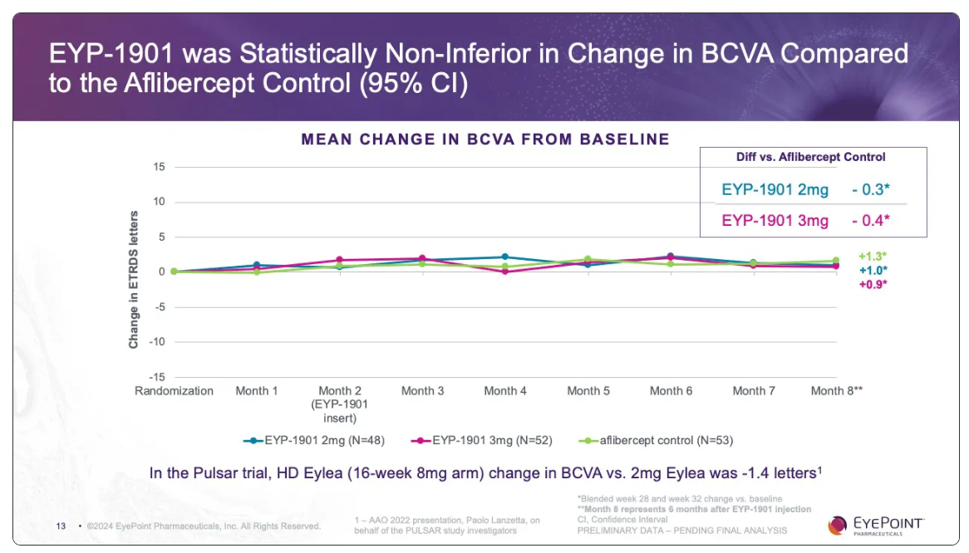
 | Phase II "PAVIA" n=77 NPDR - NCT05383209
 | 70% stable/improved disease at 9 months for sham
 | 80% for 2mg, 86% for 3mg

 | Phase III "LUGANO" wet AMD
 | non-inferiority

 | Phase II "DAVIO 2" n=160 wet AMD

