sabizabulin
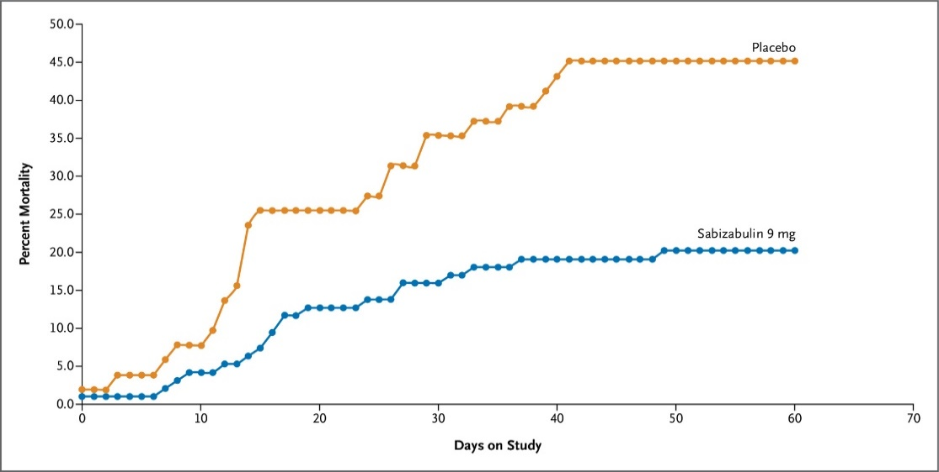
Main
 | Brand
 | Generic | sabizabulin
 | Indication | COVID-19

 | Clinical Trials

 | Phase III n=204 hospitalized C19 at high risk - NCT04842747
 | 2:1 randomization
 | small baseline imbalances in severity
 | small difference in ex-US mortality

